Trial 1
a1 | = | 30
a2 | = | 20 | Forward Kinematics |  | Home |  | Inverse Kinematics
a3 | = | 20
a4 | = | 20
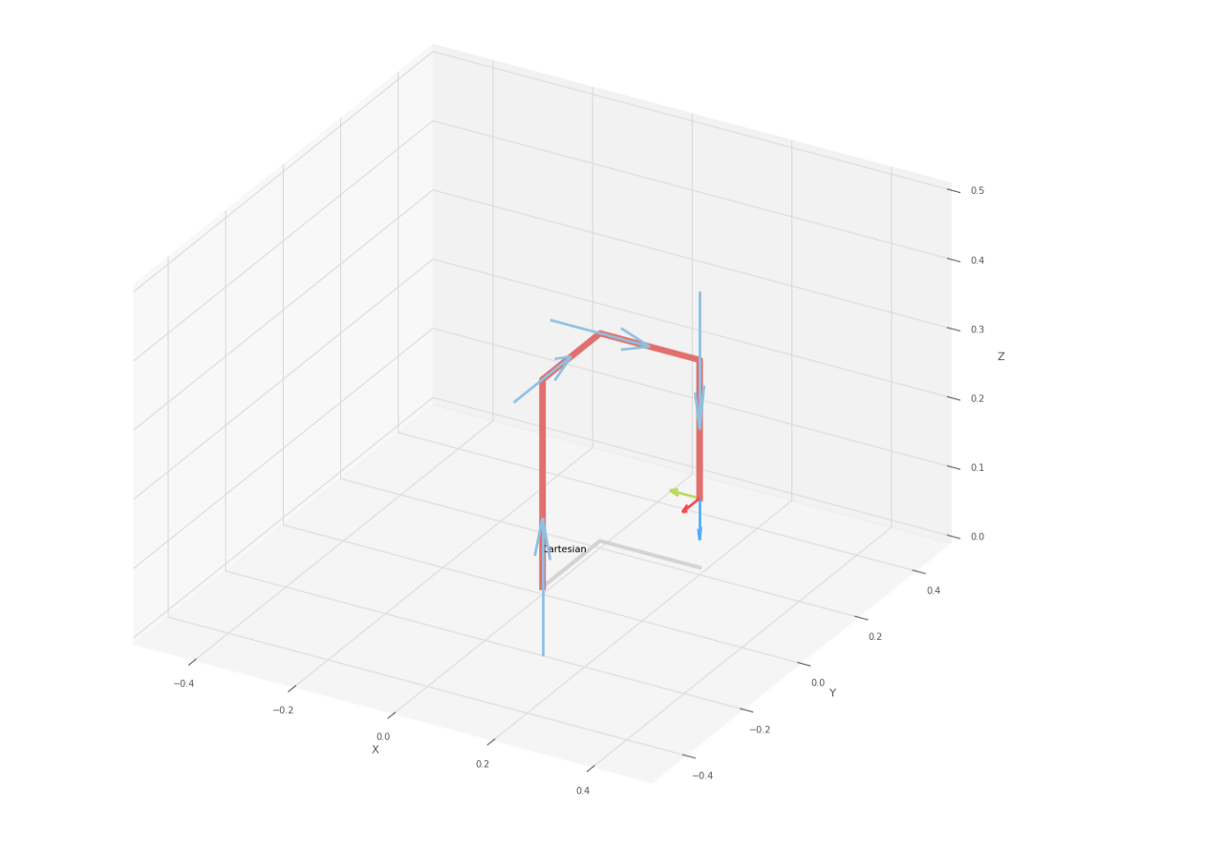
 |  |  |  | FK Joint Variables

 |  |  |  | 0 | 0 | 0
 |  |  |  | cm | deg | deg

 |  |  |  | Position Vector

 |  |  |  | 20 | 20 | 10
 |  |  |  | cm | deg | deg

 |  |  |  | IK Joint Variables

 |  |  |  | 0 | 0 | 0
 |  |  |  | cm | deg | deg

Trial 2
a1 | = | 30
a2 | = | 20 | Forward Kinematics |  | Home |  | Inverse Kinematics
a3 | = | 20
a4 | = | 20

 |  |  |  | FK Joint Variables
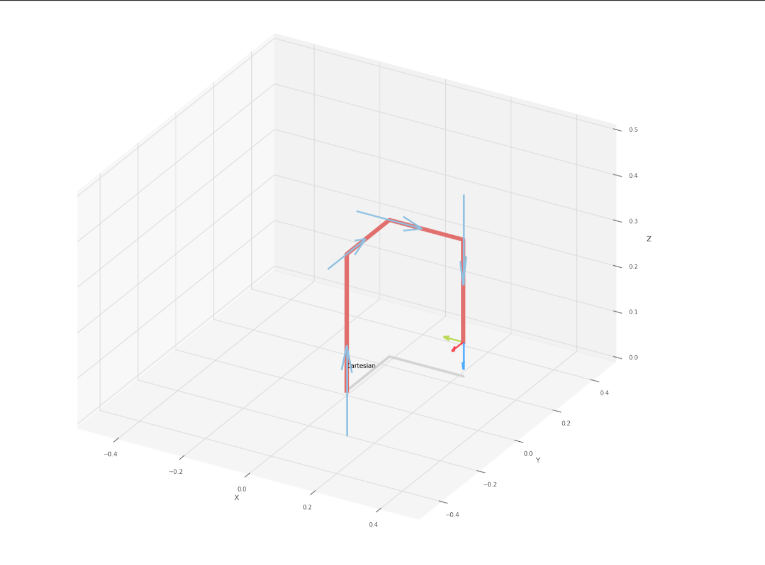
 |  |  |  | 2.5 | 2.5 | 2.5
 |  |  |  | cm | deg | deg

 |  |  |  | Position Vector

 |  |  |  | 22.5 | 22.5 | 7.5
 |  |  |  | cm | deg | deg

 |  |  |  | IK Joint Variables

 |  |  |  | 2.5 | 2.5 | 2.5
 |  |  |  | cm | deg | deg

Trial 3
a1 | = | 30
a2 | = | 20 | Forward Kinematics |  | Home |  | Inverse Kinematics
a3 | = | 20
a4 | = | 20

 |  |  |  | FK Joint Variables
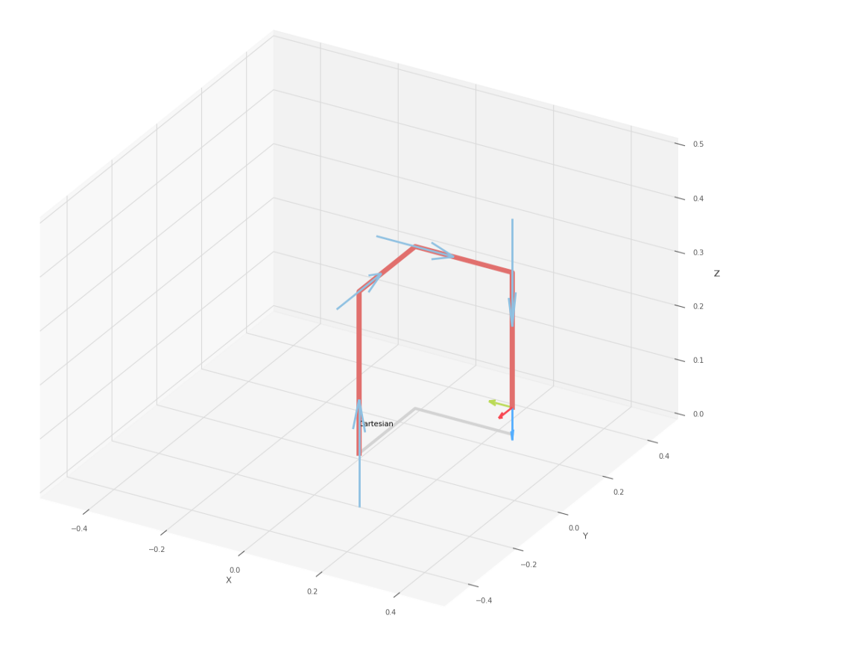
 |  |  |  | 5 | 5 | 5
 |  |  |  | cm | deg | deg

 |  |  |  | Position Vector

 |  |  |  | 25 | 25 | 5
 |  |  |  | cm | deg | deg

 |  |  |  | IK Joint Variables

 |  |  |  | 5 | 5 | 5
 |  |  |  | cm | deg | deg

Trial 4
a1 | = | 30
a2 | = | 20 | Forward Kinematics |  | Home |  | Inverse Kinematics
a3 | = | 20
a4 | = | 20

 |  |  |  | FK Joint Variables
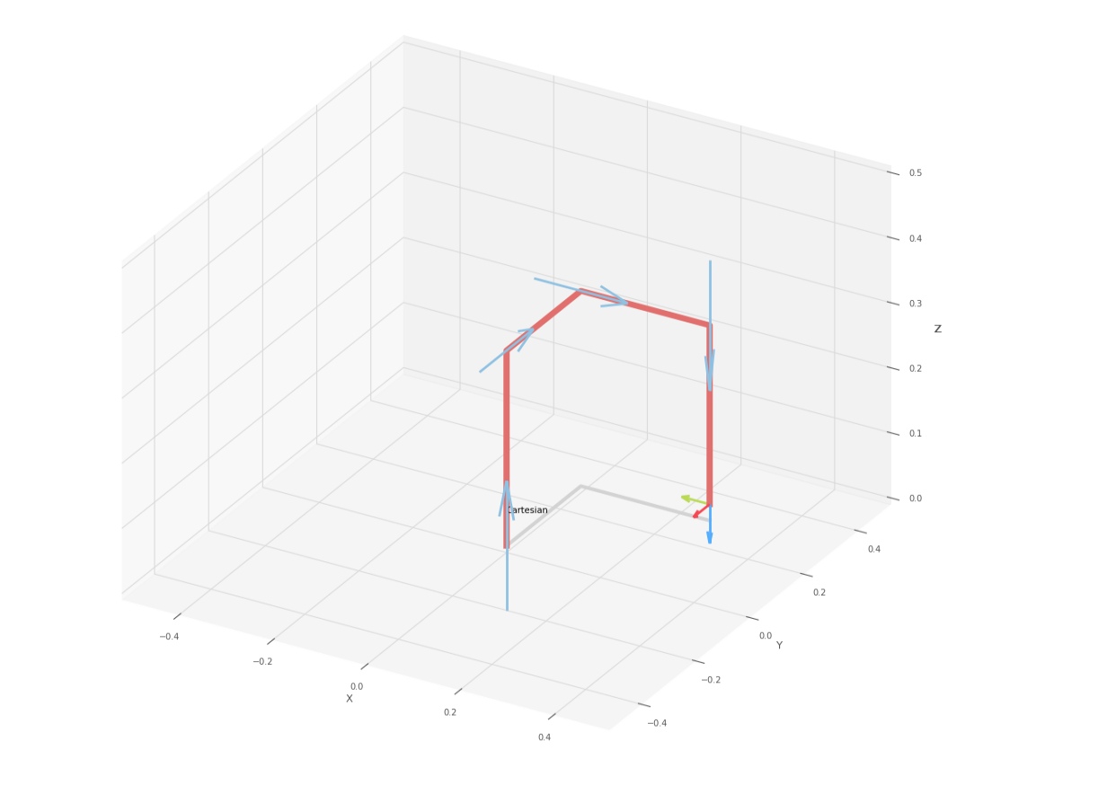
 |  |  |  | 7.5 | 7.5 | 7.5
 |  |  |  | cm | deg | deg

 |  |  |  | Position Vector

 |  |  |  | 27.5 | 27.5 | 2.5
 |  |  |  | cm | deg | deg

 |  |  |  | IK Joint Variables

 |  |  |  | 7.5 | 7.5 | 7.5
 |  |  |  | cm | deg | deg

Trial 5
a1 | = | 30
a2 | = | 20 | Forward Kinematics |  | Home |  | Inverse Kinematics
a3 | = | 20
a4 | = | 20
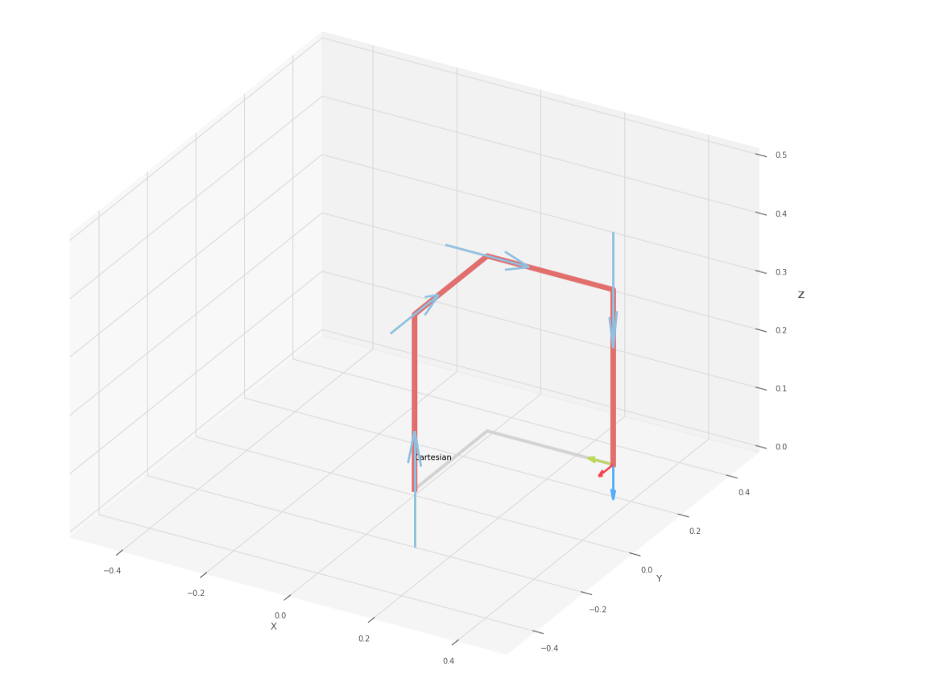
 |  |  |  | FK Joint Variables

 |  |  |  | 10 | 10 | 10
 |  |  |  | cm | deg | deg

 |  |  |  | Position Vector

 |  |  |  | 30 | 30 | 0
 |  |  |  | cm | deg | deg

 |  |  |  | IK Joint Variables

 |  |  |  | 10 | 10 | 10
 |  |  |  | cm | deg | deg

