Trial 1
LINK LENGTHS |  |  | TRIAL 1
a1 | = | 20 |  | Forward Kinematics | Home |  |  | Inverse Kinematics
a2 | = | 30
a3 | = | 10
a4 | = | 15
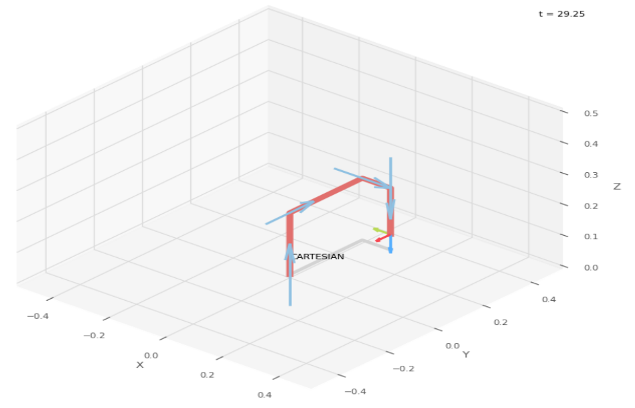
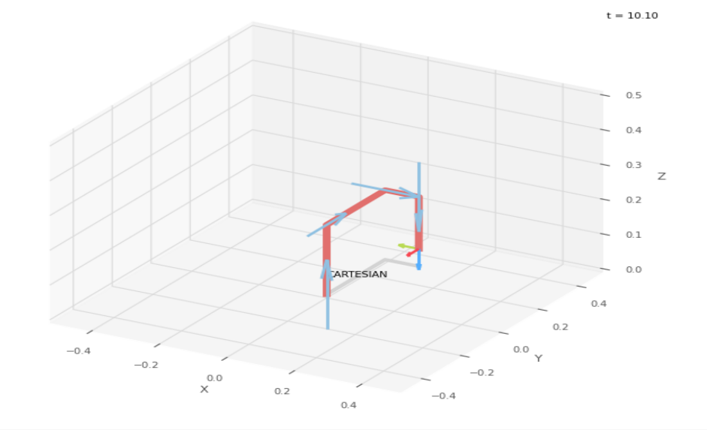
 |  |  |  |  | Forward Kinematics Joint Variables
 |  |  |  |  | 0 | 0 | 0
 |  |  |  |  | cm | cm | cm

 |  |  |  |  | Position Vector
 |  |  |  |  | 10 | 30 | 5
 |  |  |  |  | cm | cm | cm

 |  |  |  |  | Inverse Kinematics Joint Variables
 |  |  |  |  | 0 | 0 | 0
 |  |  |  |  | cm | cm | cm

Trial 2
LINK LENGTHS |  |  | TRIAL 2
a1 | = | 20 |  | Forward Kinematics | Home |  |  | Inverse Kinematics
a2 | = | 30
a3 | = | 10
a4 | = | 15
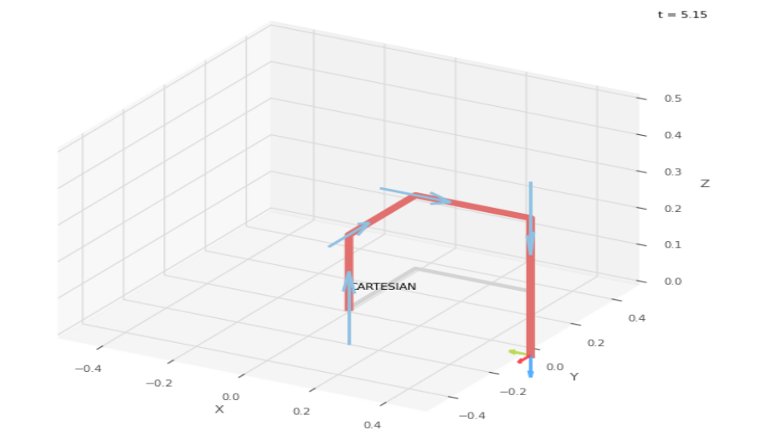
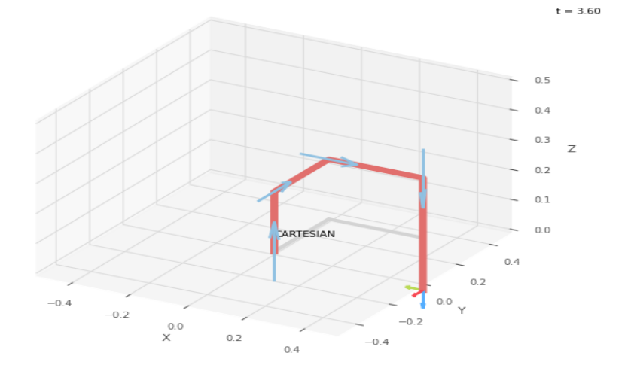
 |  |  |  |  | Forward Kinematics Joint Variables
 |  |  |  |  | 2.5 | 22.5 | 22.5
 |  |  |  |  | cm | cm | cm

 |  |  |  |  | Position Vector
 |  |  |  |  | 32.5 | 32.5 | -17.5
 |  |  |  |  | cm | cm | cm

 |  |  |  |  | Inverse Kinematics Joint Variables
 |  |  |  |  | 2.5 | 22.5 | 22.5
 |  |  |  |  | cm | cm | cm

Trial 3
LINK LENGTHS |  |  | TRIAL 3
a1 | = | 20 |  | Forward Kinematics | Home |  |  | Inverse Kinematics
a2 | = | 30
a3 | = | 10
a4 | = | 15
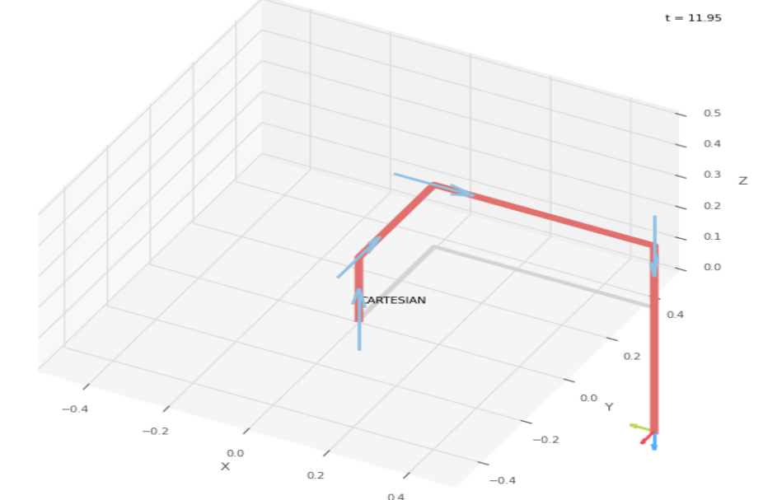
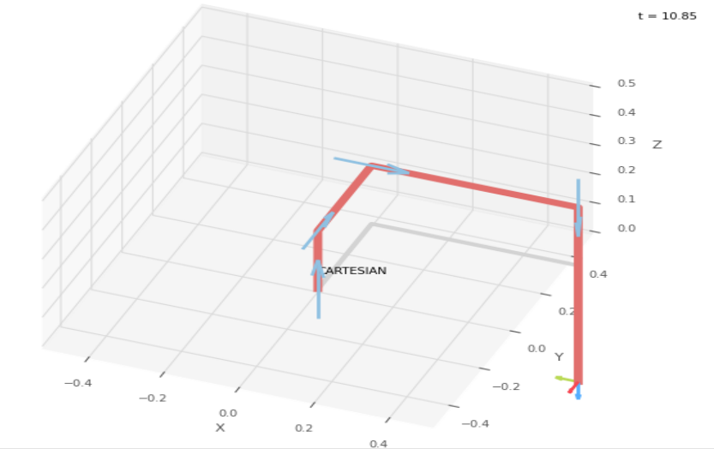
 |  |  |  |  | Forward Kinematics Joint Variables
 |  |  |  |  | 5 | 45 | 45
 |  |  |  |  | cm | cm | cm

 |  |  |  |  | Position Vector
 |  |  |  |  | 55 | 35 | -40
 |  |  |  |  | cm | cm | cm

 |  |  |  |  | Inverse Kinematics Joint Variables
 |  |  |  |  | 5 | 45 | 45
 |  |  |  |  | cm | cm | cm

Trial 4
LINK LENGTHS |  |  | TRIAL 4
a1 | = | 20 |  | Forward Kinematics | Home |  |  | Inverse Kinematics
a2 | = | 30
a3 | = | 10
a4 | = | 15
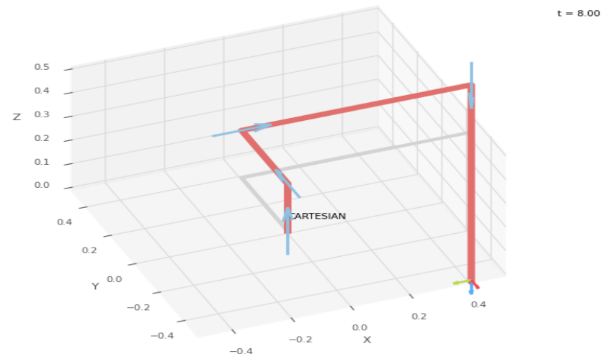
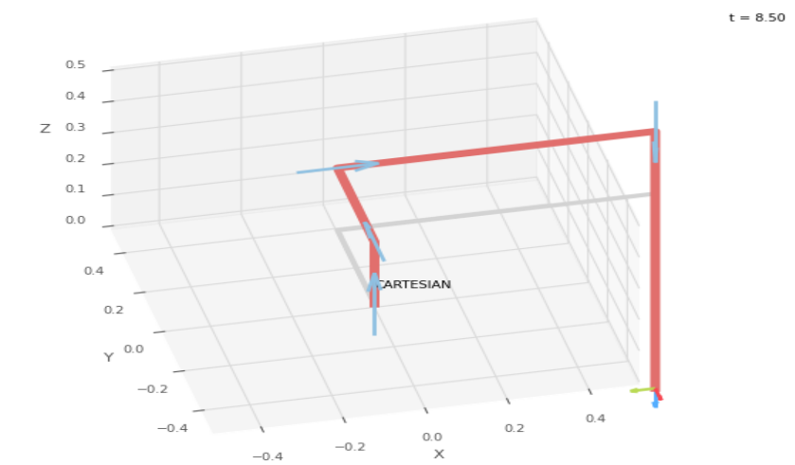
 |  |  |  |  | Forward Kinematics Joint Variables
 |  |  |  |  | 7.5 | 67.5 | 67.5
 |  |  |  |  | cm | cm | cm

 |  |  |  |  | Position Vector
 |  |  |  |  | 77.5 | 37.5 | -62.5
 |  |  |  |  | cm | cm | cm

 |  |  |  |  | Inverse Kinematics Joint Variables
 |  |  |  |  | 7.5 | 67.5 | 67.5
 |  |  |  |  | cm | cm | cm

Trial 5
LINK LENGTHS |  |  | TRIAL 5
a1 | = | 20 |  | Forward Kinematics | Home |  |  | Inverse Kinematics
a2 | = | 30
a3 | = | 10
a4 | = | 15
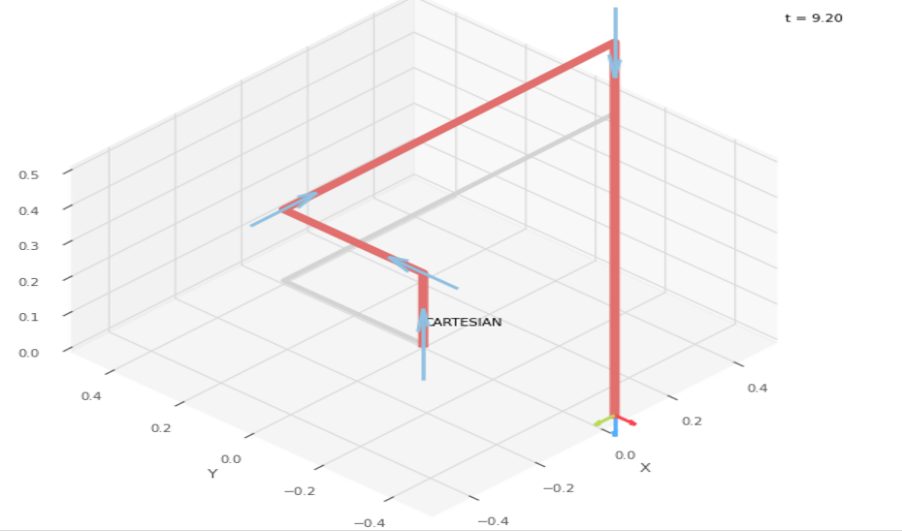
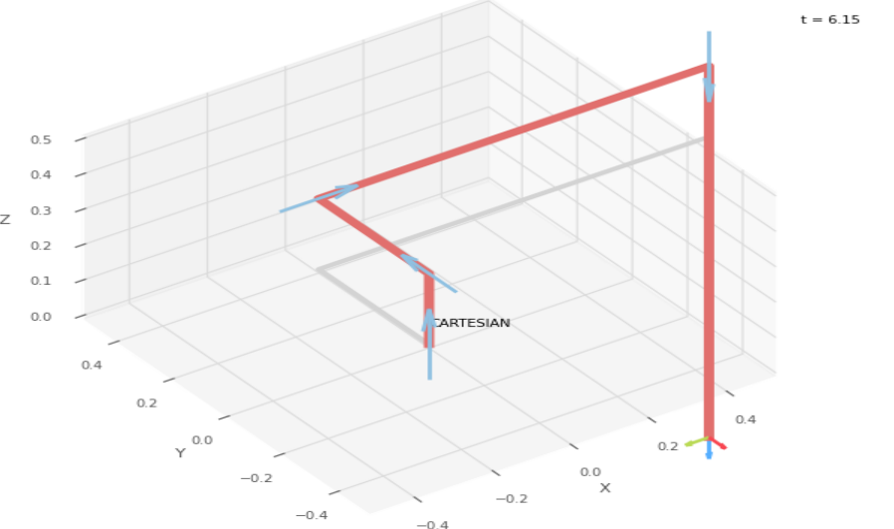
 |  |  |  |  | Forward Kinematics Joint Variables
 |  |  |  |  | 10 | 90 | 90
 |  |  |  |  | cm | cm | cm

 |  |  |  |  | Position Vector
 |  |  |  |  | 100 | 40 | -85
 |  |  |  |  | cm | cm | cm

 |  |  |  |  | Inverse Kinematics Joint Variables
 |  |  |  |  | 10 | 90 | 90
 |  |  |  |  | cm | cm | cm

