Trial 1
a1 | = | 10
a2 | = | 10 | Forward Kinematics |  | Home |  | Inverse Kinematics
a3 | = | 20
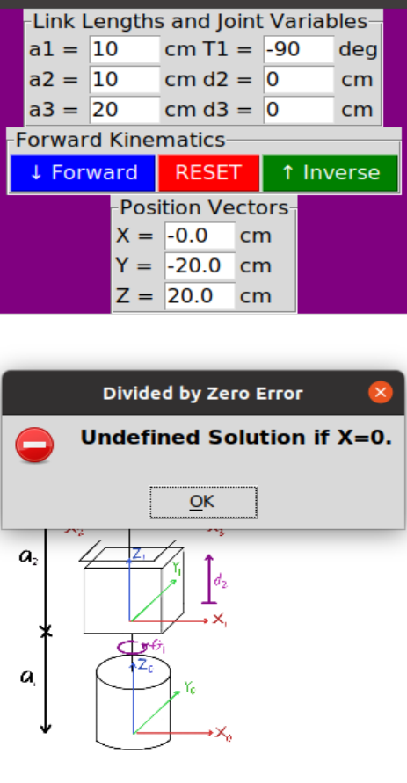
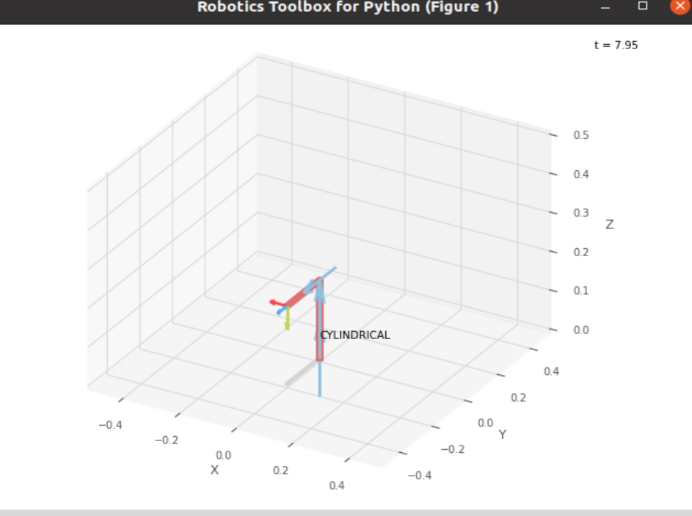
 |  |  |  | FK Joint Variables

 |  |  |  | -90 | 0 | 0
 |  |  |  | deg | cm | cm

 |  |  |  | Position Vector

 |  |  |  | 0 | -20 | 20
 |  |  |  | cm | cm | cm

 |  |  |  | IK Joint Variables

 |  |  |  | Undefined Solution
 |  |  |  | deg | cm | cm

Trial 2
a1 | = | 10
a2 | = | 10 | Forward Kinematics |  | Home |  | Inverse Kinematics
a3 | = | 20

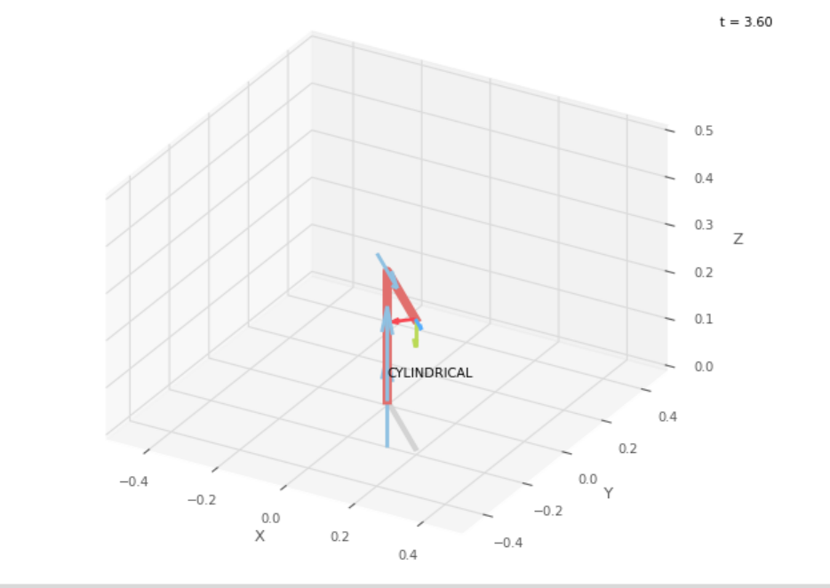
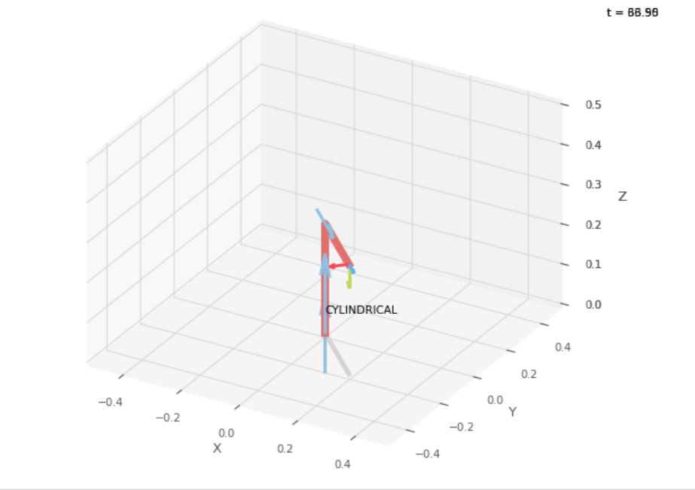
 |  |  |  | FK Joint Variables

 |  |  |  | -45 | 7.5 | 7.5
 |  |  |  | deg | cm | cm

 |  |  |  | Position Vector

 |  |  |  | 19.445 | -19.445 | 27.5
 |  |  |  | cm | cm | cm

 |  |  |  | IK Joint Variables

 |  |  |  | -45 | 7.5 | 7.499
 |  |  |  | deg | cm | cm

Trial 3
a1 | = | 10
a2 | = | 10 | Forward Kinematics |  | Home |  | Inverse Kinematics
a3 | = | 20

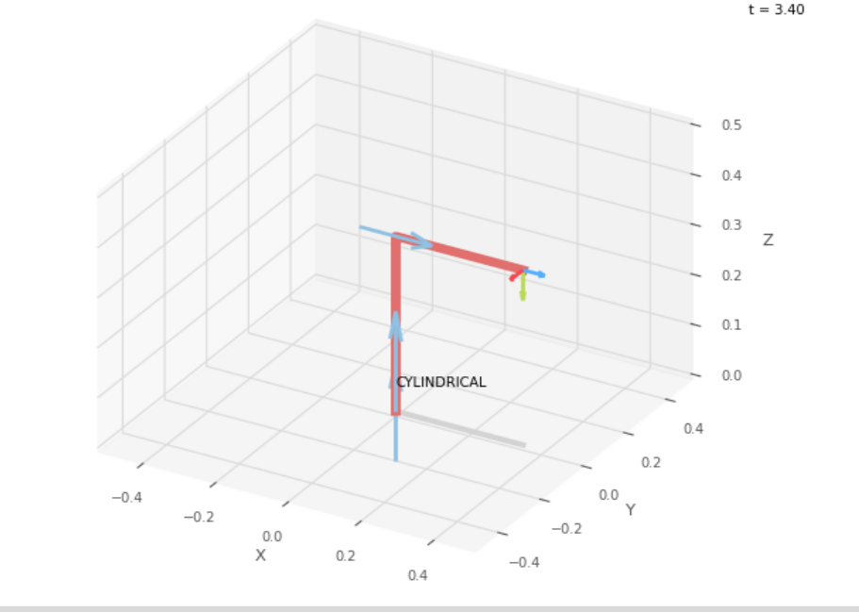
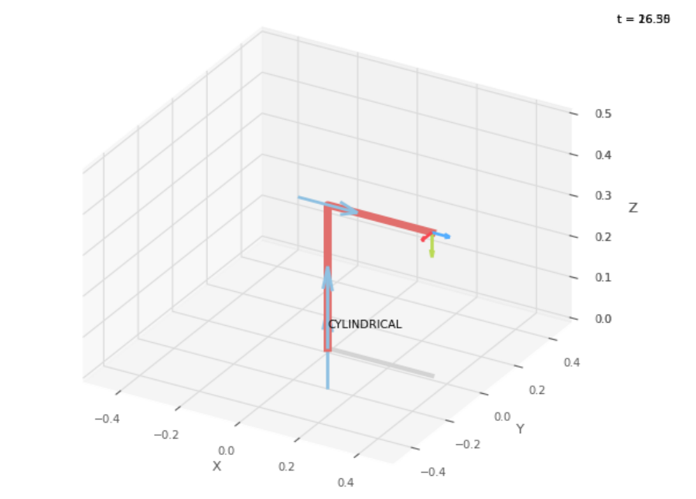
 |  |  |  | FK Joint Variables

 |  |  |  | 0 | 15 | 15
 |  |  |  | deg | cm | cm

 |  |  |  | Position Vector

 |  |  |  | 35 | 0 | 35
 |  |  |  | cm | cm | cm

 |  |  |  | IK Joint Variables

 |  |  |  | 0 | 15 | 15
 |  |  |  | deg | cm | cm

Trial 4
a1 | = | 10
a2 | = | 10 | Forward Kinematics |  | Home |  | Inverse Kinematics
a3 | = | 20

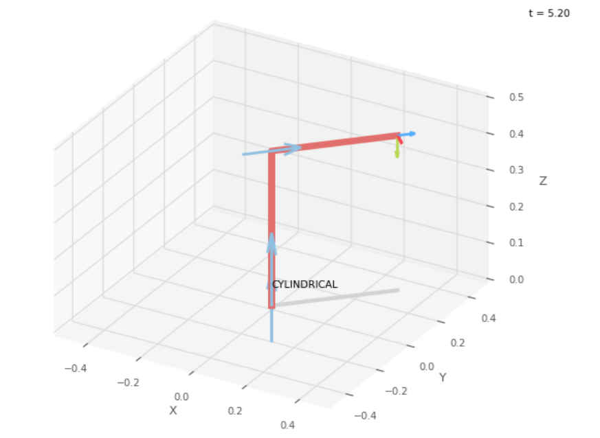
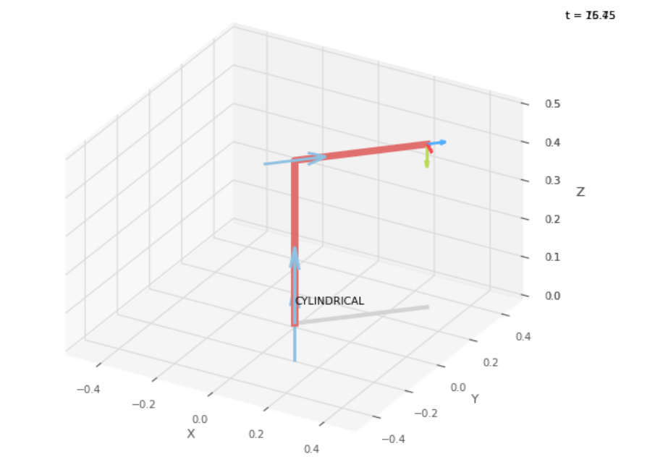
 |  |  |  | FK Joint Variables

 |  |  |  | 45 | 22.5 | 22.5
 |  |  |  | deg | cm | cm

 |  |  |  | Position Vector

 |  |  |  | 30.052 | 30.052 | 42.5
 |  |  |  | cm | cm | cm

 |  |  |  | IK Joint Variables

 |  |  |  | 45 | 22.5 | 22.5
 |  |  |  | deg | cm | cm

Trial 5
a1 | = | 10
a2 | = | 10 | Forward Kinematics |  | Home |  | Inverse Kinematics
a3 | = | 20
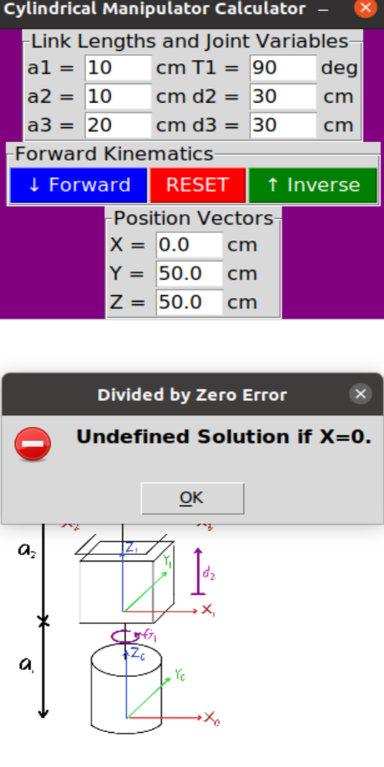
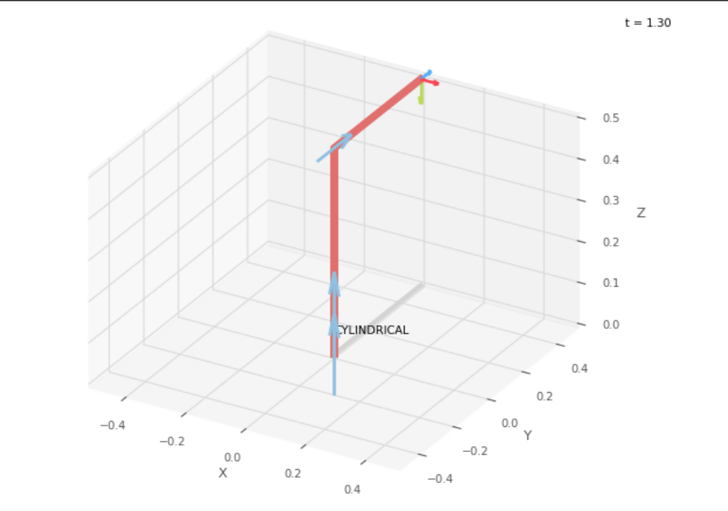
 |  |  |  | FK Joint Variables

 |  |  |  | 90 | 30 | 30
 |  |  |  | deg | cm | cm

 |  |  |  | Position Vector

 |  |  |  | 0 | 50 | 50
 |  |  |  | cm | cm | cm

 |  |  |  | IK Joint Variables

 |  |  |  | Undefined Solution
 |  |  |  | deg | cm | cm

