Trial 1
a1 | = | 20
a2 | = | 25 | Forward Kinematics |  | Home |  | Inverse Kinematics
a3 | = | 10
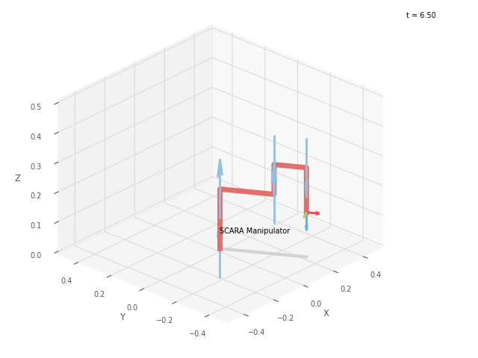
a4 | = | 15
a5 | = | 15
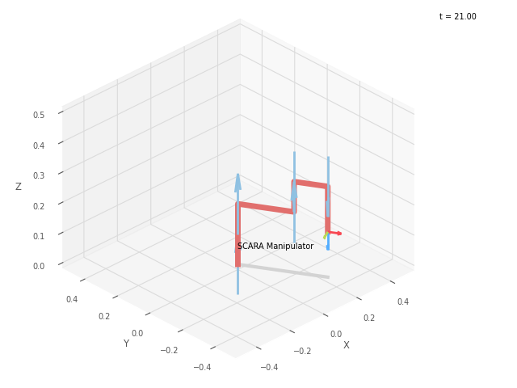
 |  |  |  | FK Joint Variables

 |  |  |  | -60 | 0 | 0
 |  |  |  | cm | deg | deg

 |  |  |  | Position Vector

 |  |  |  | 20 | -34.461 | 15
 |  |  |  | cm | deg | deg

 |  |  |  | IK Joint Variables

 |  |  |  | -60.037 | 0.099 | 0
 |  |  |  | cm | deg | deg

Trial 2
a1 | = | 20
a2 | = | 25 | Forward Kinematics |  | Home |  | Inverse Kinematics
a3 | = | 10
a4 | = | 15
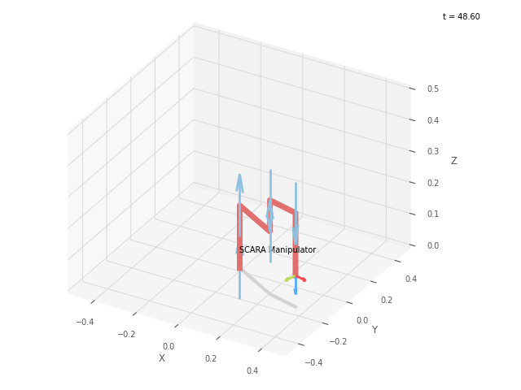
a5 | = | 15

 |  |  |  | FK Joint Variables

 |  |  |  | -30 | 15 | 5
 |  |  |  | cm | deg | deg

 |  |  |  | Position Vector

 |  |  |  | 36.14 | -16.382 | 10
 |  |  |  | cm | deg | deg

 |  |  |  | IK Joint Variables

 |  |  |  | -29.997 | 14.993 | 5
 |  |  |  | cm | deg | deg

Trial 3
a1 | = | 20
a2 | = | 25 | Forward Kinematics |  | Home |  | Inverse Kinematics
a3 | = | 10
a4 | = | 15
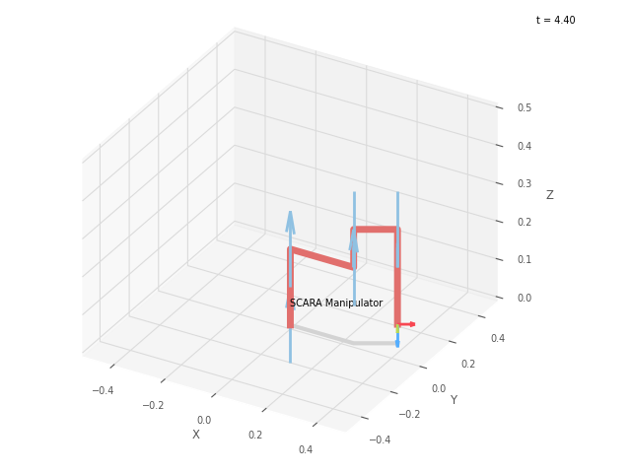
a5 | = | 15

 |  |  |  | FK Joint Variables

 |  |  |  | 0 | 30 | 10
 |  |  |  | cm | deg | deg

 |  |  |  | Position Vector

 |  |  |  | 37.99 | 7.5 | 5
 |  |  |  | cm | deg | deg

 |  |  |  | IK Joint Variables

 |  |  |  | -0.002 | 30.004 | 10
 |  |  |  | cm | deg | deg

Trial 4
a1 | = | 20
a2 | = | 25 | Forward Kinematics |  | Home |  | Inverse Kinematics
a3 | = | 10
a4 | = | 15
a5 | = | 15
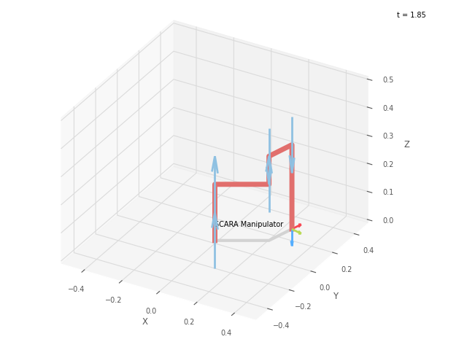
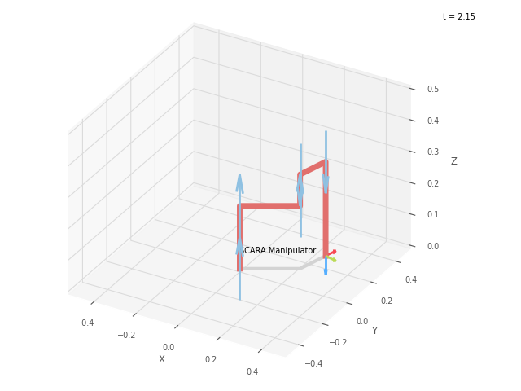
 |  |  |  | FK Joint Variables

 |  |  |  | 30 | 45 | 15
 |  |  |  | cm | deg | deg

 |  |  |  | Position Vector

 |  |  |  | 25.533 | 26.989 | 0
 |  |  |  | cm | deg | deg

 |  |  |  | IK Joint Variables

 |  |  |  | 30 | 44.999 | 15
 |  |  |  | cm | deg | deg

Trial 5
a1 | = | 20
a2 | = | 25 | Forward Kinematics |  | Home |  | Inverse Kinematics
a3 | = | 10
a4 | = | 15
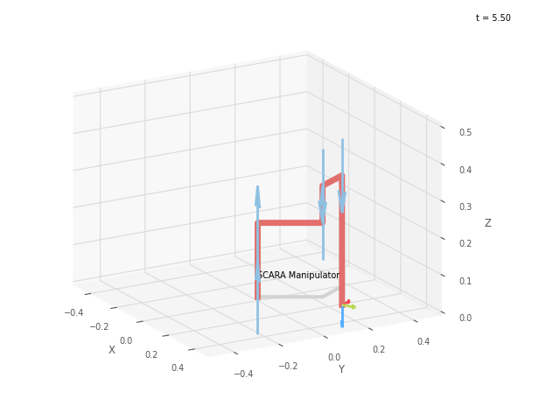
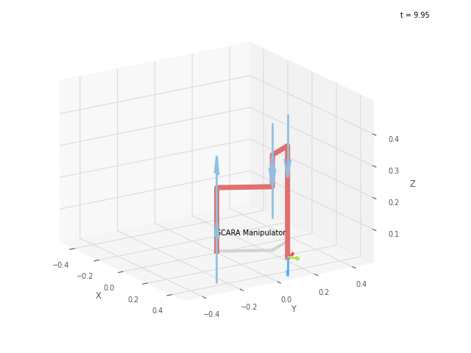
a5 | = | 15
 |  |  |  | FK Joint Variables

 |  |  |  | 60 | 60 | 20
 |  |  |  | cm | deg | deg

 |  |  |  | Position Vector

 |  |  |  | 5 | 34.641 | -5
 |  |  |  | cm | deg | deg

 |  |  |  | IK Joint Variables

 |  |  |  | 60 | 60 | 20
 |  |  |  | cm | deg | deg

