Trial 1
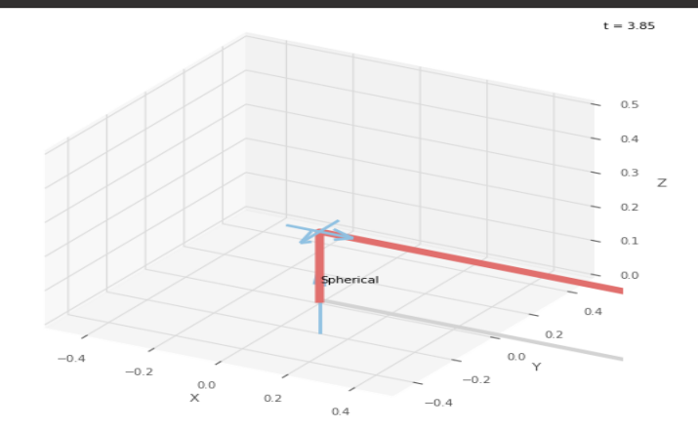
a1 | = | 20 | Forward Kinematics |  | Home |  | Inverse Kinematics
a2 | = | 20
a3 | = | 20
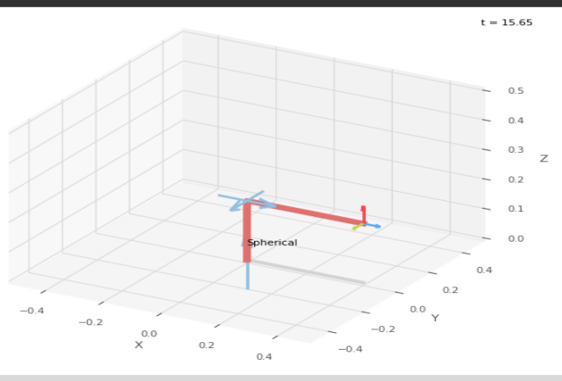
 |  |  |  | FK Joint Variables

 |  |  |  | 0 | 0 | 0
 |  |  |  | deg | deg | cm

 |  |  |  | Position Vector

 |  |  |  | 40 | 0 | 20
 |  |  |  | deg | deg | cm

 |  |  |  | IK Joint Variable

 |  |  |  | 0 | 0 | 0
 |  |  |  | deg | cm | cm

Trial 2
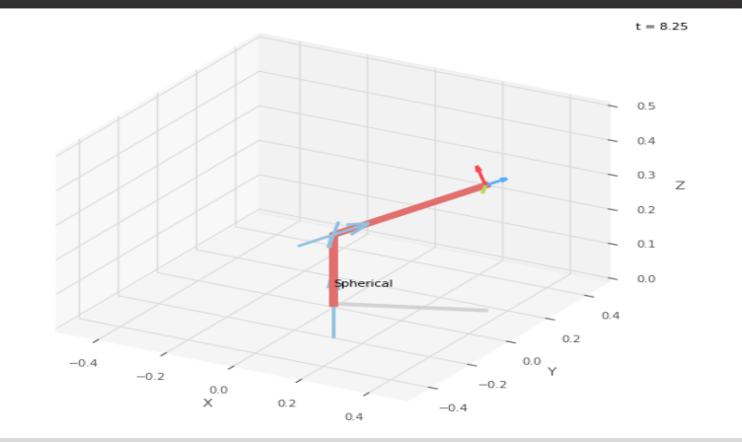
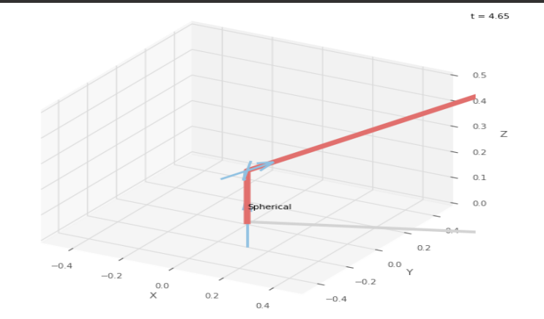
a1 | = | 20 | Forward Kinematics |  | Home |  | Inverse Kinematics
a2 | = | 20
a3 | = | 20

 |  |  |  | FK Joint Variables

 |  |  |  | 22.5 | 22.5 | 2.5
 |  |  |  | deg | deg | cm

 |  |  |  | Position Vector

 |  |  |  | 36.276 | 15.026 | 36.264
 |  |  |  | deg | deg | cm

 |  |  |  | IK Joint Variable

 |  |  |  | 22.5 | 22.5 | 2.5
 |  |  |  | deg | cm | cm

Trial 3
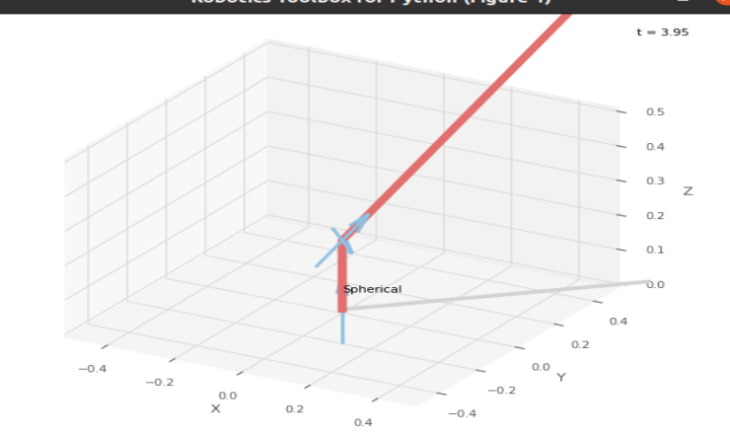
a1 | = | 20 | Forward Kinematics |  | Home |  | Inverse Kinematics
a2 | = | 20
a3 | = | 20
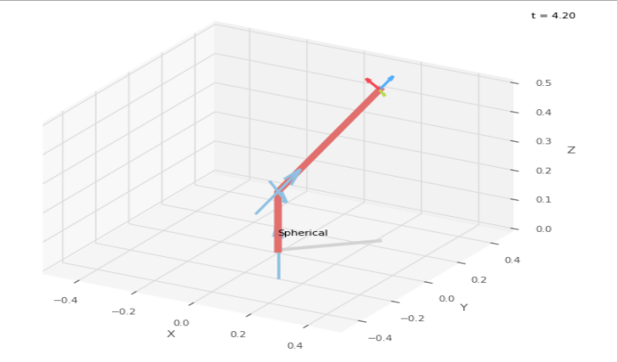
 |  |  |  | FK Joint Variables

 |  |  |  | 45 | 45 | 5
 |  |  |  | deg | deg | cm

 |  |  |  | Position Vector

 |  |  |  | 22.5 | 22.5 | 51.82
 |  |  |  | deg | deg | cm

 |  |  |  | IK Joint Variable

 |  |  |  | 45 | 45 | 5
 |  |  |  | deg | cm | cm

Trial 4
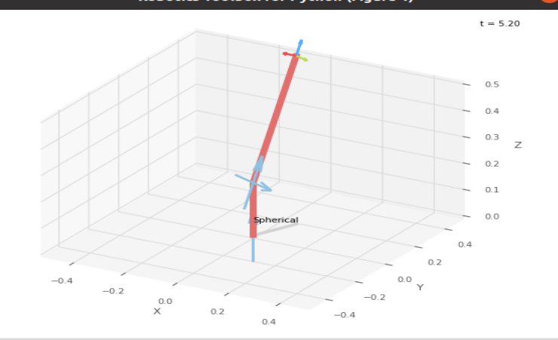
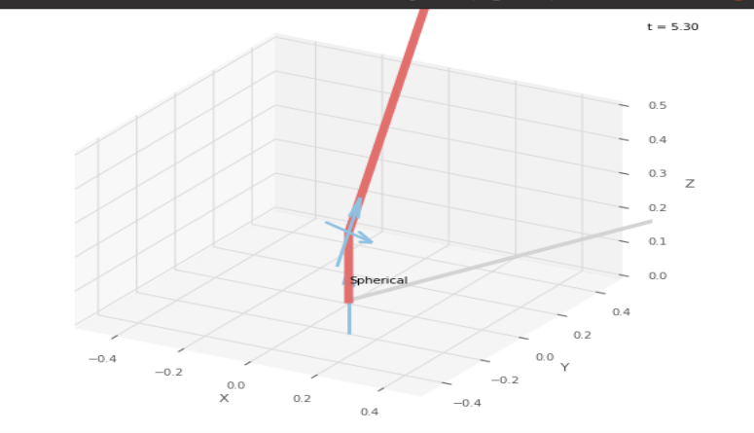
a1 | = | 20 | Forward Kinematics |  | Home |  | Inverse Kinematics
a2 | = | 20
a3 | = | 20

 |  |  |  | FK Joint Variables

 |  |  |  | 67.5 | 67.5 | 7.5
 |  |  |  | deg | deg | cm

 |  |  |  | Position Vector

 |  |  |  | 6.956 | 16.794 | 63.884
 |  |  |  | deg | deg | cm

 |  |  |  | IK Joint Variable

 |  |  |  | 67.501 | 67.5 | 7.5
 |  |  |  | deg | cm | cm

Trial 5
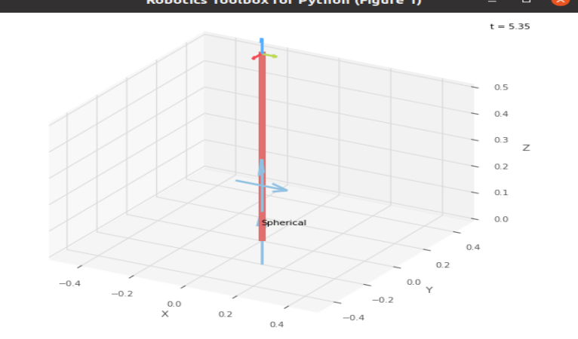
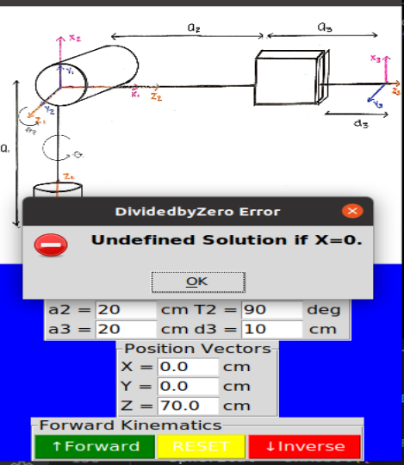
a1 | = | 20 | Forward Kinematics |  | Home |  | Inverse Kinematics
a2 | = | 20
a3 | = | 20

 |  |  |  | FK Joint Variables

 |  |  |  | 90 | 90 | 10
 |  |  |  | deg | deg | cm

 |  |  |  | Position Vector

 |  |  |  | 0 | 0 | 70
 |  |  |  | deg | deg | cm

 |  |  |  | IK Joint Variable

 |  |  |  | Undefined Solution
 |  |  |  | deg | cm | cm

