Trial 1
Forward Kinematics
Inverse Kinematics
LINK LENGTHS
a1 | 10 cm
a2 | 10 cm
a3 | 5 cm
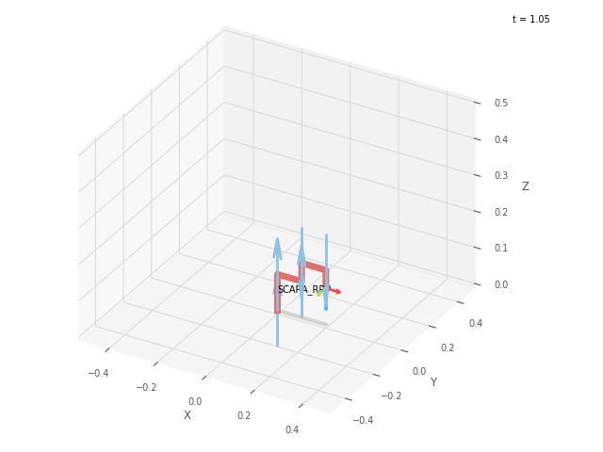
a4 | 10 cm
a5 | 5 cm

CALIBRATION JOINT
th1 | th2 | d3
0 | 0 | 0
deg | deg | cm

POSITION VECTOR THRU FORWARD KINEMATICS
x0_3 | y0_3 | z0_3
20 | 0 | 10
deg | deg | cm

JOINT VARIABLES THRU INVERSE KINEMATICS
th1 | th2 | d3
0 | 0 | -5
deg | deg | cm

POSITION VECTOR THRU INVERSE KINEMATICS
x0_3 | y0_3 | z0_3
20 | 0 | 10
deg | deg | cm

Trial 2
Forward Kinematics
Inverse Kinematics
LINK LENGTHS
a1 | 10 cm
a2 | 10 cm
a3 | 5 cm
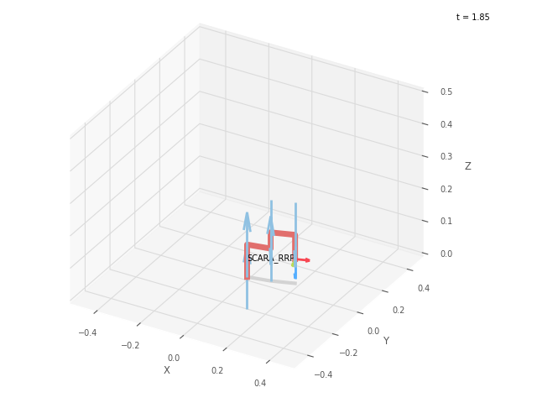

a4 | 10 cm
a5 | 5 cm

CALIBRATION JOINT
th1 | th2 | d3
11.25 | 7.5 | 2.5
deg | deg | cm

POSITION VECTOR THRU FORWARD KINEMATICS
x0_3 | y0_3 | z0_3
19.277 | 5.165 | 7.5
deg | deg | cm

JOINT VARIABLES THRU INVERSE KINEMATICS
th1 | th2 | d3
11.239 | 7.52 | -2.5
deg | deg | cm

POSITION VECTOR THRU INVERSE KINEMATICS
x0_3 | y0_3 | z0_3
19.277 | 5.165 | 7.5
deg | deg | cm

Trial 3
Forward Kinematics
Inverse Kinematics
LINK LENGTHS
a1 | 10 cm
a2 | 10 cm
a3 | 5 cm


a4 | 10 cm
a5 | 5 cm

CALIBRATION JOINT
th1 | th2 | d3
22.5 | 15 | 5
deg | deg | cm

POSITION VECTOR THRU FORWARD KINEMATICS
x0_3 | y0_3 | z0_3
17.172 | 9.914 | 5
deg | deg | cm

JOINT VARIABLES THRU INVERSE KINEMATICS
th1 | th2 | d3
22.488 | 15.022 | 0
deg | deg | cm

POSITION VECTOR THRU INVERSE KINEMATICS
x0_3 | y0_3 | z0_3
17.172 | 9.914 | 5
deg | deg | cm

Trial 4
Forward Kinematics
Inverse Kinematics
LINK LENGTHS
a1 | 10 cm
a2 | 10 cm
a3 | 5 cm
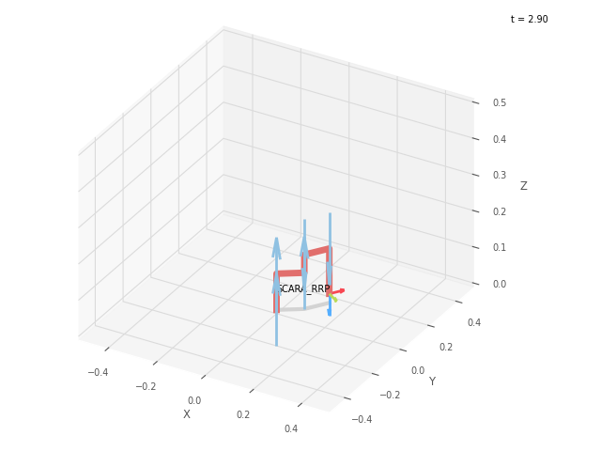

a4 | 10 cm
a5 | 5 cm

CALIBRATION JOINT
th1 | th2 | d3
33.75 | 22.5 | 7.5
deg | deg | cm

POSITION VECTOR THRU FORWARD KINEMATICS
x0_3 | y0_3 | z0_3
13.87 | 13.87 | 2.5
deg | deg | cm

JOINT VARIABLES THRU INVERSE KINEMATICS
th1 | th2 | d3
33.742 | 22.517 | 2.5
deg | deg | cm

POSITION VECTOR THRU INVERSE KINEMATICS
x0_3 | y0_3 | z0_3
13.87 | 13.87 | 2.5
deg | deg | cm

Trial 5
Forward Kinematics
Inverse Kinematics
LINK LENGTHS
a1 | 10 cm
a2 | 10 cm
a3 | 5 cm


a4 | 10 cm
a5 | 5 cm

CALIBRATION JOINT
th1 | th2 | d3
45 | 30 | 10
deg | deg | cm

POSITION VECTOR THRU FORWARD KINEMATICS
x0_3 | y0_3 | z0_3
9.659 | 16.73 | 0
deg | deg | cm

JOINT VARIABLES THRU INVERSE KINEMATICS
th1 | th2 | d3
44.996 | 30.009 | 5
deg | deg | cm

POSITION VECTOR THRU INVERSE KINEMATICS
x0_3 | y0_3 | z0_3
9.659 | 16.73 | 0
deg | deg | cm

