TRIAL 1
a1 = | 15
a2 = | 20 |  | TRIAL 1
a3 = | 15
 |  |  | TRIAL 1

 |  | FORWARD KINEMATICS |  | HOME |  | INVERSE KINEMATICS

 |  |  | FORWARD KINEMATICS JOINT VARIABLES
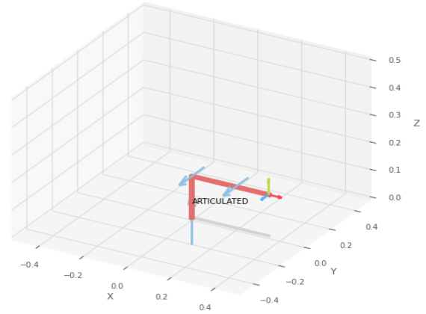
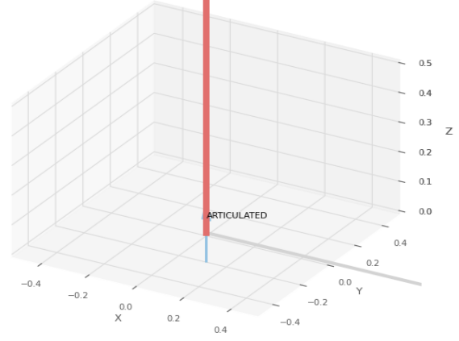
 |  |  | 0 | 0 | 0
 |  |  | cm | deg | deg

 |  |  | FORWARD KINEMATICS Position Vector

 |  |  | 35 | 0 | 15
 |  |  | cm | deg | deg

 |  |  | INVERSE KINEMATICS Joint Variables

 |  |  | 0 | 0 | 0
 |  |  | cm | deg | deg

 |  |  | INVERSE KINEMATICS POSITION VECTOR

 |  |  | 35 | 0 | 15
 |  |  | cm | deg | deg

 |  |  | IDEAL

TRIAL 2
a1 = | 15
a2 = | 20
a3 = | 15
 |  |  | TRIAL 2

 |  | FORWARD KINEMATICS |  | HOME |  | INVERSE KINEMATICS

 |  |  | FORWARD KINEMATICS JOINT VARIABLES
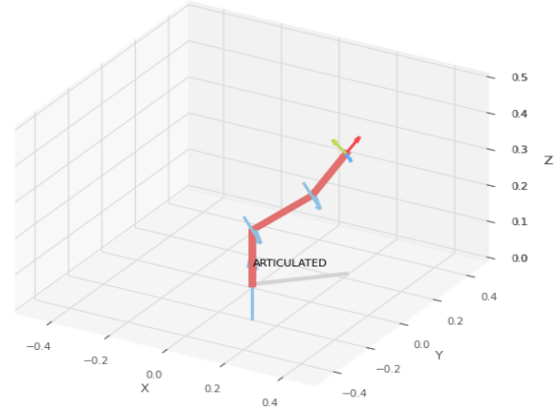
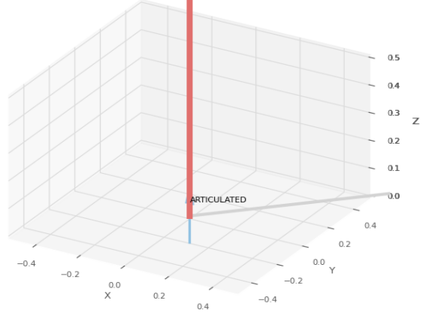
 |  |  | 45 | 22.5 | 22.5
 |  |  | cm | deg | deg

 |  |  | FORWARD KINEMATICS Position Vector

 |  |  | 20.566 | 20.566 | 33.26
 |  |  | cm | deg | deg

 |  |  | INVERSE KINEMATICS Joint Variables

 |  |  | 45 | 41.742 | -22.49
 |  |  | cm | deg | deg

 |  |  | INVERSE KINEMATICS POSITION VECTOR

 |  |  | 20.566 | 20.566 | 33.26
 |  |  | cm | deg | deg

 |  |  | IDEAL

TRIAL 3
a1 = | 15
a2 = | 20
a3 = | 15
 |  |  | TRIAL 3

 |  | FORWARD KINEMATICS |  | HOME |  | INVERSE KINEMATICS

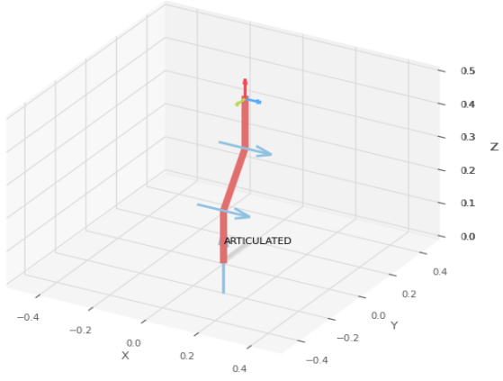
 |  |  | FORWARD KINEMATICS JOINT VARIABLES

 |  |  | 90 | 45 | 45
 |  |  | cm | deg | deg

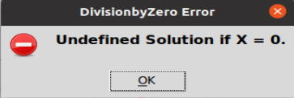
 |  |  | FORWARD KINEMATICS Position Vector

 |  |  | 0 | 14.142 | 44.142
 |  |  | cm | deg | deg

 |  |  | INVERSE KINEMATICS Joint Variables

 |  |  | undefined | undefined | undefined
 |  |  | cm | deg | deg

 |  |  | INVERSE KINEMATICS POSITION VECTOR

 |  |  | undefined | undefined | undefined
 |  |  | cm | deg | deg

TRIAL 4
a1 = | 15
a2 = | 20
a3 = | 15
 |  |  | TRIAL 4

 |  | FORWARD KINEMATICS |  | HOME |  | INVERSE KINEMATICS

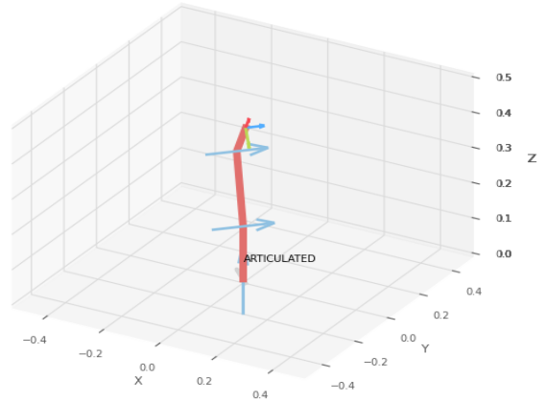
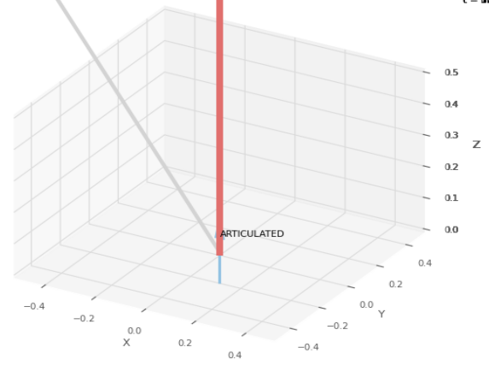
 |  |  | FORWARD KINEMATICS JOINT VARIABLES

 |  |  | 135 | 67.5 | 67.5
 |  |  | cm | deg | deg

 |  |  | FORWARD KINEMATICS Position Vector

 |  |  | 2.088 | -2.088 | 44.084
 |  |  | cm | deg | deg

 |  |  | INVERSE KINEMATICS Joint Variables

 |  |  | -45 | 112.5 | -67.5
 |  |  | cm | deg | deg

 |  |  | INVERSE KINEMATICS POSITION VECTOR

 |  |  | 2.088 | -2.088 | 44.084
 |  |  | cm | deg | deg

 |  |  | IDEAL

TRIAL 5
a1 = | 15
a2 = | 20
a3 = | 15
 |  |  | TRIAL 5

 |  | FORWARD KINEMATICS |  | HOME |  | INVERSE KINEMATICS

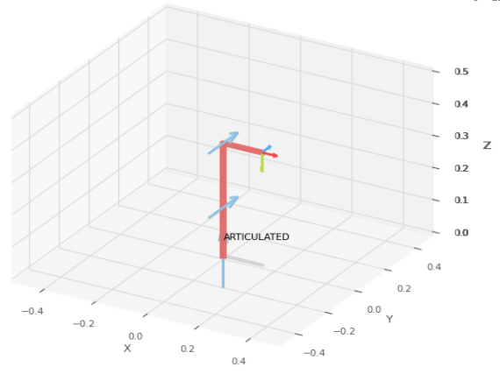
 |  |  | FORWARD KINEMATICS JOINT VARIABLES
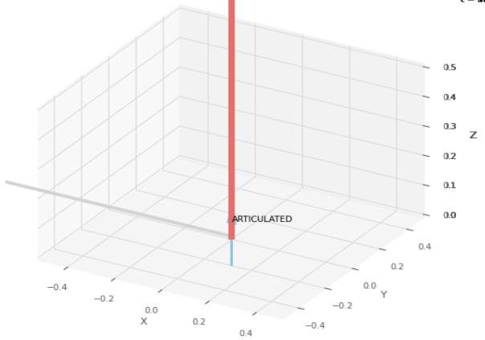
 |  |  | 180 | 90 | 90
 |  |  | cm | deg | deg

 |  |  | FORWARD KINEMATICS Position Vector

 |  |  | 15 | 0 | 35
 |  |  | cm | deg | deg

 |  |  | INVERSE KINEMATICS Joint Variables

 |  |  | 0 | 90 | -90
 |  |  | cm | deg | deg

 |  |  | INVERSE KINEMATICS POSITION VECTOR

 |  |  | 15 | 0 | 35
 |  |  | cm | deg | deg

 |  |  | IDEAL

