Trial 1
 | Forward Kinematics |  |  |  | Inverse Kinematics
 |  |  | Home
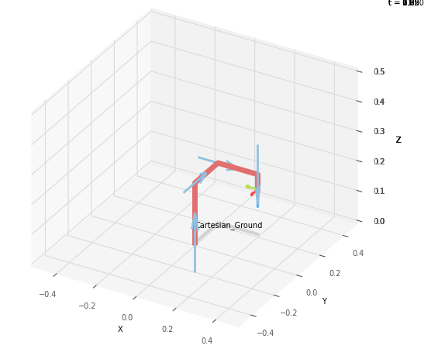

 |  | FK Joint Variables

 |  | 0 | 0 | 0
 |  | cm | deg | deg

 |  | Position Vector

 |  | 20 | 20 | 15
 |  | cm | deg | deg

 |  | IK Joint Variables

 |  | 0 | 0 | 0
 |  | cm | deg | deg

a1 | 20
a2 | 20
a3 | 20
a4 | 5

Trial 2
 | Forward Kinematics |  | Home |  | Inverse Kinematics

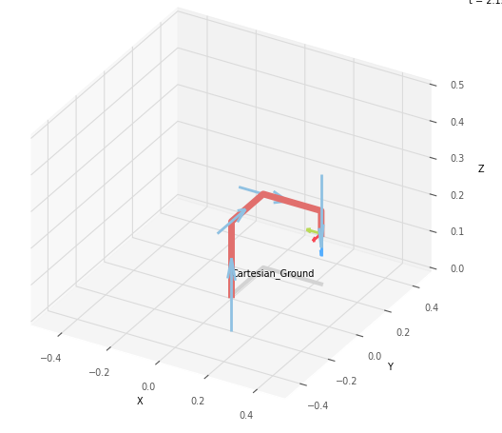
 |  | FK Joint Variables

 |  | 2.5 | 3.75 | 1.25
 |  | cm | deg | deg

 |  | Position Vector

 |  | 23.75 | 22.5 | 13.75
 |  | cm | deg | deg

 |  | IK Joint Variables

 |  | 2.5 | 3.75 | 1.25
 |  | cm | deg | deg

a1 | 20
a2 | 20
a3 | 20
a4 | 5

Trial 3
 | Forward Kinematics |  | Home |  | Inverse Kinematics

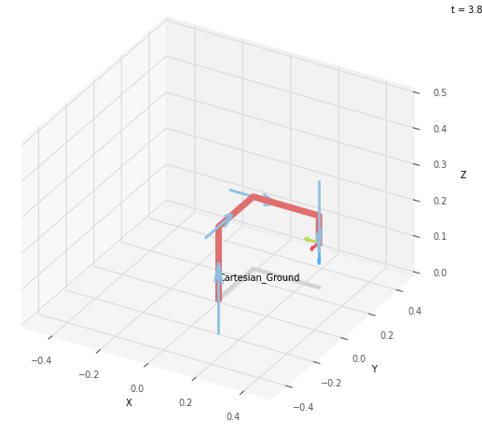

 |  | FK Joint Variables

 |  | 5 | 7.5 | 2.5
 |  | cm | deg | deg

 |  | Position Vector

 |  | 27.5 | 25 | 12.5
 |  | cm | deg | deg

 |  | IK Joint Variables

 |  | 5 | 7.5 | 2.5
 |  | cm | deg | deg

a1 | 20
a2 | 20
a3 | 20
a4 | 5

Trial 4
Forward Kinematics |  |  |  |  | Inverse Kinematics
 |  |  | Home

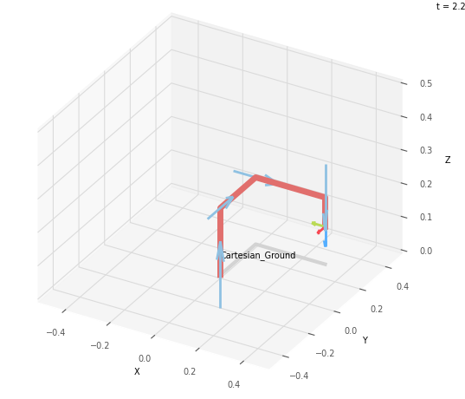
 |  | FK Joint Variables

 |  | 7.5 | 11.25 | 3.75
 |  | cm | deg | deg

 |  | Position Vector

 |  | 31.25 | 27.5 | 11.25
 |  | cm | deg | deg

 |  | IK Joint Variables

 |  | 7.5 | 11.25 | 3.75
 |  | cm | deg | deg

a1 | 20
a2 | 20
a3 | 20
a4 | 5

Trial 5
 | Forward Kinematics |  |  |  | Inverse Kinematics
 |  |  | Home
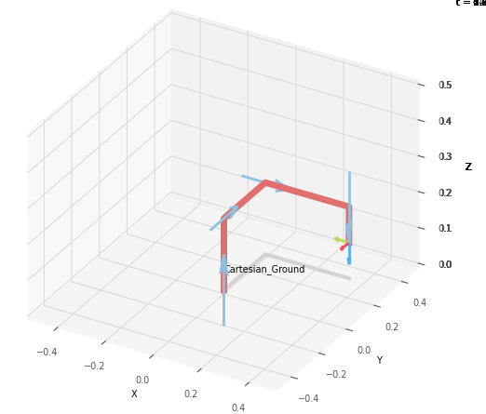

 |  | FK Joint Variables

 |  | 10 | 15 | 5
 |  | cm | deg | deg

 |  | Position Vector

 |  | 35 | 30 | 10
 |  | cm | deg | deg

 |  | IK Joint Variables

 |  | 10 | 15 | 5
 |  | cm | deg | deg

a1 | 20
a2 | 20
a3 | 20
a4 | 5

