Trial 1
Forward Kinematics | Home |  |  | Inverse Kinematics

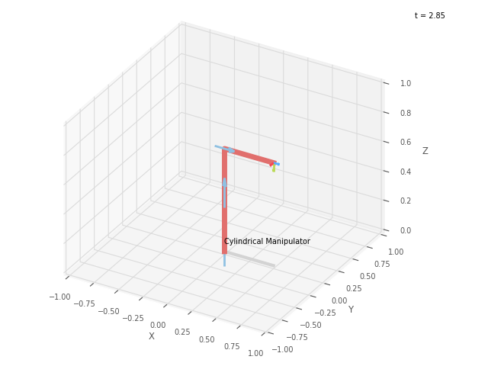

 |  | ✔️

 | FK Joint Variables

 | 0 | 0 | 0
 | deg | cm | cm

 | Position Vector

 | 50 | 0 | 70
 | cm | cm | cm

 | IK Joint Variables

 | 0 | 0 | 0
 | deg | cm | cm

Trial 2
Forward Kinematics | Home |  |  | Inverse Kinematics

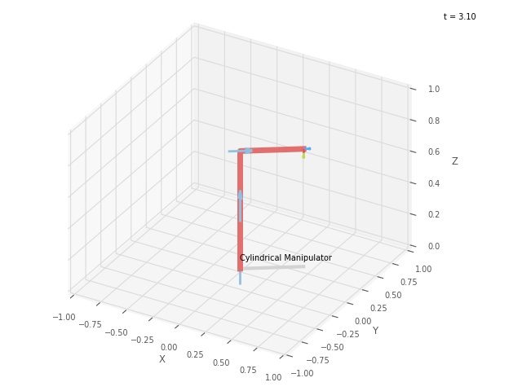

 |  | ✔️

 | FK Joint Variables

 | 33.75 | 5 | 2.5
 | deg | cm | cm

 | Position Vector

 | 43.652 | 29.167 | 75
 | cm | cm | cm

 | IK Joint Variables

 | 33.75 | 5 | 2.5
 | deg | cm | cm

Trial 3
Forward Kinematics | Home |  |  | Inverse Kinematics

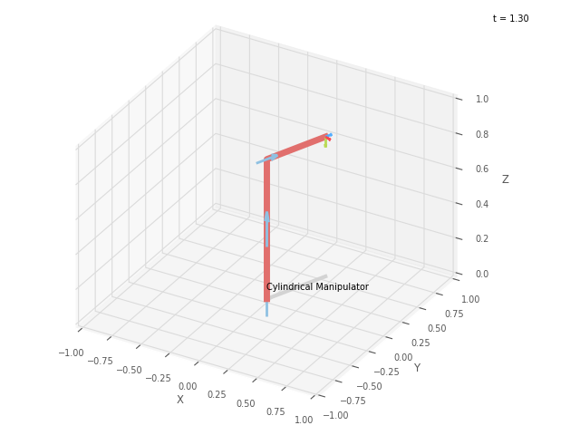

 |  | ✔️

 | FK Joint Variables

 | 67.5 | 10 | 5
 | deg | cm | cm

 | Position Vector

 | 21.048 | 50.813 | 80
 | cm | cm | cm

 | IK Joint Variables

 | 67.499 | 10 | 5
 | deg | cm | cm

Trial 4
Forward Kinematics | Home |  |  | Inverse Kinematics

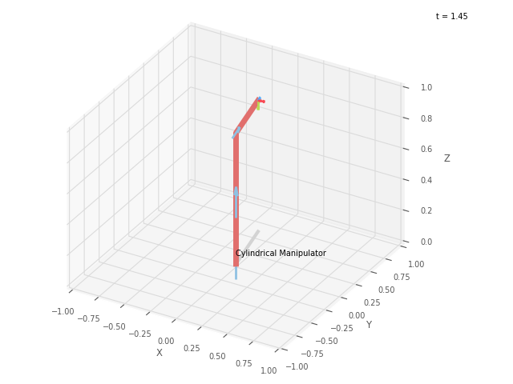
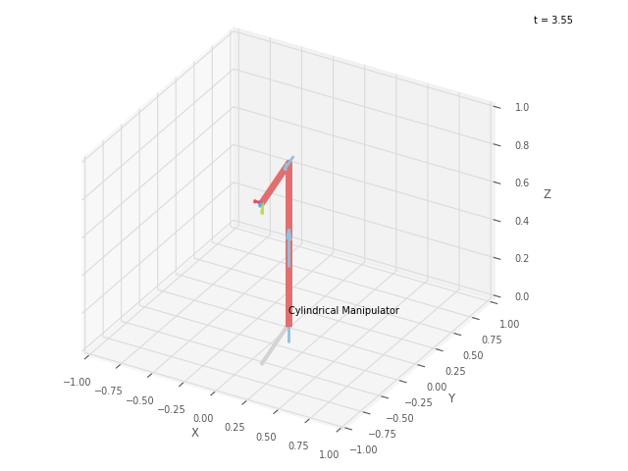
 |  | ❌

 | FK Joint Variables

 | 101.25 | 15 | 7.5
 | deg | cm | cm

 | Position Vector

 | -11.218 | 56.395 | 85
 | cm | cm | cm

 | IK Joint Variables

 | -78.75 | 15 | 7.5
 | deg | cm | cm

Trial 5
Forward Kinematics | Home |  |  | Inverse Kinematics

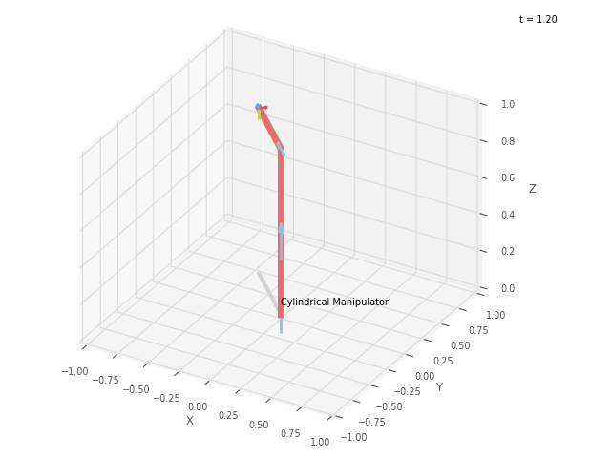
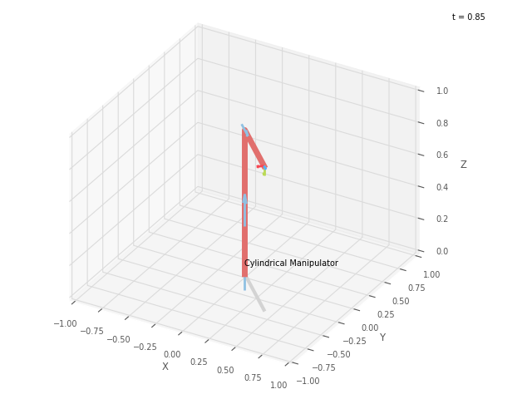
 |  | ❌

 | FK Joint Variables

 | 135 | 20 | 10
 | deg | cm | cm

 | Position Vector

 | -42.426 | 42.426 | 90
 | cm | cm | cm

 | IK Joint Variables

 | -45 | 20 | 9.999
 | deg | cm | cm

