Trial 1
a1 | = | 30
a2 | = | 20 | Forward Kinematics |  | Home |  | Inverse Kinematics
a3 | = | 15
a4 | = | 15
a5 | = | 10
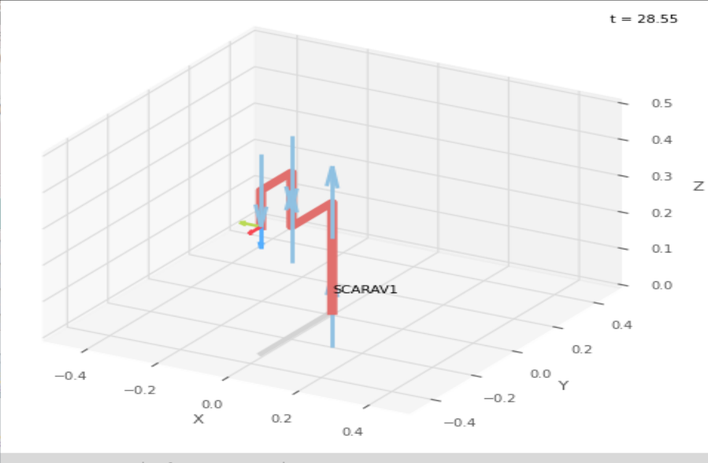
 |  |  |  | FK Joint Variables

 |  |  |  | -90 | 0 | 0
 |  |  |  | deg | deg | cm

 |  |  |  | Position Vector

 |  |  |  | 0 | -35 | 35
 |  |  |  | cm | cm | cm

 |  |  |  | IK Joint Variables

 |  |  |  | -90 | 0 | 0
 |  |  |  | deg | deg | cm

Trial 2
a1 | = | 30
a2 | = | 20 | Forward Kinematics |  | Home |  | Inverse Kinematics
a3 | = | 15
a4 | = | 15
a5 | = | 10
 |  |  |  | FK Joint Variables
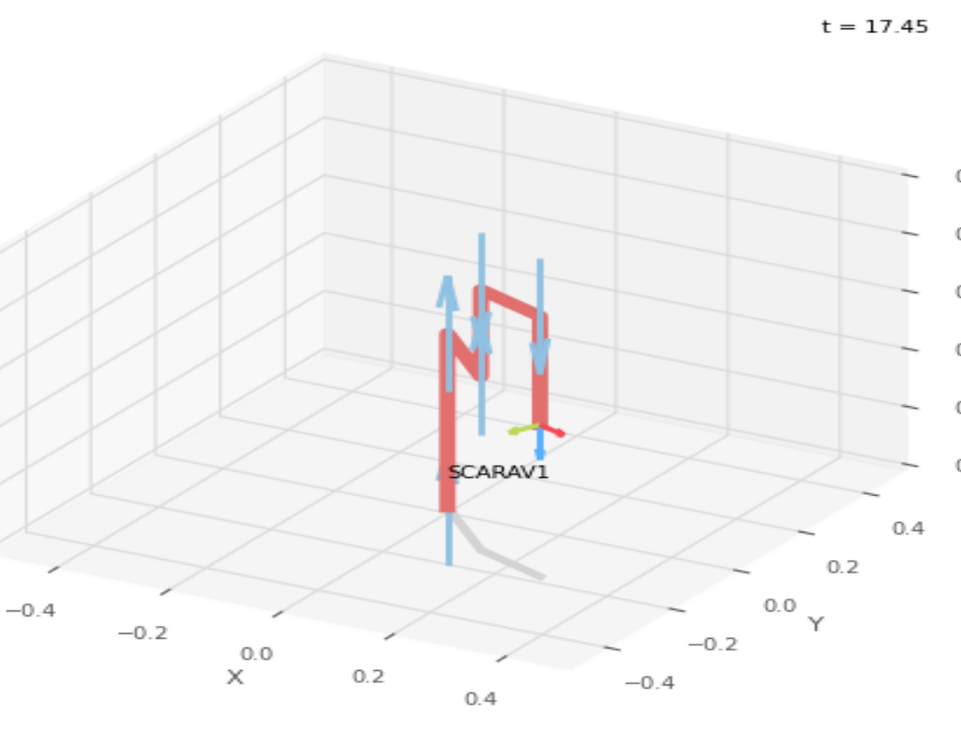
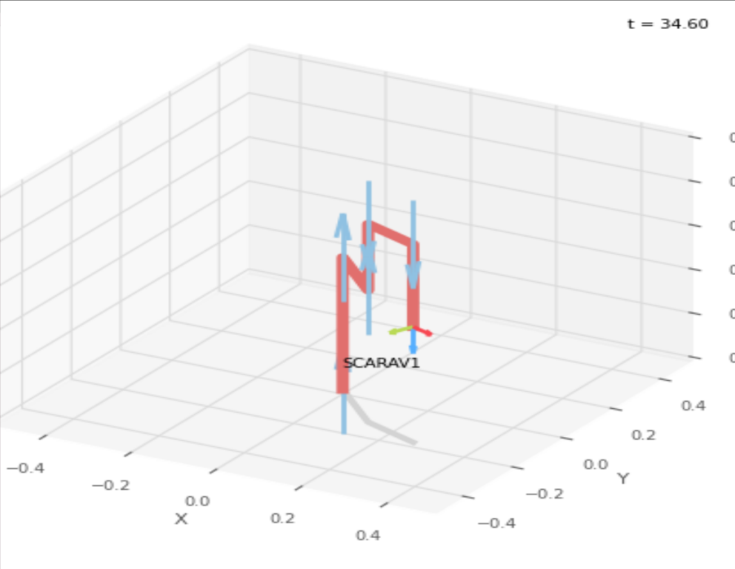
 |  |  |  | -45 | 22.5 | 8.75
 |  |  |  | deg | deg | cm

 |  |  |  | Position Vector

 |  |  |  | 28 | -19.882 | 26.25
 |  |  |  | cm | cm | cm

 |  |  |  | IK Joint Variables

 |  |  |  | -45.003 | 22.508 | 8.75
 |  |  |  | deg | deg | cm

Trial 3
a1 | = | 30
a2 | = | 20 | Forward Kinematics |  | Home |  | Inverse Kinematics
a3 | = | 15
a4 | = | 15
a5 | = | 10
 |  |  |  | FK Joint Variables
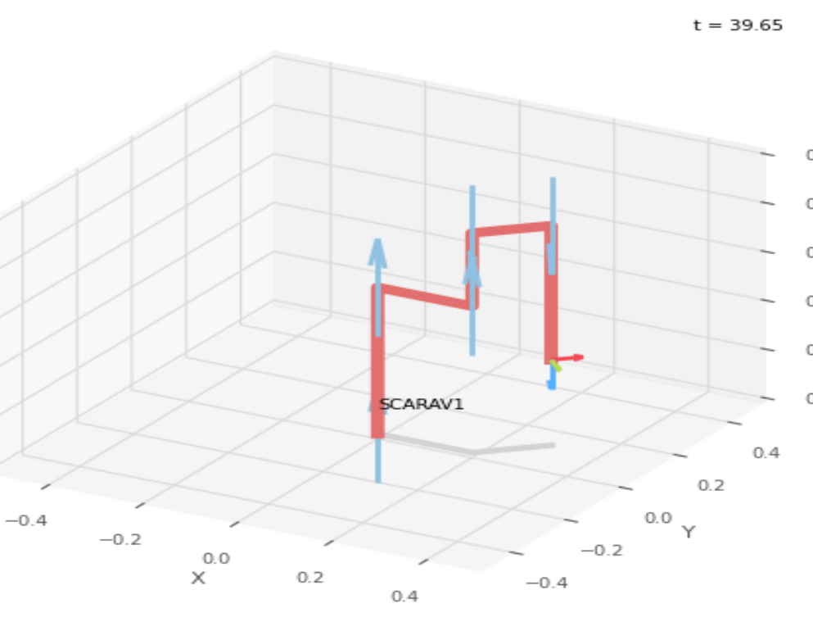
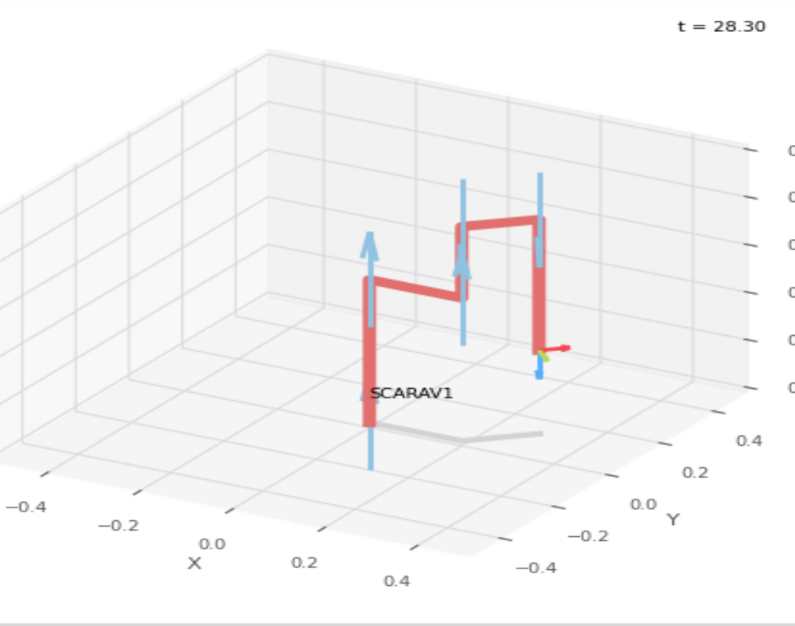
 |  |  |  | 0 | 45 | 17.5
 |  |  |  | deg | deg | cm

 |  |  |  | Position Vector

 |  |  |  | 30.607 | 10.607 | 17.5
 |  |  |  | cm | cm | cm

 |  |  |  | IK Joint Variables

 |  |  |  | 0.002 | 44.996 | 17.5
 |  |  |  | deg | deg | cm

Trial 4
a1 | = | 30
a2 | = | 20 | Forward Kinematics |  | Home |  | Inverse Kinematics
a3 | = | 15
a4 | = | 15
a5 | = | 10
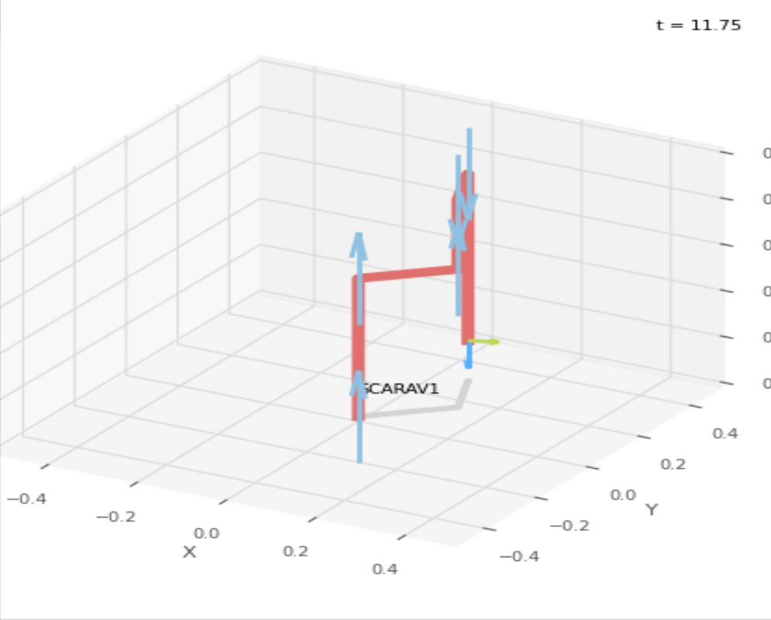
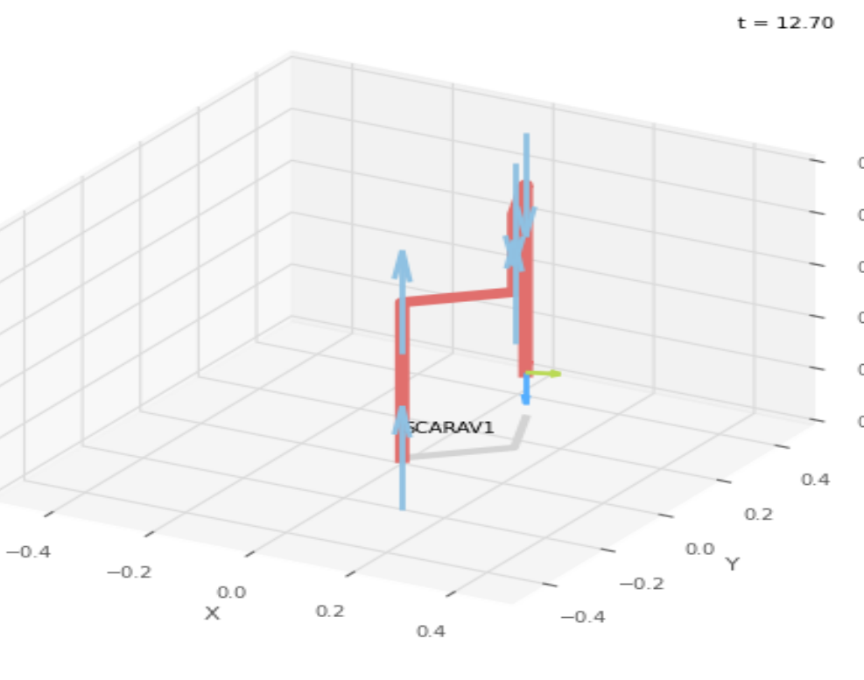
 |  |  |  | FK Joint Variables

 |  |  |  | 45 | 67.5 | 26.25
 |  |  |  | deg | deg | cm

 |  |  |  | Position Vector

 |  |  |  | 8.402 | 28 | 8.75
 |  |  |  | cm | cm | cm

 |  |  |  | IK Joint Variables

 |  |  |  | 44.999 | 67.502 | 26.25
 |  |  |  | deg | deg | cm

Trial 5
a1 | = | 30
a2 | = | 20 | Forward Kinematics |  | Home |  | Inverse Kinematics
a3 | = | 15
a4 | = | 15
a5 | = | 10
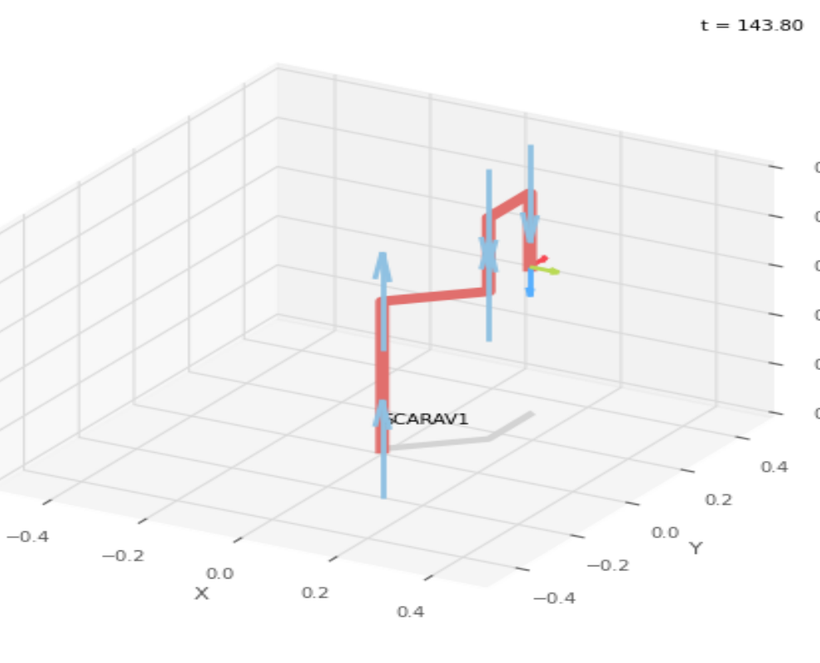
 |  |  |  | FK Joint Variables
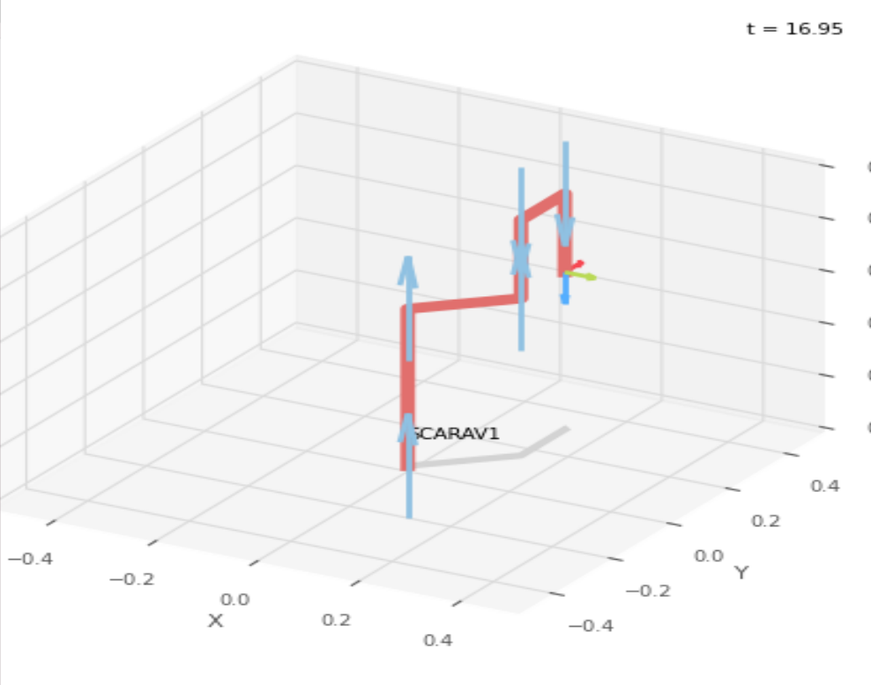
 |  |  |  | 45 | 45 | 5
 |  |  |  | deg | deg | cm

 |  |  |  | Position Vector

 |  |  |  | 14.142 | 29.142 | 30
 |  |  |  | cm | cm | cm

 |  |  |  | IK Joint Variables

 |  |  |  | 44.999 | 45.002 | 5
 |  |  |  | deg | deg | cm

