Trial 1
a1 | 20
a2 | 30 |  | HOME
a3 | 10
 |  | FK Joint Variables
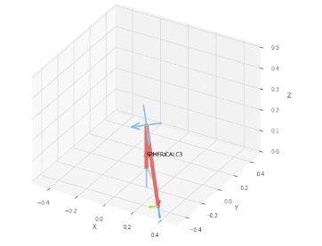
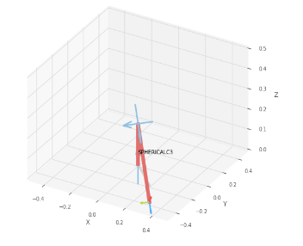
 |  | -45 | -45 | 0
 |  | deg | deg | cm

 |  | Position Vector

 |  | 20 | -20 | -8.284
 |  | deg | deg | cm

 |  | IK Joint Variables

 |  | -45 | -45 | 0
 |  | deg | deg | cm
 | FORWARD KINEMATICS |  |  |  | INVERSE KINEMATICS

Trial 2
a1 | 20
a2 | 30 |  | HOME
a3 | 10
 |  | FK Joint Variables
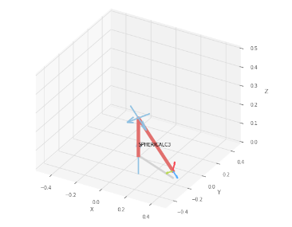
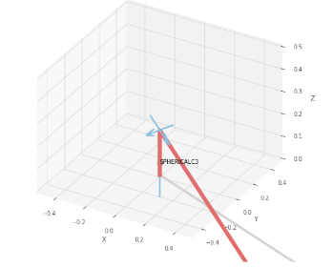
 |  | -22.5 | -22.5 | 2.5
 |  | deg | deg | cm

 |  | Position Vector

 |  | 36.276 | -15.026 | 3.736
 |  | deg | deg | cm

 |  | IK Joint Variables

 |  | -22.5 | -22.5 | 2.5
 |  | deg | deg | cm
 | FORWARD KINEMATICS |  |  |  | INVERSE KINEMATICS

Trial 3
a1 | 20
a2 | 30 |  | HOME
a3 | 10
 |  | FK Joint Variables
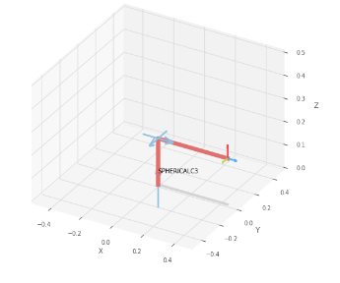
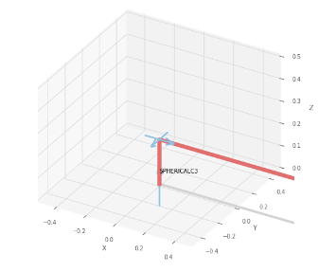
 |  | 0 | 0 | 5
 |  | deg | deg | cm

 |  | Position Vector

 |  | 45 | 0 | 20
 |  | deg | deg | cm

 |  | IK Joint Variables

 |  | 0 | 0 | 5
 |  | deg | deg | cm
 | FORWARD KINEMATICS |  |  |  | INVERSE KINEMATICS

Trial 4
a1 | 20
a2 | 30 |  | HOME
a3 | 10
 |  | FK Joint Variables
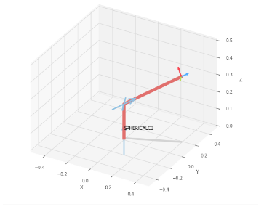
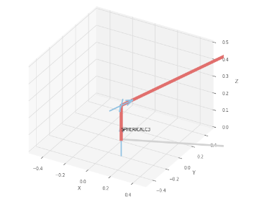
 |  | 22.5 | 22.5 | 7.5
 |  | deg | deg | cm

 |  | Position Vector

 |  | 40.544 | 16.794 | 38.177
 |  | deg | deg | cm

 |  | IK Joint Variables

 |  | 22.5 | 22.499 | 7.5
 |  | deg | deg | cm
 | FORWARD KINEMATICS |  |  |  | INVERSE KINEMATICS

Trial 5
a1 | 20
a2 | 30 |  | HOME
a3 | 10
 |  | FK Joint Variables
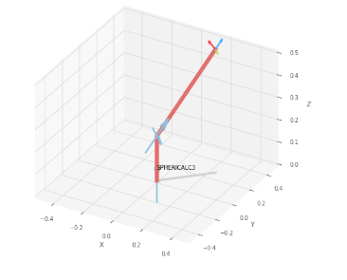
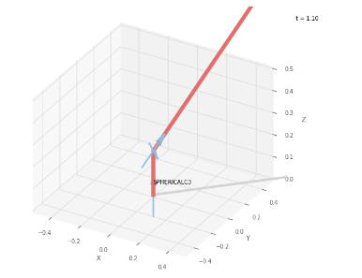
 |  | 45 | 45 | 10
 |  | deg | deg | cm

 |  | Position Vector

 |  | 25 | 25 | 55.355
 |  | deg | deg | cm

 |  | IK Joint Variables

 |  | 45 | 45 | 10
 |  | deg | deg | cm
 | FORWARD KINEMATICS |  |  |  | INVERSE KINEMATICS

