Trial 1
Link Lengths Calibration Values:
a1 | = | 10
a2 | = | 10
a3 | = | 5

FORWARD KINEMATICS |  |  |  | Home |  | INVERSE KINEMATICS

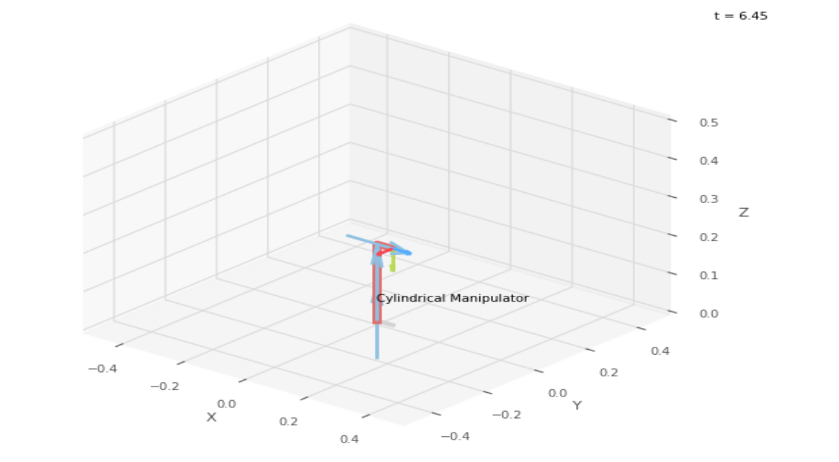
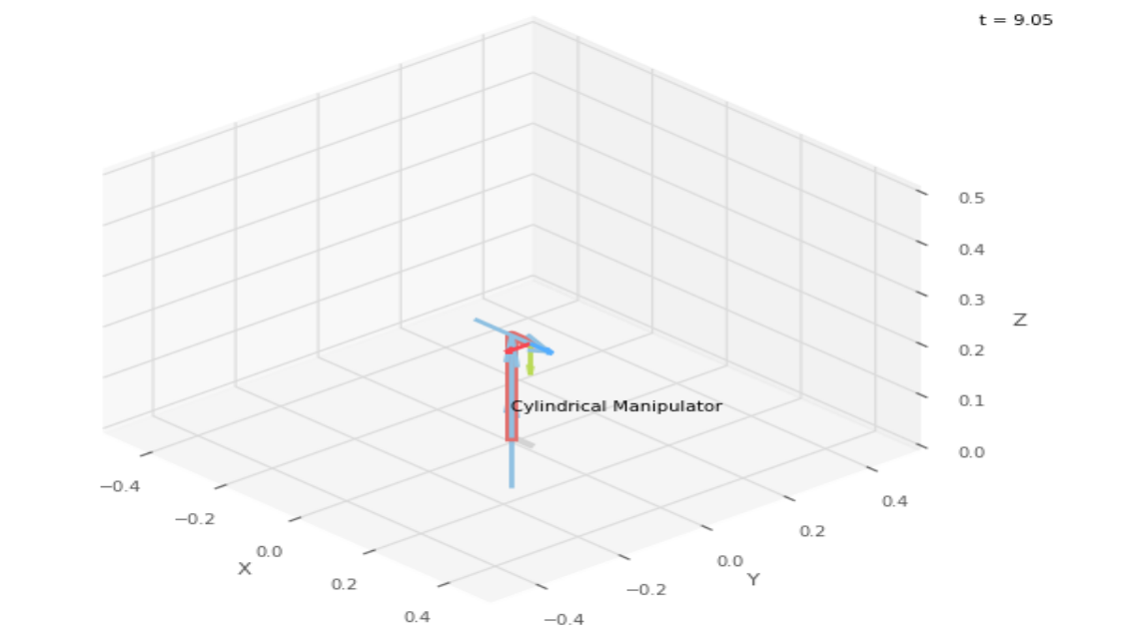
 |  |  | FK Joint Variables

 |  |  | 0 | 0 | 0
 |  |  | deg | cm | cm

 |  |  | Position Vector

 |  |  | 5 | 0 | 20
 |  |  | deg | cm | cm

 |  |  | IK Joint Variables

 |  |  | 0 | 0 | 0
 |  |  | deg | cm | cm

Trial 2
Link Lengths Calibration Values:
a1 | = | 10
a2 | = | 10
a3 | = | 5

FORWARD KINEMATICS |  |  |  | Home |  | INVERSE KINEMATICS

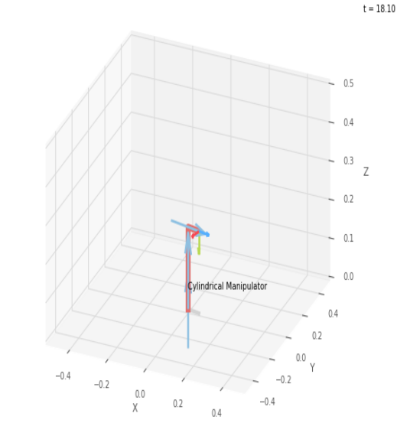
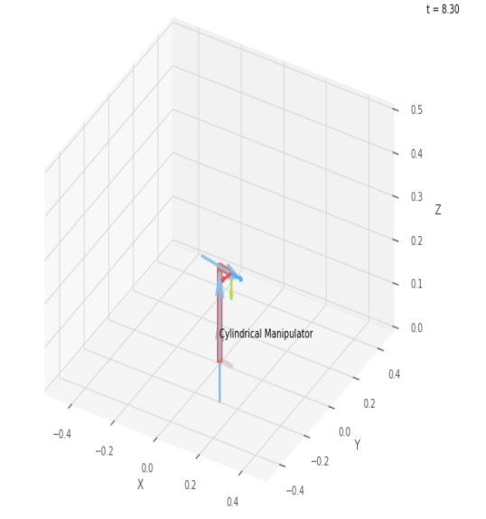
 |  |  | FK Joint Variables

 |  |  | -11.25 | 1.25 | 1.25
 |  |  | deg | cm | cm

 |  |  | Position Vector

 |  |  | 6.13 | -1.219 | 21.25
 |  |  | deg | cm | cm

 |  |  | IK Joint Variables

 |  |  | -11.24 | 1.25 | 1.25
 |  |  | deg | cm | cm

Trial 3
Link Lengths Calibration Values:
a1 | = | 10
a2 | = | 10
a3 | = | 5

FORWARD KINEMATICS |  |  |  | Home |  | INVERSE KINEMATICS

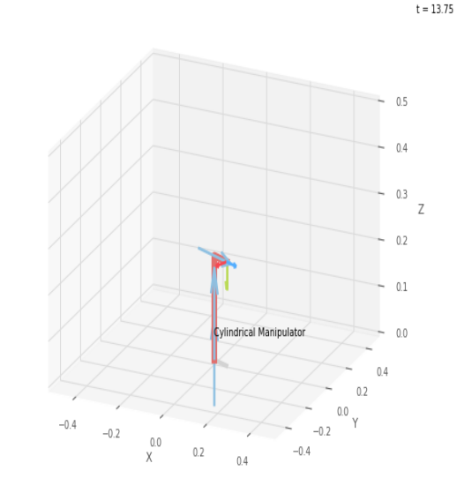
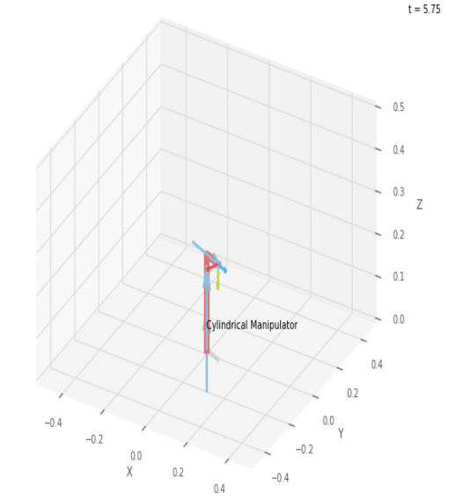
 |  |  | FK Joint Variables

 |  |  | -22.5 | 2.5 | 2.5
 |  |  | deg | cm | cm

 |  |  | Position Vector

 |  |  | 6.929 | -2.87 | 22.5
 |  |  | deg | cm | cm

 |  |  | IK Joint Variables

 |  |  | -22.49 | 2.5 | 2.5
 |  |  | deg | cm | cm

Trial 4
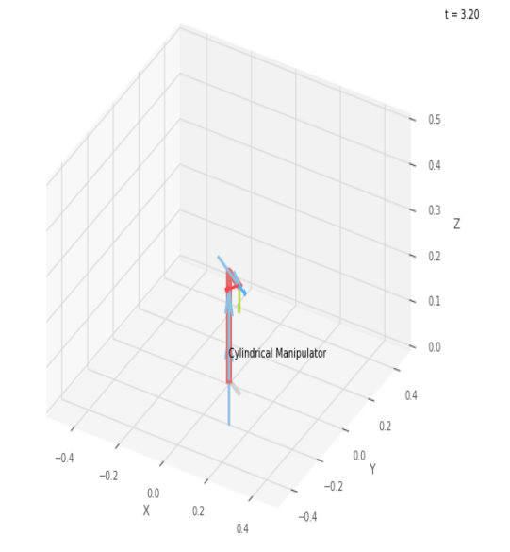
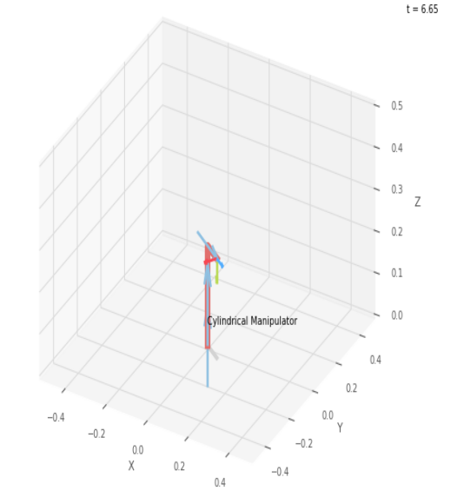

Link Lengths Calibration Values:
a1 | = | 10
a2 | = | 10
a3 | = | 5

FORWARD KINEMATICS |  |  |  | Home |  | INVERSE KINEMATICS

 |  |  | FK Joint Variables

 |  |  | -33.75 | 3.75 | 3.75
 |  |  | deg | cm | cm

 |  |  | Position Vector

 |  |  | 7.275 | -4.861 | 23.75
 |  |  | deg | cm | cm

 |  |  | IK Joint Variables

 |  |  | -33.75 | 3.75 | 3.75
 |  |  | deg | cm | cm

Trial 5
Link Lengths Calibration Values:
a1 | = | 10
a2 | = | 10
a3 | = | 5

FORWARD KINEMATICS |  |  |  | Home |  | INVERSE KINEMATICS

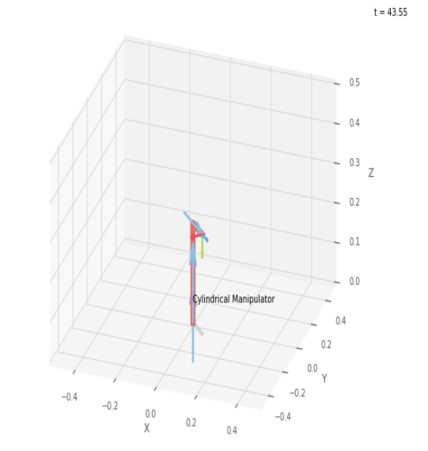
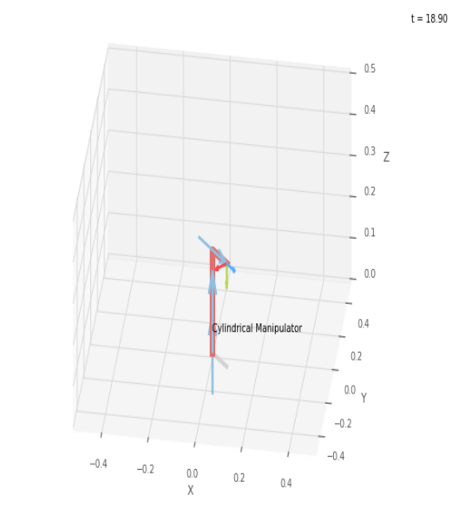
 |  |  | FK Joint Variables

 |  |  | -45 | 5 | 5
 |  |  | deg | cm | cm

 |  |  | Position Vector

 |  |  | 7.071 | -7.071 | 25
 |  |  | deg | cm | cm

 |  |  | IK Joint Variables

 |  |  | -45 | 5 | 5
 |  |  | deg | cm | cm

