Trial 1
a1 = | 20
a2 = | 10
a3 = | 15
 |  | Forward Kinematics |  | Home |  | Inverse Kinematics

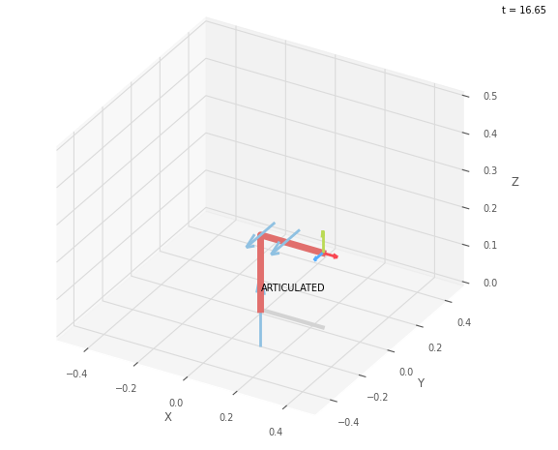
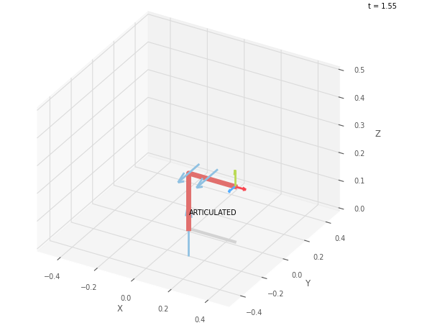
 |  |  | FK Joint Variables

 |  |  | 0 | 0 | 0
 |  |  | deg | deg | deg

 |  |  | Position Vectors

 |  |  | 25 | 0 | 20
 |  |  | cm | cm | cm

 |  |  | IK Joint Variables

 |  |  | 0 | 0 | 0
 |  |  | deg | deg | deg

Trial 2
a1 = | 20
a2 = | 10
a3 = | 15
 |  | Forward Kinematics |  | Home |  | Inverse Kinematics

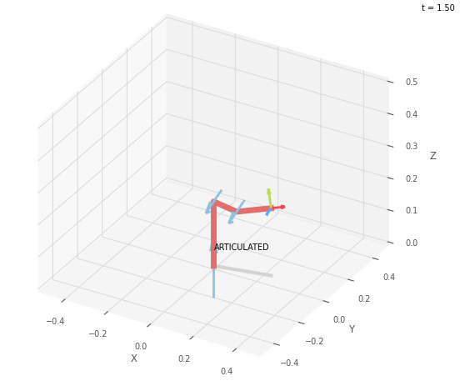
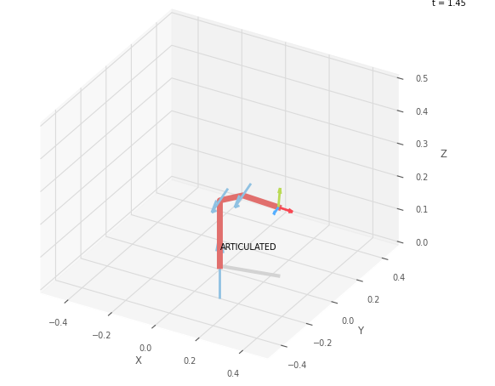
 |  |  | FK Joint Variables

 |  |  | 11.25 | -11.25 | 22.5
 |  |  | deg | deg | deg

 |  |  | Position Vectors

 |  |  | 24.048 | 4.784 | 20.975
 |  |  | cm | cm | cm

 |  |  | IK Joint Variables

 |  |  | 11.251 | 15.811 | -22.51
 |  |  | deg | deg | deg

Trial 3
a1 = | 20
a2 = | 10
a3 = | 15
 |  | Forward Kinematics |  | Home |  | Inverse Kinematics

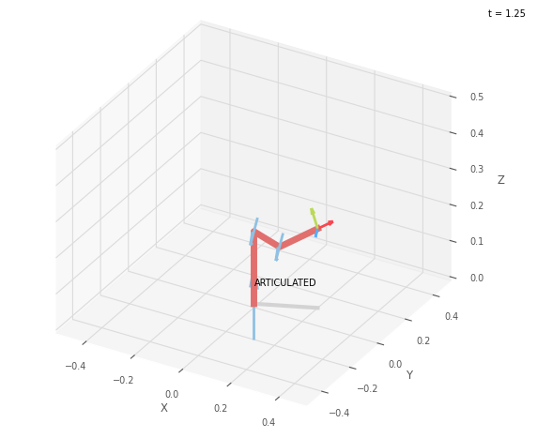
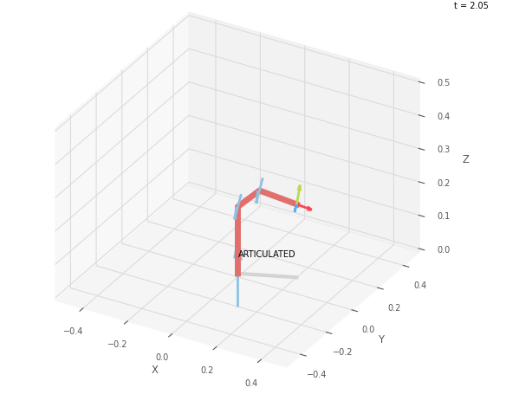
 |  |  | FK Joint Variables

 |  |  | 22.5 | -22.5 | 45
 |  |  | deg | deg | deg

 |  |  | Position Vectors

 |  |  | 21.339 | 8.839 | 21.913
 |  |  | cm | cm | cm

 |  |  | IK Joint Variables

 |  |  | 22.5 | 31.969 | -44.998
 |  |  | deg | deg | deg

Trial 4
a1 = | 20
a2 = | 10
a3 = | 15
 |  | Forward Kinematics |  | Home |  | Inverse Kinematics
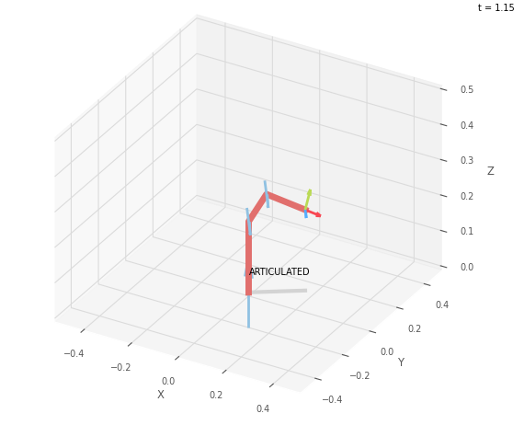
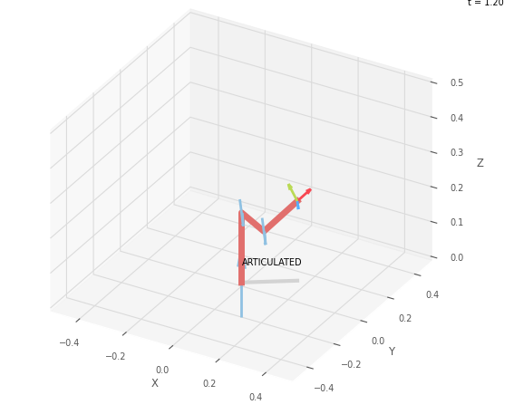
 |  |  | FK Joint Variables

 |  |  | 33.75 | -33.75 | 67.5
 |  |  | deg | deg | deg

 |  |  | Position Vectors

 |  |  | 17.284 | 11.548 | 22.778
 |  |  | cm | cm | cm

 |  |  | IK Joint Variables

 |  |  | 33.748 | 48.973 | -67.499
 |  |  | deg | deg | deg

Trial 5
a1 = | 20
a2 = | 10
a3 = | 15
 |  | Forward Kinematics |  | Home |  | Inverse Kinematics

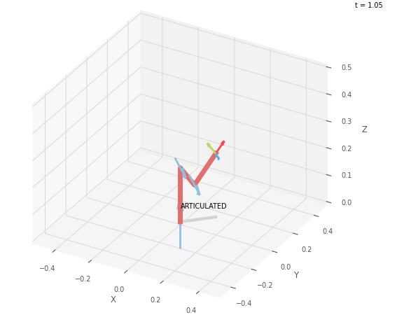
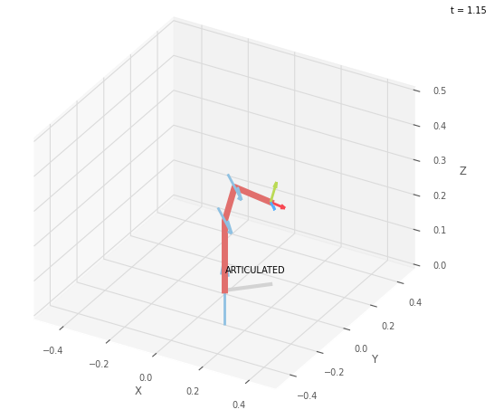
 |  |  | FK Joint Variables

 |  |  | 45 | -45 | 90
 |  |  | deg | deg | deg

 |  |  | Position Vectors

 |  |  | 12.5 | 12.5 | 23.536
 |  |  | cm | cm | cm

 |  |  | IK Joint Variables

 |  |  | 45 | 67.621 | -89.999
 |  |  | deg | deg | deg

