Trial 1
a1 | 20
a2 | 30
a3 | 15 | Forward Kinematics |  | Home |  | Inverse Kinematics
a4 | 10

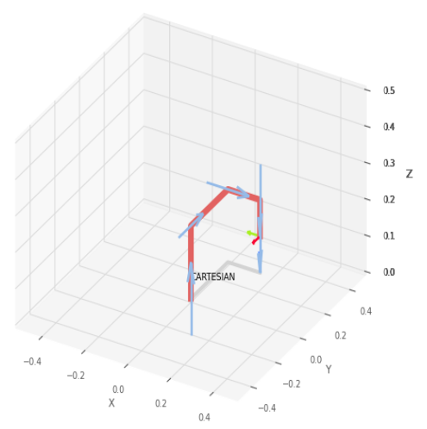

 |  |  | FK Joint Variables

 |  |  | 0 | 0 | 0
 |  |  | deg | deg

 |  |  | Position Vector

 |  |  | 15 | 30 | 10
 |  |  | deg | deg | cm

 |  |  | IK Joint Variables

 |  |  | 0 | 0 | 0
 |  |  | deg | deg | cm

Trial 2
a1 | 20
a2 | 30
a3 | 15 | Forward Kinematics |  | Home |  | Inverse Kinematics
a4 | 10

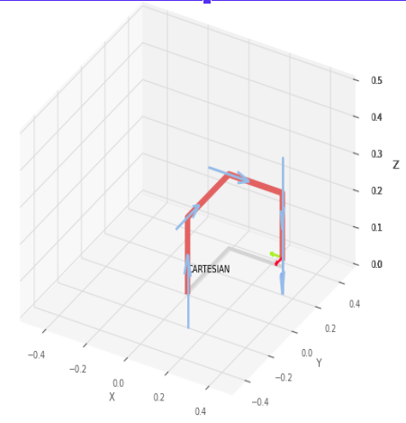

 |  |  | FK Joint Variables

 |  |  | 5 | 11.25 | 7.5
 |  |  | deg | deg | cm

 |  |  | Position Vector

 |  |  | 26.25 | 35 | 2.5
 |  |  | deg | deg | cm

 |  |  | IK Joint Variables

 |  |  | 5 | 11.25 | 7.5
 |  |  | deg | deg | cm

Trial 3
a1 | 20
a2 | 30
a3 | 15 | Forward Kinematics |  | Home |  | Inverse Kinematics
a4 | 10

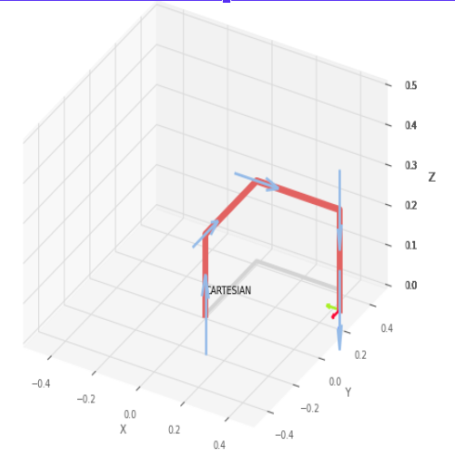

 |  |  | FK Joint Variables

 |  |  | 10 | 22.5 | 15
 |  |  | deg | deg | cm

 |  |  | Position Vector

 |  |  | 37.5 | 40 | -5
 |  |  | deg | deg | cm

 |  |  | IK Joint Variables

 |  |  | 10 | 22.5 | 15
 |  |  | deg | deg | cm

Trial 4
a1 | 20
a2 | 30
a3 | 15 | Forward Kinematics |  | Home |  | Inverse Kinematics
a4 | 10

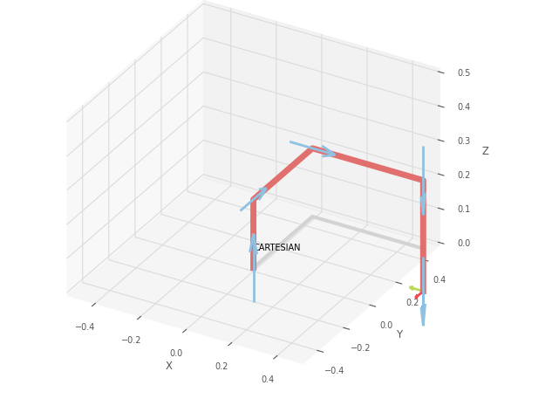

 |  |  | FK Joint Variables

 |  |  | 15 | 33.75 | 22.5
 |  |  | deg | deg | cm

 |  |  | Position Vector

 |  |  | 48.75 | 45 | -12.5
 |  |  | deg | deg | cm

 |  |  | IK Joint Variables

 |  |  | 15 | 33.75 | 22.5
 |  |  | deg | deg | cm

Trial 5
a1 | 20
a2 | 30
a3 | 15 | Forward Kinematics |  | Home |  | Inverse Kinematics
a4 | 10

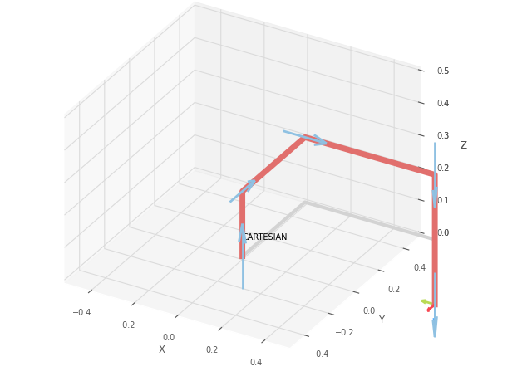

 |  |  | FK Joint Variables

 |  |  | 20 | 45 | 30
 |  |  | deg | deg | cm

 |  |  | Position Vector

 |  |  | 60 | 50 | -20
 |  |  | deg | deg | cm

 |  |  | IK Joint Variables

 |  |  | 20 | 45 | 30
 |  |  | deg | deg | cm

