Trial 1
a1 = | 15
a2 = | 20 | Forward Kinematics |  | Home |  | Inverse Kinematics
a3 = | 15
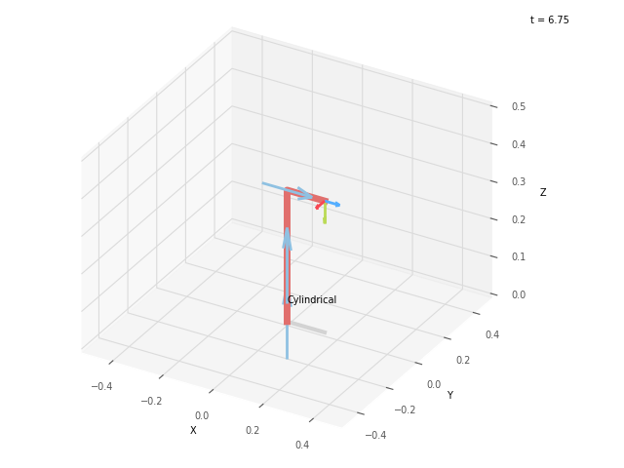


 |  |  | FK Joint Variables

 |  |  | 0 | 0 | 0
 |  |  | cm | deg | deg

 |  |  | Position Vector

 |  |  | 15 | 0 | 35
 |  |  | cm | deg | deg

 |  |  | IK Joint Variables

 |  |  | 0 | 0 | 0
 |  |  | cm | deg | deg

Trial 2
a1 = | 15
a2 = | 20 | Forward Kinematics |  | Home |  | Inverse Kinematics
a3 = | 15
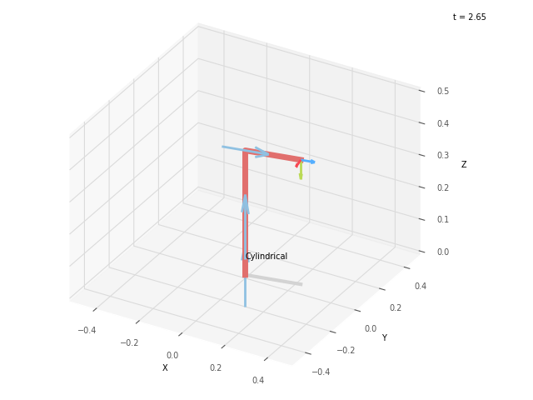


 |  |  | FK Joint Variables

 |  |  | 11.25 | 3.75 | 8.75
 |  |  | cm | deg | deg

 |  |  | Position Vector

 |  |  | 23.294 | 4.633 | 38.75
 |  |  | cm | deg | deg

 |  |  | IK Joint Variables

 |  |  | 11.249 | 3.75 | 8.75
 |  |  | cm | deg | deg

Trial 3
a1 = | 15
a2 = | 20 | Forward Kinematics |  | Home |  | Inverse Kinematics
a3 = | 15
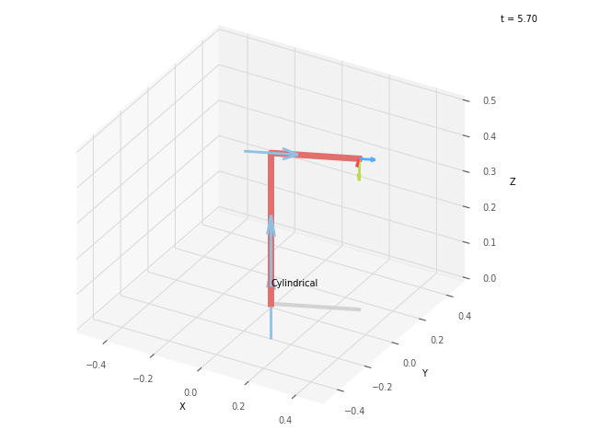


 |  |  | FK Joint Variables

 |  |  | 22.5 | 7.5 | 17.5
 |  |  | cm | deg | deg

 |  |  | Position Vector

 |  |  | 30.026 | 12.437 | 42.5
 |  |  | cm | deg | deg

 |  |  | IK Joint Variables

 |  |  | 22.5 | 7.5 | 17.5
 |  |  | cm | deg | deg

Trial 4
a1 = | 15
a2 = | 20 | Forward Kinematics |  | Home |  | Inverse Kinematics
a3 = | 15
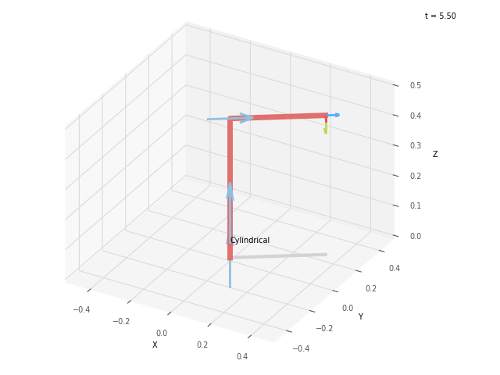


 |  |  | FK Joint Variables

 |  |  | 33.75 | 11.25 | 26.25
 |  |  | cm | deg | deg

 |  |  | Position Vector

 |  |  | 34.298 | 22.917 | 46.25
 |  |  | cm | deg | deg

 |  |  | IK Joint Variables

 |  |  | 33.75 | 11.25 | 26.25
 |  |  | cm | deg | deg

Trial 5
a1 = | 15
a2 = | 20 | Forward Kinematics |  | Home |  | Inverse Kinematics
a3 = | 15
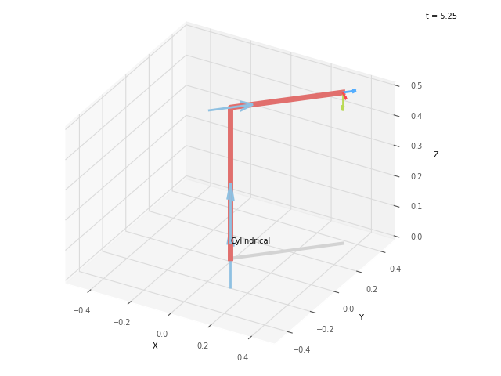


 |  |  | FK Joint Variables

 |  |  | 45 | 15 | 35
 |  |  | cm | deg | deg

 |  |  | Position Vector

 |  |  | 35.355 | 35.355 | 50
 |  |  | cm | deg | deg

 |  |  | IK Joint Variables

 |  |  | 45 | 15 | 35
 |  |  | cm | deg | deg

