Trial 1
a1 | 30
a2 | 20
a3 | 15 | Forward Kinematics |  | Home |  | Inverse Kinematics
a4 | 15
a5 | 10

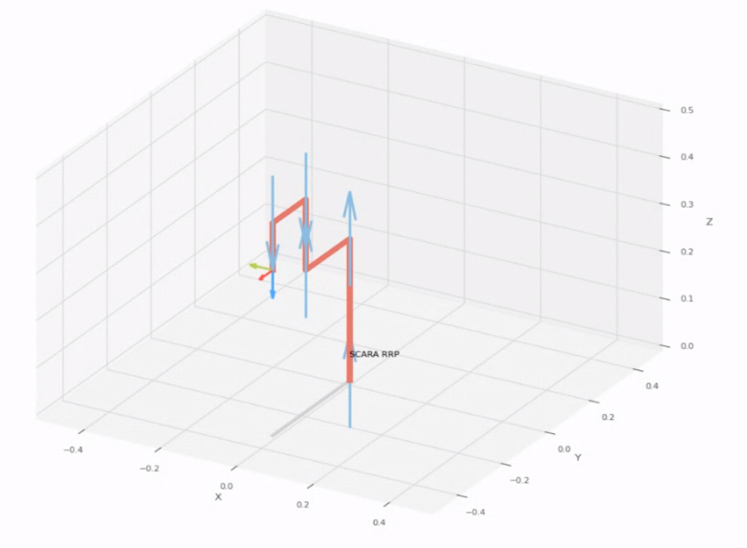
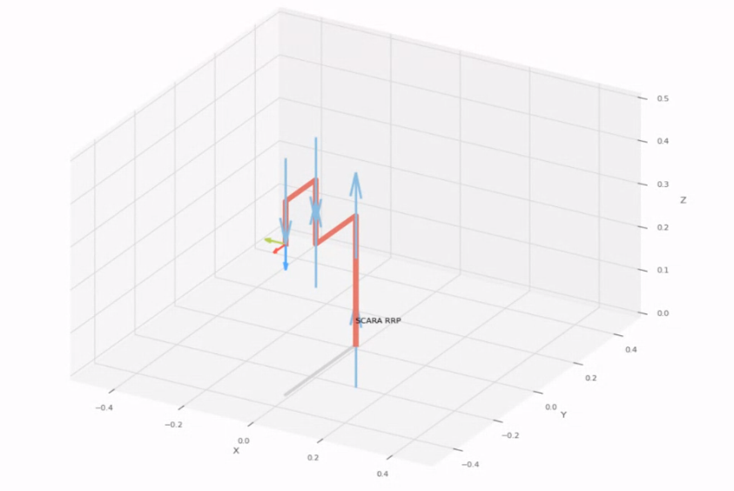
 |  |  | FK Joint Variables

 |  |  | -90 | 0 | 0
 |  |  | deg | deg | cm

 |  |  | Position Vector

 |  |  | 0 | -35 | 35
 |  |  | deg | deg | cm

 |  |  | IK Joint Variables

 |  |  | -90 | 0 | 0
 |  |  | deg | deg | cm

Trial 2
a1 | 30
a2 | 20
a3 | 15 | Forward Kinematics |  | Home |  | Inverse Kinematics
a4 | 15
a5 | 10

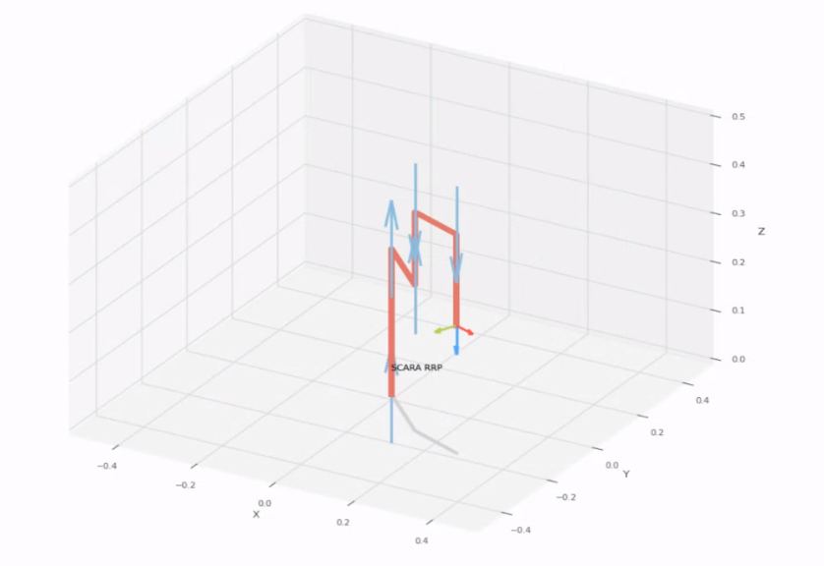
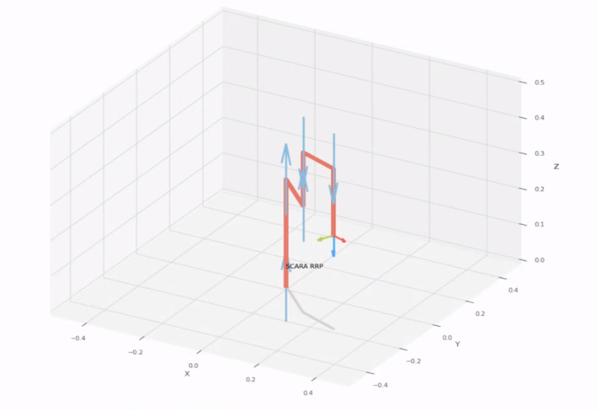
 |  |  | FK Joint Variables

 |  |  | -45 | 22.5 | 8.75
 |  |  | deg | deg | cm

 |  |  | Position Vector

 |  |  | 28 | -19.88 | 26.25
 |  |  | deg | deg | cm

 |  |  | IK Joint Variables

 |  |  | -45.003 | 22.508 | 8.75
 |  |  | deg | deg | cm

Trial 3
a1 | 30
a2 | 20
a3 | 15 | Forward Kinematics |  | Home |  | Inverse Kinematics
a4 | 15
a5 | 10
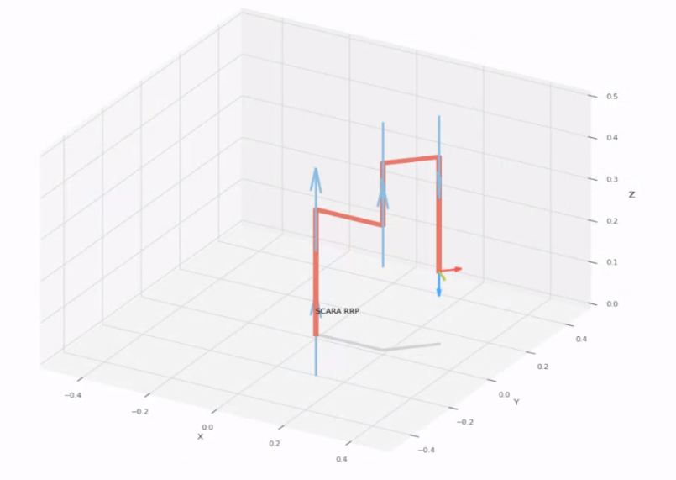
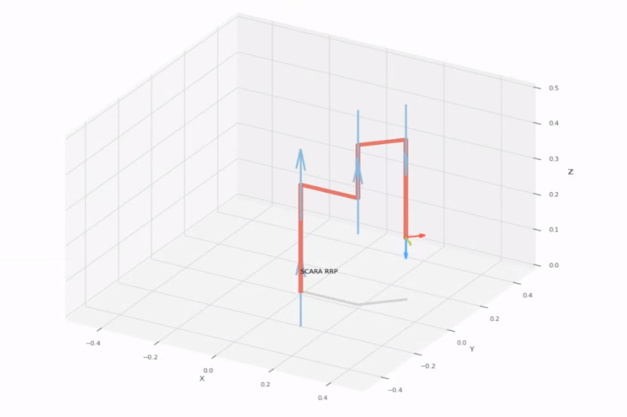

 |  |  | FK Joint Variables

 |  |  | 0 | 45 | 17.5
 |  |  | deg | deg | cm

 |  |  | Position Vector

 |  |  | 30.607 | 10.607 | 17.5
 |  |  | deg | deg | cm

 |  |  | IK Joint Variables

 |  |  | 0.002 | 44.996 | 17.5
 |  |  | deg | deg | cm

Trial 4
a1 | 30
a2 | 20
a3 | 15 | Forward Kinematics |  | Home |  | Inverse Kinematics
a4 | 15
a5 | 10

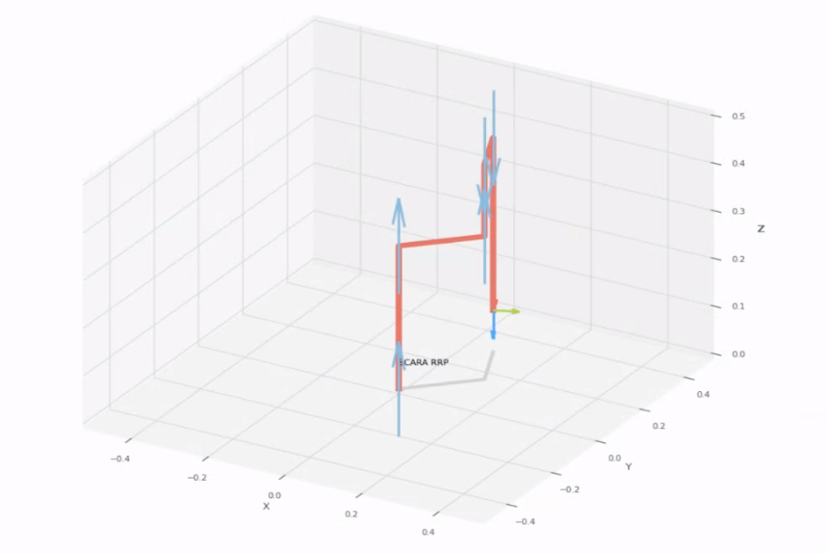
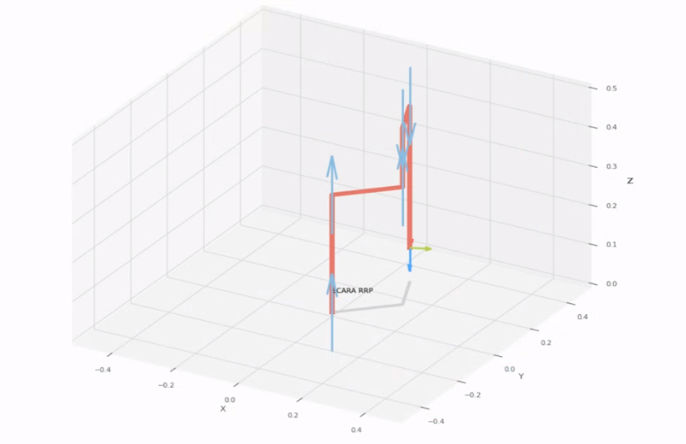
 |  |  | FK Joint Variables

 |  |  | 45 | 67.5 | 26.25
 |  |  | deg | deg | cm

 |  |  | Position Vector

 |  |  | 8.402 | 28 | 8.75
 |  |  | deg | deg | cm

 |  |  | IK Joint Variables

 |  |  | 44.999 | 67.502 | 26.25
 |  |  | deg | deg | cm

Trial 5
a1 | 30
a2 | 20
a3 | 15 | Forward Kinematics |  | Home |  | Inverse Kinematics
a4 | 15
a5 | 10

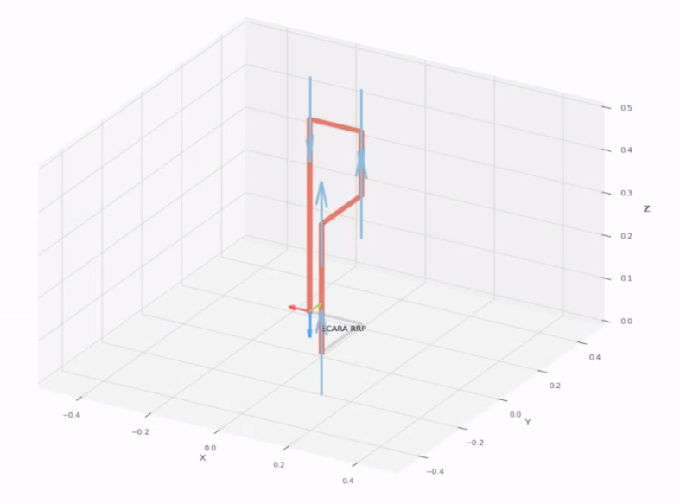
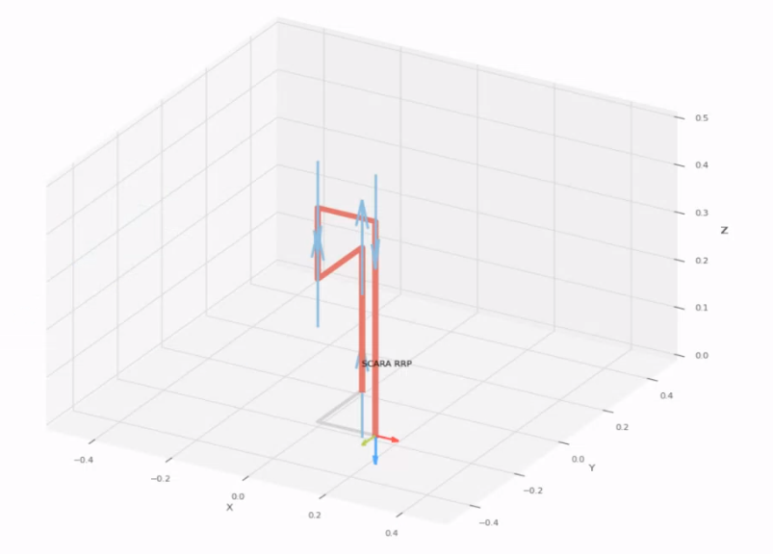
 |  |  | FK Joint Variables

 |  |  | 90 | 90 | 35
 |  |  | deg | deg | cm

 |  |  | Position Vector

 |  |  | -15 | 20 | 0
 |  |  | deg | deg | cm

 |  |  | IK Joint Variables

 |  |  | -90 | 90 | 35
 |  |  | deg | deg | cm

