Trial 1
a1=20
a2=30 |  | HOME
a3= 10

 | FORWARD KINEMATICS |  |  |  | INVERSE KINEMATICS

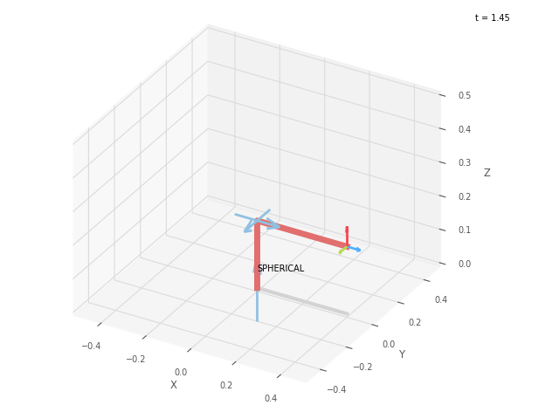
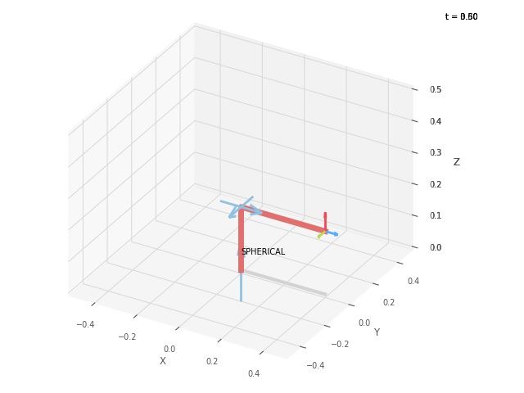
 |  | FK JOINT VARIABLES

 |  | 0 | 0 | 0

 |  | deg | deg | cm

 |  | POSITION VECTORS

 |  | 40 | 0 | 20

 |  | cm | cm | cm

 |  | IK JOINT VARIABLES

 |  | 0 | 0 | 0

 |  | deg | deg | cm

Trial 2
a1=20
a2=30 |  | HOME
a3= 10

 | FORWARD KINEMATICS |  |  |  | INVERSE KINEMATICS
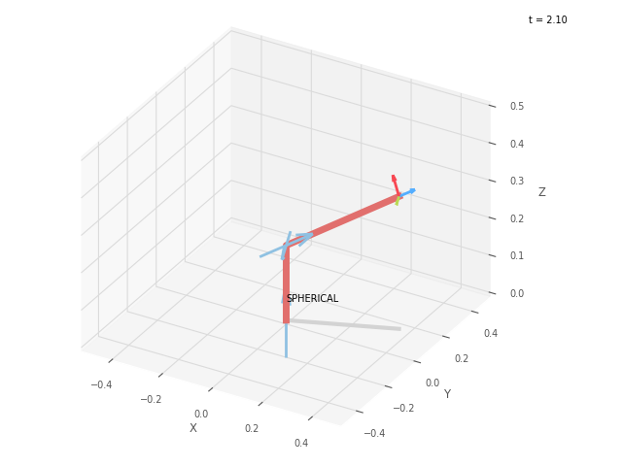


 |  | FK JOINT VARIABLES

 |  | 21.25 | 21.25 | 2.5

 |  | deg | deg | cm

 |  | POSITION VECTORS

 |  | 36.917 | 14.356 | 35.404

 |  | cm | cm | cm

 |  | IK JOINT VARIABLES

 |  | 21.25 | 21.251 | 2.5

 |  | deg | deg | cm

Trial 3
a1=20
a2=30 |  | HOME
a3= 10

 | FORWARD KINEMATICS |  |  |  | INVERSE KINEMATICS

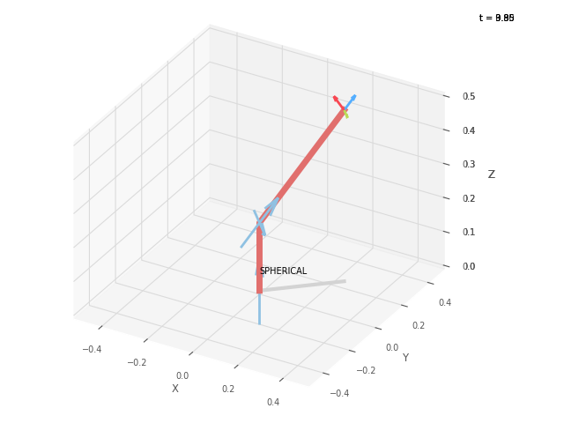

 |  | FK JOINT VARIABLES

 |  | 42.5 | 42.5 | 5

 |  | deg | deg | cm

 |  | POSITION VECTORS

 |  | 24.461 | 22.414 | 50.402

 |  | cm | cm | cm

 |  | IK JOINT VARIABLES

 |  | 42.5 | 42.501 | 5

 |  | deg | deg | cm

Trial 4
a1=20
a2=30 |  | HOME
a3= 10

 | FORWARD KINEMATICS |  |  |  | INVERSE KINEMATICS
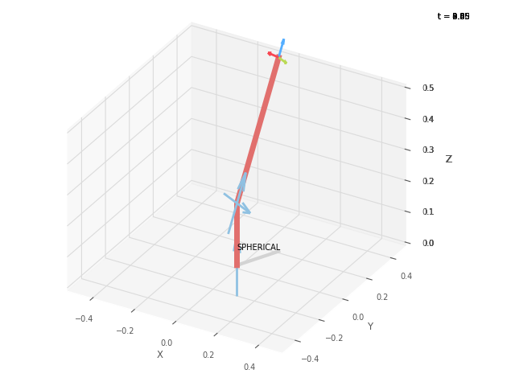


 |  | FK JOINT VARIABLES

 |  | 63.75 | 63.75 | 7.5

 |  | deg | deg | cm

 |  | POSITION VECTORS

 |  | 9.292 | 18.842 | 62.601

 |  | cm | cm | cm

 |  | IK JOINT VARIABLES

 |  | 63.75 | 63.75 | 7.5

 |  | deg | deg | cm

Trial 5
a1=20
a2=30 |  | HOME
a3=10

 | FORWARD KINEMATICS |  |  |  | INVERSE KINEMATICS

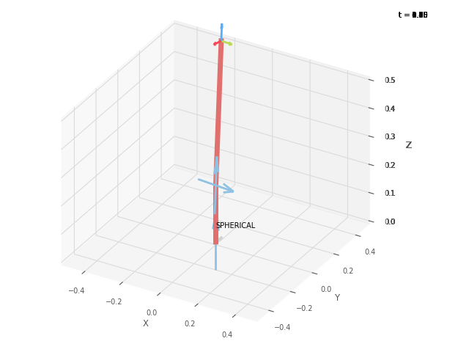

 |  | FK JOINT VARIABLES

 |  | 85 | 85 | 10

 |  | deg | deg | cm

 |  | POSITION VECTORS

 |  | 0.38 | 4.341 | 69.81

 |  | cm | cm | cm

 |  | IK JOINT VARIABLES

 |  | 84.997 | 85 | 10

 |  | deg | deg | cm

