Trial 1
a1 | 20
a2 | 10
a3 | 15

 |  |  |  | HOME
 |  | Forward Kinematics |  |  |  | Inverse Kinematics

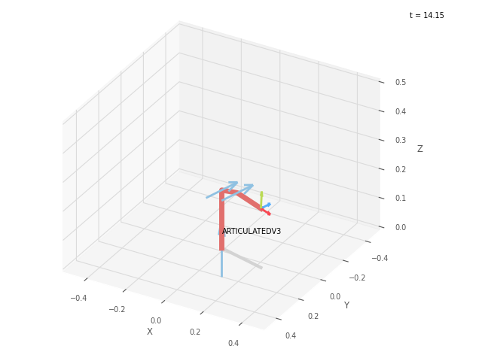
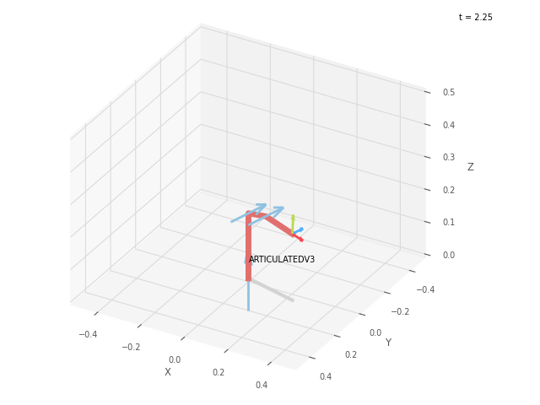
 |  |  | FK Joint Variables
 |  |  | 15 | 10 | -15
 |  |  | deg | deg | deg

 |  |  | Position Vector
 |  |  | 23.946 | 6.416 | 20.429
 |  |  | cm | cm | cm

 |  |  | IK Joint Variables
 |  |  | 14.999 | 10.008 | -15.01
 |  |  | deg | deg | deg

Trial 2
a1 | 20
a2 | 10
a3 | 15

 |  |  |  | HOME
 |  | Forward Kinematics |  |  |  | Inverse Kinematics

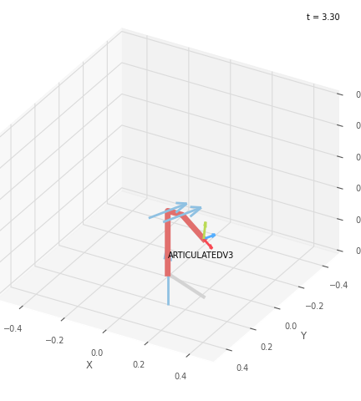
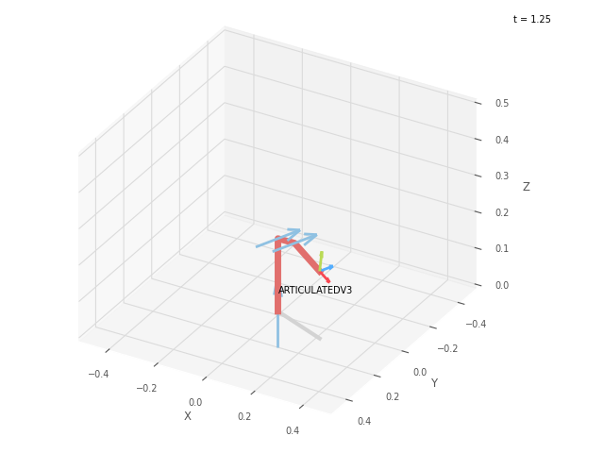
 |  |  | FK Joint Variables
 |  |  | 22.5 | 10 | -22.5
 |  |  | deg | deg | deg

 |  |  | Position Vector
 |  |  | 22.628 | 9.373 | 18.49
 |  |  | cm | cm | cm

 |  |  | IK Joint Variables
 |  |  | 22.5 | 10.002 | -22.5
 |  |  | deg | deg | deg

Trial 3
a1 | 20
a2 | 10
a3 | 15

 |  |  |  | HOME
 |  | Forward Kinematics |  |  |  | Inverse Kinematics

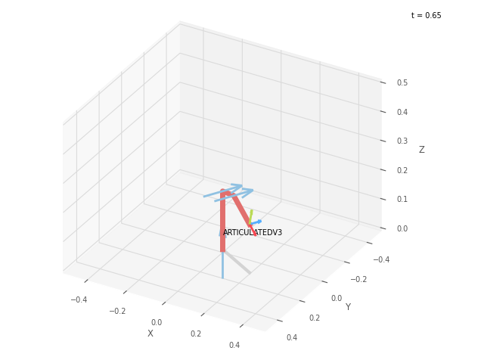

 |  |  | FK Joint Variables
 |  |  | 30 | 10 | -30
 |  |  | deg | deg | deg

 |  |  | Position Vector
 |  |  | 20.736 | 11.972 | 18.49
 |  |  | cm | cm | cm

 |  |  | IK Joint Variables
 |  |  | 30 | 9.995 | -29.99
 |  |  | deg | deg | deg

Trial 4
a1 | 20
a2 | 10
a3 | 15

 |  |  |  | HOME
 |  | Forward Kinematics |  |  |  | Inverse Kinematics

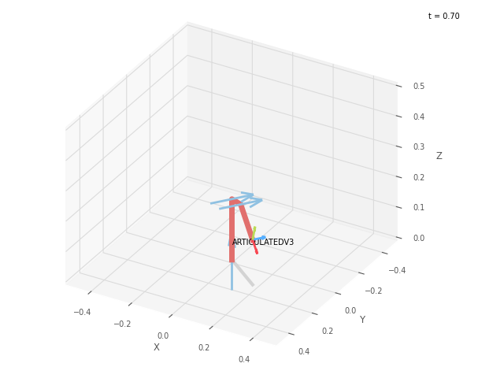

 |  |  | FK Joint Variables
 |  |  | 37.5 | 10 | -37.5
 |  |  | deg | deg | deg

 |  |  | Position Vector
 |  |  | 18.396 | 14.095 | 14.81
 |  |  | cm | cm | cm

 |  |  | IK Joint Variables
 |  |  | 37.5 | 9.996 | -37.49
 |  |  | deg | deg | deg

Trial 5
a1 | 20
a2 | 10
a3 | 15

 |  |  |  | HOME
 |  | Forward Kinematics |  |  |  | Inverse Kinematics
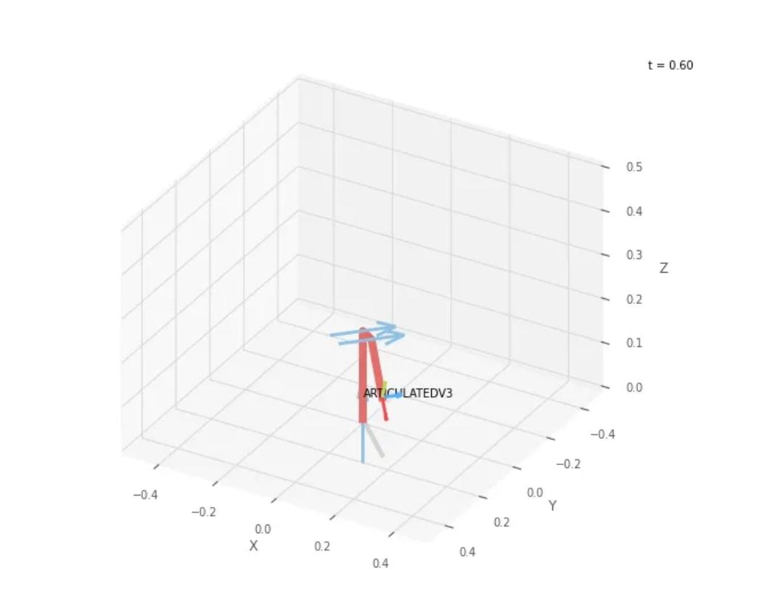
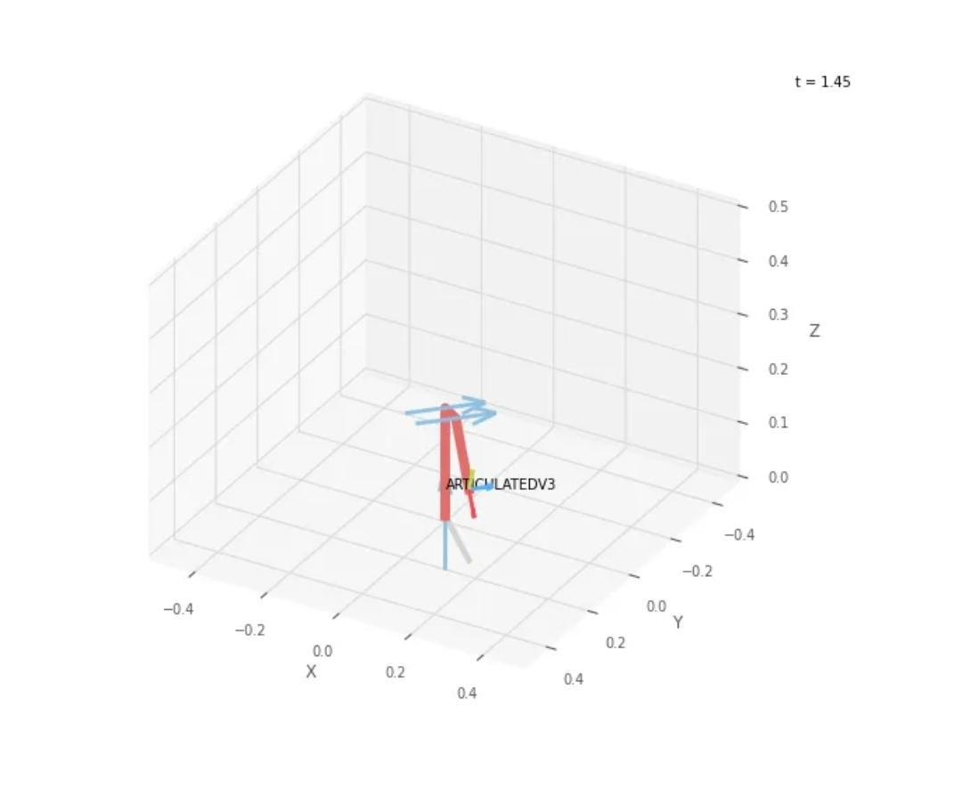
 |  |  | FK Joint Variables
 |  |  | 45 | 10 | -45
 |  |  | deg | deg | deg

 |  |  | Position Vector
 |  |  | 15.652 | 15.652 | 13.133
 |  |  | cm | cm | cm

 |  |  | IK Joint Variables
 |  |  | 45 | 10.001 | -45
 |  |  | deg | deg | deg

