Trial 1
a1 | 30
a2 | 20
a3 | 20 | Forward Kinematics |  | Home |  | Inverse Kinematics

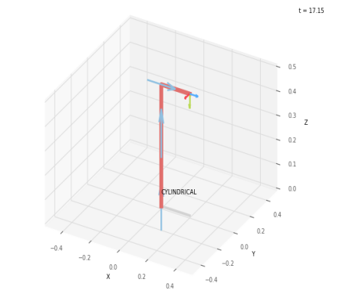
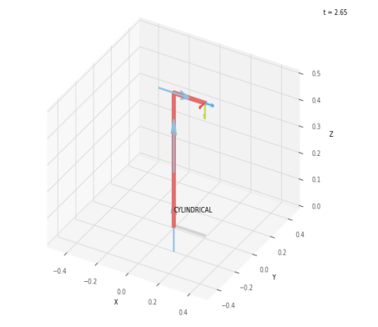

 |  |  | FK Joint Variables

 |  |  | 0 | 0 | 0
 |  |  | deg | cm | cm

 |  |  | Position Vector

 |  |  | 20 | 0 | 50
 |  |  | deg | cm | cm

 |  |  | IK Joint Variables

 |  |  | 0 | 0 | 0
 |  |  | deg | cm | cm

Trial 2
a1 | 30
a2 | 20
a3 | 20 | Forward Kinematics |  | Home |  | Inverse Kinematics

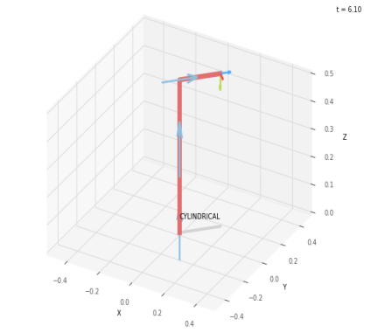
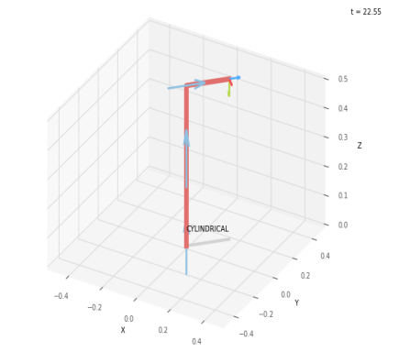

 |  |  | FK Joint Variables

 |  |  | 45 | 5 | 2.5
 |  |  | deg | cm | cm

 |  |  | Position Vector

 |  |  | 15.91 | 15.91 | 55
 |  |  | deg | cm | cm

 |  |  | IK Joint Variables

 |  |  | 45 | 5 | 2.5
 |  |  | deg | cm | cm

Trial 3
a1 | 30
a2 | 20
a3 | 20 | Forward Kinematics |  | Home |  | Inverse Kinematics

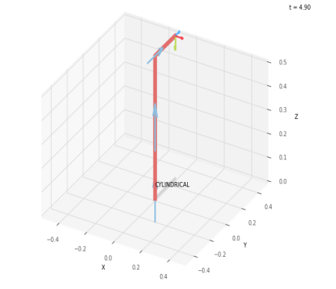
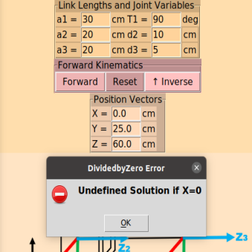

 |  |  | FK Joint Variables

 |  |  | 90 | 10 | 5
 |  |  | deg | cm | cm

 |  |  | Position Vector

 |  |  | 0 | 25 | 60
 |  |  | deg | cm | cm

 |  |  | IK Joint Variables

 |  |  | deg | cm | cm

Trial 4
a1 | 30
a2 | 20
a3 | 20 | Forward Kinematics |  | Home |  | Inverse Kinematics

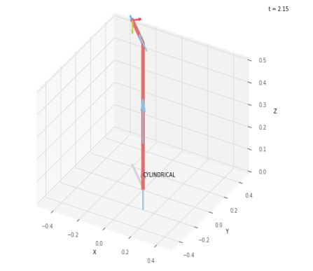
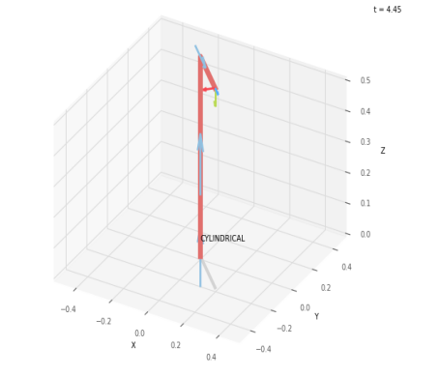

 |  |  | FK Joint Variables

 |  |  | 135 | 15 | 7.5
 |  |  | deg | cm | cm

 |  |  | Position Vector

 |  |  | -19.445 | 19.445 | 65
 |  |  | deg | cm | cm

 |  |  | IK Joint Variables

 |  |  | -45 | 7.5 | 7.449
 |  |  | deg | cm | cm

Trial 5
a1 | 30
a2 | 20
a3 | 20 | Forward Kinematics |  | Home |  | Inverse Kinematics

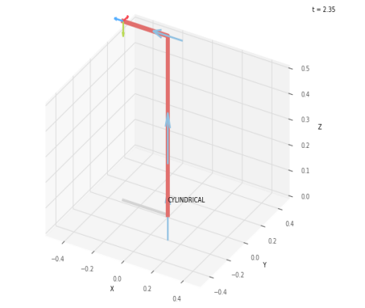
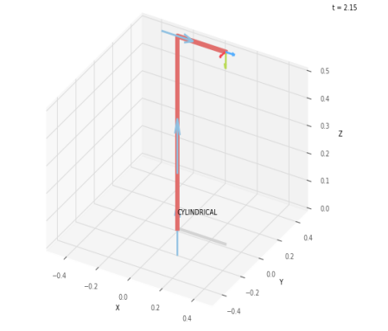

 |  |  | FK Joint Variables

 |  |  | 180 | 20 | 10
 |  |  | deg | cm | cm

 |  |  | Position Vector

 |  |  | -30 | 0 | 70
 |  |  | deg | cm | cm

 |  |  | IK Joint Variables

 |  |  | 0 | 20 | 10
 |  |  | deg | cm | cm

