Trial 1
TRIAL 1
 |  |  | Forward Kinematics |  | Home |  | Inverse Kinematics
a1 | = | 20
a2 | = | 30
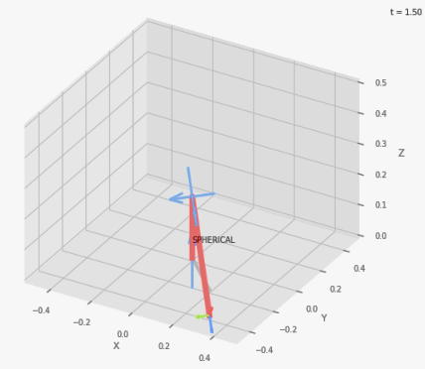
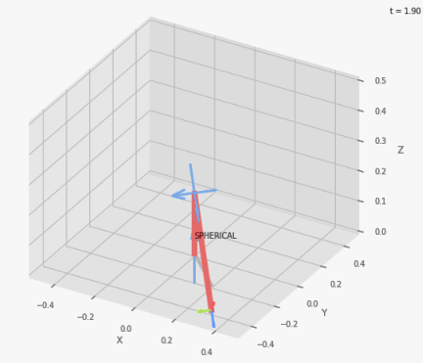
a3 | = | 10
 |  |  |  | FK Joint Variables

 |  |  |  | -45 | -45 | 0
 |  |  |  | cm | deg | deg

 |  |  |  | Position Vector
 |  |  |  |  |  |  |  | ØØØ
 |  |  |  | 20 | -20 | -8.284
 |  |  |  | cm | deg | deg

 |  |  |  | IK Joint Variables

 |  |  |  | -45 | -45 | 0
 |  |  |  | cm | deg | deg

Trial 2
TRIAL 2
 |  |  | Forward Kinematics |  | Home |  | Inverse Kinematics
a1 | = | 20
a2 | = | 30
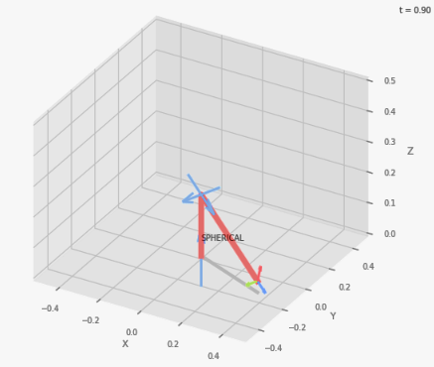
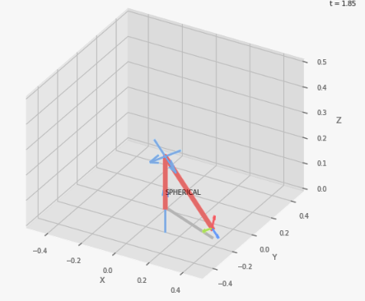
a3 | = | 10
 |  |  |  | FK Joint Variables

 |  |  |  | -22.5 | -22.5 | 2.5
 |  |  |  | cm | deg | deg

 |  |  |  | Position Vector
 |  | ××× |  |  |  |  |  | ØØØ
 |  |  |  | 36.276 | -15.026 | 3.736
 |  |  |  | cm | deg | deg

 |  |  |  | IK Joint Variables

 |  |  |  | -22.25 | -22.5 | 2.5
 |  |  |  | cm | deg | deg

Trial 3
TRIAL 3
 |  |  | Forward Kinematics |  | Home |  | Inverse Kinematics
a1 | = | 20
a2 | = | 30
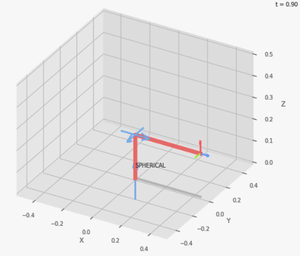

a3 | = | 10
 |  |  |  | FK Joint Variables

 |  |  |  | 0 | 0 | 5
 |  |  |  | cm | deg | deg

 |  |  |  | Position Vector
 |  | ××× |  |  |  |  |  | ØØØ
 |  |  |  | 45 | 0 | 20
 |  |  |  | cm | deg | deg

 |  |  |  | IK Joint Variables

 |  |  |  | 0 | 0 | 5
 |  |  |  | cm | deg | deg

Trial 4
TRIAL 4
 |  |  | Forward Kinematics |  | Home |  | Inverse Kinematics
a1 | = | 20
a2 | = | 30
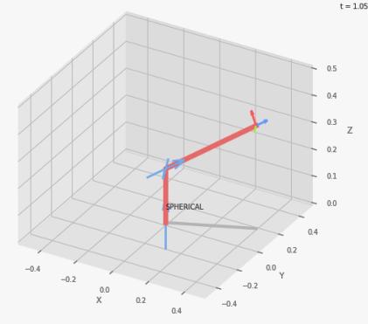
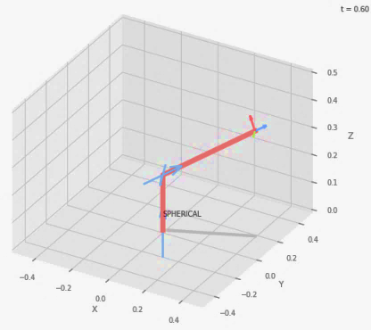
a3 | = | 10
 |  |  |  | FK Joint Variables

 |  |  |  | 22.5 | 22.5 | 7.5
 |  |  |  | cm | deg | deg

 |  |  |  | Position Vector
 |  | ××× |  |  |  |  |  | ØØØ
 |  |  |  | 40.544 | 16.794 | 38.177
 |  |  |  | cm | deg | deg

 |  |  |  | IK Joint Variables

 |  |  |  | 22.5 | 22.499 | 7.5
 |  |  |  | cm | deg | deg

Trial 5
TRIAL 5
 |  |  | Forward Kinematics |  | Home |  | Inverse Kinematics
a1 | = | 20
a2 | = | 30
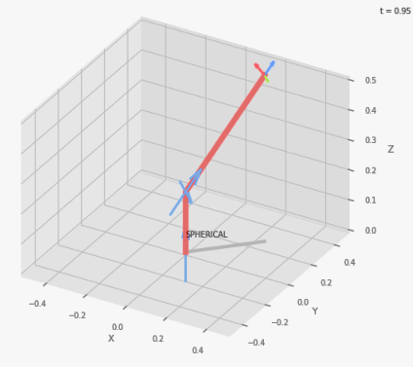
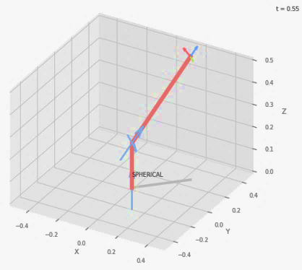
a3 | = | 10
 |  |  |  | FK Joint Variables

 |  |  |  | 45 | 45 | 10
 |  |  |  | cm | deg | deg

 |  |  |  | Position Vector
 |  | ×××
 |  |  |  | 25 | 25 | 53.335
 |  |  |  | cm | deg | deg

 |  |  |  | IK Joint Variables

 |  |  |  | 45 | 45 | 10
 |  |  |  | cm | deg | deg

