FK
COLLEGE OF ENGINEERING
BACHELOR OF SCIENCE IN MECHATRONICS ENGINEERING
ROBOTICS 2: LABORATORY 1

3-DOF SPARTAN Robotkit Forward Kinematics

 | Submission Date: February 19, 2025
 | Instruction: Read and comprehend the expected output for each task then perform them according to your group designation.

 | Objectives: Perform Forward Kinematics experimentation on 3-DOF Spartan Robotkit.

 | Materials:
 | 1. 3-DOF SPARTAN Robotkit assembled
 | 2. Arduino UNO
 | 3. 3 Potentiometers: 10K ohms and one joystick
 | 4. 1 Breadboard
 | 5. Jumper Wires
 | 6. Soldering iron with soldering lead
 | Procedure:
 | 1. Create your group laboratory repository, make it private and add me as a collaborator.
 | 2. Write this laboratory instructions and procedures in the Github repository ReadMe file. Repository title: Robotics2_FKSPARTANRobotkit_Group#_Laboratory1_2025
 | 3. Draw the kinematic diagram with labels, parametric table and Homogeneous Transformation matrices. (Post the pictures in Github Readme file)
 | 4. Take the measurement of the link lengths(a1,a2,a3) of the 3-DOF SPARTAN Robotkit.
 | 5. Create a MATLAB Robotics toolbox program of 3-DOF SPARTAN Robotkit. (Post the pictures in Github Readme file)
 | 6. Assemble the wiring of the 3-DOF SPARTAN Robotkit and perform the following tests:
 |  | a. Test 1: Calibration of each joint and gripper. Get the code from this link: https://github.com/MikkoDT/Robotics_MEXE_3rdYearCourse/tree/main/MexE_409_Robotics_2/SpartanRobotkit_Arduino/Servo_motor_testing
 |  | b. Test 2: Calibration of joints but consecutive movement of joints. Compare and take the pictures of the robot with the MATLAB simulation and post it in your ReadMe file. 5 comparisons. Get the code from this link: https://github.com/MikkoDT/Robotics_MEXE_3rdYearCourse/tree/main/MexE_409_Robotics_2/SpartanRobotkit_Arduino/Four_servo_consecutive
 |  | 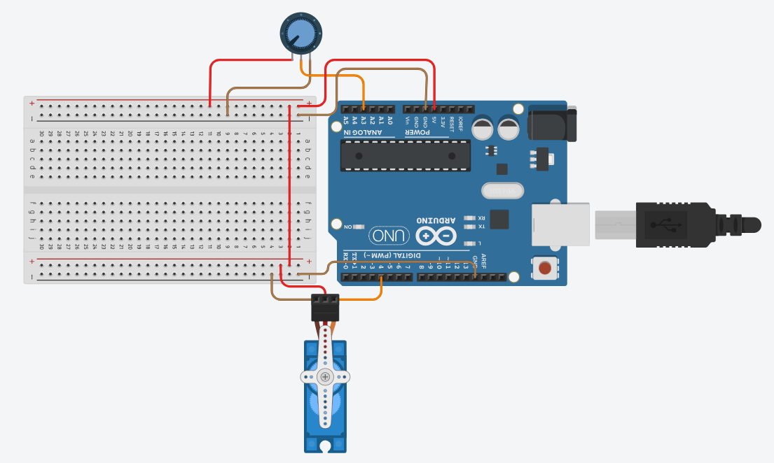 c. Test 3: Assemble the potentiometer with the 3-DOF SPARTAN Robotkit then make the assembly below and program from the link applicable for 4 servo motors: https://github.com/MikkoDT/Robotics_MEXE_3rdYearCourse/tree/main/MexE_409_Robotics_2/SpartanRobotkit_Arduino/Potentiometer_ServoMotor Provide your code written in your repository ReadmeFile. Compare and take the pictures of the robot with the MATLAB simulation and post it in your ReadMe file.
 | 5. Answer the questions below and write them in your repository ReadMe file
 |  | a. What is forward kinematics, and why is it important in robotic systems?
 |  | b. Explain the significance of the Homogeneous Transformation Matrix in robotic kinematics.
 |  | c. In Test 1, what specific behaviors should be observed during the calibration of each joint and gripper?
 |  | d. How does the consecutive movement of joints in Test 2 differ from Test 1? What are the advantages of testing consecutive movements?
 |  | e. What is the expected behavior of the robot when implementing Test 3? How does the potentiometer influence the servo motor positions?
Conclusion:

