FK
COLLEGE OF ENGINEERING
BACHELOR OF SCIENCE IN MECHATRONICS ENGINEERING
ROBOTICS 2: LABORATORY 1

3-DOF SPARTAN Robotkit Forward Kinematics

 | Submission Date: February 19, 2025
 | Instruction: Read and comprehend the expected output for each task then perform them according to your group designation.

 | Objectives: Perform Forward and Inverse Kinematics experimentation on 3-DOF Spartan Robotkit.

 | Materials:
 | 1. 3-DOF SPARTAN Robotkit assembled
 | 2. Arduino UNO
 | 3. 3 Potentiometers: 10K ohms and one joystick
 | 4. 1 Breadboard
 | 5. Jumper Wires
 | 6. Soldering iron with soldering lead
 | Procedure:
 | 1. Create your group laboratory repository, make it private and add me as a collaborator.
 | 2. Write this laboratory instructions and procedures in the Github repository ReadMe file. Repository title: Robotics2_FKSPARTANRobotkit_Group#_Laboratory1_2025
 | 3. Draw the kinematic diagram with labels, parametric table and Homogeneous Transformation matrices. (Post the pictures in Github Readme file)
 | 4. Take the measurement of the link lengths(a1,a2,a3) of the 3-DOF SPARTAN Robotkit.
 | 5. Create a MATLAB Robotics toolbox program of 3-DOF SPARTAN Robotkit. (Post the pictures in Github Readme file)
 | 6. Assemble the wiring of the 3-DOF SPARTAN Robotkit and perform the following tests:
 |  | a. Test 1: Calibration of each joint and gripper. Get the code from this link: https://github.com/MikkoDT/Robotics_MEXE_3rdYearCourse/tree/main/MexE_409_Robotics_2/SpartanRobotkit_Arduino/Servo_motor_testing
 |  | b. Test 2: Calibration of joints but consecutive movement of joints. Compare and take the pictures of the robot with the MATLAB simulation and post it in your ReadMe file. Get the code from this link: https://github.com/MikkoDT/Robotics_MEXE_3rdYearCourse/tree/main/MexE_409_Robotics_2/SpartanRobotkit_Arduino/Four_servo_consecutive
 |  | 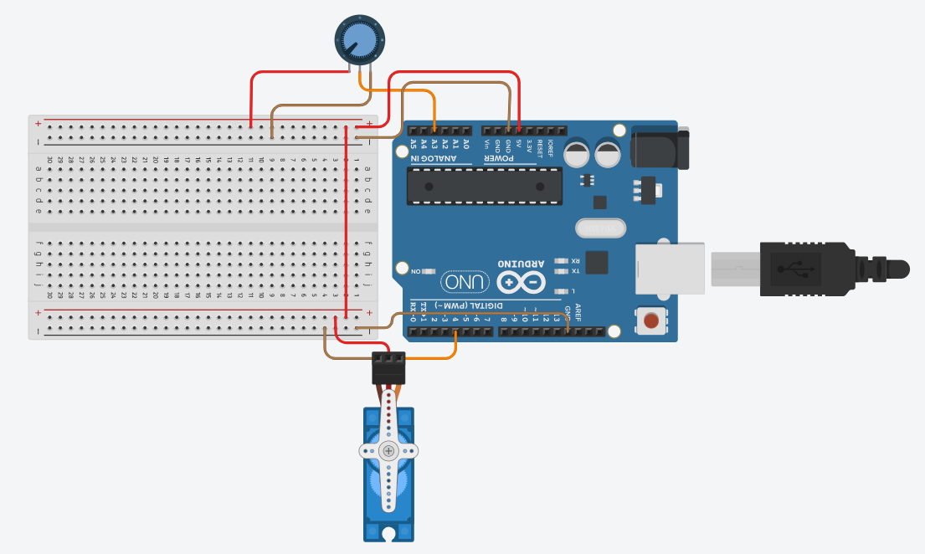 c. Test 3: Assemble the potentiometer with the 3-DOF SPARTAN Robotkit then make the assembly below and program from the link applicable for 4 servo motors: https://github.com/MikkoDT/Robotics_MEXE_3rdYearCourse/tree/main/MexE_409_Robotics_2/SpartanRobotkit_Arduino/Potentiometer_ServoMotor Provide your code written in your repository ReadmeFile. Compare and take the pictures of the robot with the MATLAB simulation and post it in your ReadMe file.
 | 5. Answer the questions below and write them in your repository ReadMe file
 |  | a. What is forward kinematics, and why is it important in robotic systems?
 |  | b. Explain the significance of the Homogeneous Transformation Matrix in robotic kinematics.
 |  | c. In Test 1, what specific behaviors should be observed during the calibration of each joint and gripper?
 |  | d. How does the consecutive movement of joints in Test 2 differ from Test 1? What are the advantages of testing consecutive movements?
 |  | e. What is the expected behavior of the robot when implementing Test 3? How does the potentiometer influence the servo motor positions?
Conclusion:

