Flow Chart
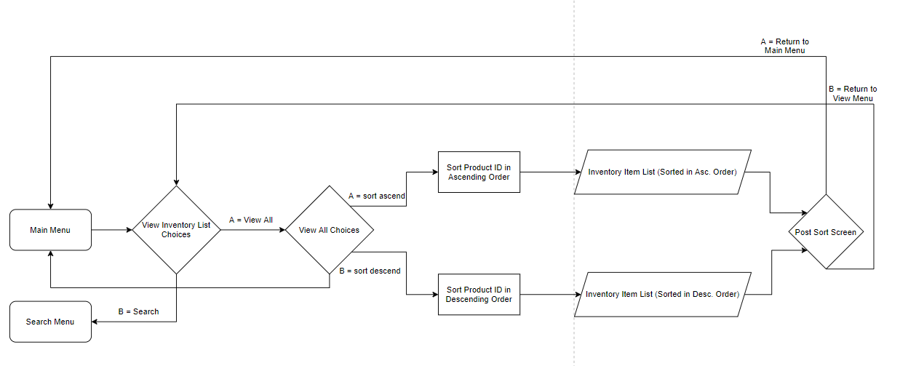
Program Flowchart
Main Menu
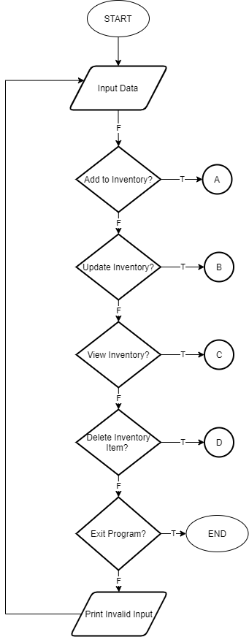
 |  | Legend:

 |  | A = To Add Inventory Item Menu
 |  | B = To Update Inventory Item Menu
 |  | C = To View Inventory Item Menu
 |  | D = To Delete Inventory Item Menu

Add Inventory Item

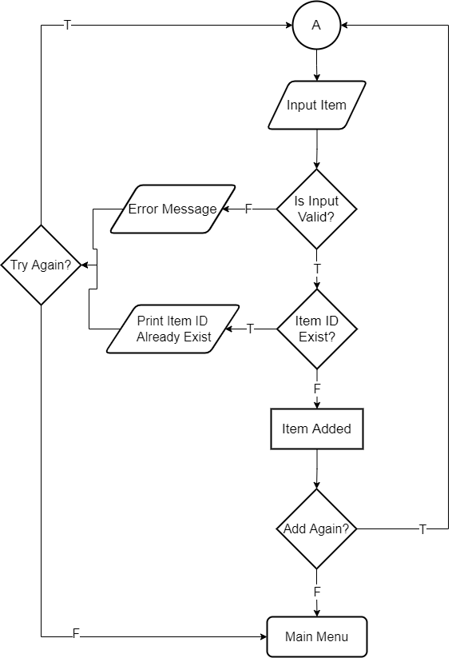

Update Inventory Item

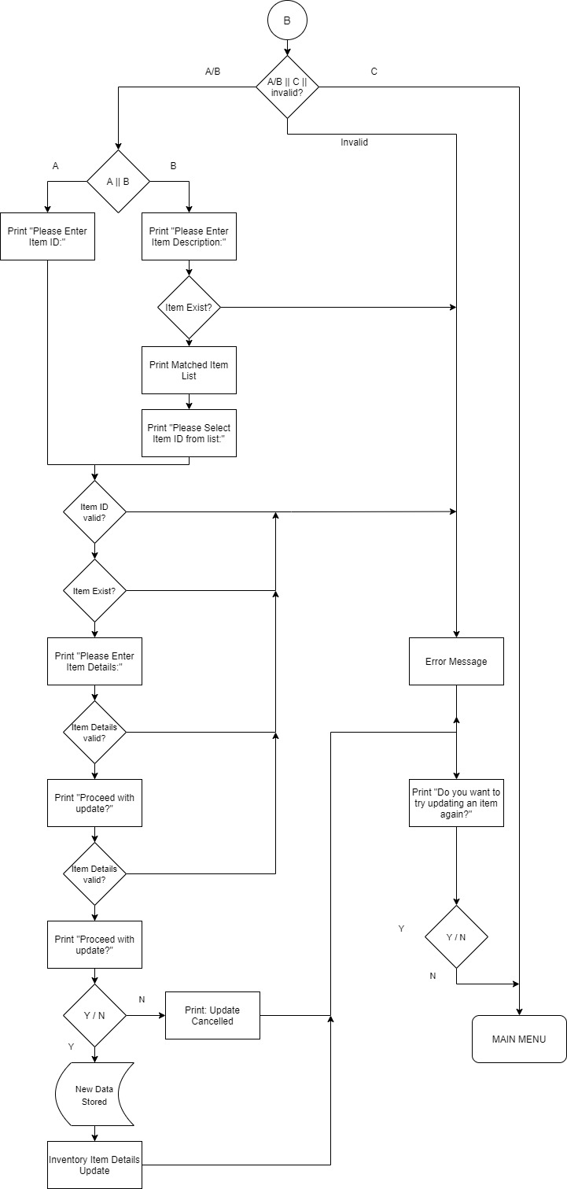
 | Legend:

 | B (Circle) = Main Menu
 | A/B (Item ID/Item Description)
 | C = Cancel Update
 | Y = Yes
 | N =No

Delete Inventory Item
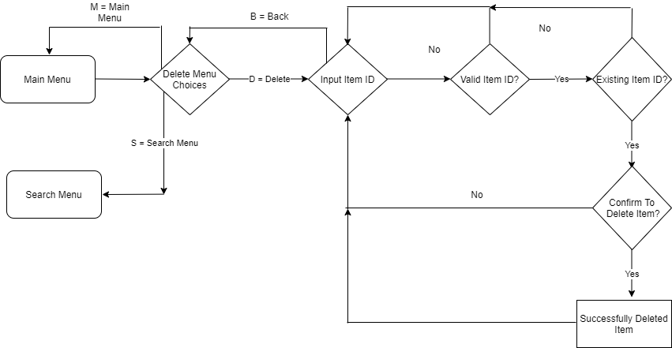

Search Inventory Item
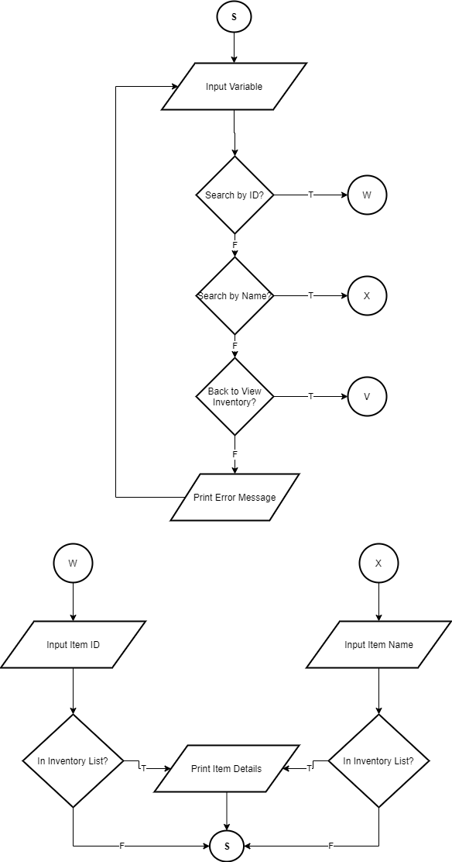

 | Legend:

 | S (Circle) = Main Menu
 | V (Circle) = On-page Connector
 | W (Circle) = On-page Connector
 | X (Circle) = On-page Connector
 | T = True
 | F = False

View Inventory

