Table 1
Si4430/31/32
VDD_RF 1
TX 2
RXp 3
RXn 4
NC 5
6
20
19 18 17
GND PAD
7
8 9
10
16
15 SCLK
14 SDI
13 SDO
12 VDD_DIG
11 NC
Pin Assignments
Si4430/31/32 ISM TRANSCEIVER
Features  Frequency Range  240–930 MHz (Si4431/32)  900–960 MHz (Si4430)  Sensitivity = –121 dBm  Output power range  +20 dBm Max (Si4432)  +13 dBm Max (Si4430/31)  Low Power Consumption  18.5 mA receive  30 mA @ +13 dBm transmit  85 mA @ +20 dBm transmit  Data Rate = 0.123 to 256 kbps  FSK, GFSK, and OOK modulation  Power Supply = 1.8 to 3.6 V  Ultra low power shutdown mode  Digital RSSI Applications  Remote control  Home security & alarm  Telemetry  Personal data logging  Toy control  Tire pressure monitoring  Wireless PC peripherals Description | 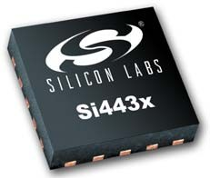  Wake-up timer  Auto-frequency calibration (AFC)  Power-on-reset (POR)  Antenna diversity and TR switch control  Configurable packet handler  Preamble detector  TX and RX 64 byte FIFOs  Low battery detector  Temperature sensor and 8-bit ADC  –40 to +85 °C temperature range  Integrated voltage regulators  Frequency hopping capability  On-chip crystal tuning  20-Pin QFN package  Low BOM  Remote meter reading  Remote keyless entry  Home automation  Industrial control  Sensor networks  Health monitors  Tag readers
w Design
Ordering Information: See page 67.
Silicon Laboratories’ Si4430/31/32 devices are highly integrated, single chip wireless ISM transceivers. The high-performance EZRadioPRO® family includes a complete line of transmitters, receivers, and transceivers allowing the RF system designer to choose the optimal wireless part for their application. The Si4430/31/32’s high level of integration offers reduced BOM cost while simplifying the overall system design. The extremely low receive sensitivity (–121 dBm) coupled with industry leading +20 dBm output power ensures extended range and improved link performance. Built-in antenna diversity and support for frequency hopping can be used to further extend range and enhance performance. The Si4430/31/32 offers advanced radio features including continuous frequency coverage from 240–960 MHz in 156 Hz or 312 Hz steps allowing precise tuning control. Additional system features such as an automatic wake-up timer, low battery detector, 64 byte TX/RX FIFOs, automatic packet handling, and preamble detection reduce overall current consumption and allow the use of lower-cost system MCUs. An integrated temperature sensor, general purpose ADC, power- on-reset (POR), and GPIOs further reduce overall system cost and size. The Si4430/31/32’s digital receive architecture features a high-performance ADC and DSP based modem which performs demodulation, filtering, and packet handling for increased flexibility and performance. The direct digital transmit modulation and automatic PA power ramping ensure precise transmit modulation and reduced spectral spreading ensuring compliance with global regulations including FCC, ETSI, ARIB, and 802.15.4d regulations. An easy-to-use calculator is provided to quickly configure the radio settings, simplifying customer's system design and reducing time to market. |  | Patents pending
Si4430/31/32-B1
Rev 1.1 10/10 Copyright © 2010 by Silicon Laboratories Si4430/31/32

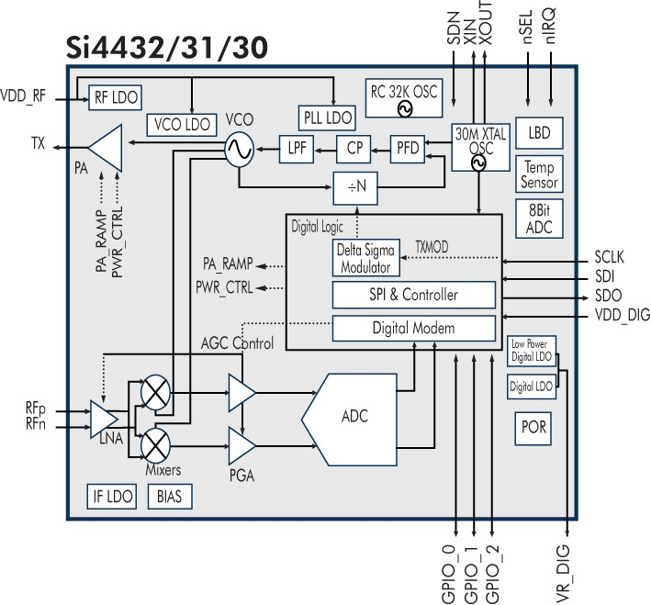
Functional Block Diagram

TABL E O F CONTENTS
Section Page 1. Electrical Specifications 7 1.1. Definition of Test Conditions 14 2. Functional Description 15 2.1. Operating Modes 17 3. Controller Interface 18 3.1. Serial Peripheral Interface (SPI) 18 3.2. Operating Mode Control 20 3.3. Interrupts 23 3.4. System Timing 24 3.5. Frequency Control 25 4. Modulation Options 32 4.1. Modulation Type 32 4.2. Modulation Data Source 33 5. Internal Functional Blocks 37 5.1. RX LNA

8.2. Microcontroller Clock 51 8.3. General Purpose ADC 52 8.4. Temperature Sensor 53 8.5. Low Battery Detector 55 8.6. Wake-Up Timer and 32 kHz Clock Source 56 8.7. Low Duty Cycle Mode 58 8.8. GPIO Configuration 59 8.9. Antenna Diversity 60 8.10. RSSI and Clear Channel Assessment 61 9. Reference Design 62 10. Application Notes and Reference Designs 63 11. Customer Support 63 12. Register Table and Descriptions 64 13. Pin Descriptions: Si4430/31/32 66 14. Ordering Information 67 15. Package Markings (Top Marks) 68 15.1.
LIS T O F FIGURES
Figure 1. Si4430/31 RX/TX Direct-Tie Application Example 16 Figure 2. Si4432 Antenna Diversity Application Example 16 Figure 3. SPI Timing. 18 Figure 4. SPI Timing—READ Mode 19 Figure 5. SPI Timing—Burst Write Mode 19 Figure 6. SPI Timing—Burst Read Mode 19 Figure 7. State Machine Diagram 20 Figure 8. TX Timing 24 Figure 9. RX Timing 24 Figure 10. Frequency Deviation 28 Figure 11. Sensitivity at 1% PER vs. Carrier Frequency Offset 29 Figure 12. FSK vs GFSK Spectrums 32 Figure 13. Direct Synchronous Mode Example 35 Figure 14. Direct Asynchronous Mode Example 35 Figure 15. Microcontroller Connections 36 Figure 16. PLL Synthesizer Block Diagram 38 Figure 17.

Si4430/31/32-B1 LIS T O F TABLES
Table 1. DC Characteristics1 7 Table 2. Synthesizer AC Electrical Characteristics1 8 Table 3. Receiver AC Electrical Characteristics1 9 Table 4. Transmitter AC Electrical Characteristics1 10 Table 5. Auxiliary Block Specifications1 11 Table 6. Digital IO Specifications (SDO, SDI, SCLK, nSEL, and nIRQ) 12 Table 7. GPIO Specifications (GPIO_0, GPIO_1, and GPIO_2) 12 Table 8. Absolute Maximum Ratings 13 Table 9. Operating Modes 17 Table 10. Serial Interface Timing Parameters 18 Table 11. Operating Modes Response Time 20 Table 12. Frequency Band Selection 26 Table 13. Packet Handler Registers 45 Table 14. Minimum Receiver Settling Time 47 Table 15. POR Parameters 50 Table 16. Temperature Sensor Range
Rev 1.1 6

Table 9
supply voltage
C6
C7
C8
X1 30MHz
VDD
100p 100n 1u
GP1
GP2
L2
L1 VDD_RF ₁
₁₅ SCLK
L4 L3
C2
TX ₂
RFp
C1
14
3 Si4430/31 13
SDI
SDO
GP3
GP4 GP5
microcontroller
C3
C4
RXn ₄
NC ₅
₁₂ VDD_D ₁₁ NC
L6
L5
C5
VSS
ANT | GPIO0 | GPIO1 | GPIO2 | R_DIG | C9 1u

Programmable load capacitors for X1 are integrated. L1-L6 and C1-C5 values depend on frequency band, antenna impedance, output power and supply voltage range. Figure 1. Si4430/31 RX/TX Direct-Tie Application Example
Programmable load capacitors for X1 are integrated. L1–L4 and C1–C5 values depend on frequency band, antenna impedance, output power, and supply voltage range. Figure 2. Si4432 Antenna Diversity Application Example
Supply Voltage
C6
C7
C8
X1 30 MHz
VDD
100 p 100 n 1 u
GP1
GP2
TR & ANT-DIV
Switch
L3 L2
L1 VDD_RF ₁
₁₅ SCLK
1
6
C3
C2
C1
TX
RFp
2
3
14
Si4432
13
SDI
SDO
GP3
GP4 GP5
Microcontroller
2
3
5
4
C4
RXn ₄
NC ₅
₁₂ VDD_D ₁₁ NC
L4
C9
1 u
C5
VSS

Table 11
3. Controller Interface 3.1. Serial Peripheral Interface (SPI) The Si4430/31/32 communicates with the host MCU over a standard 3-wire SPI interface: SCLK, SDI, and nSEL. The host MCU can read data from the device on the SDO output pin. A SPI transaction is a 16-bit sequence which consists of a Read-Write (R/W) select bit, followed by a 7-bit address field (ADDR), and an 8-bit data field (DATA) as demonstrated in Figure 3. The 7-bit address field is used to select one of the 128, 8-bit control registers. The R/W select bit determines whether the SPI transaction is a read or write transaction. If R/W = 1 it signifies a WRITE transaction, while R/W = 0 signifies a READ transaction. The contents (ADDR or DATA) are latched into the Si4430/31/32 every eight clock cycles. The timing parameters for the SPI interface are shown in Table 10. The SCLK rate is flexible with a maximum rate of 10 MHz.
Address Data
MSB LSB
SDI |  | RW | A6 | A5 | A4 | A3 | A2 |  | A1 | A0 | D7 | D6 | D5 | D4 | D3 | D2 | D1 | D0 | xx | xx |  | RW | A7
Figure 3. SPI Timing
Table 10. Serial Interface Timing Parameters
Symbol | Parameter |  |  |  |  |  |  | Min (nsec) |  |  |  | Diagram
tCH | Clock high time |  |  |  |  |  |  | 40
tCL | Clock low time |  |  |  |  |  |  | 40
 |  |  |  |  |  |  |  |  |  |  |  | SCLK tSS tCL tCH tDS
tDS | Data setup time |  |  |  |  |  |  | 20
 |  |  |  |  |  |  |  |  |  |  |  |  |  |  |  |  |  |  |  |  | tDH | tDD tSH tDE
tDH | Data hold time |  |  |  |  |  |  | 20
tDD | Output data delay time |  |  |  |  |  |  | 20 |  |  |  | SDI
 |  |  |  |  |  |  |  |  |  |  |  | SDO tEN tSW
tEN | Output enable time |  |  |  |  |  |  | 20
tDE | Output disable time |  |  |  |  |  |  | 50
tSS | Select setup time |  |  |  |  |  |  | 20 |  |  |  | nSEL
tSH | Select hold time |  |  |  |  |  |  | 50
tSW | Select high period |  |  |  |  |  |  | 80
To read back data from the Si4430/31/32, the R/W bit must be set to 0 followed by the 7-bit address of the register from which to read. The 8 bit DATA field following the 7-bit ADDR field is ignored on the SDI pin when R/W = 0. The next eight negative edge transitions of the SCLK signal will clock out the contents of the selected register. The data read from the selected register will be available on the SDO output pin. The READ function is shown in Figure 4. After the READ function is completed the SDO pin will remain at either a logic 1 or logic 0 state depending on the last data bit clocked out (D0). When nSEL goes high the SDO output pin will be pulled high by internal pullup.
nSEL
SCLK

Table 12
SCLK
nSEL
SDI SDO |  |  |  |  |  |  |  |  | First Bit Last Bit First Bit Last Bit
 | RW =0 | A6 | A5 |  | A4 | A3 | A2 | A1 |  | A0 | D7 =X | D6 =X | D5 =X | D4 =X | D3 =X | D2 =X | D1 =X | D0 =X
 |  |  |  |  |  |  |  |  |  |  | D7 | D6 | D5 | D4 | D3 | D2 | D1 | D0
Figure 4. SPI Timing—READ Mode The SPI interface contains a burst read/write mode which allows for reading/writing sequential registers without having to re-send the SPI address. When the nSEL bit is held low while continuing to send SCLK pulses, the SPI interface will automatically increment the ADDR and read from/write to the next address. An example burst write transaction is illustrated in Figure 5 and a burst read in Figure 6. As long as nSEL is held low, input data will be latched into the Si4430/31/32 every eight SCLK cycles.
SDI |  |  |  |  | First Bit |  |  |  | Last Bit
 | RW =1 | A6 | A5 |  | A4 | A3 | A2 | A1 |  | A0 | D7 =X | D6 =X | D5 =X | D4 =X | D3 =X | D2 =X | D1 =X | D0 =X | D7 =X | D6 =X | D5 =X | D4 =X | D3 =X | D2 =X | D1 =X | D0 =X
K
SCL
Figure 5. SPI Timing—Burst Write Mode
nSEL
SDI SCL SDO |  |  |  | First Bit Last Bit First Bit Figure 6. SPI Timing—Burst Read Mode
 | RW =0 | A6 | A5 |  | A4 | A3 | A2 | A1 |  | A0 | D7 =X | D6 =X | D5 =X | D4 =X | D3 =X | D2 =X | D1 =X | D0 =X
K
nSEL
 |  |  |  |  |  |  |  |  |  |  | D7 | D6 | D5 | D4 | D3 | D2 | D1 | D0 | D7 | D6 | D5 | D4 | D3 | D2 | D1 | D0

Table 13
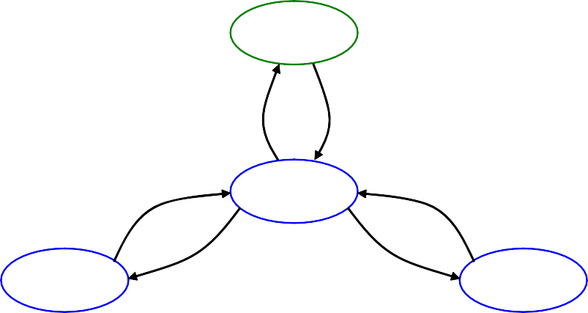
SSHHUUTTDDOWWNN
IDLE*
TX
RX
*Five Different Options for IDLE
3.2. Operating Mode Control There are four primary states in the Si4430/31/32 radio state machine: SHUTDOWN, IDLE, TX, and RX (see Figure 7). The SHUTDOWN state completely shuts down the radio to minimize current consumption. There are five different configurations/options for the IDLE state which can be selected to optimize the chip to the applications needs. "Register 07h. Operating Mode and Function Control 1" controls which operating mode/state is selected with the exception of SHUTDOWN which is controlled by SDN pin 20. The TX and RX state may be reached automatically from any of the IDLE states by setting the txon/rxon bits in "Register 07h. Operating Mode and Function Control 1". Table 11 shows each of the operating modes with the time required to reach either RX or TX mode as well as the current consumption of each mode. The Si4430/31/32 includes a low-power digital regulated supply (LPLDO) which is internally connected in parallel to the output of the main digital regulator (and is available externally at the VR_DIG pin). This common digital supply voltage is connected to all digital circuit blocks including the digital modem, crystal oscillator, SPI, and register space. The LPLDO has extremely low quiescent current consumption but limited current supply capability; it is used only in the IDLE-STANDBY and IDLE-SLEEP modes. The main digital regulator is automatically enabled in all other modes.
Figure 7. State Machine Diagram
Table 11. Operating Modes Response Time

State/Mode | Response Time to |  | Current in State /Mode [µA]
 | TX | RX
Shut Down State | 16.8 ms | 16.8 ms | 15 nA
Idle States: Standby Mode Sleep Mode Sensor Mode Ready Mode Tune Mode | 800 µs 800 µs 800 µs 200 µs 200 µs | 800 µs 800 µs 800 µs 200 µs 200 µs | 450 nA 1 µA 1 µA 800 µA 8.5 mA
TX State | NA | 200 µs | 30 mA @ +13 dBm
RX State | 200 µs | NA | 18.5 mA
3.2.1. SHUTDOWN State The SHUTDOWN state is the lowest current consumption state of the device with nominally less than 15 nA of current consumption. The shutdown state may be entered by driving the SDN pin (Pin 20) high. The SDN pin should be held low in all states except the SHUTDOWN state. In the SHUTDOWN state, the contents of the registers are lost and there is no SPI access. When the chip is connected to the power supply, a POR will be initiated after the falling edge of SDN. 3.2.2. IDLE State There are five different modes in the IDLE state which may be selected by "Register 07h. Operating Mode and Function Control 1". All modes have a tradeoff between current consumption and response time to TX/RX mode. This tradeoff is shown in Table 11. After the POR event, SWRESET, or exiting from the SHUTDOWN state the chip will default to the IDLE-READY mode. After a POR event the interrupt registers must be read to properly enter the SLEEP, SENSOR, or STANDBY mode and to control the 32 kHz clock correctly. 3.2.2.1. STANDBY Mode STANDBY mode has the lowest current consumption of the five IDLE states with only the LPLDO enabled to maintain the register values. In this mode the registers can be accessed in both read and write mode. The STANDBY mode can be entered by writing 0h to "Register 07h. Operating Mode and Function Control 1". If an interrupt has occurred (i.e., the nIRQ pin = 0) the interrupt registers must be read to achieve the minimum current consumption. Additionally, the ADC should not be selected as an input to the GPIO in this mode as it will cause excess current consumption. 3.2.2.2. SLEEP Mode In SLEEP mode the LPLDO is enabled along with the Wake-Up-Timer, which can be used to accurately wake-up the radio at specified intervals. See "8.6. Wake-Up Timer and 32 kHz Clock Source" on page 56 for more information on the Wake-Up-Timer. SLEEP mode is entered by setting enwt = 1 (40

Table 16
3.4. System Timing The system timing for TX and RX modes is shown in Figures 8 and 9. The figures demonstrate transitioning from STANDBY mode to TX or RX mode through the built-in sequencer of required steps. The user only needs to program the desired mode, and the internal sequencer will properly transition the part from its current mode. The VCO will automatically calibrate at every frequency change or power up. The PLL T0 time is to allow for bias settling of the VCO. The PLL TS time is for the settling time of the PLL, which has a default setting of 100 µs. The total time for PLL T0, PLL CAL, and PLL TS under all conditions is 200 µs. Under certain applications, the PLL T0 time and the PLL CAL may be skipped for faster turn-around time. Contact applications support if faster turnaround time is desired.
XTAL Settling Time | PLL T0 | PLL CAL | PLLTS | PRE PA RAMP | PA RAMP UP | TX Packet | PA RAMP DOWN
Figure 8. TX Timing
XTAL Settling Time | PLL T0 | PLL CAL | PLLTS | RX Packet
600us
Figure 9. RX Timing

600us

Table 21
3.5.5. Frequency Offset Adjustment When the AFC is disabled the frequency offset can be adjusted manually by fo[9:0] in registers 73h and 74h. It is not possible to have both AFC and offset as internally they share the same register. The frequency offset adjustment and the AFC both are implemented by shifting the Synthesizer Local Oscillator frequency. This register is a signed register so in order to get a negative offset it is necessary to take the twos complement of the positive offset number. The offset can be calculated by the following: DesiredOffset  156.25Hz (hbsel 1)  fo[9 : 0]
fo[9 : 0]  |  |  |  |  |  | DesiredOffset 156.25Hz  (hbsel 1)
The adjustment range in high band is ±160 kHz and in low band it is ±80 kHz. For example to compute an offset of +50 kHz in high band mode fo[9:0] should be set to 0A0h. For an offset of –50 kHz in high band mode the fo[9:0] register should be set to 360h.
Add | R/W | Function/Description | D7 | D6 | D5 |  | D4 | D3 | D2 | D1 | D0 | POR Def.
73 | R/W | Frequency Offset | fo[7] | fo[6] | fo[5] |  | fo[4] | fo[3] | fo[2] | fo[1] | fo[0] | 00h
74 | R/W | Frequency Offset |  |  |  |  |  |  |  | fo[9] | fo[8] | 00h
3.5.6. Automatic Frequency Control (AFC) All AFC settings can be easily obtained from the settings calculator. This is the recommended method to program all AFC settings. This section is intended to describe the operation of the AFC in more detail to help understand the trade-offs of using AFC.The receiver supports automatic frequency control (AFC) to compensate for frequency differences between the transmitter and receiver reference frequencies. These differences can be caused by the absolute accuracy and temperature dependencies of the reference crystals. Due to frequency offset compensation in the modem, the receiver is tolerant to frequency offsets up to 0.25 times the IF bandwidth when the AFC is disabled. When the AFC is enabled, the received signal will be centered in the pass-band of the IF filter, providing optimal sensitivity and selectivity over a wider range of frequency offsets up to 0.35 times the IF bandwidth. The trade-off of receiver sensitivity (at 1% PER) versus carrier offset and the impact of AFC are illustrated in Figure 11.
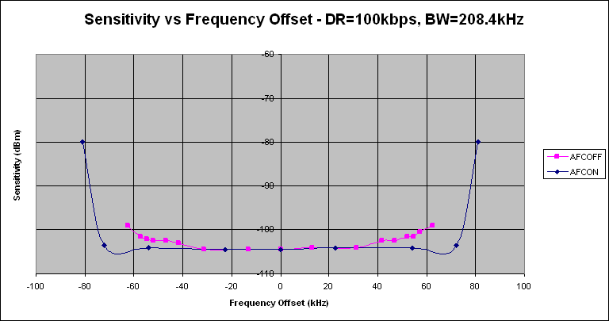
Figure 11. Sensitivity at 1% PER vs. Carrier Frequency Offset

Table 27
VDD_RF
SCLK
TX
SDI
RXp
SDO
RXn
VDD_DIG
NC
NC
MOD DATACLK
nRES
nIRQ nSEL
SCK
MOSI
MISO _{μC}
Only FSK and OOK modulation types are valid in TX Direct Asynchronous Mode; GFSK modulation is not available in asynchronous mode. This is because the RFIC does not have knowledge of the supplied data rate, and thus cannot determine the appropriate Gaussian lowpass filter function to apply to the incoming data. One advantage of this mode that it saves a microcontroller pin because no TX Clock output function is required. The primary disadvantage of this mode is the increase in occupied spectral bandwidth with FSK (as compared to GFSK).
Direct synchronous modulation. Full control over the standard SPI & using interrupt. Bitrate clock and modulation via GPIO’s. GPIO configuration GP0 : power-on-reset (default) GP1 : TX DATA clock output GP2 : TX DATA input
Matching

DataCLK MOD(Data) Figure 13. Direct Synchronous Mode Example
Direct asynchronous FSK modulation. Modulation data via GPIO2, no data clock needed in this mode. GPIO configuration GP0 : power-on-reset (default) GP1: not utilized GP2 : TX DATA input
Matching

TX on command
TX mode
TX off command
RX on command
RX mode
RX off command
nSEL
SDI
SDO
VDD_RF
SCLK
TX
SDI
RXp
SDO
RXn
VDD_DIG
NC
NC
MOD(Data)
MOD
nRES
nIRQ nSEL
SCK
MOSI
MISO _{μC}
Figure 14. Direct Asynchronous Mode Example 4.2.2.3. Direct Mode using SPI or nIRQ Pins In certain applications it may be desirable to minimize the connections to the microcontroller or to preserve the GPIOs for other uses. For these cases it is possible to use the SPI pins and nIRQ as the modulation clock and data. The SDO pin can be configured to be the data clock by programming trclk = 10. If the nSEL pin is LOW then the function of the pin will be SPI data output. If the pin is high and trclk[1:0] is 10 then during RX and TX modes the data clock will be available on the SDO pin. If trclk[1:0] is set to 11 and no interrupts are enabled in registers 05 or 06h, then the nIRQ pin can also be used as the TX/RX data clock. The SDI pin can be configured to be the data source in both RX and TX modes if dtmod[1:0] = 01. In a similar fashion, if nSEL is LOW the pin will function as SPI data-in. If nSEL is HIGH then in TX mode it will be the data to
be modulated and transmitted. In RX mode it will be the received demodulated data. Figure 15 demonstrates using SDI and SDO as the TX/RX data and clock:
SPI input don’t care SPI input MOD input SPI input don’t care SPI input Data output SPI input
SPI output don’t care SPI output Data CLK SPI output don’t care SPI output Data CLK SPI output Output Output
Figure 15. Microcontroller Connections If the SDO pin is not used for data clock then it may be programmed to be the interrupt function (nIRQ) by programming Reg 0Eh bit 3. 4.2.3. PN9 Mode In this mode the TX Data is generated internally using a pseudorandom (PN9 sequence) bit generator. The primary purpose of this mode is for use as a test mode to observe the modulated spectrum without having to provide data.
5. Internal Functional Blocks This section provides an overview some of the key blocks of the internal radio architecture. 5.1. RX LNA Depending on the part, the input frequency range for the LNA is between 240–960 MHz. The LNA provides gain with a noise figure low enough to suppress the noise of the following stages. The LNA has one step of gain control which is controlled by the analog gain control (AGC) algorithm. The AGC algorithm adjusts the gain of the LNA and PGA so the receiver can handle signal levels from sensitivity to +5 dBm with optimal performance. In the Si4431, the TX and RX may be tied directly. See the TX/RX direct-tie reference design available on the Silicon Labs website. for more details. When the direct tie is used, the lna_sw bit in “Register 6Dh. TX Power” must be set. 5.2. RX I-Q Mixer The output of the LNA is fed internally to the input of the receive mixer. The receive mixer is implemented as an I-Q mixer that provides both I and Q channel outputs to the programmable gain amplifier. The mixer consists of two double-balanced mixers whose RF inputs are driven in parallel, local oscillator (LO) inputs are driven in quadrature, and separate I and Q Intermediate Frequency (IF) outputs drive the programmable gain amplifier. The receive LO signal is supplied by an integrated VCO and PLL synthesizer operating between 240–960 MHz. The necessary quadrature LO signals are derived from the divider at the VCO output. 5.3. Programmable Gain Amplifier The programmable gain amplifier (PGA) provides the necessary gain to boost the signal level into the dynamic range of the ADC. The PGA must also have enough gain switching to allow for large input signals to ensure a linear RSSI range up to –20 dBm. The PGA has steps of 3 dB which are controlled by the AGC algorithm in the digital modem. 5.4. ADC The amplified IQ IF signals are digitized using an Analog-to-Digital Converter (ADC), which allows for low current consumption and high dynamic range. The ban

Table 33
}
}
}
Preamble
SYNC
DATA
6.3. Packet Handler TX Mode If the TX packet length is set the packet handler will send the number of bytes in the packet length field before returning to IDLE mode and asserting the packet sent interrupt. To resume sending data from the FIFO the microcontroller needs to command the chip to re-enter TX mode. Figure 19 provides an example transaction where the packet length is set to three bytes.
Data 1 Data 2 Data 3 Data 4 Data 5 Data 6 Data 7 Data 8 |  | This will be sent in the first transm ission This will be sent in the second transm ission This will be sent in the third transm ission
Data 9 Figure 19. Multiple Packets in TX Packet Handler 6.4. Packet Handler RX Mode 6.4.1. Packet Handler Disabled When the packet handler is disabled certain fields in the received packet are still required. Proper modem operation requires preamble and sync when the FIFO is being used, as shown in Figure 20. Bits after sync will be treated as raw data with no qualification. This mode allows for the creation of a custom packet handler when the automatic qualification parameters are not sufficient. Manchester encoding is supported but data whitening, CRC, and header checks are not.
Figure 20. Required RX Packet Structure with Packet Handler Disabled 6.4.2. Packet Handler Enabled When the packet handler is enabled, all the fields of the packet structure need to be configured. Register contents are used to construct the header field and length information encoded into the transmitted packet when transmitting. The receive FIFO can be configured to handle packets of fixed or variable length with or without a header. If multiple packets are desired to be stored in the FIFO, then there are options available for the different fields that will be stored into the FIFO. Figure 21 demonstrates the options and settings available when multiple packets are enabled. Figure 22 demonstrates the operation of fixed packet length and correct/incorrect packets.
Header(s)
Length
Data
FIFO
Transmission: Register Data Register Data |  |  | RX FIFO Contents:
rx_multi_pk_en = 0 | rx_multi_pk_en = 1
Data |  txhdlen = 0 txhdlen > 0 fixpklen fixpklen 0 1 0 1 H H L L Data Data Data Data
Figure 21. Multiple Packets in RX Packet Handler

Table 34
0
H L
Data
Write Pointer
63
0
H L
Data
H L
Data
Write Pointer
63
H L
Data
H L
Data
H L
Write Pointer
Data
CRC
error
H L
Data
H L
Data
H L
Data
Write Pointer
Initial state PK 1 OK PK 2 OK PK 3 ERROR |  |  |  |  |  | PK 4 OK
RX FIFO Addr. 0 63 | Write Pointer | RX FIFO Addr. | RX FIFO Addr. | RX FIFO Addr. 0 63 | RX FIFO Addr. 0 63
Figure 22. Multiple Packets in RX with CRC or Header Error

Table 36
Whitening
6.5. Data Whitening, Manchester Encoding, and CRC Data whitening can be used to avoid extended sequences of 0s or 1s in the transmitted data stream to achieve a more uniform spectrum. When enabled, the payload data bits are XORed with a pseudorandom sequence output from the built-in PN9 generator. The generator is initialized at the beginning of the payload. The receiver recovers the original data by repeating this operation. Manchester encoding can be used to ensure a dc-free transmission and good synchronization properties. When Manchester encoding is used, the effective datarate is unchanged but the actual datarate (preamble length, etc.) is doubled due to the nature of the encoding. The effective datarate when using Manchester encoding is limited to 128 kbps. The implementation of Manchester encoding is shown in Figure 24. Data whitening and Manchester encoding can be selected with "Register 70h. Modulation Mode Control 1". The CRC is configured via "Register 30h. Data Access Control." Figure 23 demonstrates the portions of the packet which have Manchester encoding, data whitening, and CRC applied. CRC can be applied to only the data portion of the packet or to the data, packet length and header fields. Figure 24 provides an example of how the Manchester encoding is done and also the use of the Manchester invert (enmaniv) function.
Manchester
CRC
CRC (Over data only)
Figure 23. Operation of Data Whitening, Manchester Encoding, and CRC
Data before Manchester
1 1 1 1 1 | 1 1 1 |  | 0 0 0 1 0
Preamble = 0xFF |  | First 4bits of the synch. word = 0x2
Data after Machester ( manppol = 1, enmaninv = 0)
Data after Machester ( manppol = 1, enmaninv = 1)
Data before Manchester
0 0 0 0 0 | 0 0 0 |  | 0 0 0 1 0
Preamble = 0x00 |  | First 4bits of the synch. word = 0x2
Data after Machester ( manppol = 0, enmaninv = 0)
Data after Machester ( manppol = 0, enmaninv = 1)
Figure 24. Manchester Coding Example 6.6. Preamble Detector
The Si4430/31/32 has integrated automatic preamble detection. The preamble length is configurable from 1–255 bytes using the prealen[7:0] field in "Register 33h. Header Control 2" and "Register 34h. Preamble Length", as described in “6.2. Packet Configuration”. The preamble detection threshold, preath[4:0] as set in "Register 35h. Preamble Detection Control 1", is in units of 4 bits. The preamble detector searches for a preamble pattern with a length of preath[4:0]. If a false preamble detect occurs, the receiver will continuing searching for the preamble when no sync word is detected. Once preamble is detected (false or real) then the part will then start searching for sync. If no sync occurs then a timeout will occur and the device will initiate search for preamble again. The timeout period is defined as the sync word length plus four bits and will start after a non-preamble pattern is recognized after a valid preamble detection. The preamble detector output may be programmed onto one of the GPIO or read in the interrupt status registers.
Preamble
Sync
Header/ Address
PK
Length
Data
CRC

Table 38
8. Auxiliary Functions 8.1. Smart Reset The Si4430/31/32 contains an enhanced integrated SMART RESET or POR circuit. The POR circuit contains both a classic level threshold reset as well as a slope detector POR. This reset circuit was designed to produce a reliable reset signal under any circumstances. Reset will be initiated if any of the following conditions occur:
■ Initial power on, VDD starts from gnd: reset is active till VDD reaches VRR (see table);  When VDD decreases below VLD for any reason: reset is active till VDD reaches VRR;  A software reset via “Register 08h. Operating Mode and Function Control 2”: reset is active for time TSWRST  On the rising edge of a VDD glitch when the supply voltage exceeds the following time functioned limit:
 | VDD nom.
 | VDD(t) reset limit: 0.4V+t*0.2V/m actual VDD(t) showing glitch Reset TP
s 0.4V
t=0, VDD starts to rise |  |  |  |  | reset: t Vglitch>=0.4+t*0.2V/ms
Figure 26. POR Glitch Parameters
Table 15. POR Parameters
Parameter |  | Symbol | Comment |  |  | Min | Typ | Max | Unit
Release Reset Voltage |  | VRR |  |  |  | 0.85 | 1.3 | 1.75 | V
Power-On VDD Slope |  | SVDD | tested VDD slope region |  |  | 0.03 |  | 300 | V/ms
Low VDD Limit |  | VLD | VLD<VRR is guaranteed |  |  | 0.7 | 1 | 1.3 | V
Software Reset Pulse |  | TSWRST |  |  |  | 50 |  | 470 | us
Threshold Voltage |  | VTSD |  |  |  |  | 0.4 |  | V
Reference Slope |  | k |  |  |  |  | 0.2 |  | V/ms
VDD Glitch Reset Pulse |  | TP | Also occurs after SDN, and initial power on |  |  | 5 | 16 | 40 | ms
The reset will initialize all registers to their default values. The reset signal is also available for output and use by the microcontroller by using the default setting for GPIO_0. The inverted reset signal is available by default on GPIO_1.
 |  |  |  | 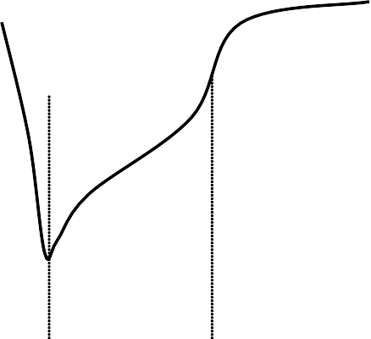

Table 40
8.3. General Purpose ADC An 8-bit SAR ADC is integrated for general purpose use, as well as for digitizing the on-chip temperature sensor reading. Registers 0Fh "ADC Configuration", 10h "Sensor Offset" and 4Fh "Amplifier Offset" can be used to configure the ADC operation. Details of these registers are in “AN440: EZRadioPRO Detailed Register Descriptions.” Every time an ADC conversion is desired, bit 7 "adcstart/adcdone" in Register 0Fh “ADC Configuration” must be set to 1. The conversion time for the ADC is 350 µs. After the ADC conversion is done and the adcdone signal is showing 1, then the ADC value may be read out of “Register 11h: ADC Value." When the ADC is doing its conversion, the adcstart/adcdone bit will read 0. When the ADC has finished its conversion, the bit will be set to 1. A new ADC conversion can be initiated by writing a 1 to the adcstart/adcdone bit. The architecture of the ADC is shown in Figure 27. The signal and reference inputs of the ADC are selected by adcsel[2:0] and adcref[1:0] in register 0Fh “ADC Configuration”, respectively. The default setting is to read out the temperature sensor using the bandgap voltage (VBG) as reference. With the VBG reference the input range of the ADC is from 0–1.02 V with an LSB resolution of 4 mV (1.02/255). Changing the ADC reference will change the LSB resolution accordingly. A differential multiplexer and amplifier are provided for interfacing external bridge sensors. The gain of the amplifier is selectable by adcgain[1:0] in Register 0Fh. The majority of sensor bridges have supply voltage (VDD) dependent gain and offset. The reference voltage of the ADC can be changed to either VDD/2 or VDD/3. A programmable VDD dependent offset voltage can be added using soffs[3:0] in register 10h.
Diff. MUX Diff. Amp.
 |  |  | …

GPIO0 |  |  | … |  | Input MUX

 |  | aoffs [4:0] soffs [3:0] adcsel [2:0] adcgain [1:0] |  |  |  | …
GPIO1
GPIO2 |  |  |  |  |  |  | 8-bit ADC
Temperature Sensor
 |  |  |  |  |  |  |  | Vin Vref 0 -1020mV / 0-255 |  |  | adc [7:0]

adcsel [2:0]
adcref [1:0] Figure 27. General Purpose ADC Architecture
Add | R/W |  | Function/Description | D7 |  |  | D6 |  | D5 | D4 |  | D3 | D2 | D1 | D0 | POR Def.
0F | R/W |  | ADC Configuration | adcstart/adcdone |  |  | adcsel[2] |  | adcsel[1] | adcsel[0] |  | adcref[1] | adcref[0] | adcgain[1] | adcgain[0] | 00h
10 | R/W |  | Sensor Offset |  |  |  |  |  |  |  |  | soffs[3] | soffs[2] | soffs[1] | soffs[0] | 00h
11 | R |  | ADC Value | adc[7] |  |  | adc[6] |  | adc[5] | adc[4] |  | adc[3] | adc[2] | adc[1] | adc[0] | —

Ref MUX
V_{DD} / 3
V_{DD} / 2 V_{BG} (1.2V)

Table 43
=
8.6. Wake-Up Timer and 32 kHz Clock Source The chip contains an integrated wake-up timer which can be used to periodically wake the chip from SLEEP mode. The wake-up timer runs from the internal 32.768 kHz RC Oscillator. The wake-up timer can be configured to run when in SLEEP mode. If enwt = 1 in "Register 07h. Operating Mode and Function Control 1" when entering SLEEP mode, the wake-up timer will count for a time specified defined in Registers 14–16h, "Wake Up Timer Period." At the expiration of this period an interrupt will be generated on the nIRQ pin if this interrupt is enabled. The microcontroller will then need to verify the interrupt by reading the Registers 03h–04h, "Interrupt Status 1 & 2". The wake-up timer value may be read at any time by the wtv[15:0] read only registers 17h–18h. The formula for calculating the Wake-Up Period is the following:
WUT |  |  |  |  |  |  | 4  M  2 R ms 32 .768
WUT Register |  |  | Description
wtr[4:0] |  |  | R Value in Formula
wtm[15:0] |  |  | M Value in Formula
Use of the D variable in the formula is only necessary if finer resolution is required than can be achieved by using the R value.
Add | R/W | Function/Description |  | D7 | D6 | D5 |  | D4 | D3 | D2 | D1 | D0 | POR Def.
14 | R/W | Wake-Up Timer Period 1 |  |  |  |  |  | wtr[4] | wtr[3] | wtr[2] | wtr[1] | wtr[0] | 03h
15 | R/W | Wake-Up Timer Period 2 |  | wtm[15] | wtm[14] | wtm[13] |  | wtm[12] | wtm[11] | wtm[10] | wtm[9] | wtm[8] | 00h
16 | R/W | Wake-Up Timer Period 3 |  | wtm[7] | wtm[6] | wtm[5] |  | wtm[4] | wtm[3] | wtm[2] | wtm[1] | wtm[0] | 00h
17 | R | Wake-Up Timer Value 1 |  | wtv[15] | wtv[14] | wtv[13] |  | wtv[12] | wtv[11] | wtv[10] | wtv[9] | wtv[8] | —
18 | R | Wake-Up Timer Value 2 |  | wtv[7] | wtv[6] | wtv[5] |  | wtv[4] | wtv[3] | wtv[2] | wtv[1] | wtv[0] | —
There are two different methods for utilizing the wake-up timer (WUT) depending on if the WUT interrupt is enabled in “Register 06h. Interrupt Enable 2.” If the WUT interrupt is enabled then nIRQ pin will go low when the timer expires. The chip will also change state so that the 30 MHz XTAL is enabled so that the microcontroller clock output is available for the microcontroller to use to process the interrupt. The other method of use is to not enable the WUT interrupt and use the WUT GPIO setting. In this mode of operation the chip will not change state until commanded by the microcontroller. The different modes of operating the WUT and the current consumption impacts are demonstrated in Figure 29. A 32 kHz XTAL may also be used for better timing accuracy. By setting the x32 ksel bit in Register 07h "Operating & Function Control 1", GPIO0 is automatically reconfigured so that an external 32 kHz XTAL may be connected to this pin. In this mode, the GPIO0 is extremely sensitive to parasitic capacitance, so only the XTAL should be connected to this pin with the XTAL physically located as close to the pin as possible. Once the x32 ksel bit is set, all internal functions such as WUT, micro-controller clock, and LDC mode will use the 32 kHz XTAL and not the 32 kHz RC oscillator. The 32 kHz XTAL accuracy is comprised of both the XTAL parameters and the internal circuit. The XTAL accuracy can be defined as the XTAL initial error + XTAL aging + XTAL temperature drift + detuning from the internal oscillator circuit. The error caused by the internal circuit is typically less than 10 ppm.

Table 44
Current Consumption
1 uA
1 uA
1 uA
Interrupt Enable enwut = 1 ( Reg 06h)
Chip State
1.5 mA 1.5 mA 1.5 mA
Interrupt Enable enwut =0( Reg 06h)
nIRQ
SPI Interrupt Read
Chip State
Sleep
WUT Period GPIOX =00001
Current Consumption | 1 uA Figure 29. WUT Interrupt and WUT Operation

nIRQ
SPI Interrupt Read
Sleep
Ready
Sleep
Ready
Sleep
Ready
Sleep
WUT Period GPIOX =00001

Table 48
8.10. RSSI and Clear Channel Assessment Received signal strength indicator (RSSI) is an estimate of the signal strength in the channel to which the receiver is tuned. The RSSI value can be read from an 8-bit register with 0.5 dB resolution per bit. Figure 31 demonstrates the relationship between input power level and RSSI value. The absolute value of the RSSI will change slightly depending on the modem settings. The RSSI may be read at anytime, but an incorrect error may rarely occur. The RSSI value may be incorrect if read during the update period. The update period is approximately 10 ns every 4 Tb. For 10 kbps, this would result in a 1 in 40,000 probability that the RSSI may be read incorrectly. This probability is extremely low, but to avoid this, one of the following options is recommended: majority polling, reading the RSSI value within 1 Tb of the RSSI interrupt, or using the RSSI threshold described in the next paragraph for Clear Channel Assessment (CCA).
Add | R/W | Function/Description | D7 | D6 | D5 | D4 | D3 | D2 | D1 | D0 | POR Def.
26 | R | Received Signal Strength Indicator | rssi[7] | rssi[6] | rssi[5] | rssi[4] | rssi[3] | rssi[2] | rssi[1] | rssi[0] | —
27 | R/W | RSSI Threshold for Clear Channel Indicator | rssith[7] | rssith[6] | rssith[5] | rssith[4] | rssith[3] | rssith[2] | rssith[1] | rssith[0] | 00h
For CCA, threshold is programmed into rssith[7:0] in "Register 27h. RSSI Threshold for Clear Channel Indicator." After the RSSI is evaluated in the preamble, a decision is made if the signal strength on this channel is above or below the threshold. If the signal strength is above the programmed threshold then the RSSI status bit, irssi, in "Register 04h. Interrupt/Status 2" will be set to 1. The RSSI status can also be routed to a GPIO line by configuring the GPIO configuration register to GPIOx[3:0] = 1110.
RSSI vs Input Power 250 200 150 100 50 0 -120 -100 -80 -60 -40 -20 0 20 In Pow [dBm]
Figure 31. RSSI Value vs. Input Power
9. Reference Design Reference designs are available at www.silabs.com for many common applications which include recommended schematics, BOM, and layout. TX matching component values for the different frequency bands can be found in the application notes “AN435: Si4032/4432 PA Matching” and “AN436: Si4030/4031/4430/4431 PA Matching.” RX matching component values for different frequency bands can be found in “AN427: EZRadioPRO Si433x and Si443x RX LNA Matching.”
 |  | 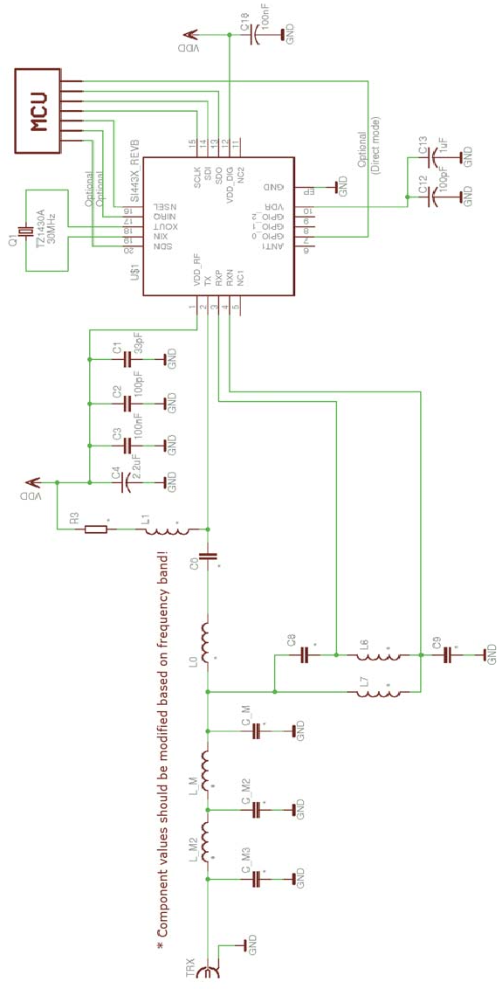

10. Application Notes and Reference Designs A comprehensive set of application notes and reference designs are available to assist with the development of a radio system. A partial list of applications notes is given below. For the complete list of application notes, latest reference designs and demos visit the Silicon Labs website.  AN361: Wireless MBUS Implementation using EZRadioPRO Devices  AN379: Antenna Diversity with EZRadioPRO  AN414: EZRadioPRO Layout Design Guide  AN415: EZRadioPRO Programming Guide  AN417: Si4x3x Family Crystal Oscillators  AN419: ARIB STD-T67 Narrow-Band 426/429 MHz Measured on the Si4431-A0  AN427: EZRadioPRO Si433x and Si443x RX LNA Matching  AN429: Using the DC-DC Converter on the F9xx Series MCU for Single Battery Operation with the EZRadioPRO RF Devices  AN432: RX BER Measurement on EZRadioPRO with a Looped PN Sequence  AN435: Si4032/4432 PA Matching  AN436: Si4030/4031/4430/4431 PA Matching  AN437: 915 MHz Measurement Results and FCC Compliance  AN439: EZRadioPRO Quick Start Guide  AN440: Si4430/31/32 Register Descriptions  AN445: Si4431 RF Performance and ETSI Compliance Test Results  AN451: Wireless M-BUS Software Implementation  AN459: 950 MHz Measurement Results and ARIB Compliance  AN460: 470 MHz Measurement Results for China  AN463: Support for Non-Standard Packet Structures and RAW Mode  AN466: Si4030/31/32 Register Descriptions  AN467: Si4330 Register Descriptions  AN514: Using the EZLink Reference Design to Create a Two-Channel PWM Motor Control Circuit  AN539: EZMacPRO Overview 11. Customer Support Technical support for the complete family of Silicon Labs wireless products is available by accessing the wireless section of the Silicon Labs' website at www.silabs.com/wireless. For answers to common questions please visit the wireless knowledge base at www.silabs.com/support/knowledgebase.

Table 51
1
2
3
4
5
6
20
19 18 17
GND PAD
7
8 9
10
16
15
14
13
12
11
13. Pin Descriptions: Si4430/31/32
VDD_RF TX RXp RXn NC |  |  |  | SCLK SDI SDO VDD_DIG NC
Pin | Pin Name | I/O | Description
1 | VDD_RF | VDD | +1.8 to +3.6 V supply voltage input to all analog +1.7 V regulators. The recommended VDD supply voltage is +3.3 V.
2 | TX | O | Transmit output pin. The PA output is an open-drain connection so the L-C match must supply VDD (+3.3 VDC nominal) to this pin.
3 | RXp | I | Differential RF input pins of the LNA. See application schematic for example matching network.
4 | RXn | I
5 | NC | — | No Connect. Not connected internally to any circuitry.
6 | ANT | O | Extra antenna or TR switch control to be used if more GPIO are required. Pin is a hardwired version of GPIO setting 11000, Antenna 2 and can be manually controlled by the antdiv[2:0] bits in register 08h. See register description of 08h.
7 | GPIO_0 | I/O | General Purpose Digital I/O that may be configured through the registers to perform various functions including: Microcontroller Clock Output, FIFO status, POR, Wake-Up timer, Low Battery Detect, TRSW, AntDiversity control, etc. See the SPI GPIO Configuration Registers, Address 0Bh, 0Ch, and 0Dh for more information.
8 | GPIO_1 | I/O
9 | GPIO_2 | I/O
10 | VR_DIG | O | Regulated Output Voltage of the Digital 1.7 V Regulator. A 1 µF decoupling capacitor is required.
11 | NC | — | Internally this pin is tied to the paddle of the package. This pin should be left unconnected or connected to GND only.
12 | VDD_DIG | VDD | +1.8 to +3.6 V supply voltage input to the Digital +1.7 V Regulator. The recommended VDD supply voltage is +3.3 V.
13 | SDO | O | 0–VDD V digital output that provides a serial readback function of the internal control registers.
14 | SDI | I | Serial Data input. 0–VDD V digital input. This pin provides the serial data stream for the 4-line serial data bus.
15 | SCLK | I | Serial Clock input. 0–VDD V digital input. This pin provides the serial data clock function for the 4-line serial data bus. Data is clocked into the Si4430/31/32 on positive edge transitions.
16 | nSEL | I | Serial Interface Select input. 0– VDD V digital input. This pin provides the Select/Enable function for the 4- line serial data bus. The signal is also used to signify burst read/write mode.
17 | nIRQ | O | General Microcontroller Interrupt Status output. When the Si4430/31/32 exhibits anyone of the Interrupt Events the nIRQ pin will be set low=0. Please see the Control Logic registers section for more information on the Interrupt Events. The Microcontroller can then determine the state of the interrupt by reading a cor- responding SPI Interrupt Status Registers, Address 03h and 04h. No external resistor pull-up is required, but it may be desirable if multiple interrupt lines are connected.
18 | XOUT | O | Crystal Oscillator Output. Connect to an external 30 MHz crystal or to an external source. If using an external source with no crystal then dc coupling with a nominal 0.8 VDC level is recommended with a minimum amplitude of 700 mVpp.
19 | XIN | I | Crystal Oscillator Input. Connect to an external 30 MHz crystal or leave floating when driving with an external source on XOUT..
20 | SDN | I | Shutdown input pin. 0–VDD V digital input. SDN should be = 0 in all modes except Shutdown mode. When SDN =1 the chip will be completely shutdown and the contents of the registers will be lost.
PKG | PADDLE_GND | GND | The exposed metal paddle on the bottom of the Si4430/31/32 supplies the RF and circuit ground(s) for the entire chip. It is very important that a good solder connection is made between this exposed metal paddle and the ground plane of the PCB underlying the Si4430/31/32.

Table 56
Table 20. PCB Land Pattern Dimensions
Symbol | Millimeters
 | Min | Max
C1 | 3.90 | 4.00
C2 | 3.90 | 4.00
E | 0.50 REF
X1 | 0.20 | 0.30
X2 | 2.65 | 2.75
Y1 | 0.65 | 0.75
Y2 | 2.65 | 2.75
Notes: General 1. All dimensions shown are in millimeters (mm) unless otherwise noted. 2. This land pattern design is based on IPC-7351 guidelines.
Note: Solder Mask Design 1. All metal pads are to be non-solder mask defined (NSMD). Clearance between the solder mask and the metal pad is to be 60 µm minimum, all the way around the pad.
Notes: Stencil Design 1. A stainless steel, laser-cut and electro-polished stencil with trapezoidal walls should be used to assure good solder paste release. 2. The stencil thickness should be 0.125 mm (5 mils). 3. The ratio of stencil aperture to land pad size should be 1:1 for the perimeter pads. 4. A 2x2 array of 1.10 x 1.10 mm openings on 1.30 mm pitch should be used for the center ground pad.
Notes: Card Assembly 1. A No-Clean, Type-3 solder paste is recommended. 2. The recommended card reflow profile is per the JEDEC/IPC J-STD-020 specification for small body components.
DOCUMENT CHANGE LIST Revision 0.4 to Revision 1.0  Combined 4430/4431/4432 into single data sheet.  Added Max Shutdown and Standby Currents and adjusted typical values.  Updated TX currents.  Increased datarate to 256 kbps.  Updated Table 11 on page 20.  Revised "7. RX Modem Configuration" on page 49.  Added Sync and Header sections for packet handler description  Updated descriptions on FIFO and Direct Modes  Changed pin 5 to NC and pin 6 to Ant1  Updated "9. Reference Design" on page 62.  Moved Detailed Register Descriptions to Application Note (AN440)  Moved Measurement Results to Application Note (AN438)  Replaced Applications Section with links to App Notes Revision 1.0 to Revision 1.1  Updated pin 6, ANT1 to ANT.  Changed error in TX Datarate formula, "3.5.7. TX Data Rate Generator" on page 31.  Updated "6.1. RX and TX FIFOs" on page 41 regarding the operation at the end of TX FIFO mode.  Updated description of general purpose ADC, "8.3. General Purpose ADC" on page 52.  Added paragraph to "8.6. Wake-Up Timer and 32 kHz Clock Source" on page 56 for how 32 kHz XTAL accuracy is determined.  Added paragraph to "8.8. GPIO Configuration" on page 59 to describe how to control the ANT pin.  Deleted 100 ppm 32 kHz XTAL accuracy specification.  Added new specification for 32k RC start-up.  Updated 32 kHz RC accuracy.  Updated preamble pattern to 010101 from 101010.  Deleted app notes which are not published.  Deleted tape and real quantity.


NOTES:
Simplicity Studio One-click access to MCU tools, documentation, software, source code libraries & more. Available for Windows, Mac and Linux! www.silabs.com/simplicity

MCU Portfolio SW/HW Quality Support and Community www.silabs.com/mcu www.silabs.com/simplicity www.silabs.com/quality community.silabs.com
Disclaimer Silicon Laboratories intends to provide customers with the latest, accurate, and in-depth documentation of all peripherals and modules available for system and software implementers using or intending to use the Silicon Laboratories products. Characterization data, available modules and peripherals, memory sizes and memory addresses refer to each specific device, and "Typical" parameters provided can and do vary in different applications. Application examples described herein are for illustrative purposes only. Silicon Laboratories reserves the right to make changes without further notice and limitation to product information, specifications, and descriptions herein, and does not give warranties as to the accuracy or completeness of the included information. Silicon Laboratories shall have no liability for the consequences of use of the information supplied herein. This document does not imply or express copyright licenses granted hereunder to design or fabricate any integrated circuits. The products must not be used within any Life Support System without the specific written consent of Silicon Laboratories. A "Life Support System" is any product or system intended to support or sustain life and/or health, which, if it fails, can be reasonably expected to result in significant personal injury or death. Silicon Laboratories products are generally not intended for military applications. Silicon Laboratories products shall under no circumstances be used in weapons of mass destruction including (but not limited to) nuclear, biological or chemical weapons, or missiles capable of delivering such weapons.
Trademark Information Silicon Laboratories Inc., Silicon Laboratories, Silicon Labs, SiLabs and the Silicon Labs logo, CMEMS®, EFM, EFM32, EFR, Energy Micro, Energy Micro logo and combinations thereof, "the world’s most energy friendly microcontrollers", Ember®, EZLink®, EZMac®, EZRadio®, EZRadioPRO®, DSPLL®, ISOmodem ®, Precision32®, ProSLIC®, SiPHY®, USBXpress® and others are trademarks or registered trademarks of Silicon Laboratories Inc. ARM, CORTEX, Cortex-M3 and THUMB are trademarks or registered trademarks of ARM Holdings. Keil is a registered trademark of ARM Limited. All other products or brand names mentioned herein are trademarks of their respective holders.
Silicon Laboratories Inc. 400 West Cesar Chavez Austin, TX 78701 USA http://www.silabs.com

