0.1 Compl EB vs all
Variable | Patients with complete eating behavior data (N=1021 after filtering for baseline BMI >=27 and first medical record) | Rest of patients after BMI and 1st medical record filtering | p-value | Cohen's d
N | 1021 | 9934 | N/A | N/A
sex_f | 816 (79.9%) | 7584 (76.3%) | 0.011 | N/A | Patients with complete eating behavior data were enrolled later to the program, the cohort has slightly more women, a significantly lower followup length, and slightly worse treatment outcomes. This may influence generalizabiltiy of results.
age | 47.05 ± 10.49 | 46.60 ± 10.69 | 0.193 | 0.04
height_m | 1.66 ± 0.08 | 1.66 ± 0.08 | 0.373 | -0.03
baseline_weight_kg | 85.88 ± 11.32 | 86.44 ± 12.38 | 0.138 | -0.05
baseline_bmi | 31.14 ± 2.49 | 31.25 ± 2.74 | 0.217 | -0.04
baseline_fat_% | 42.51 ± 5.24 | 42.21 ± 5.51 | 0.079 | 0.06
baseline_muscle_% | 28.63 ± 3.61 | 28.88 ± 3.78 | 0.04 | -0.06
total_followup_days | 86.44 ± 77.22 | 119.12 ± 115.52 | <0.001 | -0.29
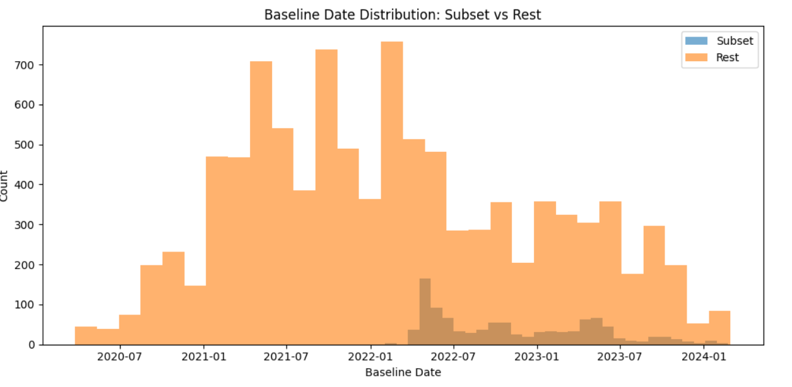
nr_total_measurements | 17.27 ± 20.07 | 22.51 ± 31.23 | <0.001 | -0.17
avg_days_between_measurements | 7.23 ± 5.58 | 8.29 ± 9.27 | <0.001 | -0.12
total_wl_kg | -8.33 ± 5.92 | -8.90 ± 6.53 | 0.004 | 0.09
total_wl_% | -9.65 ± 6.62 | -10.22 ± 7.14 | 0.01 | 0.08
final_bmi | 28.13 ± 2.97 | 28.02 ± 3.17 | 0.293 | 0.03
bmi_reduction | -3.02 ± 2.14 | -3.22 ± 2.35 | 0.004 | 0.09
last_aval_fat_% | 36.86 ± 6.35 | 36.26 ± 6.52 | 0.004 | 0.09
total_fat_loss_% | -5.65 ± 4.06 | -5.95 ± 4.57 | 0.029 | 0.07
last_aval_muscle_% | 31.88 ± 4.20 | 32.30 ± 4.31 | 0.002 | -0.10
total_muscle_change_% | 3.25 ± 2.40 | 3.42 ± 2.74 | 0.028 | -0.06
40d_dropout | 306 (30.0%) | 2795 (28.1%) | 0.229 | N/A
60d_dropout | 470 (46.0%) | 4008 (40.3%) | <0.001 | N/A
80d_dropout | 586 (57.4%) | 5016 (50.5%) | <0.001 | N/A
5%_wl_achieved | 764 (74.8%) | 7778 (78.3%) | 0.012 | N/A
days_to_5%_wl | 22.07 ± 13.69 | 23.87 ± 22.95 | 0.001 | -0.08
10%_wl_achieved | 504 (49.4%) | 5387 (54.2%) | 0.003 | N/A
days_to_10%_wl | 51.89 ± 25.13 | 53.13 ± 32.35 | 0.304 | -0.04
15%_wl_achieved | 243 (23.8%) | 2996 (30.2%) | <0.001 | N/A
days_to_15%_wl | 85.47 ± 32.62 | 86.31 ± 40.14 | 0.704 | -0.02

