0.1 Compl EB vs all
Variable | Patients with complete eating behavior data (N=1021 after filtering for baseline BMI >=27 and first medical record) | Rest of patients after BMI and 1st medical record filtering | p-value | Cohen's d
N | 1021 | 9934 | N/A | N/A
sex_f | 816 (79.9%) | 7584 (76.3%) | 0.011 | N/A | Patients with complete eating behavior data were enrolled later to the program, the cohort has slightly more women, a significantly lower followup length, and slightly worse treatment outcomes. This may influence generalizabiltiy of results.
age | 47.05 ± 10.49 | 46.60 ± 10.69 | 0.193 | 0.04
height_m | 1.66 ± 0.08 | 1.66 ± 0.08 | 0.373 | -0.03
baseline_weight_kg | 85.88 ± 11.32 | 86.44 ± 12.38 | 0.138 | -0.05
baseline_bmi | 31.14 ± 2.49 | 31.25 ± 2.74 | 0.217 | -0.04
baseline_fat_% | 42.51 ± 5.24 | 42.21 ± 5.51 | 0.079 | 0.06
baseline_muscle_% | 28.63 ± 3.61 | 28.88 ± 3.78 | 0.04 | -0.06
total_followup_days | 86.44 ± 77.22 | 119.12 ± 115.52 | <0.001 | -0.29
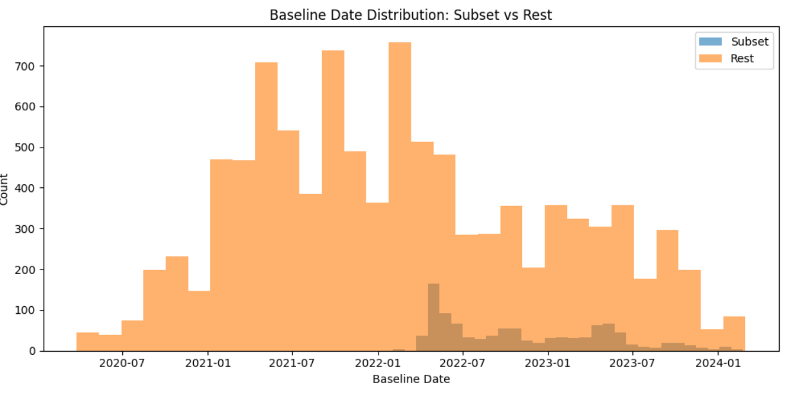
instant_dropout | 47 (4.6%) | 493 (5.0%) | 0.668 | N/A
dietitian_visits | 4.71 ± 3.74 | 4.76 ± 4.45 | 0.693 | -0.01
nr_total_measurements | 17.27 ± 20.07 | 22.51 ± 31.23 | <0.001 | -0.17
avg_days_between_measurements | 7.23 ± 5.58 | 8.29 ± 9.27 | <0.001 | -0.12
genomics_sample_id | 147 (14.4%) | 1239 (12.5%) | 0.087 | N/A
last_aval_weight_kg | 77.55 ± 11.49 | 77.54 ± 12.34 | 0.973 | 0.00
total_wl_kg | -8.33 ± 5.92 | -8.90 ± 6.53 | 0.004 | 0.09
total_wl_% | -9.65 ± 6.62 | -10.22 ± 7.14 | 0.01 | 0.08
final_bmi | 28.13 ± 2.97 | 28.02 ± 3.17 | 0.293 | 0.03
bmi_reduction | -3.02 ± 2.14 | -3.22 ± 2.35 | 0.004 | 0.09
last_aval_fat_% | 36.86 ± 6.35 | 36.26 ± 6.52 | 0.004 | 0.09
total_fat_loss_% | -5.65 ± 4.06 | -5.95 ± 4.57 | 0.029 | 0.07
last_aval_muscle_% | 31.88 ± 4.20 | 32.30 ± 4.31 | 0.002 | -0.10
total_muscle_change_% | 3.25 ± 2.40 | 3.42 ± 2.74 | 0.028 | -0.06
40d_dropout | 306 (30.0%) | 2795 (28.1%) | 0.229 | N/A
wl_40d_% | -8.28 ± 3.15 | -8.39 ± 3.19 | 0.36 | 0.04
40d_fat_loss_% | -4.90 ± 2.03 | -4.88 ± 2.35 | 0.845 | -0.01
40d_muscle_change_% | 2.87 ± 1.32 | 2.84 ± 1.53 | 0.698 | 0.01
60d_dropout | 470 (46.0%) | 4008 (40.3%) | <0.001 | N/A
wl_60d_% | -10.65 ± 3.83 | -10.74 ± 3.90 | 0.572 | 0.02
60d_fat_loss_% | -6.24 ± 2.46 | -6.26 ± 2.81 | 0.844 | 0.01
60d_muscle_change_% | 3.63 ± 1.56 | 3.64 ± 1.80 | 0.866 | -0.01
80d_dropout | 586 (57.4%) | 5016 (50.5%) | <0.001 | N/A
wl_80d_% | -12.39 ± 4.13 | -12.42 ± 4.56 | 0.901 | 0.01
80d_fat_loss_% | -7.28 ± 2.66 | -7.21 ± 3.28 | 0.585 | -0.02
80d_muscle_change_% | 4.20 ± 1.68 | 4.16 ± 2.06 | 0.659 | 0.02
5%_wl_achieved | 764 (74.8%) | 7778 (78.3%) | 0.012 | N/A
days_to_5%_wl | 22.07 ± 13.69 | 23.87 ± 22.95 | 0.001 | -0.08
10%_wl_achieved | 504 (49.4%) | 5387 (54.2%) | 0.003 | N/A
days_to_10%_wl | 51.89 ± 25.13 | 53.13 ± 32.35 | 0.304 | -0.04
15%_wl_achieved | 243 (23.8%) | 2996 (30.2%) | <0.001 | N/A
days_to_15%_wl | 85.47 ± 32.62 | 86.31 ± 40.14 | 0.704 | -0.02

0.2 Compl EB+WGC vs compl EB
Variable | Patients with complete Weight gain cause data in the complete EB cohort | Rest of patients with complete eating behavior | p-value | Cohen's d
N | 304 | 717 | N/A | N/A
sex_f | 248 (81.6%) | 568 (79.2%) | 0.438 | N/A
age | 46.47 ± 10.65 | 47.29 ± 10.42 | 0.256 | -0.08 | The subset of patients with complete Weight Gain Cause data show clinical differences from the rest of the cohort, but they score higher on eating behavior values
height_m | 1.66 ± 0.08 | 1.66 ± 0.08 | 0.862 | -0.01
baseline_weight_kg | 85.76 ± 11.29 | 85.93 ± 11.34 | 0.82 | -0.02
baseline_bmi | 31.11 ± 2.52 | 31.16 ± 2.48 | 0.762 | -0.02
baseline_fat_% | 42.61 ± 5.29 | 42.47 ± 5.22 | 0.695 | 0.03
baseline_muscle_% | 28.66 ± 3.76 | 28.62 ± 3.55 | 0.877 | 0.01
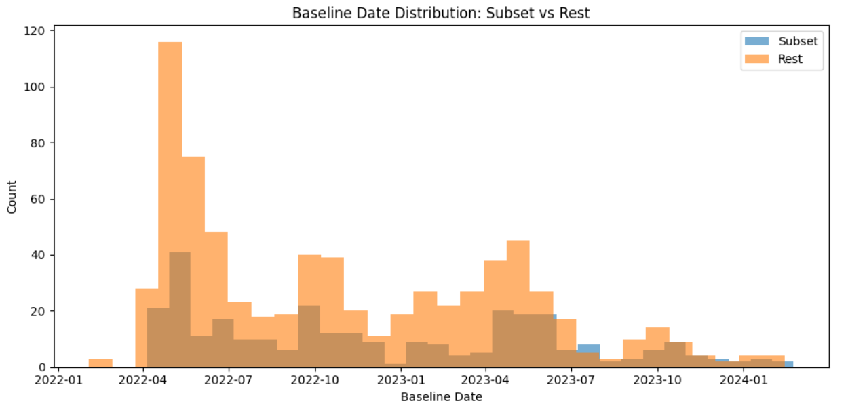
total_followup_days | 82.93 ± 72.07 | 87.93 ± 79.31 | 0.327 | -0.06
instant_dropout | 14 (4.6%) | 33 (4.6%) | 1 | N/A
dietitian_visits | 4.77 ± 3.73 | 4.68 ± 3.75 | 0.736 | 0.02
nr_total_measurements | 16.20 ± 16.25 | 17.73 ± 21.49 | 0.216 | -0.08
avg_days_between_measurements | 7.01 ± 5.43 | 7.33 ± 5.64 | 0.419 | -0.06
genomics_sample_id | 49 (16.1%) | 98 (13.7%) | 0.356 | N/A
last_aval_weight_kg | 77.76 ± 11.27 | 77.47 ± 11.59 | 0.71 | 0.03
total_wl_kg | -8.00 ± 5.65 | -8.47 ± 6.03 | 0.238 | 0.08
total_wl_% | -9.27 ± 6.29 | -9.82 ± 6.75 | 0.211 | 0.08
final_bmi | 28.22 ± 2.93 | 28.09 ± 2.99 | 0.513 | 0.04
bmi_reduction | -2.89 ± 2.01 | -3.07 ± 2.20 | 0.193 | 0.09
last_aval_fat_% | 37.19 ± 6.21 | 36.72 ± 6.41 | 0.277 | 0.07
total_fat_loss_% | -5.42 ± 3.86 | -5.75 ± 4.13 | 0.228 | 0.08
last_aval_muscle_% | 31.76 ± 4.24 | 31.93 ± 4.18 | 0.561 | -0.04
total_muscle_change_% | 3.10 ± 2.29 | 3.31 ± 2.45 | 0.196 | -0.09
40d_dropout | 100 (32.9%) | 206 (28.7%) | 0.21 | N/A
wl_40d_% | -8.21 ± 3.41 | -8.31 ± 3.04 | 0.721 | 0.03
40d_fat_loss_% | -4.89 ± 2.19 | -4.90 ± 1.96 | 0.931 | 0.01
40d_muscle_change_% | 2.87 ± 1.43 | 2.86 ± 1.28 | 0.968 | 0.00
60d_dropout | 151 (49.7%) | 319 (44.5%) | 0.147 | N/A
wl_60d_% | -10.55 ± 3.87 | -10.68 ± 3.82 | 0.71 | 0.04
60d_fat_loss_% | -6.19 ± 2.40 | -6.26 ± 2.48 | 0.742 | 0.03
60d_muscle_change_% | 3.58 ± 1.54 | 3.64 ± 1.58 | 0.683 | -0.04
80d_dropout | 188 (61.8%) | 398 (55.5%) | 0.072 | N/A
wl_80d_% | -12.36 ± 4.20 | -12.41 ± 4.10 | 0.907 | 0.01
80d_fat_loss_% | -7.27 ± 2.66 | -7.29 ± 2.66 | 0.959 | 0.01
80d_muscle_change_% | 4.17 ± 1.66 | 4.21 ± 1.69 | 0.79 | -0.03
5%_wl_achieved | 226 (74.3%) | 538 (75.0%) | 0.877 | N/A
days_to_5%_wl | 21.91 ± 15.24 | 22.13 ± 13.00 | 0.848 | -0.02
10%_wl_achieved | 144 (47.4%) | 360 (50.2%) | 0.446 | N/A
days_to_10%_wl | 50.21 ± 23.50 | 52.56 ± 25.76 | 0.324 | -0.09
15%_wl_achieved | 66 (21.7%) | 177 (24.7%) | 0.347 | N/A
days_to_15%_wl | 86.76 ± 31.31 | 84.99 ± 33.17 | 0.701 | 0.05
hunger_yn | 222 (73.0%) | 439 (61.2%) | <0.001 | N/A
satiety_yn | 196 (64.5%) | 421 (58.7%) | 0.099 | N/A
emotional_eating_yn | 260 (85.5%) | 557 (77.7%) | 0.005 | N/A
emotional_eating_value_likert | 7.23 ± 2.28 | 6.88 ± 2.37 | 0.026 | 0.15
quantity_control_likert | 6.48 ± 2.37 | 5.64 ± 2.49 | <0.001 | 0.34
impulse_control_likert | 6.63 ± 2.45 | 5.87 ± 2.38 | <0.001 | 0.32

