Bug1
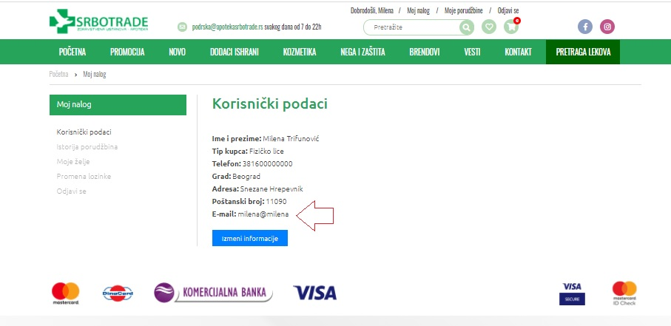
Bug name:User can register with invalid email input

Bug description:On Register page for online shop, where"Email" is mandatory field for registration (confirmation for online orders with detail information about order number, payment amount etc should be sent on email) , invalid e- mail is accepted and registration was completed.

Steps to reproduce: | Data:

Open Google chrome | https://www.google.com

Open URL for Registration page | https://www.apotekasrbotrade.rs/prijava-registracija

Click on field “Vaše ime”

Enter Name | Milena

Click on field “Prezime”

Enter Last Name | Trifunović

Click on field “E-mail adresa”

Enter email | milena@milena

Click on dropbox in “Mobilni telefon” | choose 065

Click on “Mobilni telefon” field

Enter mobile phone | 6663089

Click on field “Grad”

.Enter grad | Beograd

Click on field “Adresa”

Enter address | Snezane Hrepevnik

Click on field “Poštanski broj”

Enter poštanski broj | 11090

Click on checkbox above the “Nastavi sa kupovinom” button

Click on “Nastavi sa kupovinom” button

Expected result: user is not registered and redirected , on screen is pop out message with information that email is invalid;

Actual result: User is registered, on the top of page there is “Dobrodošli” part ,and user is able to order products.

Screenshots:

Bug2
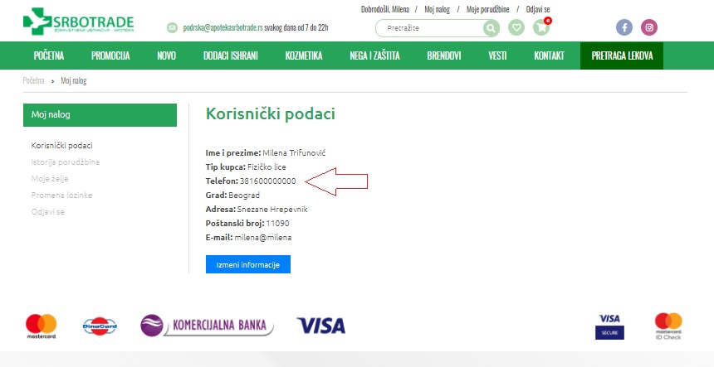
Bug name:User can register with invalid mobile number input

Bug description: On register page for online shop, where Mobile number is mandatory field for registration (information about online order status should be sent in SMS message) , invalid mobile number is accepted and registration was completed.

Steps to reproduce: | Data:

Open Google chrome | https://www.google.com

Open URL for Registration page | https://www.apotekasrbotrade.rs/prijava-registracija

Click on field “Vaše ime”

Enter Name | Milena

Click on field “Prezime”

Enter Last Name | Trifunović

Click on field “E-mail adresa”

Enter email | milena@gmail.com

Click on dropbox in “Mobilni telefon” | choose 065

Click on “Mobilni telefon” field

Enter mobile phone | 0000000

Click on field “Grad”

.Enter grad | Beograd

Click on field “Adresa”

Enter address | Snezane Hrepevnik

Click on field “Poštanski broj”

Enter poštanski broj | 11090

Click on checkbox above the “Nastavi sa kupovinom” button

Click on “Nastavi sa kupovinom” button

Expected result: user is not registered and redirected , on screen is pop out message with information that mobile number is invalid;

Actual result: User is registered, on the top of page there is “Dobrodošli” part ,and user is able to order products.

Screenshots:

Bug3
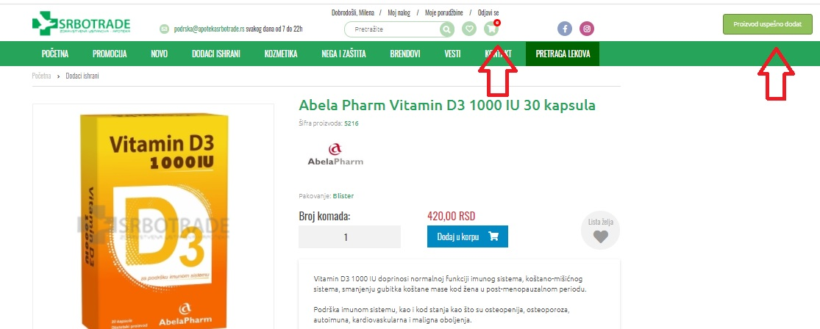
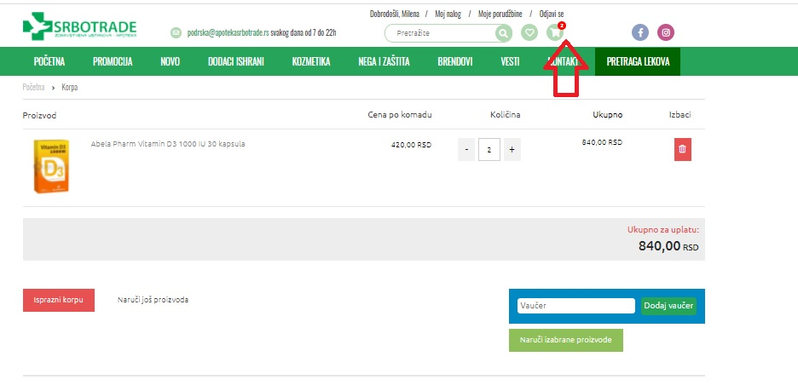
Bug name:Shopping Chart Icon doesn' t change number value when product added into Shopping Chart

Bug description: Shopping Chart Icon has 0 as default value at the beginning of online shopping. When user add one or more products into Shopping Chart, value on Shopping Chart Icon remains 0. That value changes only when user click on Shopping Chart Icon which redirects user to Shopping Chart Page where value changes to correct number of ordered products.

Preconditions: User is registered and logged into account.

Steps to reproduce: | Data:

Click on “Promocija” button on the page bar under logo

Click on any picture of the products shown on opened page

Click on “Dodaj u korpu” button in the right part of opened page

Click again on “Dodaj u korpu” button for the same product

Clic on Shopping Chart Icon at top right part of top bar of the page

Expected result: When user clic button „Dodaj u korpu“ ,Shopping Chart Icon changes default nuber 0 to numer of ordered products.

Actual result: When user clic button „Dodaj u korpu“ ,Shopping Chart Icon doesn't change default nuber 0 to numer of ordered products.

Screenshots:

