Sheet5
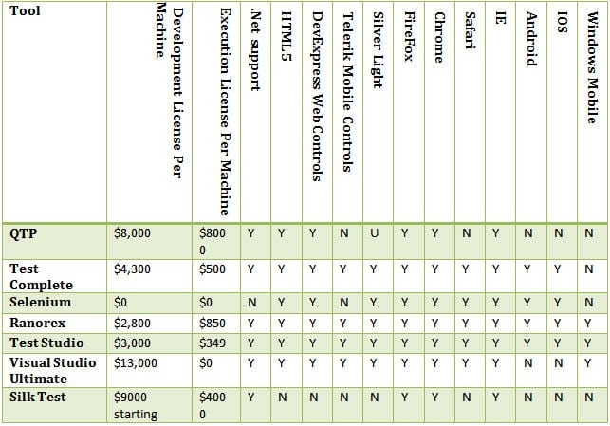
Question #4: Does the tool support the technologies and third-party controls used in your application?
This is a very important aspect while selecting the tool. You should know first hand that what technologies are being used in your application. Consult your developers and write these down. If they are using HTML 5 or SilverLight in web applications, beware, there are not many automation tools to support them. If the tool claims support for these technologies, download the trial version of that tool and try to identify different objects in your application. If the tool fails to identify them, then their claim is false. That activity will save you from the afterward misery.

Test automation tools comparison matrix:

The Following table compares different tools with respect to their licensing price and their support for different technologies. (You should take this chart as a learning practice in how to create comparisons between different tools, but the accuracy of the data given is not 100%)

(Click on image to view enlarged)

Cost of automation tools

Y = Supported, N =Not Supported, U = Unknown

