Dshboard1
Business Intelligence And Analytics


Insights Of My Wellness

Uncovering patterns and trends in daily steps, sleep quality, and physical activity for a healthier lifestyle journey.

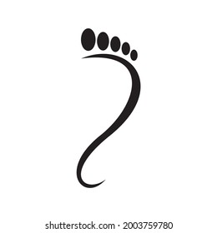
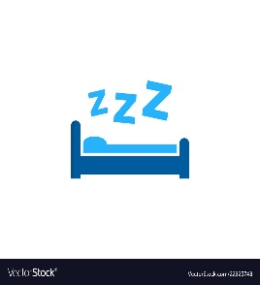


Steps
Sleep
Calories
Activity

Student Name : Mitali Dadhich
Student No. : W0513552

Dashboard 2
Activity Summary: Average Steps, Distance & Run Distance
 | Average of steps | Average of runDistance | Average of distance
2016 | 12815 | 619 | 9196
2017 | 9816 | 490 | 6998
2018 | 8247 | 322 | 5948
2019 | 9077 | 480 | 6496
2020 | 6162 | 459 | 4390
2021 | 5374 | 514 | 4010
2022 | 7834 | 2711 | 5705
2023 | 7426 | 4206 | 5438

Activity Analysis

Wellness Overview: Avg Calories, Run & Deep Sleep
 | Average of calories | Average of runDistance | Average of deepSleepTime
2016 | 488.16064257 | 619 | 134.31325301
2017 | 236.28767123 | 489.86027397 | 147.92328767
2018 | 203.49315068 | 321.50410959 | 134.21643836
2019 | 225.71780822 | 479.66575342 | 76.082191781
2020 | 153.62021858 | 459.02185792 | 124.84699454
2021 | 175.92876712 | 514.14246575 | 64.539726027
2022 | 275.11232877 | 2711.030137 | 73.742465753
2023 | 261.85714286 | 4205.5714286 | 77.285714286

2016 was my peak year for activity, with the highest averages in steps (12,815), distance (9,196 m), and calories burned (488). A steady decline followed, hitting a low in 2021.
In 2023, wellness bounced back, showing a rise in steps (7,426), run distance (4,206 m), and calories burned, signaling renewed commitment to health. Deep sleep remained stable, with minor fluctuations.

RUN

Dashboard3
Poor sleep quality was recorded most frequently (1,024 instances), while excellent sleep was rare (69 nights).
Total deep sleep time: 261,444 minutes; shallow sleep time: 576,321 minutes, showing a trend towards lighter sleep.
Sleep Analysis

Sleep Quality Breakdown
 | Total
Poor | 1024
Good | 912
NoSleep | 449
Excellent | 69
Sleep Depth Analysis
 | Average of deepSleepTime | Average of shallowSleepTime
Total | 106.53789731 | 234.84963325

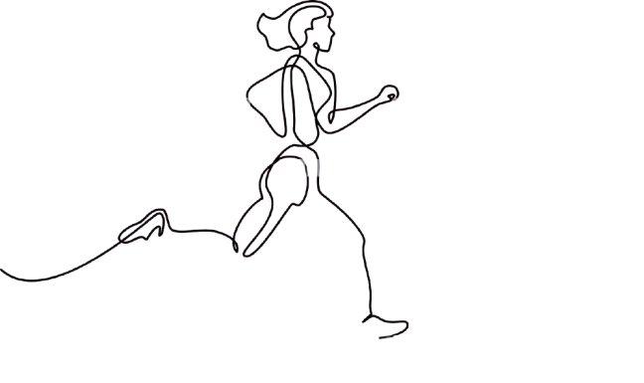

On Track

Dashboard 4
Activity Intensity Distribution
 | Total
Low | 948
High | 765
Moderate | 741
Sleep Quality Overview: Deep sleep time peaked in 2016, with a gradual decrease over the years.
Activity Intensity Distribution: Most activity levels are moderate (948 instances), with fewer instances of high (795) and low (741) intensity.
Average Calories Burned: Caloric burn is slightly higher on weekdays (244.18) compared to weekends (229.57).
Overall Analysis

Sleep Quality Overview
 | Average of deepSleepTime | Average of wakeTime
2016 | 134.31325301 | 1.156626506
2017 | 147.92328767 | 0.44931506849
2018 | 134.21643836 | 3.0520547945
2019 | 76.082191781 | 1.0547945205
2020 | 124.84699454 | 3.1530054645
2021 | 64.539726027 | 11.728767123
2022 | 73.742465753 | 8.6
2023 | 77.285714286 | 3.2857142857

Average Calories Burned
 | Total
Weekday | 244.18197376
Weekend | 229.57061341

You Did IT!

Dashboard 5


Sheet1
 | Average of steps | Average of runDistance | Average of distance | Average of deepSleepTime | Average of shallowSleepTime
2016 | 12815 | 619 | 9196 | 106.53789731 | 234.84963325
2017 | 9816 | 490 | 6998
2018 | 8247 | 322 | 5948
2019 | 9077 | 480 | 6496
2020 | 6162 | 459 | 4390
2021 | 5374 | 514 | 4010
2022 | 7834 | 2711 | 5705
2023 | 7426 | 4206 | 5438
Grand Total | 8263 | 827 | 5956

 |  |  |  |  |  |  |  |  | Row Labels | Average of deepSleepTime | Average of wakeTime
 |  |  |  |  |  |  |  |  | 2016 | 134.31325301 | 1.156626506
 |  |  |  |  |  |  |  |  | 2017 | 147.92328767 | 0.44931506849
 |  |  |  |  |  |  |  |  | 2018 | 134.21643836 | 3.0520547945
 |  |  |  |  |  |  |  |  | 2019 | 76.082191781 | 1.0547945205
 |  |  |  |  |  |  |  |  | 2020 | 124.84699454 | 3.1530054645
 |  |  |  |  |  |  |  |  | 2021 | 64.539726027 | 11.728767123
 |  |  |  |  |  |  |  |  | 2022 | 73.742465753 | 8.6
 |  |  |  |  |  |  |  |  | 2023 | 77.285714286 | 3.2857142857
 |  |  |  |  |  |  |  |  | Grand Total | 106.53789731 | 4.3076609617

Row Labels | Average of calories | Average of runDistance | Average of deepSleepTime
2016 | 488.16064257 | 619 | 134.31325301
2017 | 236.28767123 | 489.86027397 | 147.92328767
2018 | 203.49315068 | 321.50410959 | 134.21643836
2019 | 225.71780822 | 479.66575342 | 76.082191781 |  | Intro ka chart
2020 | 153.62021858 | 459.02185792 | 124.84699454
2021 | 175.92876712 | 514.14246575 | 64.539726027
2022 | 275.11232877 | 2711.030137 | 73.742465753
2023 | 261.85714286 | 4205.5714286 | 77.285714286
Grand Total | 240.00814996 | 826.98655257 | 106.53789731

 |  |  |  |  | Row Labels | Count of Activity
 |  |  |  |  | Low | 948
 |  |  |  |  | High | 765
 |  |  |  |  | Moderate | 741
 |  |  |  |  | Grand Total | 2454

 |  | Row Labels | Count of SleepQuality
 |  | Poor | 1024
 |  | Good | 912
 |  | NoSleep | 449
 |  | Excellent | 69
 |  | Grand Total | 2454

 |  |  |  |  |  |  | Row Labels | Average of calories
 |  |  |  |  |  |  | Weekday | 244.18197376
 |  |  |  |  |  |  | Weekend | 229.57061341
 |  |  |  |  |  |  | Grand Total | 240.00814996

