Pre_Post_Analysis
 | 1.1) I feel I have the knowledge to provide doula services at a hospital, birth center, or home setting. | 1.2) I feel this doula training provided me with a beneficial skill set. | 1.3) I would recommend doula training to other students at Mills. | 1.4) I believe this doula training empowered me to support my community. | 2.1) Communicate with a pregnant person and their family about what they can expect during a pregnancy, labor, childbirth, postpartum period, abortion procedure, or similar reproductive experience. | 2.2) Communicate with a family about what they can expect during an adoption or fostering process. | 2.3) Communicate with someone about their thoughts relating to reproductive processes. | 2.4) Provide effective physical comfort measures to someone in labor. | 2.5) Provide effective emotional support to someone in labor. | 2.6) Facilitate communication between a laboring person and their healthcare team. | 2.7) Advocate for a person’s needs and desires to their healthcare team during labor, childbirth, the immediate postpartum period, and abortion procedures. | 2.8) Describe the benefits of doula support to others.
Pre-course | 1.5454545455 | 3.8181818182 | 3.1 | 3.5454545455 | 1.0909090909 | 0.45454545455 | 1.8181818182 | 0.36363636364 | 1.2727272727 | 1.0909090909 | 1 | 1.4545454545
Post-course | 2.6363636364 | 3.7272727273 | 3.6363636364 | 3.6363636364 | 2.8181818182 | 1.7272727273 | 3.3 | 3 | 3.5454545455 | 2.9090909091 | 2.9090909091 | 3.6363636364

Difference (post - pre) | 1.0909090909 | -0.090909090909 | 0.53636363636 | 0.090909090909 | 1.7272727273 | 1.2727272727 | 1.4818181818 | 2.6363636364 | 2.2727272727 | 1.8181818182 | 1.9090909091 | 2.1818181818
Change in Confidence Providing Doula Services

 |  |  |  |  |  |  |  |  |  |  |  |  | Pre-course (n= 11) | 0.364 | Pre-course (n= 11) | 1.27 | Pre-course (n= 11) | 1.45
 |  |  |  |  |  |  |  |  |  |  |  |  | Post-course (n = 11) | 3.00 | Post-course (n = 11) | 3.55 | Post-course (n = 11) | 3.64

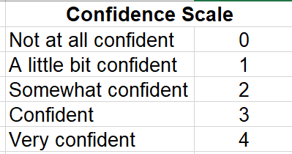

Provide effective emotional support to someone in labor.

Demographic_Analysis
Black Identified (n=4 matching) |  |  |  | PRE_COURSE |  |  |  |  |  | non-Black Identified (n = 7 matching) |  | PRE_COURSE
PRE SURVEY BLACK IDENTIFIED |  |  |  | Banner | 2.4 | 2.5 | 2.6 | 2.7 | 2.8 | PRE SURVEY NON-BLACK |  | Banner | 2.4 | 2.5 | 2.6 | 2.7 | 2.8
B00498488 |  |  |  | B00495496 | 1 | 2 | 1 | 0 | 2 | B00502608 |  | B00502608 | 0 | 4 | 1 | 0 | 4
B00494095 |  |  |  | B00496428 | 0 | 0 | 0 | 0 | 0 | B00495546 |  | B00495546 | 0 | 1 | 4 | 4 | 2
B00495496 |  |  |  | B0052841 | 0 | 0 | 0 | 0 | 0 | B00499977 |  | B00499977 | 1 | 2 | 2 | 2 | 3
B00496428 |  |  |  | B00382544 | 0 | 2 | 2 | 2 | 1 | B00498026 |  | B00498026 | 0 | 0 | 0 | 0 | 0
B00498507 |  |  |  | Mean | 0.25 | 1 | 0.75 | 0.5 | 0.75 | B00495558 |  | B00499944 | 0 | 1 | 2 | 2 | 3
B0052841 |  |  |  |  |  |  |  |  |  | B00499944 |  | B00465879 | 1 | 1 | 0 | 1 | 1
B00382544 |  |  |  | POST_COURSE |  |  |  |  |  | B00465879 |  | B00498304 | 1 | 1 | 0 | 0 | 0
POST SURVEY ALL |  |  |  | Banner | 2.4 | 2.5 | 2.6 | 2.7 | 2.8 | B00503127 |  | Mean | 0.42857142857 | 1.4285714286 | 1.2857142857 | 1.2857142857 | 1.8571428571
B00495496 |  |  |  | B00495496 | 4 | 4 | 4 | 4 | 4 | B00498916 |  | POST_COURSE
B00465879 |  |  |  | b00496428 | 1 | 2 | 2 | 2 | 2 | not answered |  | Banner | 2.4 | 2.5 | 2.6 | 2.7 | 2.8
B00498304 |  |  |  | B00502841 | not answered | 4 | 3 | 3 | 4 | B00498304 |  | B00465879 | 3 | 4 | 3 | 3 | 4
b00496428 |  |  |  | B00382544 | 4 | 4 | 3 | 3 | 4 | POST SURVEY ALL |  | B00499944 | 3 | 4 | 4 | 4 | 4
B00499944 |  |  |  | Mean | 3 | 3.5 | 3 | 3 | 3.5 | B00495496 |  | B00495546 | 4 | 3 | 2 | 4 | 2
B00495546 |  |  |  |  |  |  |  |  |  | B00465879 |  | B00502608 | 3 | 4 | 3 | 2 | 4
B00502608 |  |  |  |  |  |  |  |  |  | B00498304 |  | B00499977 | 2 | 4 | 4 | 3 | 4
B00494108 |  |  |  |  |  |  |  |  |  | b00496428 |  | B00498026 | 3 | 3 | 0 | 1 | 4
B00382544 |  |  |  |  |  |  |  |  |  | B00499944 |  | B00498304 | 3 | 3 | 4 | 3 | 4
B00499977 |  |  |  |  |  |  |  |  |  | B00495546 |  | Mean | 3 | 3.5714285714 | 2.8571428571 | 2.8571428571 | 3.7142857143
B00502841 |  |  |  |  |  |  |  |  |  | B00502608
B00504701 |  |  |  |  |  |  |  |  |  | B00494108
B00498026 |  |  |  |  |  |  |  |  |  | B00382544
 |  |  |  |  |  |  |  |  |  | B00499977
 |  |  |  |  |  |  |  |  |  | B00502841
 |  |  |  |  |  |  |  |  |  | B00504701
TABLES FOR GRAPHS: |  |  |  |  |  |  |  |  |  | B00498026
Provide effective physical comfort measures to someone in labor.
 | 2.4) Provide effective physical comfort measures to someone in labor. |  |  |  |  |  |  |  |  |  | AVERAGE DIFFERENCE IN CONFIDENCE for 2.4-8:
 | Demographic | Pre-Course | Post-Course | Difference |  |  |  |  |  |  | Demographic | Average Difference in Pre- to Post- Confidence
 | Black | 0.25 | 3 | 2.75 |  |  |  |  |  |  | Black | 2.55
 | Non-Black | 0.42857142857 | 3 | 2.5714285714 |  |  |  |  |  |  | non-Black | 1.9428571429

Average Difference in Pre- to Post- Average Confidence 2.4-8
 | 2.5) Provide effective emotional support to someone in labor.
 | Demographic | Pre-Course | Post-Course | Difference
 | Black | 1 | 3.5 | 2.5
 | Non-Black | 1.4285714286 | 3.5714285714 | 2.1428571429

 | 2.6) Facilitate communication between a laboring person and their healthcare team.
 | Demographic | Pre-Course | Post-Course | Difference
 | Black | 0.75 | 3 | 2.25
 | Non-Black | 1.2857142857 | 2.8571428571 | 1.5714285714

Provide effective emotional support to someone in labor.
 | 2.7) Advocate for a person’s needs and desires to their healthcare team during labor, childbirth, the immediate postpartum period, and abortion procedures.
 | Demographic | Pre-Course | Post-Course | Difference
 | Black | 0.5 | 3 | 2.5
 | Non-Black | 1.2857142857 | 2.8571428571 | 1.5714285714

 | 2.8) Describe the benefits of doula support to others.
 | Demographic | Pre-Course | Post-Course | Difference
 | Black | 0.75 | 3.5 | 2.75
 | Non-Black | 1.8571428571 | 3.7142857143 | 1.8571428571

Advocate for a person’s needs and desires to their healthcare team during labor, childbirth, the immediate postpartum period, and abortion procedures.

Facilitate communication between a laboring person and their healthcare team.

Describe the benefits of doula support to others.

PieCharts
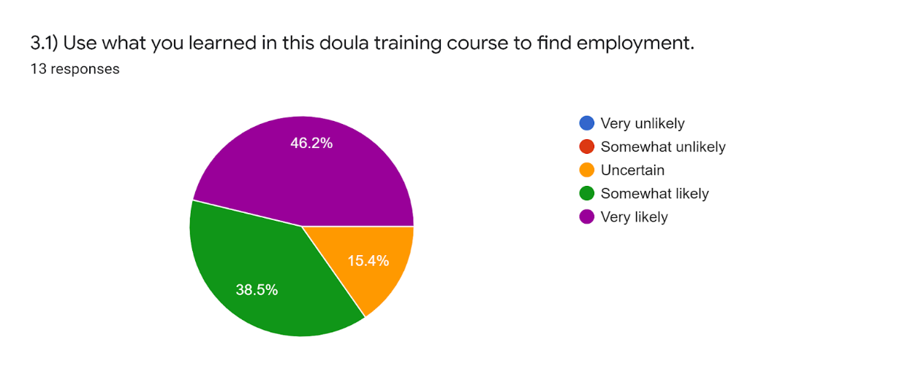
Very likely | 76.9
Somewhat likely | 23.1
Uncertain | 0
Somewhat unlikely | 0
Very unlikely | 0

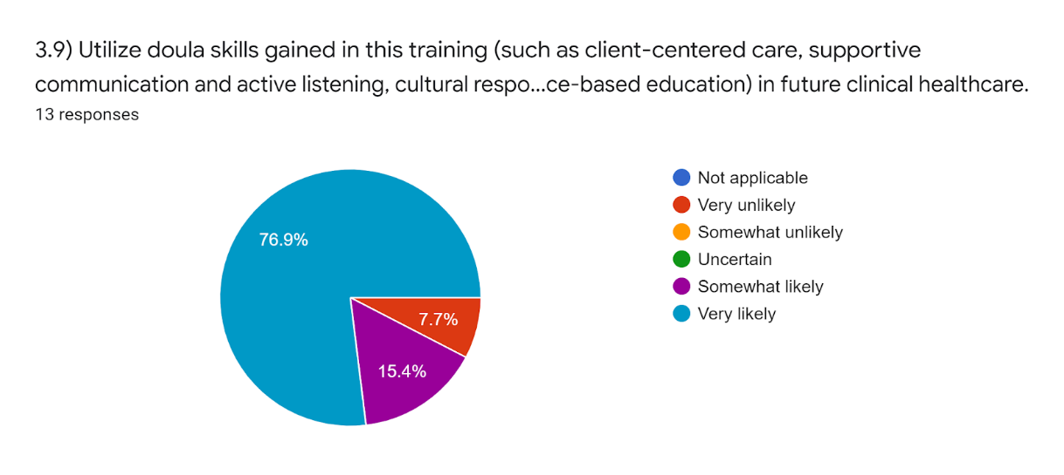

Volunteer your time as a doula to your community.
Very likely | 76.9
Somewhat likely | 15.4
Uncertain | 0
Somewhat unlikely | 0
Very unlikely | 7.7
Not applicable | 0

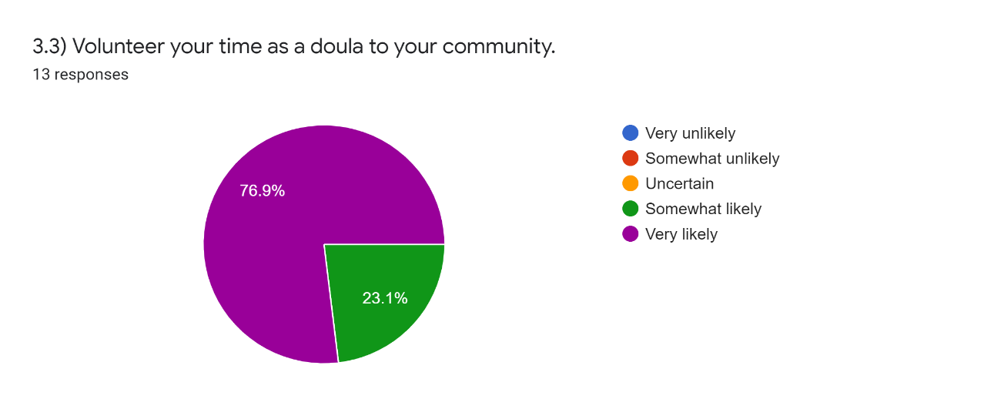

Very likely | 76.9
Somewhat likely | 23.1
Uncertain | 0
Somewhat unlikely | 0
Very unlikely | 0

Utilize doula skills gained in this training (such as client-centered care, supportive communication and active listening, cultural responsiveness, accountability, and evidence-based education) in future clinical healthcare.

