Title Page
Nevada Department of Education
Public School Directory
School Year 2026-2027

The school and district information contained in this directory reflects information reported and maintained by Local Education Agencies (LEAs) in Infinite Campus and represents the information available as of 09/16/2026. LEAs are responsible for maintaining accurate and current school and district information in Infinite Campus. Because information may be updated throughout the school year, this directory represents a point-in-time snapshot and may not reflect changes made after the date shown above.

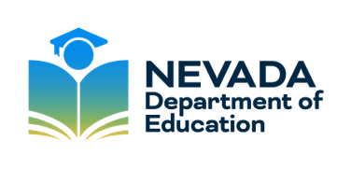

Published: 09/2026

