IEC62559-2-CIEMAT
1 Description of the use case | Instructions are provided as comments in the rows
 | 1.1 Name of use case
 | Use case identification
 | ID | CIEMAT-01
 | Area/ Domain(s)/ Zone(s) | Energy system/Distribution
 | Name of use case | CIEMAT demo-site
 | 1.2 Version management
 | Version No. | 0.1
 | Date | 2021-11-05
 | Name of author(s) | Maria Fotopoulou, Fotis Stergiopoulos, Dimitrios Rakopoulos (CERTH)
 | Changes
 | Approval status | Draft
 | 1.3 Scope and objectives of use case
 | Scope | Construction of an AC/DC hybrid grid for the efficient distribution of power generated by Renewable Energy Sources (RES) which mostly produce DC power. | Flexible configuration through Battery Storage System (BSS) for DC-based hybrid grids
 | Objective(s) | -Enhancement of the local grid -Efficient incorporation of DC-based RES and storage in a distribution grid -Definition of topology, voltage levels and required equipement for an AC/DC hybrid grid -Construction of novel power converters -Implementation of Energy Management System (EMS) for hybrid grids -Evaluation of the performance of AC/DC hybrid grids in the case of CIEMAT grid.
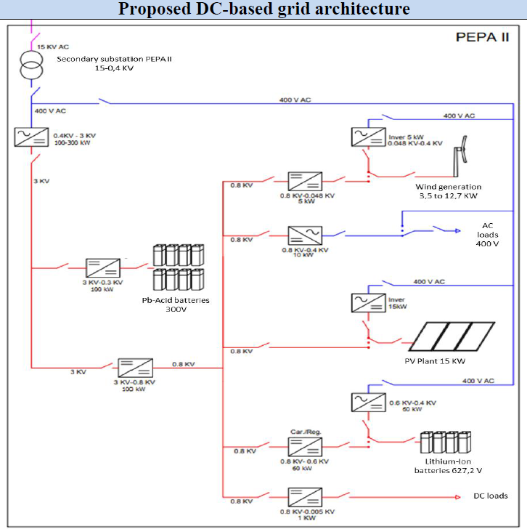
 | Related business case(s) | Efficient and environmental-friendly distribution of energy.
 | 1.4 Narrative of use case
 | Short description | Design, construction and evaluation of an AC/DC hybrid grid in CIEMAT, Spain including a variety of RES and storage.
 | Complete description | The CIEMAT demo site includes a PV installation, 1-3 wind turbines, two Battery Energy Storage Systems (BESS) and two sorts of loads (AC and DC). Since the majority of these components utilizes DC power, it would be efficient to have an AC/DC hybrid grid. The topology, the required converters, the operation modes, etc. need to be defined and implemented, which is the purpose of TIGON.
 | 1.5 Key performance indicators (KPI)
 | ID | kpi_01
 | Name | Self-consumption rate
 | Description | The ratio of consumed renewable energy over the sum of all renewable electricity generated on site.
 | Reference to mentioned use case objectives | Efficient incorporation of DC-based RES and storage in a distribution grid.
 | 1.6 Use case conditions
 | Assumptions | -
 | Prerequisites | Availability of DC-based power supply (PV, BESS, etc.)
 | 1.7 Further information to the use case for classification/mapping
 | Relation to other use cases | Relevant to the AC/DC hybrid grid of the CEA demo site (other use case with the same purpose from the same project).
 | Level of depth | Specialised use case
 | Prioritisation | This use case is beneficial for grid development and RES implementation. It is mandatory for TIGON.
 | Generic, regional or national relation | Generic
 | Nature of the use case | Technical/system use case
 | Further keywords for classification | Small scale, medium voltage (MV), low voltage (LV)
 | 1.8 General remarks
 | General remarks | This use case includes all stages from the theoretical concept up to the construction and evaluation of the AC/DC hybrid grid of CIEMAT.
2 Diagrams of use case
 | Diagram name | AC/DC hybrid architecture for the CIEMAT demo site
 | Diagram type | Architecture, topology
 | Diagram URI type | Image
 | Diagram URI value | AC/DC hybrid architecture for the CIEMAT demo site
3 Technical details
 | 3.1 Actors
 | Grouping | AC/DC hybrid grid development for the CIEMAT demo site
 | Group description | Design, construction and evaluation of AC/DC hybrid pilot grids
 | Actor name | CIEMAT's grid operator | Theoretical research entities | Constructors of power electronics | Developers of software applications | CIEMAT's grid
 | Actor type | Distribution system operator | Research centres | Construction companies | Software companies | Grid (including distributed resources, loads, buses, lines, etc.)
 | Actor description | They shall operate the AC/DC hybrid grid of CIEMAT | Investigation of architectures, requirements, etc. for grid development. | Construction of appropriate DC-based power electronics, including solid state transformers, DC/DC converters, etc. | Developers of energy management systems, dicision support systems, etc. | Power lines, distributed resources, loads, buses, etc.
 | Further information specific to this use case
 | 3.2 References
 | Name | State of the Art of Low and Medium Voltage Direct Current (DC) Microgrids | TIGON D2.2 Demo site grids boundary conditions, overall requirements and operation modes
 | No. | 1 | 2
 | References type | Review paper | Deliverable
 | Reference | Review of topologies, interfaces, applications and standards concerning DC incorporation in AC distribution grids. | Design of the architecture used in the CIEMAT use case
 | Status | Published | Finalized
 | Impact on use case | High | High
 | Originator/organisation | CERTH | CERTH
 | Link | https://doi.org/10.3390/en14185595

4 Step by step analysis of use case | 4.1 Overview of scenarios
 | Scenario conditions
 | No. | 1
 | Scenario name | CIEMAT demo site: A flexible configuration through BESS for DC-based hybrid grids
 | Scenario description | Deployment and integration of AC/DC hybrid solutions in CIEMAT demo site
 | Primary actor | CIEMAT's grid operator
 | Triggering event | The event is triggered by the necessity for efficient incorporation of RES and storage units (which are usually DC-based) in distribution grids
 | Pre-condition | System design, availability of RES and BESS units, construction of respective power converters, energy management system, etc.
 | Postcondition | High self-consumption rate, cost reduction, lower peak-demand, etc., which is monitored throuh respective KPIs
 | 4.2 Steps – Scenarios
 | Scenario name: | CIEMAT demo site: A flexible configuration through BESS for DC-based hybrid grids
 | Step No. | 1 | 2 | 3 | 4
 | Event | Need for research regarding AC/DC hybrid system designs | Completion of the previous step, which is the theoretical analysis of the use case | Completion of the previous step, which is the design of the physical architecture | Completion of all previous steps, which provide the means for the deployment of AC/DC hybrid systems in the CIEMAT demo site
 | Name of process/activity | Boundary conditions and baseline for TIGON development | Development of physical architecture | Software applications for an efficient monitoring, control and management of the grid | CIEMAT demo site: A flexible configuration through BESS for DC-based hybrid grids
 | Description of process/activity | The objective is to define the baseline and key aspects for the correct development and later deployment of the TIGON solutions, including the modelling and characterization of the CIEMAT demo-site as well as the definition of alternative operation modes and ancillary services to be provided to the main grid. | The objective is to design and develop novel physical architectures and grid assets to be implemented at TIGON demo-sites for fostering the implementation of DC-based hybrid grid across Europe | The objective is to develop innovative monitoring, control and management strategies for an optimized operation and performance of hybrid grids based on DC-architectures with the aim of improving the efficiency, resilience and security of TIGON demo-sites. | The objective is to deploy and integrate TIGON solutions in CIEMAT demo-site, with the aim of demonstrating a smart and flexible management of MV DC-based grids linked to energy storage systems and providing stability yo the LV hybrid grid.
 | Service | GET | GET | GET | GET
 | Information producer (actor) | Theoretical research entities | Constructors of power electronics | Developers of software applications (EMS, DSS, etc.) | CIEMAT's grid operator
 | Information receiver (actor) | CIEMAT's grid operator, Constructors of power electronics, Developers of software applications (EMS, DSS, etc.) | CIEMAT's grid operator, Developers of software applications (EMS, DSS, etc.) | CIEMAT's grid operator | CIEMAT's grid
 | Information exchanged (IDs) | I-01 | I-02 | I-03 | I-04
 | Reference to Scenario number | 1 | 1 | 1 | 1
5 Information exchanged
 | Requirement, R-Ids | IS-1 (Information Security) | IS-1 | IS-1 | IS-1
 | Information exchanged, ID | I-01 | I-02 | I-03 | I-04
 | Name of information | Design of CIEMAT's grid | Construction of CIEMAT's grid components | Software of CIEMAT's grid | Operation of CIEMAT's grid
 | Description of information exchanged | Topologies, voltage levels, KPIs, etc. | Details on the constructed power converters, their requirements, etc. | Details regarding the proposed operation of the grid | Operation and evaluation of the constructed AC/DC hybrid grid.

IEC62559-2-CEA
1 Description of the use case | Instructions are provided as comments in the rows
 | 1.1 Name of use case
 | Use case identification
 | ID | CEA-01
 | Area/ Domain(s)/ Zone(s) | Energy system/Distribution
 | Name of use case | CEA demo-site
 | 1.2 Version management
 | Version No. | 0.1
 | Date | 2021-11-05
 | Name of author(s) | Maria Fotopoulou, Fotis Stergiopoulos, Dimitrios Rakopoulos (CERTH)
 | Changes
 | Approval status | Draft
 | 1.3 Scope and objectives of use case
 | Scope | Construction of an AC/DC hybrid grid for the efficient distribution of power generated by Renewable Energy Sources (RES) which mostly produce DC power. | A DC-based grid architecture optimizing the high penetration of
 | Objective(s) | -Enhancement of the local grid -Efficient incorporation of DC-based RES and storage in a distribution grid -Definition of topology, voltage levels and required equipement for an AC/DC hybrid grid -Construction of novel power converters -Implementation of Energy Management System (EMS) for hybrid grids -Evaluation of the performance of AC/DC hybrid grids in the case of CEA grid.
 | Related business case(s) | Efficient and environmental-friendly distribution of energy. | enewable ener
 | 1.4 Narrative of use case
 | Short description | Design, construction and evaluation of an AC/DC hybrid grid in CEA, France including a variety of RES and storage.
 | Complete description | The CEA demo site includes 2 PV installations, 1 Battery Energy Storage System (BESS) and load. Since the majority of these components utilizes DC power, it would be efficient to have an AC/DC hybrid grid. The topology, the required converters, the operation modes, etc. need to be defined and implemented, which is the purpose of TIGON.
 | 1.5 Key performance indicators (KPI)
 | ID | kpi_01
 | Name | Self-consumption rate
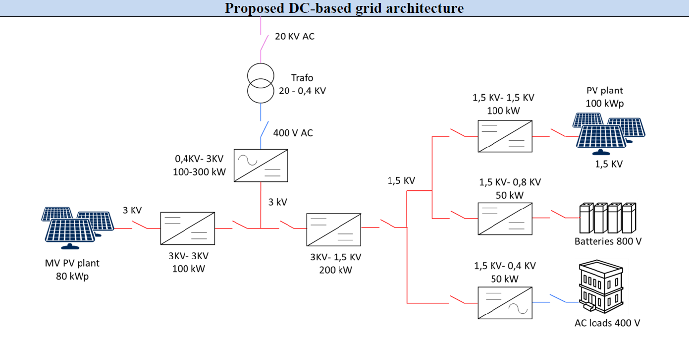
 | Description | The ratio of consumed renewable energy over the sum of all renewable electricity generated on site.
 | Reference to mentioned use case objectives | Efficient incorporation of DC-based RES and storage in a distribution grid.
 | 1.6 Use case conditions
 | Assumptions | -
 | Prerequisites | Availability of DC-based power supply (PV, BESS, etc.)
 | 1.7 Further information to the use case for classification/mapping
 | Relation to other use cases | Relevant to the AC/DC hybrid grid of the CIEMAT demo site (other use case with the same purpose from the same project).
 | Level of depth | Specialised use case
 | Prioritisation | This use case is beneficial for grid development and RES implementation. It is mandatory for TIGON.
 | Generic, regional or national relation | Generic
 | Nature of the use case | Technical/system use case
 | Further keywords for classification | Small scale, medium voltage (MV), low voltage (LV)
 | 1.8 General remarks
 | General remarks | This use case includes all stages from the theoretical concept up to the construction and evaluation of the AC/DC hybrid grid of CEA.
2 Diagrams of use case
 | Diagram name | Hybrid architecture for the CEA demo site
 | Diagram type | Architecture, topology
 | Diagram URI type | Image
 | Diagram URI value | Hybrid architecture for the CEA demo site
3 Technical details
 | 3.1 Actors
 | Grouping | AC/DC hybrid grid development for the CEA demo site
 | Group description | Design, construction and evaluation of AC/DC hybrid pilot grids
 | Actor name | CEA's grid operator | Theoretical research entities | Constructors of power electronics | Developers of software applications | CEA's grid
 | Actor type | Distribution system operator | Research centres | Construction companies | Software companies | Grid (including distributed resources, loads, buses, lines, etc.)
 | Actor description | They shall operate the AC/DC hybrid grid of CEA | Investigation of architectures, requirements, etc. for grid development. | Construction of appropriate DC-based power electronics, including solid state transformers, DC/DC converters, etc. | Developers of energy management systems, dicision support systems, etc. | Power lines, distributed resources, loads, buses, etc.
 | Further information specific to this use case
 | 3.2 References
 | Name | State of the Art of Low and Medium Voltage Direct Current (DC) Microgrids | TIGON D2.2 Demo site grids boundary conditions, overall requirements and operation modes
 | No. | 1 | 2
 | References type | Review paper | Deliverable
 | Reference | Review of topologies, interfaces, applications and standards concerning DC incorporation in AC distribution grids. | Design of the architecture used in the CEA use case
 | Status | Published | Finalized
 | Impact on use case | High | High
 | Originator/organisation | CERTH | CERTH
 | Link | https://doi.org/10.3390/en14185595

4 Step by step analysis of use case | 4.1 Overview of scenarios
 | Scenario conditions
 | No. | 1
 | Scenario name | CEA demo-site: A DC-based grid architecture optimizing the high penetration of renewable energy
 | Scenario description | Deployment and integration of AC/DC hybrid solutions in CEA demo site
 | Primary actor | CEA's grid operator
 | Triggering event | The event is triggered by the necessity for efficient incorporation of RES and storage units (which are usually DC-based) in distribution grids
 | Pre-condition | System design, availability of RES and BESS units, construction of respective power converters, energy management system, etc.
 | Postcondition | High self-consumption rate, cost reduction, lower peak-demand, etc., which is monitored throuh respective KPIs
 | 4.2 Steps – Scenarios
 | Scenario name: | CEA demo-site: A DC-based grid architecture optimizing the high penetration of renewable energy
 | Step No. | 1 | 2 | 3 | 4
 | Event | Need for research regarding AC/DC hybrid system designs | Completion of the previous step, which is the theoretical analysis of the use case | Completion of the previous step, which is the design of the physical architecture | Completion of all previous steps, which provide the means for the deployment of AC/DC hybrid systems in the CEA demo site
 | Name of process/activity | Boundary conditions and baseline for TIGON development | Development of physical architecture | Software applications for an efficient monitoring, control and management of the grid | CEA demo-site: A DC-based grid architecture optimizing the high penetration of renewable energy
 | Description of process/activity | The objective is to define the baseline and key aspects for the correct development and later deployment of the TIGON solutions, including the modelling and characterization of the CEA demo-site as well as the definition of alternative operation modes and ancillary services to be provided to the main grid. | The objective is to design and develop novel physical architectures and grid assets to be implemented at TIGON demo-sites for fostering the implementation of DC-based hybrid grid across Europe | The objective is to develop innovative monitoring, control and management strategies for an optimized operation and performance of hybrid grids based on DC-architectures with the aim of improving the efficiency, resilience and security of TIGON demo-sites. | The objective is to deploy and integrate TIGON solutions in CEA demo-site, with the aim of demonstrating how DC-based grids enable an increased penetration of RES in an efficient, stable and secure way while optimizing the management of diverse grid assets.
 | Service | GET | GET | GET | GET
 | Information producer (actor) | Theoretical research entities | Constructors of power electronics | Developers of software applications (EMS, DSS, etc.) | CEA's grid operator
 | Information receiver (actor) | CEA's grid operator, Constructors of power electronics, Developers of software applications (EMS, DSS, etc.) | CEA's grid operator, Developers of software applications (EMS, DSS, etc.) | CEA's grid operator | CEA's grid
 | Information exchanged (IDs) | I-01 | I-02 | I-03 | I-04
 | Reference to Scenario number | 1 | 1 | 1 | 1
5 Information exchanged
 | Requirement, R-Ids | IS-1 (Information Security) | IS-1 | IS-1 | IS-1
 | Information exchanged, ID | I-01 | I-02 | I-03 | I-04
 | Name of information | Design of CEA's grid | Construction of CEA's grid components | Software of CEA's grid | Operation of CEA's grid
 | Description of information exchanged | Topologies, voltage levels, KPIs, etc. | Details on the constructed power converters, their requirements, etc. | Details regarding the proposed operation of the grid | Operation and evaluation of the constructed AC/DC hybrid grid.

