DEFECT1
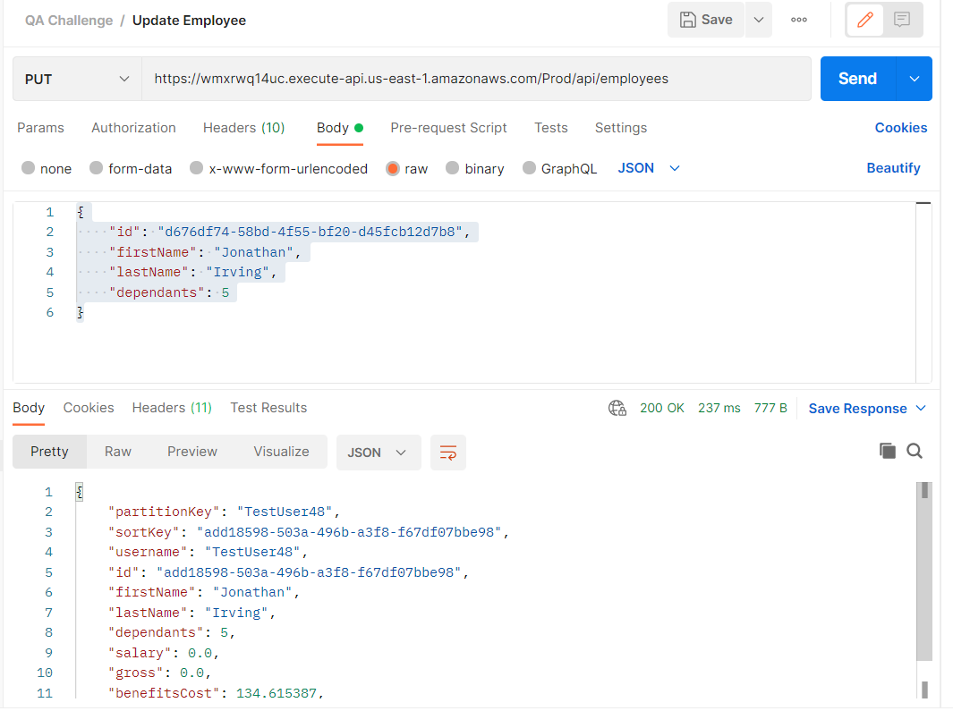
Defect Number | API Method Type | Body | Description | Endpoint | Steps to Reproduce | Expected Response | Actual Response | Status
1 | DELETE | DELETE: https://wmxrwq14uc.execute-api.us-east-1.amazonaws.com/Prod/api/employees/d676df74-58bd-4f55-bf20-d45fcb12d7b8 | Delete a record of an existing employee and then attempt to update it | https://wmxrwq14uc.execute-api.us-east-1.amazonaws.com/Prod/api/employees/d676df74-58bd-4f55-bf20-d45fcb12d7b8 | 1) Delete the record of an existing employee "https://wmxrwq14uc.execute-api.us-east-1.amazonaws.com/Prod/api/employees/d676df74-58bd-4f55-bf20-d45fcb12d7b8" | 200 OK- Employee should be successfully deleted and they should not be present in the frontend or the backend | Same as Expected | PASS
 | PUT(UPDATE) | { "id": "99aa4fbd-682f-4a83-90cd-1e5f92844b5d", "firstName": "Jonathan", "lastName": "Irving", "dependants": 5 } |  | https://wmxrwq14uc.execute-api.us-east-1.amazonaws.com/Prod/api/employees | 2) Update the amount of dependents from 2 to 5 | 404- Record Not Found as this record has been deleted | 200 OK- Employee is successfully updated in the backend even though the record was deleted. There should be an error informing the user that the given record does not exist | FAIL

Screenshots
Employee Successfully Deleted via API Delete Command |  |  |  | Successfully Deleted in the Frontend
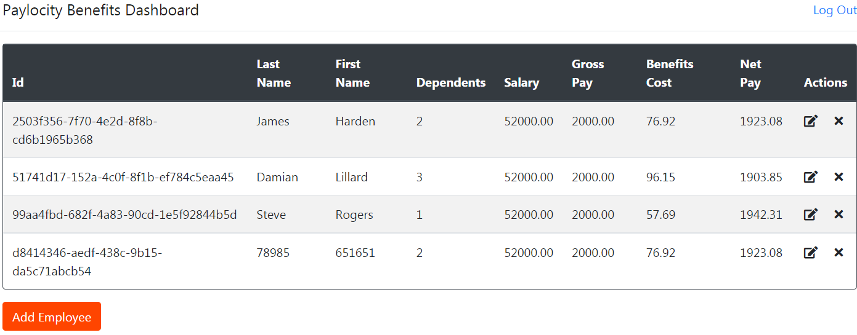
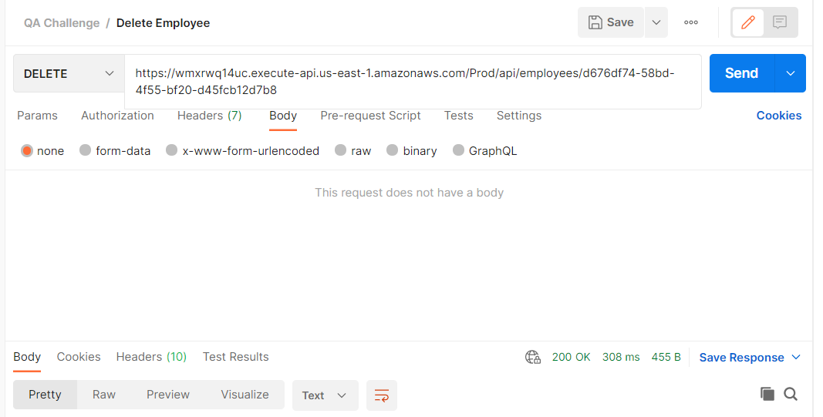

User is able to update the record with 200 OK Status

DEFECT2
Defect Number | API Method Type | Body | Description | Endpoint | Steps to Reproduce | Expected Response | Actual Response | Status
2 | GET | { "partitionKey": "TestUser48", "sortKey": "add18598-503a-496b-a3f8-f67df07bbe98", "username": "TestUser48", "id": "add18598-503a-496b-a3f8-f67df07bbe98", "firstName": "Jonathan", "lastName": "Irving", "dependants": 5, "expiration": "2021-10-06T16:48:36+00:00", "salary": 0.0, "gross": 0.0, "benefitsCost": 134.615387, "net": -134.615387 }, | Get Employee List shows user a deleted record with a negative net pay | https://wmxrwq14uc.execute-api.us-east-1.amazonaws.com/Prod/api/employees? | 1) Get the Employee List and verify that Jonathan Irving is no longer being shown "https://wmxrwq14uc.execute-api.us-east-1.amazonaws.com/Prod/api/employees?" | Employee List should not have Jonathan Irving in the list as he has been deleted as an employee | Employee is present and on the list of Employees | FAIL
 |  |  |  |  | 2) Record of Jonathan Irving is being displayed with a negative net pay "net": -134.615387 }, | Employee List should not have Jonathan Irving in the list as he has been deleted as an employee | Employee is present and on the list of Employees | FAIL

Screenshots

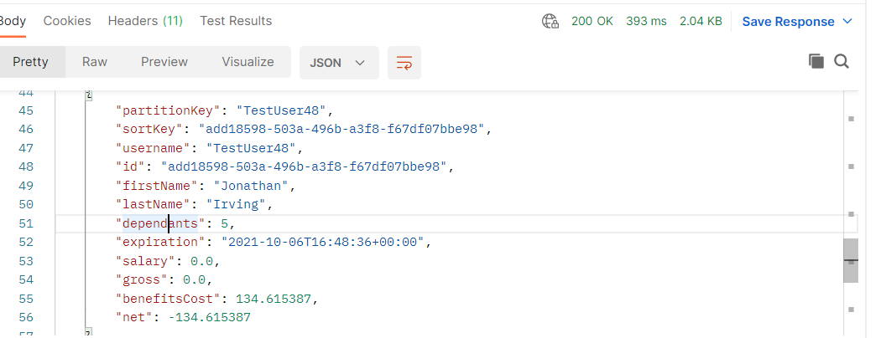
Get Employee List with Jonathan Irving being shown and the negative net balance

DEFECT3
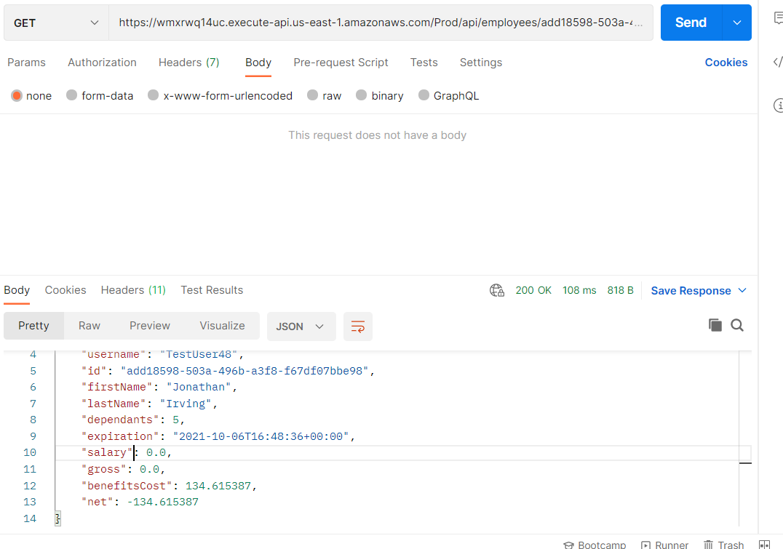
Defect Number | API Method Type | Body | Description | Endpoint | Steps to Reproduce | Expected Response | Actual Response | Status
3 | GET | { "partitionKey": "TestUser48", "sortKey": "add18598-503a-496b-a3f8-f67df07bbe98", "username": "TestUser48", "id": "add18598-503a-496b-a3f8-f67df07bbe98", "firstName": "Jonathan", "lastName": "Irving", "dependants": 5, "expiration": "2021-10-06T16:48:36+00:00", "salary": 0.0, "gross": 0.0, "benefitsCost": 134.615387, "net": -134.615387 } | Get Employee shows user a deleted record with a negative net pay | https://wmxrwq14uc.execute-api.us-east-1.amazonaws.com/Prod/api/employees/add18598-503a-496b-a3f8-f67df07bbe98 | 1) Get the specific Employee using the GET request: "https://wmxrwq14uc.execute-api.us-east-1.amazonaws.com/Prod/api/employees/add18598-503a-496b-a3f8-f67df07bbe98" | Employee List should not have Jonathan Irving in the list as he has been deleted as an employee | Employee is present and on the list of Employees | FAIL

Screenshots

DEFECT4
Defect Number | API Method Type | Body | Description | Endpoint | Steps to Reproduce | Expected Response | Actual Response | Status
4 | POST | { "firstName": "Glaston", "lastName": "Richards", "dependants": } | Leaving dependants empty gives user an unexpected Development Environment Response | https://wmxrwq14uc.execute-api.us-east-1.amazonaws.com/Prod/api/employees?= | 1) Use the POST request to enter a New Employee but leave the dependants field empty https://wmxrwq14uc.execute-api.us-east-1.amazonaws.com/Prod/api/employees?= | It should default to 0 like in the frontend or it should yield a error response informing the user that "The field Dependants must be between 0 and 32." | Displays HTML code with Error Message | FAIL

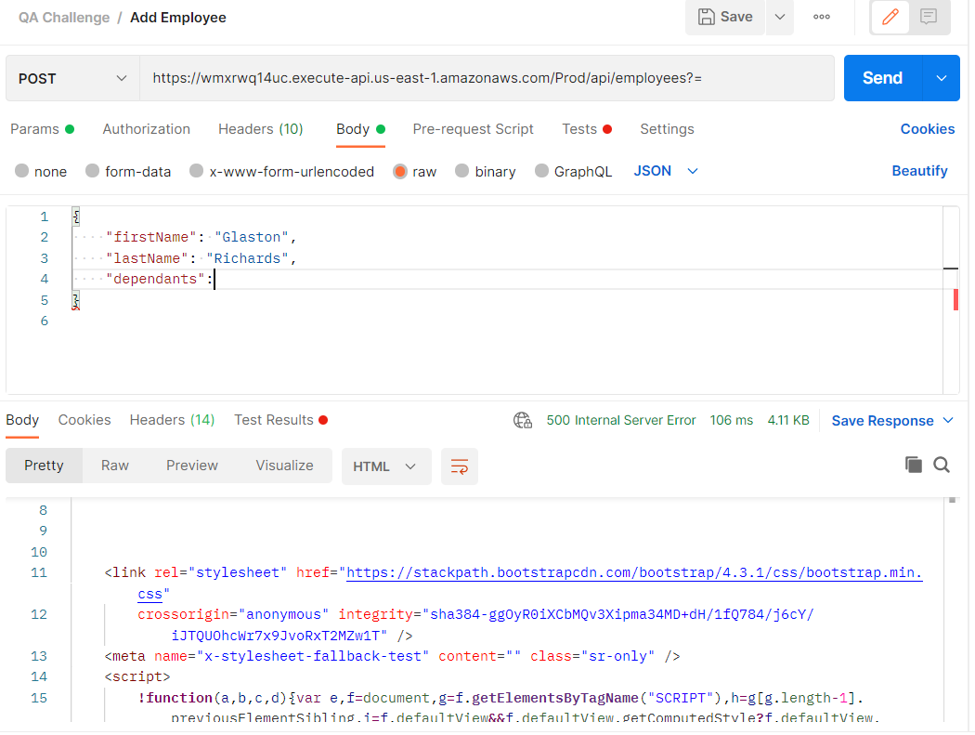
 |  |  | Screenshots
Screenshots

