Visualization
Note: 1.Matplot let you control detail figure and how many figure need to display in onw window. 2.Other like seaborn let your figure look more beautiful.
 | Data Visualization
 | Matplot |  |  |  | Seaborn

 | 1 | Import | import matplotlib.pyplot as plt |  | 1 | Import | import seaborn as sns
 | 2 | Create plot,figure size | fig,axs=plt.subplots(2,2,, figsize=(12, 10)) | 1.fig → the entire figure (the full window or canvas) 2.axs → a 2×2 array of individual subplot “axes” axs[0,0] → top-left plot axs[0,1] → top-right plot axs[1,0] → bottom-left plot axs[1,1] → bottom-right plot | 2 | Create line plot(One line) | fig, axs = plt.subplots(2, 2, figsize=(12, 10)) sns.lineplot(x=[1,2,3,4,5], y=[1,2,3,4,5] marker="o", ax=axs[0,0]) axs[0,0].set_title("Apriori with a support level of 10%") axs[0,0].set_xlabel("Confidence level") axs[0,0].set_ylabel("Number of rules found") axs[0,0].set_yticks(range(0,6,1)) plt.tight_layout() plt.show() | x and y are list values
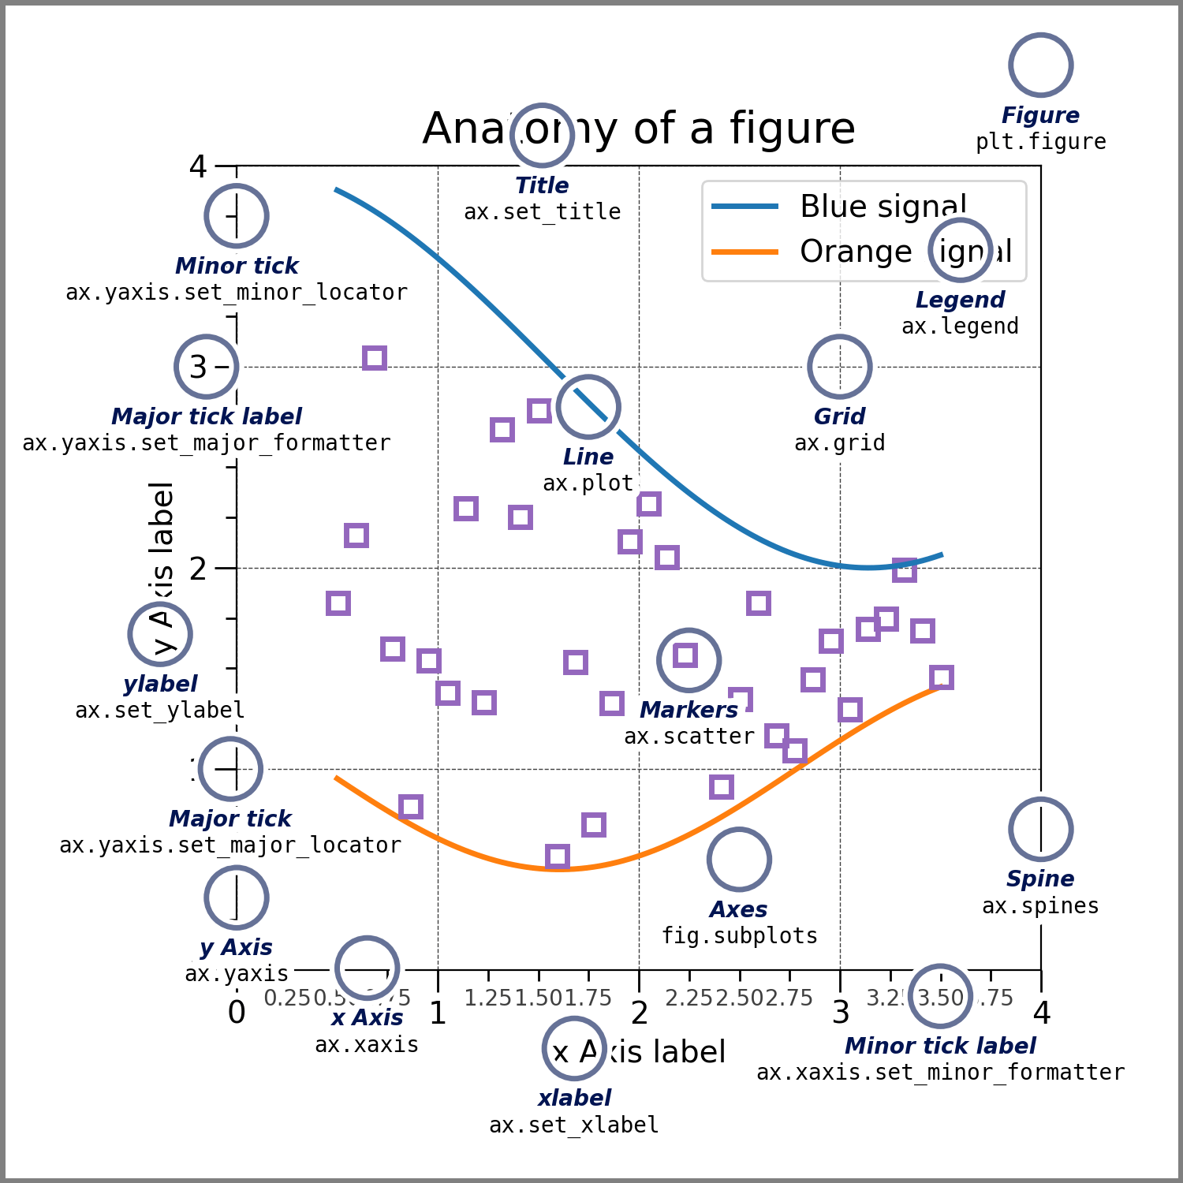 |  |  |  |  | 3 | Create line plot(Multiple line in one picture) | df = pd.DataFrame({ "Confidence": confidence_levels, "Support 10%": rules_sup10, "Support 5%": rules_sup5, "Support 1%": rules_sup1, "Support 0.5%": rules_sup05 }) # Melt to long format for Seaborn df_melt = df.melt(id_vars="Confidence", var_name="Support Level", value_name="Number of Rules") # Plot sns.set(style="whitegrid") plt.figure(figsize=(10, 6)) sns.lineplot(data=df_melt, x="Confidence", y="Number of Rules", hue="Support Level", marker="o") plt.title("Apriori Algorithm with Different Support Levels") plt.xlabel("Confidence Levels") plt.ylabel("Number of Rules Found") plt.legend(title="") # removes legend title like theme(legend.title=element_blank()) plt.tight_layout() plt.show() | #Step1=>Melt/Change into long format #id_vars -->Columns to keep fixed (not melted) #var_name --> Name for the new column that stores the old column names #value_name --> Name for the new column that stores the values

