Bug Metric
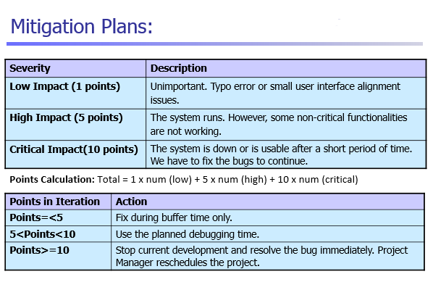
Iteration | Bug Metrics Score | Mitigation Plan executed
2 | 5 | Bugs were fixed during planned debugging time | NOTE: Iteration 1 in Pplog was invalid. Therefore, iterations reflected in this bug metric will start from Iteration 2.
3 | 16 | Stop current development and resolved the bugs immediately. No need for rescheduling done because bugs were fixed during planned debugging time
4 | 30 | No need for rescheduling done because bug were fixed during planned debugging time except for the bug #3 in BidPlacementServlet.java. Ming Yi will be debugging it in her next pp session.
5 | 55 | No need for rescheduling done because bug were fixed during planned debugging time.
6 | 134 | Extra debugging sessions were created to debug after Regression Testing #2 as bug metric is too high.
7 | 134 | Extra debugging sessions were created to debug after UAT as bug metric is too high and we were unable to finish fixing all the bugs within the first 3 debugging sessions. Subsequent task was cut short to allow more time for debugging.

