PP Metric
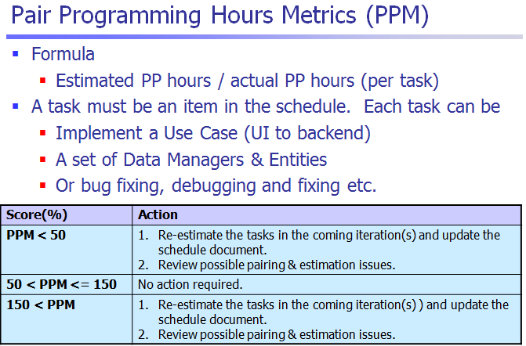

NOTE: Iteration 1 in Pplog was invalid. Therefore, iterations reflected in this schedule metric will start from Iteration 2.

