Sheet1
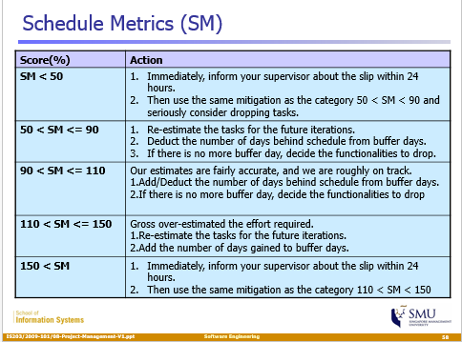
 | Planned | Actual | Mitigation Plan | NOTE: Iteration 1 in Pplog was invalid. Therefore, iterations reflected in this schedule metric will start from Iteration 2.
 | Schedule Metric (days)
Iteration 2 | 18 | 18.5 | Re-estimated the tasks for the future iterations. Allocate more time to tasks in the upcoming iterations.
 | 0.97
Iteration 3 | 6 | 6 | Our estimates were fairly accurate. Break down task a little bit more to get a better gauge of task timings.
 | 1.00
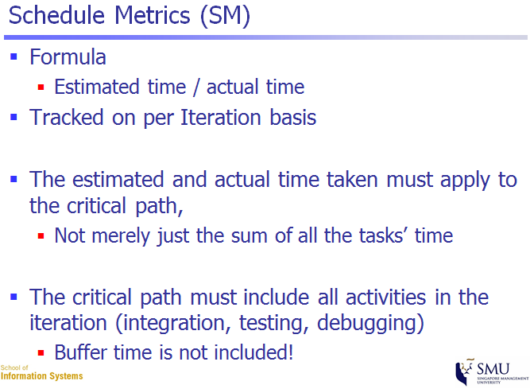
Iteration 4 | 7 | 7 | Our estimates were fairly accurate. Break down task a little bit more to get a better gauge of task timings.
 | 1.00
Iteration 5 | 13 | 13 | Our estimates were fairly accurate. Break down task a little bit more to get a better gauge of task timings.
 | 1.00
Iteration 6 | 20 | 20 | Our estimates were fairly accurate. Break down task a little bit more to get a better gauge of task timings.
 | 1.00
Iteration 7 | 9 | 9 | As of 13/11/2016, our estimates were faily accurate.
 | 1.00

Delayed |  | SCHEDULE METRIC IS CALCULATED AT THE END OF THE ITERATION (in days)
Okay
Over-budget

