Cooler
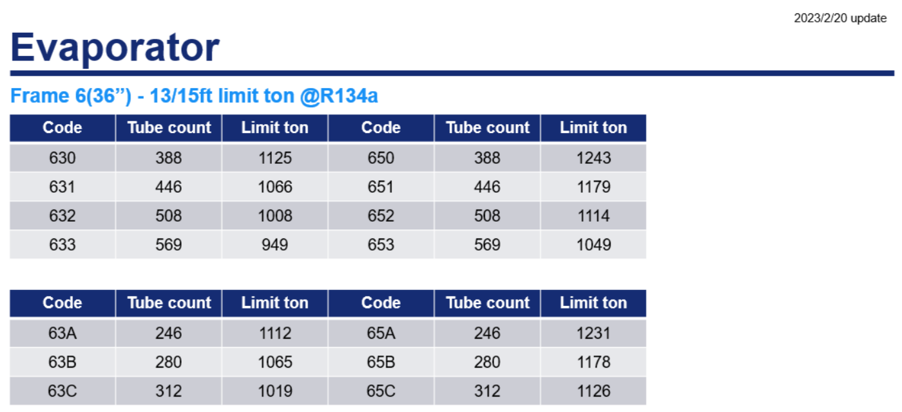
MV4 Cooler Family

Frame |  |  | Shell ID, in | Cooler Code | Shell Length | Tube No | Tube No Ratio, % | Bundle Height, in | Bundle Height Ratio, % | Limit Tons_R134a | Limit Tons_R515B
3/4" | 2Pass | 6 | 36 | 63H | 156 | 388 | 87.0% | 14.3 | 39.6% | 1125 | 844
 |  |  |  | 63J | 156 | 446 | 87.8% | 15.6 | 43.2% | 1066 | 800
 |  |  |  | 63K | 156 | 508 | 89.3% | 16.9 | 46.9% | 1008 | 756
 |  |  |  | 63L | 156 | 569 | - | 18.2 | 50.5% | 949 | 712
 |  |  |  | 65H | 180 | 388 | 87.0% | 14.3 | 39.6% | 1243 | 932
 |  |  |  | 65J | 180 | 446 | 87.8% | 15.6 | 43.2% | 1179 | 884
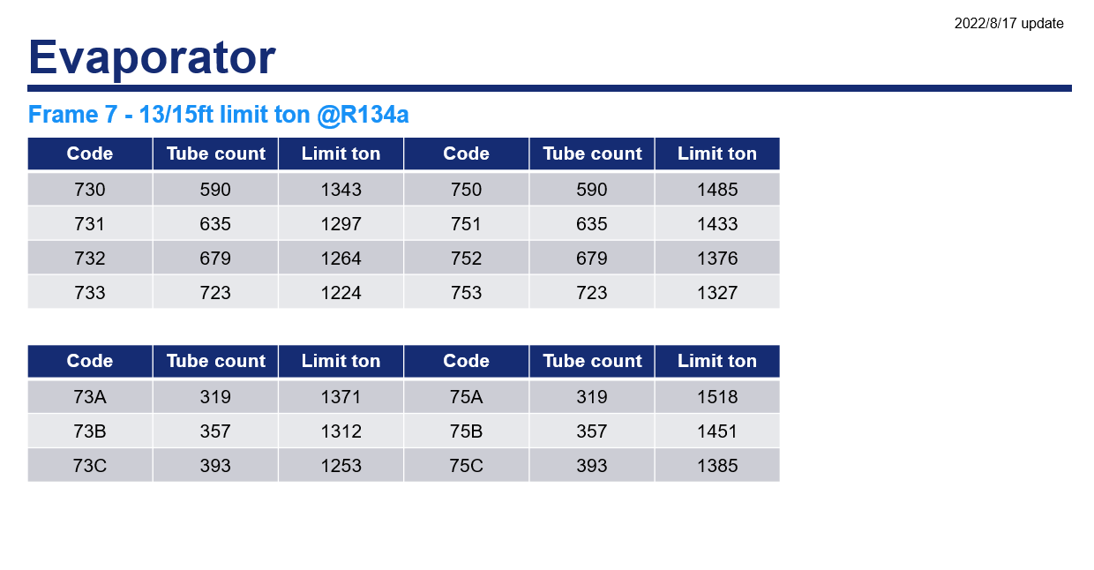
 |  |  |  | 65K | 180 | 508 | 89.3% | 16.9 | 46.9% | 1114 | 836
 |  |  |  | 65L | 180 | 569 | - | 18.2 | 50.5% | 1049 | 787
 |  | 7 | 40.5 | 73H | 156 | 590 | 92.9% | 17.9 | 44.1% | 1343 | 1007
 |  |  |  | 73J | 156 | 635 | 93.2% | 18.7 | 46.2% | 1297 | 973
 |  |  |  | 73K | 156 | 681 | 93.7% | 19.6 | 48.4% | 1264 | 948
 |  |  |  | 73L | 156 | 727 | - | 20.5 | 50.6% | 1224 | 918
 |  |  |  | 75H | 180 | 590 | 92.9% | 17.9 | 44.1% | 1485 | 1114
 |  |  |  | 75J | 180 | 635 | 93.2% | 18.7 | 46.2% | 1433 | 1075
 |  |  |  | 75K | 180 | 681 | 93.7% | 19.6 | 48.4% | 1376 | 1032
 |  |  |  | 75L | 180 | 727 | - | 20.5 | 50.6% | 1327 | 995
 |  | 8 | 46.25 | 83H | 156 | 751 | 90.4% | 19.4 | 42.0% | 1710 | 1283
 |  |  |  | 83J | 156 | 831 | 91.4% | 20.8 | 44.9% | 1648 | 1236
 |  |  |  | 83K | 156 | 909 | 92.1% | 22.1 | 47.7% | 1594 | 1196
 |  |  |  | 83L | 156 | 987 | - | 23.4 | 50.6% | 1528 | 1146
 |  |  |  | 85H | 180 | 751 | 90.4% | 19.4 | 42.0% | 1890 | 1418
 |  |  |  | 85J | 180 | 831 | 91.4% | 20.8 | 44.9% | 1822 | 1367
 |  |  |  | 85K | 180 | 909 | 92.1% | 22.1 | 47.7% | 1735 | 1301
 |  |  |  | 85L | 180 | 987 | - | 23.4 | 50.6% | 1656 | 1242
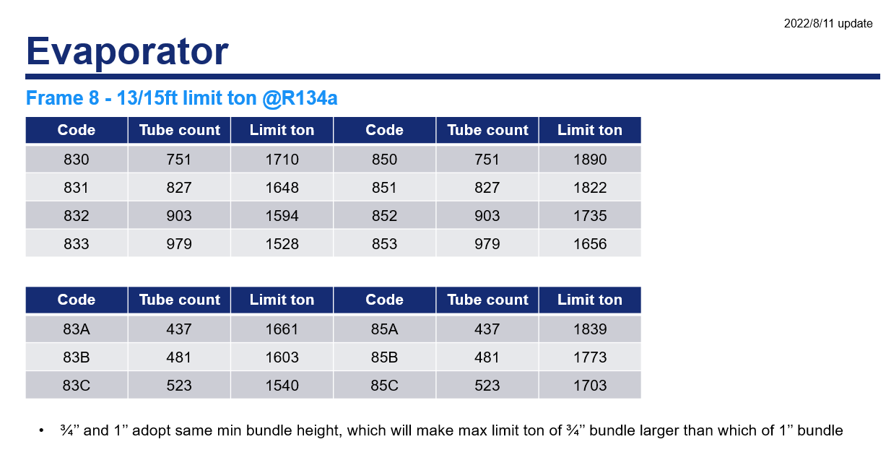
1" | 2Pass | 6 | 36 | 63X | 156 | 246 | 87.9% | 14.9 | 41.5% | 1112 | 834
 |  |  |  | 63Y | 156 | 280 | 89.7% | 16.1 | 44.7% | 1065 | 799
 |  |  |  | 63Z | 156 | 312 | - | 17.3 | 47.9% | 1019 | 764
 |  |  |  | 65X | 180 | 246 | 87.9% | 14.9 | 41.5% | 1231 | 923
 |  |  |  | 65Y | 180 | 280 | 89.7% | 16.1 | 44.7% | 1178 | 884
 |  |  |  | 65Z | 180 | 312 | - | 17.3 | 47.9% | 1126 | 845
 |  | 7 | 40.5 | 73X | 156 | 319 | 89.4% | 16.6 | 41.0% | 1371 | 1028
 |  |  |  | 73Y | 156 | 357 | 90.8% | 17.8 | 43.9% | 1312 | 984
 |  |  |  | 73Z | 156 | 393 | - | 18.9 | 46.7% | 1253 | 940
 |  |  |  | 75X | 180 | 319 | 89.4% | 16.6 | 41.0% | 1518 | 1139
 |  |  |  | 75Y | 180 | 357 | 90.8% | 17.8 | 43.9% | 1451 | 1088
 |  |  |  | 75Z | 180 | 393 | - | 18.9 | 46.7% | 1385 | 1039
 |  | 8 | 46.25 | 83X | 156 | 437 | 90.9% | 19.4 | 42.0% | 1661 | 1246
 |  |  |  | 83Y | 156 | 481 | 92.0% | 20.6 | 44.5% | 1603 | 1202
 |  |  |  | 83Z | 156 | 523 | - | 21.7 | 47.0% | 1540 | 1155
 |  |  |  | 85X | 180 | 437 | 90.9% | 19.4 | 42.0% | 1839 | 1379
 |  |  |  | 85Y | 180 | 481 | 92.0% | 20.6 | 44.5% | 1773 | 1330
 |  |  |  | 85Z | 180 | 523 | - | 21.7 | 47.0% | 1703 | 1277

Frame |  |  | Shell ID, in | Cooler Code | Shell Length | Tube No | Tube No Ratio, % | Bundle Height, in | Bundle Height Ratio, % | Limit Tons_R134a | Limit Tons_R515B
3/4" | 3Pass | 6 | 36 | 63B | 156 | 371 | 86.5% | 14.3 | 39.6% | TBC | TBC
 |  |  |  | 63C | 156 | 429 | 87.6% | 15.6 | 43.2% | TBC | TBC
 |  |  |  | 63D | 156 | 490 | 89.1% | 16.9 | 46.9% | TBC | TBC
 |  |  |  | 63E | 156 | 550 | - | 18.2 | 50.5% | TBC | TBC
 |  |  |  | 65B | 180 | 371 | 86.5% | 14.3 | 39.6% | TBC | TBC
 |  |  |  | 65C | 180 | 429 | 87.6% | 15.6 | 43.2% | TBC | TBC
 |  |  |  | 65D | 180 | 490 | 89.1% | 16.9 | 46.9% | TBC | TBC
 |  |  |  | 65E | 180 | 550 | - | 18.2 | 50.5% | TBC | TBC
 |  | 7 | 40.5 | 73B | 156 | 570 | 92.8% | 17.9 | 44.1% | TBC | TBC
 |  |  |  | 73C | 156 | 614 | 93.0% | 18.7 | 46.2% | TBC | TBC
 |  |  |  | 73D | 156 | 660 | 93.4% | 19.6 | 48.4% | TBC | TBC
 |  |  |  | 73E | 156 | 707 | - | 20.5 | 50.6% | TBC | TBC
 |  |  |  | 75B | 180 | 570 | 92.8% | 17.9 | 44.1% | TBC | TBC
 |  |  |  | 75C | 180 | 614 | 93.0% | 18.7 | 46.2% | TBC | TBC
 |  |  |  | 75D | 180 | 660 | 93.4% | 19.6 | 48.4% | TBC | TBC
 |  |  |  | 75E | 180 | 707 | - | 20.5 | 50.6% | TBC | TBC
 |  | 8 | 46.25 | 83B | 156 | 728 | 90.2% | 19.4 | 42.0% | TBC | TBC
 |  |  |  | 83C | 156 | 807 | 91.0% | 20.8 | 44.9% | TBC | TBC
 |  |  |  | 83D | 156 | 887 | 92.1% | 22.1 | 47.7% | TBC | TBC
 |  |  |  | 83E | 156 | 963 | - | 23.4 | 50.6% | TBC | TBC
 |  |  |  | 85B | 180 | 728 | 90.2% | 19.4 | 42.0% | TBC | TBC
 |  |  |  | 85C | 180 | 807 | 91.0% | 20.8 | 44.9% | TBC | TBC
 |  |  |  | 85D | 180 | 887 | 92.1% | 22.1 | 47.7% | TBC | TBC
 |  |  |  | 85E | 180 | 963 | - | 23.4 | 50.6% | TBC | TBC
1" | 3Pass | 6 | 36 | 63R | 156 | 231 | 87.2% | 14.9 | 41.5% | TBC | TBC
 |  |  |  | 63S | 156 | 265 | 88.6% | 16.1 | 44.7% | TBC | TBC
 |  |  |  | 63T | 156 | 299 | - | 17.3 | 47.9% | TBC | TBC
 |  |  |  | 65R | 180 | 231 | 87.2% | 14.9 | 41.5% | TBC | TBC
 |  |  |  | 65S | 180 | 265 | 88.6% | 16.1 | 44.7% | TBC | TBC
 |  |  |  | 65T | 180 | 299 | - | 17.3 | 47.9% | TBC | TBC
 |  | 7 | 40.5 | 73R | 156 | 303 | 89.4% | 16.6 | 41.0% | TBC | TBC
 |  |  |  | 73S | 156 | 339 | 89.7% | 17.8 | 43.9% | TBC | TBC
 |  |  |  | 73T | 156 | 378 | - | 18.9 | 46.7% | TBC | TBC
 |  |  |  | 75R | 180 | 303 | 89.4% | 16.6 | 41.0% | TBC | TBC
 |  |  |  | 75S | 180 | 339 | 89.7% | 17.8 | 43.9% | TBC | TBC
 |  |  |  | 75T | 180 | 378 | - | 18.9 | 46.7% | TBC | TBC
 |  | 8 | 46.25 | 83R | 156 | 421 | 91.1% | 19.4 | 42.0% | TBC | TBC
 |  |  |  | 83S | 156 | 462 | 91.7% | 20.6 | 44.5% | TBC | TBC
 |  |  |  | 83T | 156 | 504 | - | 21.7 | 47.0% | TBC | TBC
 |  |  |  | 85R | 180 | 421 | 91.1% | 19.4 | 42.0% | TBC | TBC
 |  |  |  | 85S | 180 | 462 | 91.7% | 20.6 | 44.5% | TBC | TBC
 |  |  |  | 85T | 180 | 504 | - | 21.7 | 47.0% | TBC | TBC

LimitTons
756-877T
1008-1169T
HX Frame | Shell ID/in | Shell L/in | Limit Tons Range: 3/4" Tube, R515B |  |  |  |  |  |  |  |  |  | HX Frame | Shell ID/in | Shell L/in | Tube OD | Limit Tons Range: 3/4" Tube, R134a
 |  |  | 500 | 600 | 700 | 800 | 900 | 1000 | 1100 | 1200 | 1300 | 1400 |  |  |  |  | 700 | 800 | 900 | 1000 | 1100 | 1200 | 1300 | 1400
Frame 6 | 37 | 13 |  |  |  |  |  |  |  |  |  |  | Frame 6 | 37 | 14 | 3/4"
820-969T
1093-1292T
 |  | 15 |  |  |  |  |  |  |  |  |  |  |  |  | 16 | 3/4"
918-1007T
1224-1343T
Frame 7 | 40.5 | 13 |  |  |  |  |  |  |  |  |  |  | Frame 7 | 40.5 | 14 | 3/4"
995-1114T
1327-1485T
 |  | 15 |  |  |  |  |  |  |  |  |  |  |  |  | 16 | 3/4"
1146-1283T
<1710T
Frame 8 | 46.5 | 13 |  |  |  |  |  |  |  |  |  |  | Frame 8 | 46.5 | 14 | 3/4"
1242-1418T
<1890T
 |  | 15 |  |  |  |  |  |  |  |  |  |  |  |  | 16 | 3/4"
HX Frame | Shell ID/in | Shell L/in | Limit Tons Range: 1" Tube, R515B |  |  |  |  |  |  |  |  |  | HX Frame | Shell ID/in | Shell L/in | Tube OD | Limit Tons Range: 1" Tube, R134a
 |  |  | 500 | 600 | 700 | 800 | 900 | 1000 | 1100 | 1200 | 1300 | 1400 |  |  |  |  | 700 | 800 | 900 | 1000 | 1100 | 1200 | 1300 | 1400
799-872T
1065-1162T
Frame 6 | 37 | 13 |  |  |  |  |  |  |  |  |  |  | Frame 6 | 37 | 14 | 1" |  |  |  |  |  |  |  |  | 1.1111111111
884-965T
1178-1286T
 |  | 15 |  |  |  |  |  |  |  |  |  |  |  |  | 16 | 1" |  |  |  |  |  |  |  |  | 2.2222222222
940-1028T
1253-1371T
Frame 7 | 40.5 | 13 |  |  |  |  |  |  |  |  |  |  | Frame 7 | 40.5 | 14 | 1"
1039-1139T
<1518T
 |  | 15 |  |  |  |  |  |  |  |  |  |  |  |  | 16 | 1"
1155-1246T
<1661T
Frame 8 | 46.5 | 13 |  |  |  |  |  |  |  |  |  |  | Frame 8 | 46.5 | 14 | 1"
1277-1379T
<1839T
 |  | 15 |  |  |  |  |  |  |  |  |  |  |  |  | 16 | 1"

 |  |  | 1 | 2 | 3
 |  |  | 2 | 4 | 6

