Compressor&Motor&VFD
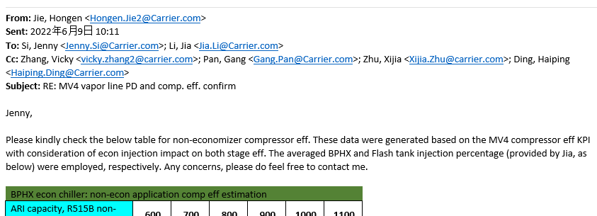
Compressor & Motor |  |  |  |  |  |  |  |  | VFD Familly
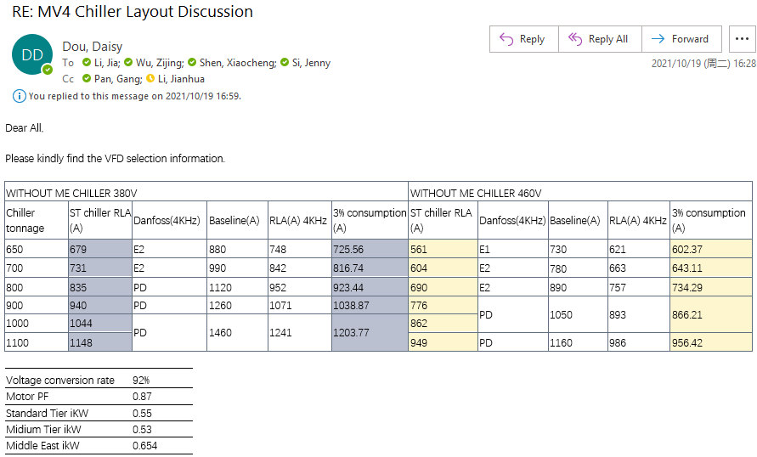
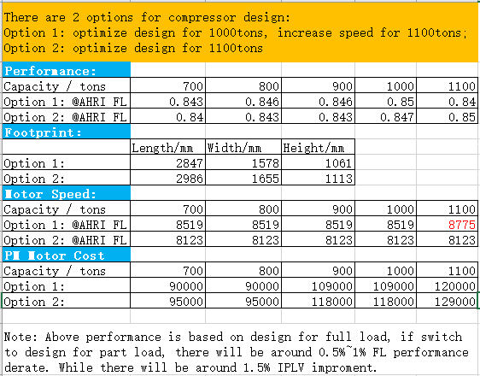
Version 1 (Dec, 2021) |  |  |  |  |  |  |  |  | WITHOUT ME CHILLER 380V |  |  |  |  |  | WITHOUT ME CHILLER 460V
 |  |  |  |  |  |  |  |  | Chiller tonnage | ST chiller RLA (A) | Danfoss(4KHz) | Baseline(A) | RLA(A) 4KHz | 3% consumption (A) | ST chiller RLA (A) | Danfoss(4KHz) | Baseline(A) | RLA(A) 4KHz | 3% consumption (A)
 |  |  |  |  |  |  |  |  | 650 | 679 | E2 | 880 | 748 | 725.56 | 561 | E1 | 730 | 621 | 602.37
 |  |  |  |  |  |  |  |  | 700 | 731 | E2 | 990 | 842 | 816.74 | 604 | E2 | 780 | 663 | 643.11
 |  |  |  |  |  |  |  |  | 800 | 835 | PD | 1120 | 952 | 923.44 | 690 | E2 | 890 | 757 | 734.29
 |  |  |  |  |  |  |  |  | 900 | 940 | PD | 1260 | 1071 | 1038.87 | 776 | PD | 1050 | 893 | 866.21
 |  |  |  |  |  |  |  |  | 1000 | 1044 | PD | 1460 | 1241 | 1203.77 | 862
 |  |  |  |  |  |  |  |  | 1100 | 1148 |  |  |  |  | 949 | PD | 1160 | 986 | 956.42

 |  |  |  |  |  |  |  |  | Voltage conversion rate | 92%
 |  |  |  |  |  |  |  |  | Motor PF | 0.87
 |  |  |  |  |  |  |  |  | Standard Tier iKW | 0.55
 |  |  |  |  |  |  |  |  | Midium Tier ikW | 0.53
 |  |  |  |  |  |  |  |  | Middle East ikW | 0.654
选型逻辑：
1. 根据Bolt计算的效率计算Input Power：
Input Power=Capacity*ikW/Ton
2. 计算Motor Amps：
Motor Amps=Input Power*1000/SQRT(3)/380/0.87
3. 根据Motor Amps和上表S 列的VFD 电流进行比较选择。

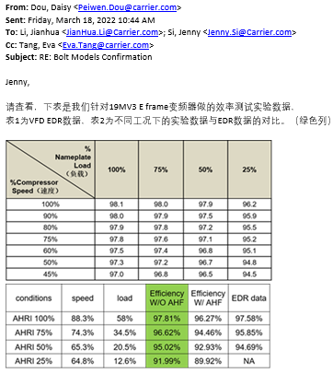
 |  |  |  |  |  |  |  |  | VFD Efficiency

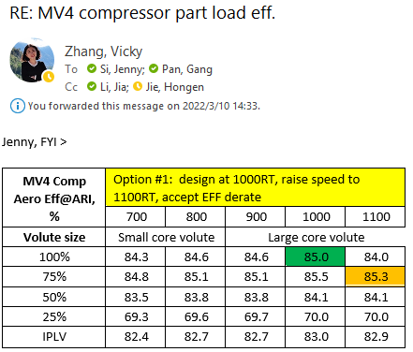
Version 2 (2022.03.10) |  |  |  |  |  |  |  |  | Refer to MV3 Test Efficiency
 |  |  |  |  |  |  |  |  | Conditions | speed | load | Efficiency W/O AHF | Efficiency W/ AHF | EDR data
MV4 Comp Aero Eff@ARI, % | Option #1: design at 1000RT, raise speed to 1100RT, accept EFF derate |  |  |  |  |  |  |  | AHRI 100% | 88.30% | 58% | 97.81% | 96.27% | 97.58%
 | 700 | 800 | 900 | 1000 | 1100 |  |  |  | AHRI 75% | 74.30% | 34.50% | 96.62% | 94.46% | 95.85%
Volute size | Small core volute |  | Large core volute |  |  |  |  |  | AHRI 50% | 65.30% | 20.50% | 95.02% | 92.93% | 94.69%
100% | 84.3 | 84.6 | 84.6 | 85 | 84 |  |  |  | AHRI 25% | 64.80% | 12.60% | 91.99% | 89.92% | NA
75% | 84.8 | 85.1 | 85.1 | 85.5 | 85.3
50% | 83.5 | 83.8 | 83.8 | 84.1 | 84.1
25% | 69.3 | 69.6 | 69.7 | 70 | 70
IPLV | 82.4 | 82.7 | 82.7 | 83 | 82.9

Version 3 (2022.03.14)

 | MV3 (from ECAT) |  |  |  | MV4(estimated)
 | 100% | 75% | 50% | 25% | 100% | 75% | 50% | 25%
Capacity | 600.0 tonʀ | 450.0 tonʀ | 300.0 tonʀ | 150.0 tonʀ | 1000.0 tonʀ | 750.0 tonʀ | 500.0 tonʀ | 250.0 tonʀ
Ikw/ton | 0.6009 kW/tonʀ | 0.4383 kW/tonʀ | 0.3008 kW/tonʀ | 0.3141 kW/tonʀ | 0.6009 kW/tonʀ | 0.4383 kW/tonʀ | 0.3008 kW/tonʀ | 0.3141 kW/tonʀ
Motor input power | 352.0 kW | 189.1 kW | 85.51 kW | 44.48 kW | 600 kW | 328 kW | 150 kW | 78.5 kW
Compressor efficiency | 0.8571 | 0.8578 | 0.8436 | 0.7054 | 85 | 85.5 | 84.1 | 70
Motor efficiency | 0.983 | 0.9835 | 0.9744 | 0.9563 | 0.9735 | 0.974 | 0.972 | 0.958
Mechanical losses | 6.74 hp | 4.45 hp | 2.75 hp | 2.76 hp | 9.7 hp | 6.6 hp | 4.0 hp | 4.0 hp
Mechanical losses % | 1.40% | 1.80% | 2.40% | 4.60% | 1.20% | 1.50% | 2.00% | 4.00%

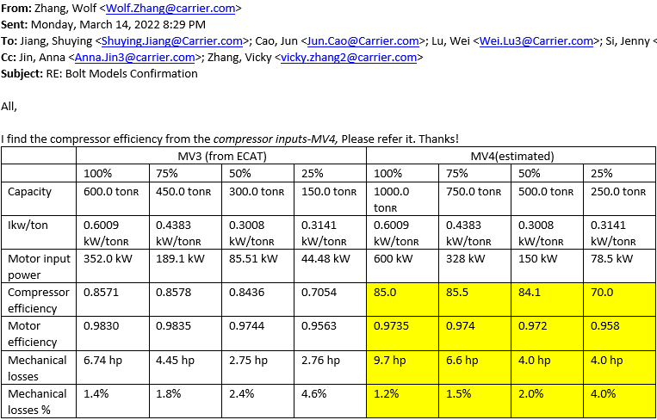

Version 4 (2022.03.22)

MV4 Comp Aero Eff@ARI, % | Option #1: design at 1000RT, raise speed to 1100RT, accept EFF derate |  |  |  |  | Mech. Loss | Rotate speed (RPM)
 | 700 | 800 | 900 | 1000 | 1100 | 700/800/900/ | 700/800/900/
Volute size | Small core volute |  | Large core volute |  |  | 1000/1100 | 1000/1100
100% | 84.3 | 84.6 | 84.6 | 85 | 84 | 9.7 hp | 8519
75% | 84.8 | 85.1 | 85.1 | 85.5 | 85.3 | 6.6 hp | 6727
50% | 83.5 | 83.8 | 83.8 | 84.1 | 84.1 | 4.0 hp | 6264
25% | 69.3 | 69.6 | 69.7 | 70 | 70 | 4.0 hp
IPLV | 82.4 | 82.7 | 82.7 | 83 | 82.9
PM_motor estimated EFF, % | 97.1 | 97.2 | 97.5 | 97.4 | 97.3
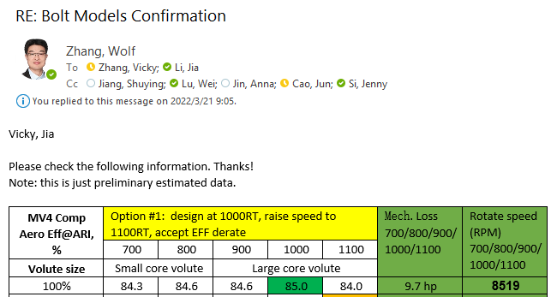


Motor Eff_2022.03.23
 | 700Ton | 800Ton | 900Ton | 1000Ton | 1100Ton
100% | 97.1 | 97.2 | 97.5 | 97.4 | 97.3
75% | 97.2 | 97.3 | 97.4 | 97.4 | 97.4
50% | 0.96 | 97.1 | 97.2 | 97.2 | 97.2
25% | 0.95 | 95.2 | 95.3 | 95.8 | 95.8

Version 5 (2022.05.13)

ARI capacity, R515B KPI, T | 600 | 700 | 800 | 900 | 1000 | 1100
Preferred Aero code | 439 | 449 | 459 | 469 | 479 | 489
Volute size | Small core volute |  |  | Large core volute
ARI 100% | 84.3 | 84.6 | 84.8 | 84.5 | 84.8 | 85
ARI 75% | 84.8 | 84.8 | 85.3 | 85 | 85.3 | 85.5
ARI 50% | 83.4 | 83.5 | 83.9 | 83.6 | 83.9 | 84.1
ARI 25% | 69.3 | 69.3 | 69.8 | 69.5 | 69.8 | 70
IPLV | 82.3 | 82.4 | 82.8 | 82.5 | 82.8 | 83

ARI capacity, R134a (estimated, not KPI), T | 700 | 800 | 900 | 1000 | 1100
Preferred Aero code | 439 | 439 | 449 | 459 | 459
Volute size | Small core volute
100% | 84.3 | 83.8 | 84.1 | 84.5 | 84.3
75% | 84.4 | 84.6 | 84.6 | 85.1 | 85.1
50% | 82.7 | 83.2 | 83.3 | 83.7 | 83.7
25% | 68.3 | 68.8 | 68.8 | 68.6 | 69.3
IPLV | 81.7 | 82.1 | 82.1 | 82.5 | 82.6

Motor Eff_2022.06.02

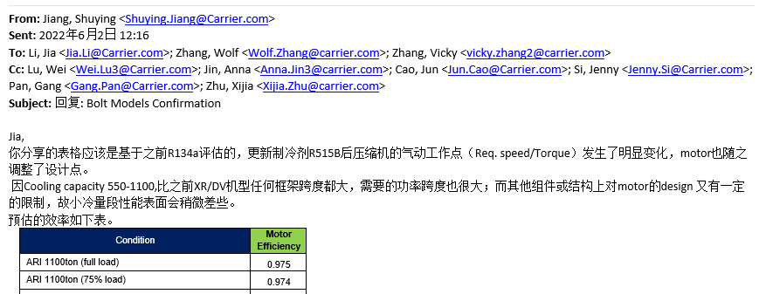
Condition | Motor Efficiency
ARI 1100ton (full load) | 0.975
ARI 1100ton (75% load) | 0.974
ARI 1100ton (50% load) | 0.967
ARI 1100ton (25% load) | 0.957

ARI 1000ton (full load) | 0.972
ARI 1000ton (75% load) | 0.97
ARI 1000ton (50% load) | 0.962
ARI 1000ton (25% load) | 0.955

ARI 900ton (full load) | 0.972
ARI 900ton (75% load) | 0.97
ARI 900ton (50% load) | 0.962
ARI 900ton (25% load) | 0.955

ARI 800ton (full load) | 0.975
ARI 800ton (75% load) | 0.973
ARI 800ton (50% load) | 0.967
ARI 800ton (25% load) | 0.957

ARI 700ton (full load) | 0.969
ARI 700ton (75% load) | 0.965
ARI 700ton (50% load) | 0.957
ARI 700ton (25% load) | 0.942

ARI 600ton (full load) | 0.965
ARI 600ton (75% load) | 0.961
ARI 600ton (50% load) | 0.953
ARI 600ton (25% load) | 0.938
Note: 550Ton效率可follow 600Ton

W/O Econ Comp Eff_2022.06.09

BPHX econ chiller: non-econ application comp eff estimation
ARI capacity, R515B non-econ (BPHX), T | 600 | 700 | 800 | 900 | 1000 | 1100
Preferred Aero code | 439 | 449 | 459 | 469 | 479 | 489
Volute size | Small core volute |  |  | Large core volute
ARI 100% | 84 | 84.3 | 84.5 | 84.2 | 84.5 | 84.7
ARI 75% | 84.9 | 84.9 | 85.4 | 85.1 | 85.4 | 85.6
ARI 50% | 83.4 | 83.5 | 83.9 | 83.6 | 83.9 | 84.1
ARI 25% | 69.3 | 69.3 | 69.8 | 69.5 | 69.8 | 70
IPLV | 82.4 | 82.4 | 82.9 | 82.6 | 82.9 | 83.1

Flash tank econ chiller: non-econ application comp eff estimation
ARI capacity, R515B non-econ (Flash Tank), T | 600 | 700 | 800 | 900 | 1000 | 1100
Preferred Aero code | 439 | 449 | 459 | 469 | 479 | 489
Volute size | Small core volute |  |  | Large core volute
ARI 100% | 82.8 | 83.1 | 83.3 | 83 | 83.3 | 83.5
ARI 75% | 84.8 | 84.8 | 85.3 | 85 | 85.3 | 85.5
ARI 50% | 84.1 | 84.2 | 84.6 | 84.3 | 84.6 | 84.8
ARI 25% | 70.1 | 70.1 | 70.7 | 70.4 | 70.7 | 70.9
IPLV | 82.7 | 82.8 | 83.2 | 82.9 | 83.2 | 83.4

Load |  | 100% | 75% | 50% | 25%
BPHX econ injection percentage | Average | 3.28% | 2.18% | 0.00% | 0.00%
Flash tank econ injection percentage | Average | 11.24% | 8.30% | 5.48% | 5.30%

