KPI's
Key Performance Indicators (KPI's)
 | Owner: Program Management
 | > Instructions Tab

 | *Simultaneaous requirements using 2 pass heat exchangers, NIH water boxes, AHRI conditions
 | *Oiled has same requirements as standard version
 | Efficiency targets are marketing
 | KPI | Units | NAO Ref Model (515B) | NAO Tracking Model (515B) | APO Ref Model (515B/1234ze) | APO Tracking Model (134a) | Data Center Tracking Model (134a/515B) | SAP Tracking Model (515B/1234ze) | EMEA Ref Model (1234ze) 4°C/49°C Adiabatic Dry Cooler | Critical Threshold, NOT USL
 | Description |  | 800 Ton Cost Optimized | 1000 Ton Cost Optimized | 800 Ton Cost Optimized | 1000 Ton Cost Optimized | 1300 Ton Cost Optimized | 1000 Ton Cost Optimized | 700 Tons
 | XXX ton unit CLT marketing cost target* | USD | 245000* | $282,000
 | XXX ton unit YLC marketing cost target* | USD |  |  | $168,000 | $144,000 | $142,000 / $167,200 | $169,200 (excluding SDC) (515B only) | $158,000 (YLC cost)
 | XXX ton Full Load Efficiency @ AHRI | kW/Ton | 0.545 | 0.540 kW/Ton | 0.545 | 0.540 | 0.460 | 0.540 | 1.06 kW/Ton @ 9/4C (FW), 44/49C (34% EG)
 | XXX ton AHRI 75% Efficiency | kW/Ton | 0.399 | 0.399 kW/Ton | 0.399 |  |  |  | 0.540 @ 7°C/35°C
 | XXX ton IPLV Efficiency | kW/Ton | 0.320 | 0.310 | 0.315 | 0.310 | 0.310 | 0.310 | 0.3626 SEPR
 | Stability |  | 50% load at CTD | 50% load at CTD | 10% load at CTD | 10% load at CTD | 10% load at CTD | 10% load at CTD | 50% load at CTD
 | XXX ton Sound Level* 100% AHRI | A db |  |  |  |  |  |  | 97 dBA at Full Load
 | Evap / Cond WSPD* | feet w.c. (kPA) | 20 / 20 | 25 / 25 | 20 / 20 (60/60) | 25 / 25 (75/75) | 20 / 20 (60/60) | 25 / 25 (75/75) | 20 / 20 (60/60)
 | Maintenance Tasks
 | Unit Warranty | $/unit
 | Program Investment | $M
 | NAO Passport 3 | Month Date
 | APO Passport 3 | Month Date
 | Lead Time @ P3 (CLT) | Weeks Duration
 | Lead Time @ P3 (YLC) | Weeks Duration
 | XXX ton unit Footprint (Std Tier VFD) | L*W*H (in) |  | Refer Product tab |  | Target this KPI unit to fit on a standard truck |  | Target this KPI unit to fit on a standard truck
 | XXX ton unit Footprint (High Tier VFD) | L*W*H (in) |  | Refer Product tab |  | Target this KPI unit to fit on a standard truck |  | Target this KPI unit to fit on a standard truck
 | All Product Tab items are KPIs as well

 | Notes:
 | The cost targets inlcude material, std tier VFD, labor and burden with factory charge of the listed refrigerant (bulk rate used for cost target even if factory only ships with nitrogen)
 | The 19MV4 shall achieve efficiencies at AHRI conditions as low as 0.525 kW/Ton full load, 0.395 @ 75%, and 0.300 IPLV with 515B, High Tier VFD (at a capacity within 800-1100 tons). The units above reflect the combined efficiency / cost tracked in the Passports (std tier VFD)
 | The 19MV4 shall be capable of operation in the range outlined below. The KPI units above reflect the required operating range for the efficiency and cost tracked in the Passports
 | Tracking model shall be referenced in Passport Cost waterfall.
 | Data Center operating conditions: 68/57.2F (20/14C) evaporator, 89.6/100.4F (32/38C) condenser, AHRI fouling factor.
 | SEPR operating conditions are listed in table A.I.4.5 below.
 | NAO stability - Selections to be possible with 10% stability, but cost target based on model with 50% stability
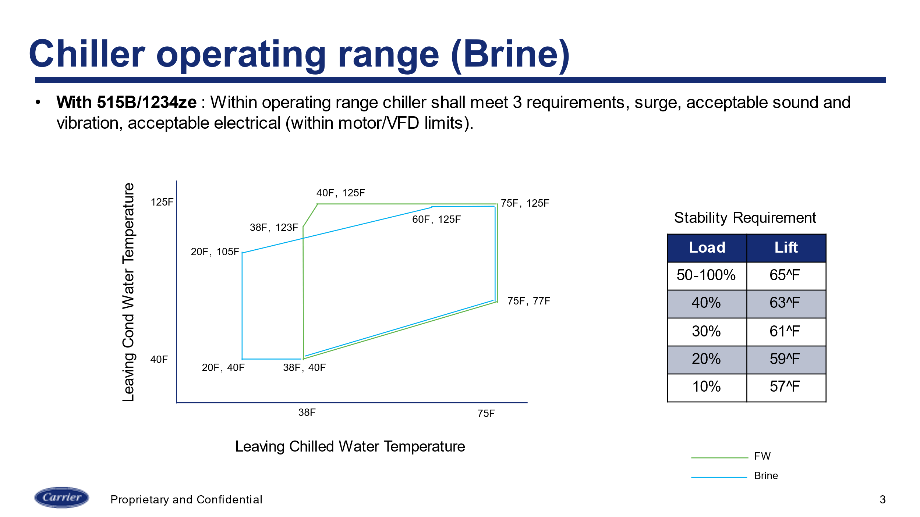
 | For ME, 850 ton limit predicted based on compressor motor terminal limits.
 | *when frame 6 is available
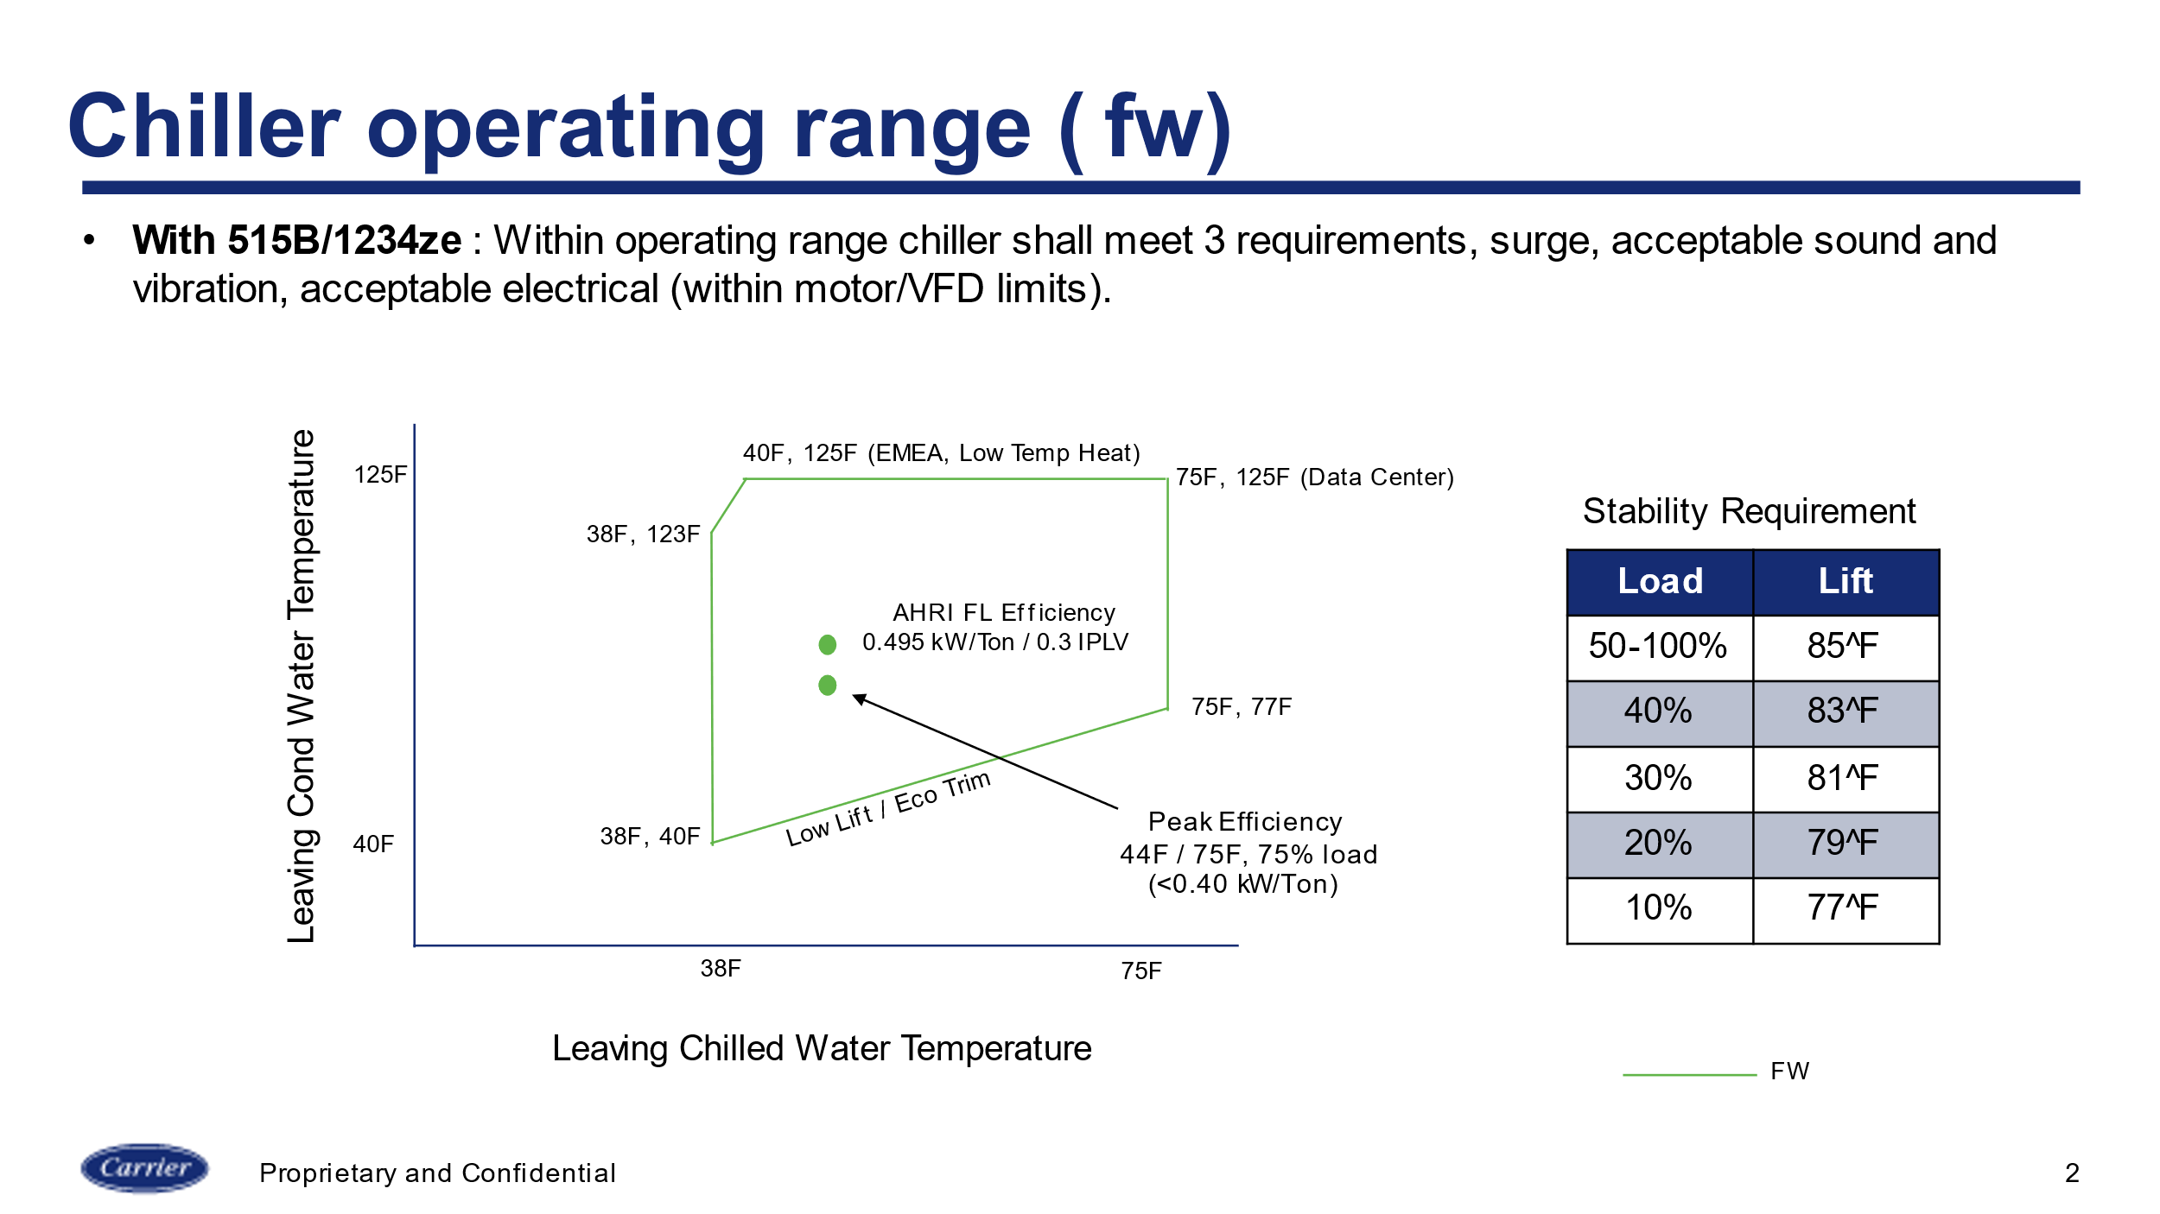

 | Above stability requirement is for EMEA adiabatic conditions

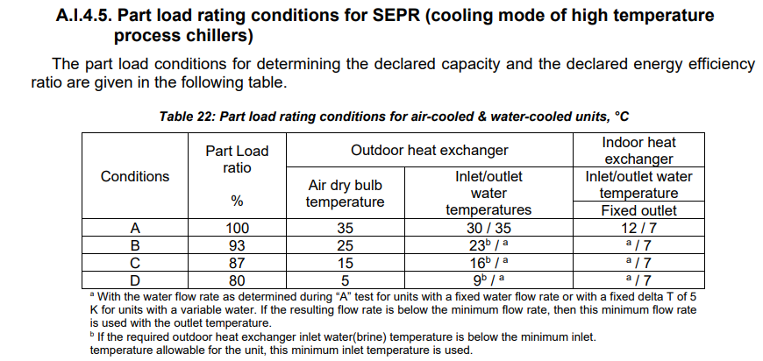

 | SEPR Example for 1000 Ton Chiller

 | Load | ECdWT (°C) | LCWT (°C) | Tons | Weight
 | 100% | 35 | 7 | 1000 | 1.0%
 | 93% | 23 | 7 | 930 | 24.0%
 | 87% | 16 | 7 | 870 | 40.0%
 | 80% | 9 | 7 | 800 | 35.0%

 | Condenser flow based on full load condenser delta T of 5°C
 | Evaporator flow based on full load condenser delta T of 5°C

 | Fouling Factor:
 | Evaporator 0,0176 (m2-°K)/kW
 | Condenser 0,0440 (m2-°K)/kW

 | Target 9.7 COP per above weighting and operating conditions

