19XRC_Evap
 | Input_E-cat report |  |  | 只能单独一列检查
 | Case Name |  | Case 1
自动链接 无需填写 | Chiller Capacity | Ton | 1300.00
 | Cooler Size |  | 70
 | Cooler Length | ft | 14
 | Cooler Passes |  | 2
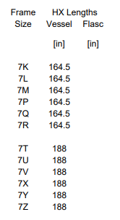
 | Cooler Nozzle Arrangement |  | Drive End
 | Cooler Entering Temperature | F | 71.6
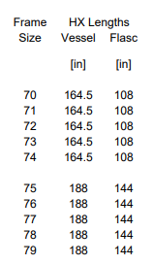
 | Cooler Leaving Temperature | F | 59.0
 | Cooler Saturation Temperature(Tsat,clr) | F | 58.4
 | Economizer Saturation Temperature(Tsat,eco) | F | 82.0
 | The cooler Temp rise | F | 12.6
 | Output_Cooler Limit Tons
 | Baseline Capacity |  | 1321
 | X1 |  | -2.1355E-09
 | X2 |  | 1.1951E-07
 | X3 |  | 0.000074529
 | C1 |  | 0.000069972
 | Y1 |  | 7.2381E-08
 | Y2 |  | -0.000052881
 | Y3 |  | 0.013459
 | C2 |  | 0.009609858
 | Z1 |  | -3.7262E-06
 | Z2 |  | -0.0019233
 | Z3 |  | 0.67948
 | C3 |  | 0.496739775
 | Lift Multiplier |  | 1.297
 | A1 |  | -0.000061431
 | A2 |  | 0.0086862
 | A3 |  | 0.91986
 | Rise Multiplier |  | 1.020
 | Cooler Limit Tons | Ton | 1746.30
 | Pass or not

 | Compressor End
 | Drive End

19XRC_Econ
 |  |  | 18inch Economizer
 | PARAMETER |  | Cooler:14/20 Condenser: 32/37
 | INPUT
自动链接 无需填写 | Refrigerant |  | R134a
 | Capacity | tons | 1300.00
 | Flasc SaturationTemperature | F | 100.20
 | Economizer Saturation Temperature | F | 81.99
 | Cooler Saturation Temperature | F | 58.40
 | Condenser Saturation Temperature | F | 106.70
 | Discharge Super Heat | R | 11.57
 | Evaporator LTD | R | 0.60
 | System Lift | R | 48.30
 | Constant
 | Acceleration of Gravity | ft/sec^2 | 32.174
 | OUTPUT
 | Cooler Saturation vapor Enthalpy h | Btu/lbm | #NAME?
 | Cooler SaturationLiquid Enthalpy h | Btu/lbm | #NAME?
 | Flasc Saturation Liquid Enthalpy h5 | Btu/lbm | #NAME?
 | Economizer Saturation Liquid Enthalpy h6 | Btu/lbm | #NAME?
 | Economizer Saturation Vapor Enthalpy h7 | Btu/lbm | #NAME?
 | Economizer Vapor quality |  | #NAME?
 | Refrigerator Dryness |  | #NAME?
 | Economizer Saturation Liquid Density | lbm/ft^3 | #NAME?
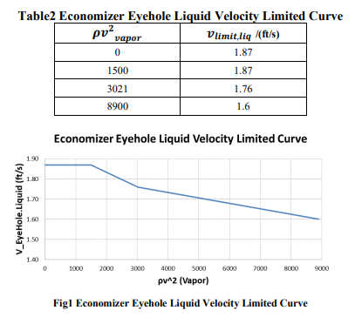
 | Economizer Saturation Vapor Density | lbm/ft^3 | #NAME?
 | Economizer Mixture Density | lbm/ft^3 | #NAME?
也可以用ECAT输出报告中的Suction Mass Flow | 1st stage Mass Flow Rate | lb/min | #NAME?
也可以用ECAT输出报告中的Suction Mass Flow与Discharge Mass Flow的差值 | Econ Vapor Mass Flow Rate | lb/min | #NAME?
 | Econ Liquid Mass Flow Rate | lb/min | #NAME?
 | Economizer Vapor Volume Flow Rate | ft^3/min | #NAME?
 | Economizer Liquid Volume Flow Rate | ft^3/min | #NAME?

 | Assume
不同经济器的参数不同，ETO经济器可能修改 | Shell ID | in | 17.21
 | Shell Length | in | 47.40 | 58.4 | 47.4
 | d_ 2nd stg Vapor | in | 4.00
 | d_ Econ. Liquid | in | 4.00
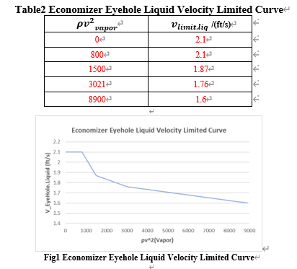
 | A_EyeHole | ft^2 | 0.435

 | Calculation
 | A_Econ Shell_H | ft^2 | 1.62
不同经济器的参数不同，ETO经济器可能修改 | A_Econ Shell_V | ft^2 | 5.45
 | A_ 2nd stg Vapor | ft^2 | 0.09
 | A_ Econ. Liquid | ft^2 | 0.09

 | Check |  |  |  |  | XRC Standard Economizer limit curve
 | V_ 2nd stg Vapor | ft/s | #NAME? |  |  | ρv^2 (Vapor) | Liquid Limit(EDR)
 | V_ Econ. Liquid | ft/s | #NAME? |  |  | 0 | 1.87
 | V_EyeHole.Liquid m1st | ft/s | #NAME? |  |  | 1500 | 1.87 | 0-1500 | y=1.87
 | V_Liquid_Econ_H | ft/s | #NAME? |  |  | 3021 | 1.76 | 1500-3021 | y=1.87-(1.87-1.76)*(D52-1500)/(3021-1500)
 | V_Vapor_Econ_H | ft/s | #NAME? |  |  | 8900 | 1.6 | 3021-8900 | y=1.76-(1.76-1.6)*(D52-3021)/(8900-3021)
 | V_Vapor_Econ_V | ft/s | #NAME?
 | ρv^2 (Vapor)<*** |  | #NAME?

 | Lliquid carry over | % |  |  |  | 1400T ETO Economizer limit curve
 | Vapor Limit(EDR) | ft^3/min | 250.0 |  |  | ρv^2 (Vapor) | Liquid Limit(EDR)
 | Liquid Limit(EDR) | ft/s | #NAME? |  |  | 0 | 2.1
 | Liquid Limit(ETO) | ft/s | #NAME? |  |  | 800 | 2.1 | 0-800 | y=2.1
 |  |  |  |  |  | 1500 | 1.87 | 800-1500 | y=2.1-((2.1-1.87)/(1500-800))*(D52-800)
 |  |  |  |  |  | 3021 | 1.76 | 1500-3021 | y=1.87-(1.87-1.76)*(D52-1500)/(3021-1500)
 |  |  |  |  |  | 8900 | 1.6 | 3021-8900 | y=1.76-(1.76-1.6)*(D52-3021)/(8900-3021)

EDR Database-XRC
Cooler Frame | Baseline Capacity (Ton) |  |  |  |  |  | Cooler Length
 | Compressor End |  |  | Drive End
 | 1 pass | 2 pass | 3 pass | 1 pass | 2 pass | 3 pass
70 | 1165 | 1226 | 1225 | 1424 | 1321 | 1295 | 14
71 | 1092 | 1145 | 1145 | 1349 | 1250 | 1221 | 14
72 | 1018 | 1064 | 1064 | 1268 | 1174 | 1143 | 14
73 | N/A | N/A | 1064 | N/A | N/A | 1143 | 14
74 | 1018 | 1064 | N/A | 1268 | 1174 | N/A | 14
75 | 1408 | 1415 | 1401 | 1497 | 1450 | 1426 | 16
76 | 1327 | 1330 | 1315 | 1412 | 1367 | 1341 | 16
77 | 1243 | 1242 | 1226 | 1323 | 1279 | 1253 | 16
78 | N/A | N/A | 1226 | N/A | N/A | 1253 | 16
79 | 1243 | 1242 | N/A | 1323 | 1279 | N/A | 16
7K | N/A | N/A | 1423 | N/A | N/A | 1464 | 14
7L | N/A | N/A | 1362 | N/A | N/A | 1406 | 14
7M | N/A | N/A | 1298 | N/A | N/A | 1344 | 14
7P | 1355 | 1427 | N/A | 1569 | 1475 | N/A | 14
7Q | 1296 | 1366 | N/A | 1513 | 1419 | N/A | 14
7R | 1234 | 1301 | N/A | 1451 | 1359 | N/A | 14
7T | N/A | N/A | 1609 | N/A | N/A | 1625 | 16
7U | N/A | N/A | 1542 | N/A | N/A | 1558 | 16
7V | N/A | N/A | 1470 | N/A | N/A | 1487 | 16
7X | 1600 | 1619 | N/A | 1680 | 1637 | N/A | 16
7Y | 1535 | 1552 | N/A | 1614 | 1572 | N/A | 16
7Z | 1466 | 1481 | N/A | 1544 | 1503 | N/A | 16

Cooler Length / ft | Compressor End |  |  | Drive End
 | 12 | 14 | 16 | 12 | 14 | 16
A1 | 1.3734E-04 | 2.2688E-05 | -3.7504E-05 | -7.16460E-05 | -6.14310E-05 | -8.72040E-05
A2 | -1.0517E-02 | -1.7183E-03 | 3.9870E-03 | 1.08380E-02 | 8.68620E-03 | 8.28890E-03
A3 | 1.0897E+00 | 1.0146E+00 | 9.6392E-01 | 8.99570E-01 | 9.19860E-01 | 9.25630E-01

 |  |  |  | Lift Multiplier | C1 |  |  | C2 |  |  | C3
 |  |  |  |  | X1 | X2 | X3 | Y1 | Y2 | Y3 | Z1 | Z2 | Z3
 |  |  |  | Compressor End | -6.3024E-10 | -1.4624E-07 | 9.5348*10^(-5) | -2.7298E-08 | -0.000043609 | 1.3245*10^(-2) | -2.1893E-06 | -0.0022537 | 6.8701*10^(-1)
 |  |  |  | Drive End | -2.1355E-09 | 1.1951*10^(-7) | 7.4529*10^(-5) | 7.2381*10^(-8) | -0.000052881 | 1.3459*10^(-2) | -3.7262E-06 | -0.0019233 | 6.7948*10^(-1)

 |  |  |  | Lift Multiplier |  | Compressor End | Drive End
 |  |  |  | C1 | X1 | -6.3024E-10 | -2.1355E-09
 |  |  |  |  | X2 | -1.4624E-07 | 1.1951E-07
 |  |  |  |  | X3 | 0.000095348 | 0.000074529
 |  |  |  | C2 | Y1 | -2.7298E-08 | 7.2381E-08
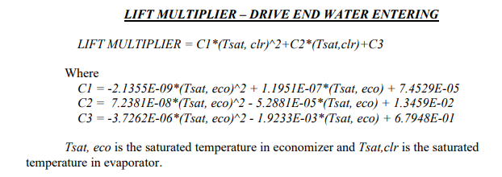
 |  |  |  |  | Y2 | -0.000043609 | -0.000052881
 |  |  |  |  | Y3 | 0.013245 | 0.013459
 |  |  |  | C3 | Z1 | -2.1893E-06 | -3.7262E-06
 |  |  |  |  | Z2 | -0.0022537 | -0.0019233
 |  |  |  |  | Z3 | 0.68701 | 0.67948

