Assets
PALETAS DE CORES
 | XBOX
 |  |  | Logos | ícones
 |  | XBOX GREEN
 |  | #107C10


 |  | XBOX LIGHT GREEN
 |  | #16A34A

 |  | XBOX DARK GREEN
 |  | #0A2EOA

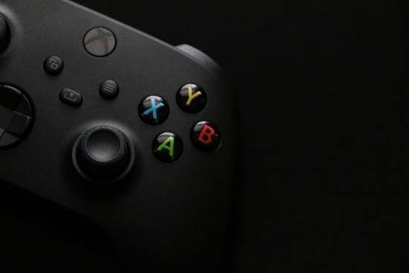
 |  | XBOX BLACK
 |  | #0D0D0D

 |  | DARK GRAY
 |  | #1A1A1A

 |  | MEDIUM GRAY
 |  | #333333

 |  | LIGHT GRAY
 |  | #E5E5E5

 |  | WHITE
 |  | #FFFFFF

Verde como cor primária para destaques e ações.

Tons cinza para fundos, textos e elementos de apoio.

Branco para textos principais e contraste.

Dashboard
Hello!
A.J.
GAME PASS SUBSCRIPTIONS DASHBOARD
01/01/2025 - 31/12/2025

TOTAL REVENUE
AVERAGE REVENUE PER USER
TOTAL SUBSCRIBERS
AUTO RENUEWAL RATE
SUBSCRIPTION
TYPE
295
R$ 9.755,00
100%
by
subscription
50%
295
R$ 25,87
Subscribers
Subscribers
100%
of total
44400%
REVENUE OVER TIME
REVENUE BY PLAN
Ultimate
 | Total
jan | R$65.00
fev | R$82.00
mar | R$801.00
abr | R$782.00
mai | R$777.00
jun | R$770.00
jul | R$784.00
ago | R$787.00
set | R$780.00
out | R$832.00
nov | R$784.00
dez | R$389.00
 | Total
Core | R$444.00
Standard | R$1,801.00
Ultimate | R$5,388.00
R$ 5.388,00

Standard
R$ 1.801,00

Core

R$ 444,00

REVENUE BY REGION
ADD-ONS ADOPTION
SUBSCRIPTION TYPE
 | Total
No | 197
Yes | 98
33%
 | Total
No | 101
Yes | 194
 | Total
Annual | 71
Monthly | 139
Quarterly | 85
Montly
 | Total
Central-west | R$1,294.00
North | R$1,543.00
Northeast | R$949.00
South | R$1,479.00
Southeast | R$2,368.00
139
subscribers:
66%
Quarterly
85
subscribers:
Annual
EA PLAY
98
MINECRAFT PASS
194
subscribers
subscribers
subscribers:
71

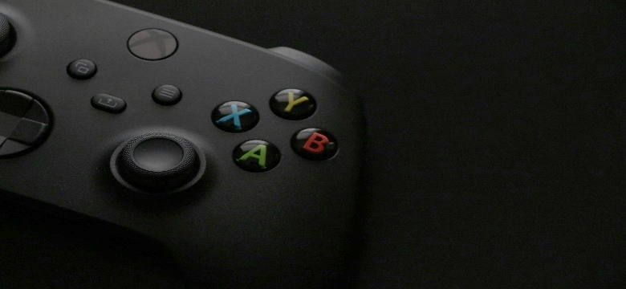
COUPON IMPACT
NET REVENUE

R$ 2.122,00
R$ 7.633,00

Discount applied
Revenue after discount

