MI_2018
Other construction materials | Glass | Ceramics | Plastic | Insulation | Other
kg/m2 UFA | kg/m2 UFA | kg/m2 UFA | kg/m2 UFA | kg/m2 UFA | kg/m2 UFA
361.5 | 0.1 | 18.5 | 1.3 | 14.0 | 1.6
390.8 | 2.9 | 18.5 | 1.6 | 14.5 | 1.9
766.2 | 5.6 | 2.8 | 1.8 | 15.0 | 1.9
766.2 | 5.6 | 2.8 | 1.8 | 16.1 | 2.0
 | Steel | Copper | Aluminum | Other metals | Wood | Concrete | Brick | Other construction materials | Glass | Ceramics | Plastic | Insulation
<1945 | 64.5 | 0.9 | 0.2 | 2.6 | 134.6 | 1382.7 | 306.2 | 361.5 | 0.1 | 18.5 | 1.3 | 14.0
1945-1970 | 59.1 | 0.9 | 0.2 | 2.7 | 75.5 | 1442.1 | 306.2 | 390.8 | 2.9 | 18.5 | 1.6 | 14.5
1970-2000 | 53.8 | 0.9 | 0.2 | 2.7 | 26.9 | 1450.4 | 122.5 | 766.2 | 5.6 | 2.8 | 1.8 | 15.0
2000-2018 | 53.7 | 0.9 | 0.2 | 2.7 | 39.1 | 1450.4 | 122.5 | 766.2 | 5.6 | 2.8 | 1.8 | 16.1
<1945 | 51.2 | 0.4 | 0.4 | 1.5 | 64.8 | 1144.3 | 162.9 | 297.2 | 0.2 | 2.8 | 0.8 | 13.2
1945-1970 | 53.2 | 0.4 | 0.5 | 1.5 | 40.9 | 1225.7 | 162.9 | 306.2 | 2.3 | 2.8 | 1.1 | 13.5
1970-2000 | 54.8 | 0.4 | 0.4 | 1.5 | 20.3 | 1304.5 | 65.1 | 470.9 | 4.4 | 2.8 | 1.9 | 13.8
2000-2018 | 54.8 | 0.4 | 0.4 | 1.5 | 32.8 | 1304.5 | 65.1 | 470.9 | 4.4 | 2.8 | 1.9 | 14.5
<1945 | 46.5 | 0.2 | 0.1 | 0.5 | 42.8 | 1097.9 | 171.4 | 276.0 | 11.0 | 18.8 | 1.5 | 16.9
1945-1970 | 46.6 | 0.2 | 0.1 | 0.5 | 24.4 | 1169.0 | 171.4 | 275.9 | 14.2 | 18.8 | 1.8 | 17.2
1970-2000 | 48.1 | 0.2 | 1.5 | 0.5 | 9.5 | 1208.6 | 68.5 | 363.1 | 17.3 | 4.8 | 1.8 | 12.4
2000-2018 | 48.0 | 0.2 | 1.5 | 0.5 | 14.2 | 1208.6 | 68.5 | 363.1 | 17.3 | 4.8 | 1.8 | 7.8
<1945 | 63.2 | 0.3 | 0.2 | 0.7 | 45.8 | 1191.0 | 117.8 | 235.4 | 0.9 | 5.7 | 1.0 | 19.5
1945-1970 | 63.2 | 0.3 | 0.2 | 0.7 | 27.5 | 1285.7 | 117.8 | 235.3 | 4.1 | 5.7 | 1.3 | 19.9
1970-2000 | 78.2 | 0.3 | 7.0 | 0.7 | 9.9 | 1591.1 | 22.4 | 177.7 | 7.4 | 5.5 | 2.1 | 14.0
2000-2018 | 78.1 | 0.3 | 7.0 | 0.7 | 9.9 | 1591.1 | 22.4 | 177.7 | 7.4 | 5.5 | 2.1 | 7.9
<1945 | 74.0 | 0.3 | 0.1 | 0.8 | 49.8 | 920.8 | 86.5 | 304.5 | 1.7 | 5.3 | 1.3 | 19.9
1945-1970 | 74.0 | 0.3 | 0.1 | 0.8 | 25.4 | 978.5 | 86.5 | 304.5 | 5.2 | 5.3 | 1.7 | 20.9
1970-2000 | 88.4 | 0.3 | 7.1 | 0.8 | 3.2 | 1301.5 | 38.8 | 292.4 | 8.8 | 5.3 | 1.8 | 15.6
2000-2018 | 88.4 | 0.3 | 7.1 | 0.8 | 3.2 | 1301.5 | 38.8 | 292.4 | 8.8 | 5.3 | 1.8 | 11.5
<1945 | 92.1 | 0.2 | 0.1 | 0.2 | 77.5 | 816.7 | 10.0 | 39.9 | 0.1 | 0.2 | 1.9 | 12.4
1945-1970 | 85.9 | 0.2 | 0.1 | 0.2 | 39.1 | 816.2 | 10.0 | 39.9 | 0.5 | 0.2 | 2.1 | 15.6
1970-2000 | 80.2 | 0.2 | 0.4 | 0.2 | 0.8 | 819.3 | 4.0 | 50.9 | 1.0 | 0.2 | 2.1 | 20.2
2000-2018 | 80.2 | 0.2 | 0.4 | 0.2 | 0.8 | 819.3 | 4.0 | 50.9 | 1.0 | 0.2 | 2.1 | 31.2
<1945 | 76.4 | 0.3 | 0.1 | 0.8 | 56.6 | 1244.5 | 141.5 | 228.6 | 0.8 | 12.3 | 1.1 | 17.7
1945-1970 | 75.8 | 0.3 | 0.1 | 0.8 | 31.3 | 1319.2 | 141.5 | 228.6 | 2.6 | 12.3 | 1.3 | 18.2
1970-2000 | 77.4 | 0.3 | 6.1 | 0.8 | 6.1 | 1378.9 | 56.6 | 326.9 | 4.1 | 5.9 | 1.7 | 13.7
2000-2018 | 77.4 | 0.3 | 6.1 | 0.8 | 7.4 | 1378.9 | 56.6 | 326.9 | 4.4 | 5.9 | 1.7 | 8.9
297.2 | 0.2 | 2.8 | 0.8 | 13.2 | 1.4
306.2 | 2.3 | 2.8 | 1.1 | 13.5 | 2.0
470.9 | 4.4 | 2.8 | 1.9 | 13.8 | 2.0
470.9 | 4.4 | 2.8 | 1.9 | 14.5 | 2.1
276.0 | 11.0 | 18.8 | 1.5 | 16.9 | 2.0
275.9 | 14.2 | 18.8 | 1.8 | 17.2 | 3.2
363.1 | 17.3 | 4.8 | 1.8 | 12.4 | 3.1
363.1 | 17.3 | 4.8 | 1.8 | 7.8 | 3.1
235.4 | 0.9 | 5.7 | 1.0 | 19.5 | 2.0
235.3 | 4.1 | 5.7 | 1.3 | 19.9 | 4.6
177.7 | 7.4 | 5.5 | 2.1 | 14.0 | 4.8
177.7 | 7.4 | 5.5 | 2.1 | 7.9 | 4.7
304.5 | 1.7 | 5.3 | 1.3 | 19.9 | 2.1
304.5 | 5.2 | 5.3 | 1.7 | 20.9 | 2.0
292.4 | 8.8 | 5.3 | 1.8 | 15.6 | 2.2
292.4 | 8.8 | 5.3 | 1.8 | 11.5 | 2.1
39.9 | 0.1 | 0.2 | 1.9 | 12.4 | 0.4
39.9 | 0.5 | 0.2 | 2.1 | 15.6 | 0.4
50.9 | 1.0 | 0.2 | 2.1 | 20.2 | 0.3
50.9 | 1.0 | 0.2 | 2.1 | 31.2 | 0.3
228.6 | 0.8 | 12.3 | 1.1 | 17.7 | 2.0
228.6 | 2.6 | 12.3 | 1.3 | 18.2 | 3.3
326.9 | 4.1 | 5.9 | 1.7 | 13.7 | 3.2
326.9 | 4.4 | 5.9 | 1.7 | 8.9 | 3.1

MI_2018-2050
 | Aluminum | Clay brick | Concrete | Bitumen | Electronics | Gypsum | Glass | Wood | Insulation | Sand-lime brick | Ceramics | Copper
Row house | 1.2 | 144.0 | 1365.5 | 0.5 | 0.9 | 20.3 | 7.5 | 71.7 | 24.3 | 0.0 | 6.6 | 0.6
Detached house | 1.7 | 174.7 | 982.0 | 0.1 | 0.6 | 26.7 | 11.1 | 81.0 | 31.7 | 0.0 | 5.4 | 0.5
Apartment | 1.4 | 189.7 | 894.1 | 0.3 | 1.3 | 32.1 | 5.9 | 41.8 | 6.8 | 0.0 | 12.6 | 0.4
Office | 2.2 | 20.8 | 884.3 | 0.3 | 2.1 | 9.2 | 10.6 | 32.6 | 6.5 | 0.0 | 0.8 | 0.1
Industry | 0.2 | 3.4 | 663.9 | 0.0 | 0.1 | 0.7 | 0.1 | 28.3 | 53.3 | 13.0 | 0.2 | 0.2
Services | 6.4 | 55.3 | 1083.0 | 0.3 | 0.1 | 31.4 | 4.7 | 29.7 | 11.9 | 222.8 | 6.0 | 0.3
Shop | 1.2 | 68.5 | 1006.7 | 0.0 | 0.0 | 21.3 | 17.3 | 37.0 | 9.6 | 271.1 | 5.3 | 0.2
Other biobased materials | Other metals | Paper | Iron & steel | Stone | Sand
kg/m2 UFA | kg/m2 UFA | kg/m2 UFA | kg/m2 UFA | kg/m2 UFA | kg/m2 UFA
0.6 | 0.1 | 0.6 | 26.8 | 0.1 | 128.7
0.5 | 0.1 | 1.4 | 22.8 | 0.0 | 99.5
0.1 | 0.1 | 0.3 | 18.5 | 0.5 | 30.1
0.1 | 0.1 | 0.1 | 25.6 | 0.1 | 37.4
0.0 | 0.1 | 0.0 | 67.0 | 0.0 | 19.6
0.0 | 0.7 | 0.1 | 70.1 | 0.4 | 12.9
1.2 | 0.5 | 0.4 | 41.3 | 0.1 | 13.5

Other biobased materials | Other metals | Paper | Iron & steel | Stone | Sand
kg/m2 UFA | kg/m2 UFA | kg/m2 UFA | kg/m2 UFA | kg/m2 UFA | kg/m2 UFA
2.3 | 0.1 | 0.6 | 17.4 | 0.1 | 128.7
2.0 | 0.1 | 1.4 | 14.0 | 0.0 | 99.5
0.4 | 0.1 | 0.3 | 9.1 | 0.5 | 30.1
0.5 | 0.1 | 0.1 | 14.8 | 0.1 | 37.4
0.0 | 0.1 | 0.0 | 34.2 | 0.0 | 19.6
0.0 | 0.7 | 0.1 | 30.2 | 0.4 | 12.9
1.2 | 0.5 | 0.4 | 21.0 | 0.1 | 13.5

 | Aluminum | Clay brick | Concrete | Bitumen | Electronics | Gypsum | Glass | Wood | Insulation | Sand-lime brick | Ceramics | Copper
Row house | 1.2 | 180.0 | 1662.6 | 0.6 | 0.9 | 13.5 | 7.5 | 24.9 | 26.4 | 0.0 | 6.6 | 0.6
Detached house | 1.8 | 218.4 | 1190.4 | 0.1 | 0.6 | 15.8 | 11.1 | 34.3 | 34.1 | 0.0 | 5.4 | 0.5
Apartment | 1.5 | 237.1 | 1107.9 | 0.3 | 1.3 | 30.9 | 5.9 | 2.2 | 7.7 | 0.0 | 12.6 | 0.4
Office | 2.5 | 25.9 | 1084.5 | 0.3 | 2.0 | 8.2 | 10.6 | 1.3 | 7.3 | 0.0 | 0.8 | 0.1
Industry | 0.2 | 3.4 | 802.4 | 0.0 | 0.1 | 0.4 | 0.1 | 3.8 | 53.3 | 16.3 | 0.2 | 0.2
Services | 8.0 | 55.3 | 1266.7 | 0.3 | 0.1 | 18.5 | 4.7 | 8.8 | 11.6 | 278.4 | 6.0 | 0.3
Shop | 1.5 | 68.5 | 1178.1 | 0.0 | 0.0 | 10.8 | 17.3 | 16.0 | 9.2 | 338.9 | 5.3 | 0.2
Other biobased materials | Other metals | Paper | Iron & steel | Stone | Sand
kg/m2 UFA | kg/m2 UFA | kg/m2 UFA | kg/m2 UFA | kg/m2 UFA | kg/m2 UFA
0.0 | 0.1 | 0.6 | 26.4 | 0.1 | 128.7
0.0 | 0.1 | 0.5 | 26.1 | 0.0 | 99.5
0.0 | 0.1 | 0.6 | 18.1 | 0.5 | 30.1
0.0 | 0.1 | 0.1 | 21.9 | 0.1 | 37.4
0.0 | 0.1 | 0.0 | 75.5 | 0.0 | 19.6
0.0 | 0.7 | 0.1 | 52.8 | 0.4 | 12.9
1.2 | 0.5 | 0.4 | 19.4 | 0.1 | 13.5

Other biobased materials | Other metals | Paper | Iron & steel | Stone | Sand
kg/m2 UFA | kg/m2 UFA | kg/m2 UFA | kg/m2 UFA | kg/m2 UFA | kg/m2 UFA
0.0 | 0.1 | 0.6 | 29.9 | 0.1 | 128.7
0.0 | 0.1 | 1.4 | 25.7 | 0.0 | 99.5
0.0 | 0.1 | 0.3 | 21.7 | 0.5 | 30.1
0.0 | 0.1 | 0.1 | 29.1 | 0.1 | 37.4
0.0 | 0.1 | 0.0 | 77.9 | 0.0 | 19.6
0.0 | 0.7 | 0.1 | 83.4 | 0.4 | 12.9
1.2 | 0.5 | 0.4 | 48.1 | 0.1 | 13.5

LCI_comparison
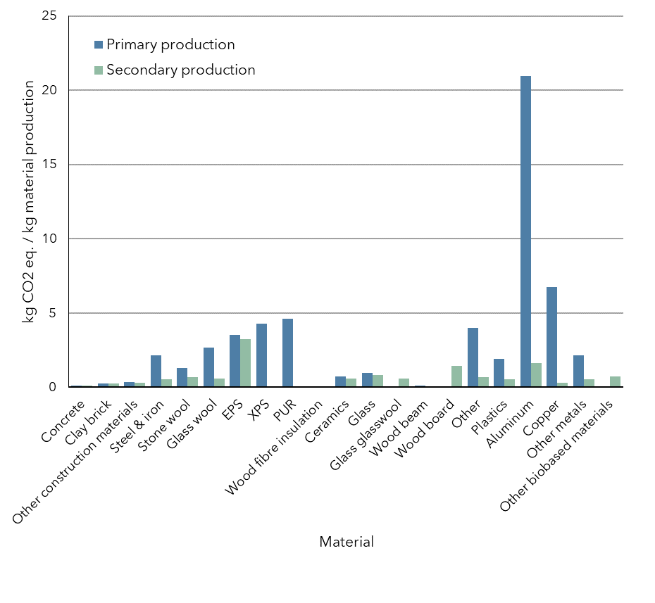
WLO High + Urban |  | Demand | Concrete | Clay brick | Other construction materials | Steel & iron | Stone wool | Glass wool | EPS | XPS | PUR | Wood fibre insulation | Ceramics | Glass | Glass glasswool
 |  | Primary production | 1.17E-01 | 2.43E-01 | 3.76E-01 | 2.16E+00 | 1.31E+00 | 2.67E+00 | 3.54E+00 | 4.27E+00 | 4.61E+00 | 8.99E-02 | 7.30E-01 | 9.64E-01 | 0.00E+00
 |  | Secondary production | 1.26E-01 | 2.33E-01 | 1.88E-01 | 5.49E-01 | 6.73E-01 | 5.79E-01 | 3.24E+00 |  |  | 3.90E-02 | 2.33E-01 | 8.24E-01 | 6.05E-01

Corrected for MRC
Secondary production | MRC not included in value |  | x | 0.25 | 0.37 | 1 | x | x | x |  |  | x | 0.25 | 0.933 | x
 | MRC included in value |  | 37% |  |  |  | 50% | 80% | 12% |  |  | 80% |  |  | 77%
 |  | Primary production | 1.17E-01 | 2.43E-01 | 3.76E-01 | 2.16E+00 | 1.31E+00 | 2.67E+00 | 3.54E+00 | 4.27E+00 | 4.61E+00 | 8.99E-02 | 7.30E-01 | 9.64E-01 | 0.00E+00
 |  | Secondary production | 1.26E-01 | 2.40E-01 | 3.06E-01 | 5.49E-01 | 6.73E-01 | 5.79E-01 | 3.24E+00 | 0.00E+00 | 0.00E+00 | 3.90E-02 | 6.05E-01 | 8.25E-01 | 6.05E-01

Demand_outflow_recycled
...
 | Concrete | Other construction materials | Clay brick | Steel & iron | Copper | Aluminum | Other metals | Wood | Glass | Ceramics | Plastics | Insulation
Demand | 366813981.52 | 35650261.357 | 51212318.121 | 8309761.2027 | 142195.34524 | 513572.41972 | 49651.048453 | 17485146.314 | 2331258.481 | 2974185.5659 | 838200.16561 | 4984066.6212
Outflow | 141154541.91 | 38985621.223 | 10141069.621 | 6707692.6607 | 46254.969896 | 217648.67217 | 145576.02634 | 3140290.2836 | 496943.10682 | 523972.77853 | 178343.75918 | 1521498.2157
Secondary | 63590121.132 | 13190596.702 | 9634016.1399 | 6372308.0277 | 43942.221402 | 206766.23856 | 49651.048453 | 2983275.7695 | 161483.75853 | 472095.95148 | 160509.38326 | 4414014.7522
Demand | 120809984.74 | 36173560.572 | 13721915.138 | 4596200.998 | 142195.34524 | 342985.32055 | 45105.889523 | 57807878.326 | 2331258.481 | 2974185.5659 | 855982.58819 | 3681045.6088
Outflow | 141154541.91 | 38985621.223 | 10141069.621 | 6707692.6607 | 46254.969896 | 217648.67217 | 145576.02634 | 3140290.2836 | 496943.10682 | 523972.77853 | 178343.75918 | 1521498.2157
Secondary | 44699694.353 | 13384217.412 | 3430478.7845 | 4596200.998 | 43942.221402 | 206766.23856 | 45105.889523 | 2983275.7695 | 225942.48504 | 472095.95148 | 160509.38326 | 4419739.7063
Demand | 173615030.88 | 30953690.513 | 24470691.299 | 6965872.6385 | 142195.34524 | 340545.81261 | 49533.205987 | 24073298.608 | 2331258.481 | 2974185.5659 | 919257.85863 | 3311905.7276
Outflow | 141154541.91 | 38985621.223 | 10141069.621 | 6707692.6607 | 46254.969896 | 217648.67217 | 145576.02634 | 3140290.2836 | 496943.10682 | 523972.77853 | 178343.75918 | 1521498.2157
Secondary | 63590121.132 | 11452865.49 | 6117672.8246 | 6372308.0277 | 43942.221402 | 206766.23856 | 49533.205987 | 2983275.7695 | 225942.48504 | 472095.95148 | 160509.38326 | 4424167.0227

