Sheet1
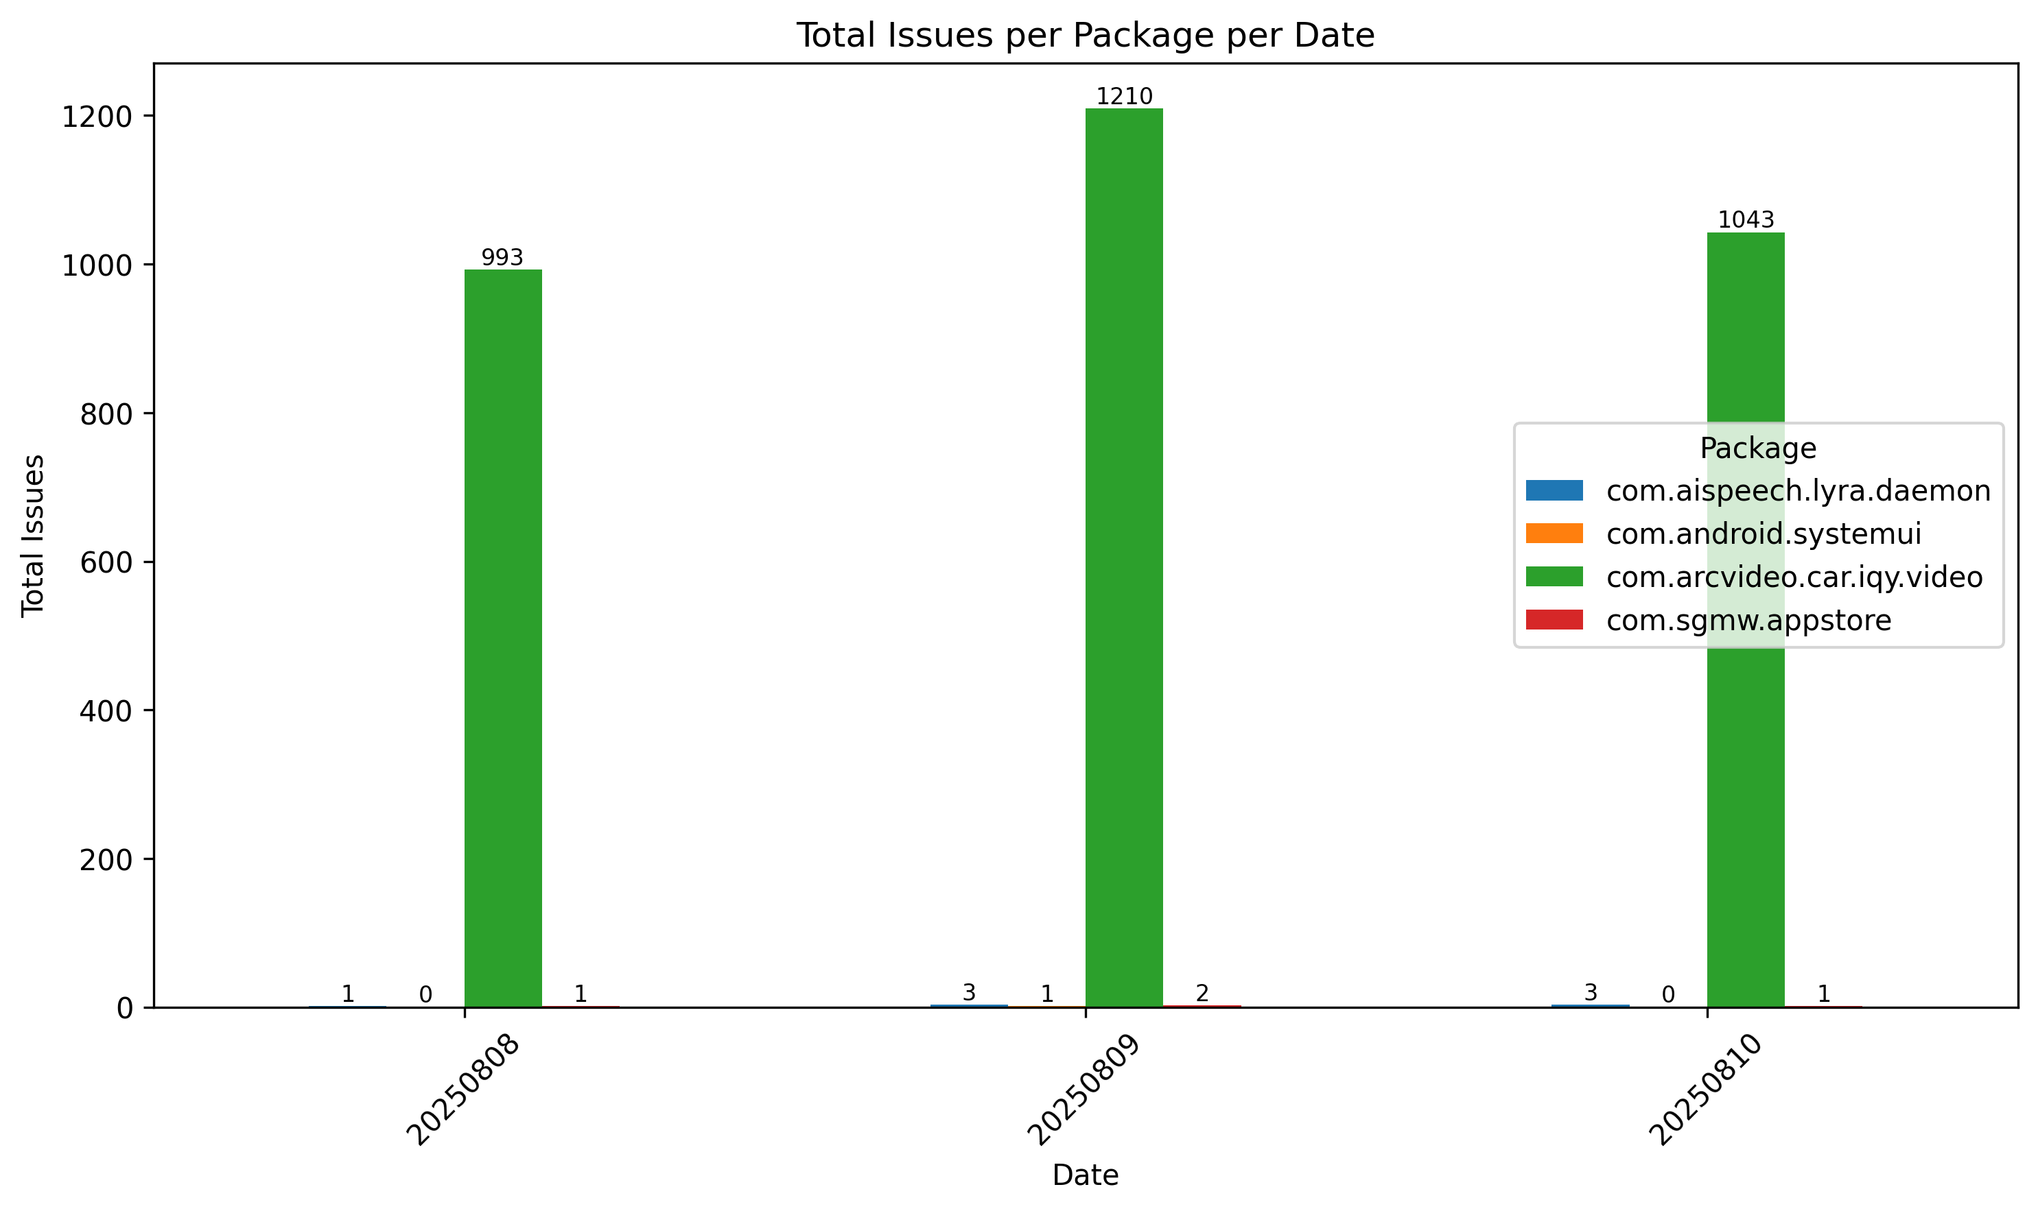
Url | Date | Number | Package | ANR | ForceClose | Tombstone | WatchDog | Sum | Reboot
http://172.25.192.226/report/spec//soc_logcat_monitor_Result_20250808_174119_023184922 | 20250808 | 0 | com.arcvideo.car.iqy.video | 448 | 545 | 0 | 0 | 993 | 0 / 998
http://172.25.192.226/report/spec//soc_logcat_monitor_Result_20250808_174119_023184922 | 20250808 | 1 | com.sgmw.appstore | 1 | 0 | 0 | 0 | 1 | 0 / 998
http://172.25.192.226/report/spec//soc_logcat_monitor_Result_20250809_190421_055665653 | 20250809 | 2 | com.android.systemui | 1 | 0 | 0 | 0 | 1 | 0 / 918
http://172.25.192.226/report/spec//soc_logcat_monitor_Result_20250809_190421_055665653 | 20250809 | 1 | com.arcvideo.car.iqy.video | 553 | 657 | 0 | 0 | 1210 | 0 / 918
http://172.25.192.226/report/spec//soc_logcat_monitor_Result_20250809_190421_055665653 | 20250809 | 0 | com.sgmw.appstore | 2 | 0 | 0 | 0 | 2 | 0 / 918
http://172.25.192.226/report/spec//soc_logcat_monitor_Result_20250810_202720_798554218 | 20250810 | 0 | com.arcvideo.car.iqy.video | 472 | 571 | 0 | 0 | 1043 | 0 / 1022
http://172.25.192.226/report/spec//soc_logcat_monitor_Result_20250810_202720_798554218 | 20250810 | 1 | com.sgmw.appstore | 1 | 0 | 0 | 0 | 1 | 0 / 1022
http://172.25.192.128/report/spec//soc_logcat_monitor_Result_20250808_173958_571657282 | 20250808 | 0 | com.aispeech.lyra.daemon | 0 | 0 | 1 | 0 | 1 | 0 / 786
http://172.25.192.128/report/spec//soc_logcat_monitor_Result_20250809_174658_564804595 | 20250809 | 0 | com.aispeech.lyra.daemon | 0 | 0 | 3 | 0 | 3 | 2 / 1084
http://172.25.192.128/report/spec//soc_logcat_monitor_Result_20250810_175314_706566049 | 20250810 | 0 | com.aispeech.lyra.daemon | 0 | 0 | 3 | 0 | 3 | 0 / 1704

Sheet2
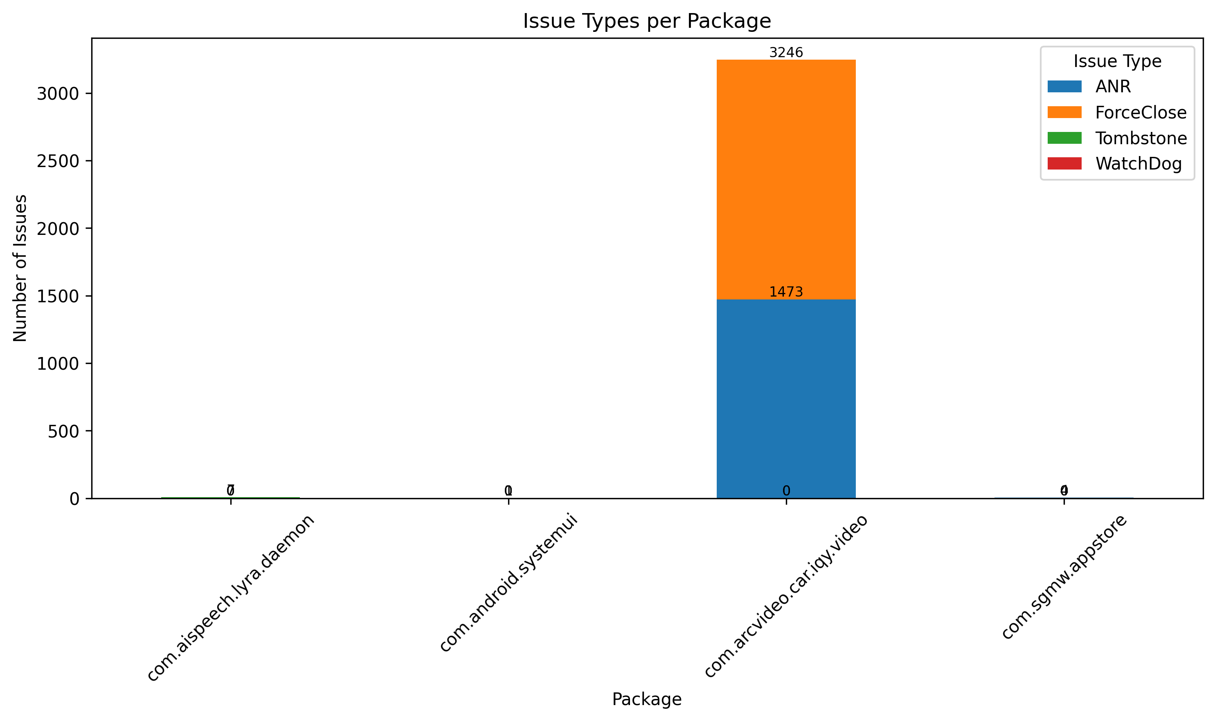
Url | Date | Number | Package | ANR | ForceClose | Tombstone | WatchDog | Sum | Reboot | Package_Group
http://172.25.192.226/report/spec//soc_logcat_monitor_Result_20250808_174119_023184922 | 20250808 | 0 | com.arcvideo.car.iqy.video | 448 | 545 | 0 | 0 | 993 | 0 / 998 | com.arcvideo.car.iqy.video
http://172.25.192.226/report/spec//soc_logcat_monitor_Result_20250809_190421_055665653 | 20250809 | 1 | com.arcvideo.car.iqy.video | 553 | 657 | 0 | 0 | 1210 | 0 / 918 | com.arcvideo.car.iqy.video
http://172.25.192.226/report/spec//soc_logcat_monitor_Result_20250810_202720_798554218 | 20250810 | 0 | com.arcvideo.car.iqy.video | 472 | 571 | 0 | 0 | 1043 | 0 / 1022 | com.arcvideo.car.iqy.video
http://172.25.192.226/report/spec//soc_logcat_monitor_Result_20250808_174119_023184922 | 20250808 | 1 | com.sgmw.appstore | 1 | 0 | 0 | 0 | 1 | 0 / 998 | com.sgmw.appstore
http://172.25.192.226/report/spec//soc_logcat_monitor_Result_20250809_190421_055665653 | 20250809 | 0 | com.sgmw.appstore | 2 | 0 | 0 | 0 | 2 | 0 / 918 | com.sgmw.appstore
http://172.25.192.226/report/spec//soc_logcat_monitor_Result_20250810_202720_798554218 | 20250810 | 1 | com.sgmw.appstore | 1 | 0 | 0 | 0 | 1 | 0 / 1022 | com.sgmw.appstore
http://172.25.192.226/report/spec//soc_logcat_monitor_Result_20250809_190421_055665653 | 20250809 | 2 | com.android.systemui | 1 | 0 | 0 | 0 | 1 | 0 / 918 | com.android.systemui
http://172.25.192.128/report/spec//soc_logcat_monitor_Result_20250808_173958_571657282 | 20250808 | 0 | com.aispeech.lyra.daemon | 0 | 0 | 1 | 0 | 1 | 0 / 786 | com.aispeech.lyra.daemon
http://172.25.192.128/report/spec//soc_logcat_monitor_Result_20250809_174658_564804595 | 20250809 | 0 | com.aispeech.lyra.daemon | 0 | 0 | 3 | 0 | 3 | 2 / 1084 | com.aispeech.lyra.daemon
http://172.25.192.128/report/spec//soc_logcat_monitor_Result_20250810_175314_706566049 | 20250810 | 0 | com.aispeech.lyra.daemon | 0 | 0 | 3 | 0 | 3 | 0 / 1704 | com.aispeech.lyra.daemon

