From Fusion 360
SubAssy | Category | Item | Thumbnail | Part Name | Part Description | Make/Buy | QTY | Comment | Vendor | Vendor URL
HextrudORT_HotEnd_DRAGON | BUY | 1 | 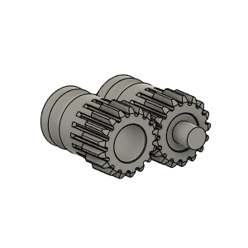 | Bondetech mini gears v1 | From BMG extruder | BUY | 1 | From BMG Extruder
HextrudORT_HotEnd_DRAGON | BUY | 1a |  | SetScrew_M3X2_92605A097 | Comes with BMG | BUY | 1 | From BMG Extruder
HextrudORT_HotEnd_DRAGON | BUY | 2 | 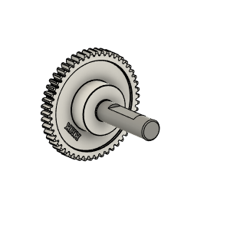 | Bondtech_Shaft_assembly v1 | From BMG extruder | BUY | 1 | From BMG Extruder *NOTE* Short side of the shaft might need to be filed down to avoid grinding against stepper motor.
HextrudORT_HotEnd_DRAGON | BUY | 3 | 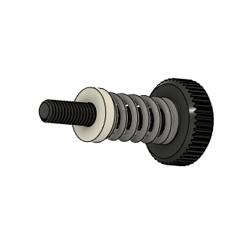 | Bondtech_Thumbscrew_assembly v1 | From BMG extruder | BUY | 1 | From BMG Extruder
HextrudORT_HotEnd_DRAGON | BUY | 4 | 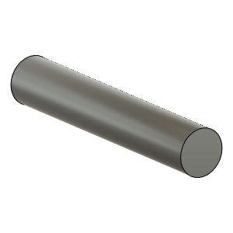 | TensionArm_Pin | Make From BMG arm pin | BUY | 1 | From BMG Extruder
HextrudORT_HotEnd_DRAGON | BUY | 5 | 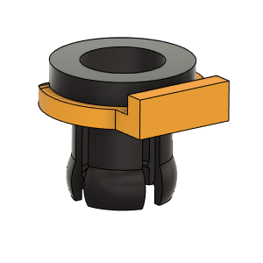 | PTFE Tube Retainer | Retainer, PTFE Tube 4mm | BUY | 1 | Is included with certain BMG clones. If not, need to purchase separately
HextrudORT_HotEnd_DRAGON | BUY | 6a | 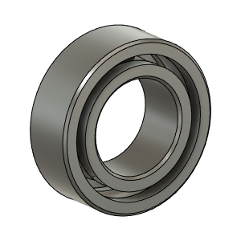 | OPTION A: Bearing_MR95_7804K105 | Bearing 5X9X3 | BUY | 1* | OPTION A These are BIGGER bearings than the ones used in the BMG. To be used with Back Plate and cover marked with "BB"
HextrudORT_HotEnd_DRAGON | BUY | 6b |  | OPTION B: Bearing_MR85 (from BMG) | Bearing 5X8X2.5 | BUY | 1* | OPTION B Use MR85 5x8x2.5 bearings from BMG
HextrudORT_HotEnd_DRAGON | BUY | 7 | 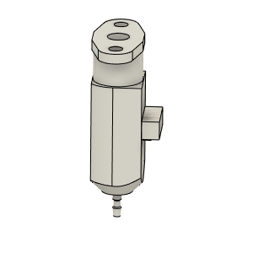 | bltouch |  | BUY | 1
HextrudORT_HotEnd_DRAGON | MAKE | 8 | 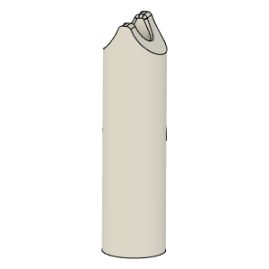 | PTFE_Guide | Comes with BMG clones | MAKE | 1 | Make from 4mm OD PTFE tube: 1 - Using Xacto blade, create internal chamfer in one end. 2 - Cut that end into an arrow shape (try to match the angle from the HextrudORT body where the hobb gears meet. 3 - Insert into HextrudORT body and cut excess length flush.
HextrudORT_HotEnd_DRAGON | BUY | 9 | 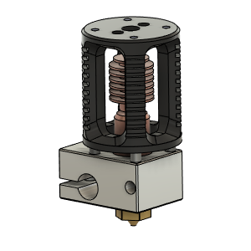 | DRAGON HOTEND | Hight temp or Standard | BUY | 1 |  | AliExpress Phaetus | https://s.click.aliexpress.com/e/_AD0Qow https://www.phaetus.com/?page_id=15+A8
HextrudORT_HotEnd_DRAGON | HARDWARE | 9 | 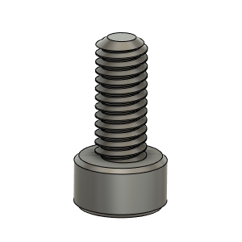 | M2.5X6_CapScrew_92290A056 | Screw, Capr_M2.5 X 6mm | Buy | 3
HextrudORT_HotEnd_DRAGON | HARDWARE | 10 | 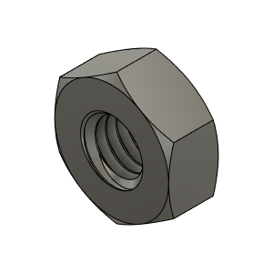 | M3_Nut_94150A325 | Nut, Hex - M3 | Buy | 2
HextrudORT_HotEnd_DRAGON | HARDWARE | 11 | 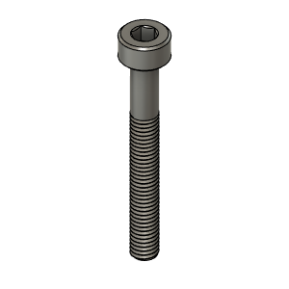 | M3X25_CapScrew_92290A124 | Screw, Cap - M3X25mm | Buy | 1
HextrudORT_HotEnd_DRAGON | HARDWARE | 12 | 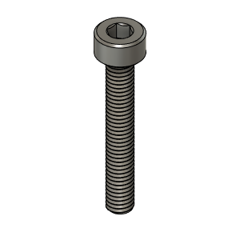 | M3X20_CapScrew_92290A122 | Screw, Cap - M3X20mm | Buy | 1
HextrudORT_HotEnd_DRAGON | HARDWARE | 13 | 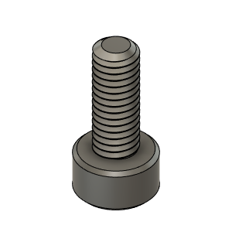 | M3X8_CapScrew_92290A113 | Screw, Cap - M3X8mm | Buy | 1
HextrudORT_HotEnd_DRAGON | MAKE | 10a | 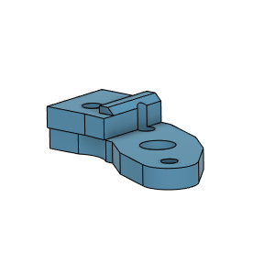 | BlTouchSupport for STDHT MGN9 & MGN12 Carriage | 3D Printed | MAKE | 1* | * OPTION BlTouchSupport for STDHT MGN9 & MGN12 Carriage
HextrudORT_HotEnd_DRAGON | MAKE | 10b | To come | BLTouch support for HD9 | 3D Printed | MAKE | 1* | * OPTION BlTouchSupport for HD9 Carriage
HextrudORT_HotEnd_DRAGON | MAKE | 10c | 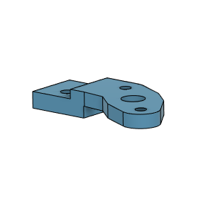 | BLTouch support for HD12 | 3D Printed | MAKE | 1* | * OPTION BlTouchSupport for HD12 Carriage
HextrudORT_HotEnd_DRAGON | MAKE | 11 | 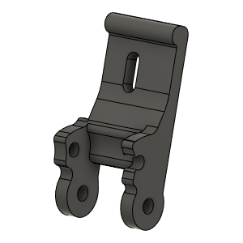 | HextrudORT_DRAGON_TENSION_ARM | 3D_Printed |  | 1 | NOTE ! Make sure your printer is well calibrated, these are small and precise parts. Recommended print settings: - 0.16 Layer height - Support interface: yes - Full fan at first support interfacing layer
HextrudORT_HotEnd_DRAGON | MAKE | 12 | 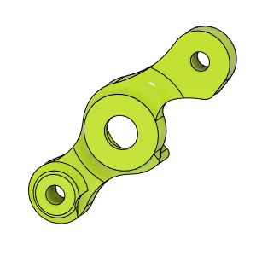 | HextrudORT_COVER | 3D_Printed |  | 1 | NOTE ! For Big Bearings (MR95 5X9X2.5) use: HextrudORT_COVER_BB.STL For Bearing provided with BMG (MR85 5x8x2.5) use: HextrudORT_COVER.STL
HextrudORT_HotEnd_DRAGON | MAKE | 13 | 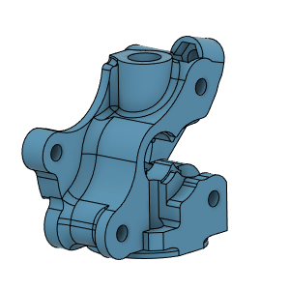 | HextrudORT_DRAGON_Body_V1 | 3D Printed |  | 1 | NOTE ! Make sure your printer is well calibrated, these are small and precise parts. Recommended print settings: - 0.16 Layer height - Support interface: yes - Full fan at first support interfacing layer

