From Fusion 360
SubAssy | Category | Item | Thumbnail | Part Name | Part Description | Make/Buy | QTY | Comment | Vendor | Vendor URL
Bondtech BMG parts
HextrudORT_HotEnd_Nova | BUY | 1 | 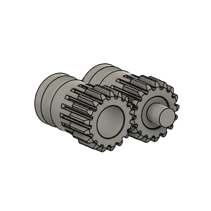 | Bondetech mini gears 1.75/5.0 | From BMG extruder or sold seperately | BUY | 1 | Gear set for filament size 1.75 mm, primary gear with inner diameter 5 mm, secondary gear with two needle bearings,M3x2 setscrew and one 3 x 20 mm shaft. | Bondtech | https://www.bondtech.se/product/drivegear-kits/
HextrudORT_HotEnd_Nova | BUY | 2 | 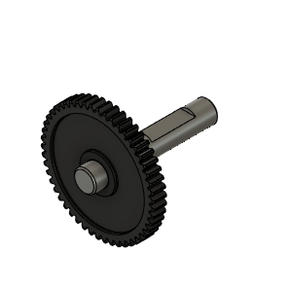 | Bondtech_Shaft_assembly | From BMG extruder or sold seperately | BUY | 1 | Replacement Shaft assembly for our Bondtech Mini Geared (BMG), SingleDirect and DualDirect extruders. It includes the set screw for primary 1.75/5.0 drive gear. | Bondtech | https://www.bondtech.se/product/shaft-assembly/
HextrudORT_HotEnd_Nova | BUY | 3 | 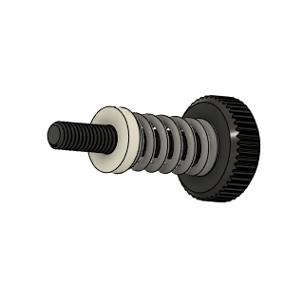 | Bondtech_Thumbscrew_assembly v1 | From BMG extruder or sold seperately | BUY | 1 | From BMG Extruder | Bondtech | https://www.bondtech.se/product/thumbscrew-assembly/
HextrudORT_HotEnd_Nova | BUY | 4 | 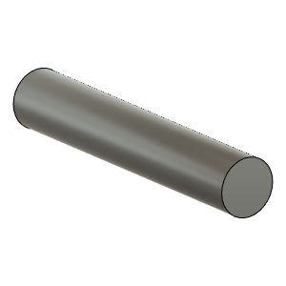 | TensionArm_Pin | Make From BMG arm pin 3 X 20mm or sold seperately | BUY | 1 | From BMG Extruder 3 X 20 | Bondtech | https://www.bondtech.se/product/shafts/
HextrudORT_HotEnd_Nova | BUY | 5 | 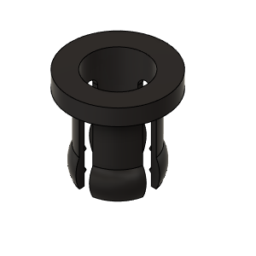 | PTFE Tube Retainer | Retainer, PTFE Tube 4mm From BMG or sold seperately | BUY | 1 | From BMG Extruder | Bondtech | https://www.bondtech.se/product/push-fit-collar/
HextrudORT_HotEnd_Nova | BUY | 6a |  | OPTION A: Bearing_MR85 (from BMG) | Bearing 5X8X2.5 From BMG or sold seperately | BUY | 2* | OPTION A Use MR85 5x8x2.5 bearings from BMG *Qty1 bearing will be used in the carriage BOM. Qty 1 required in this assembly + 1 in carriage = 2 for the printer | Bondtech | https://www.bondtech.se/product/ballbearing-5x8x2-5/
NOVA HextrudORT
HextrudORT_HotEnd_Nova | BUY | 6b | 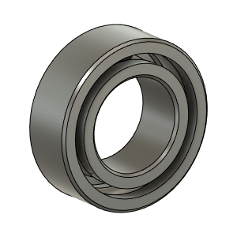 | OPTION B: Bearing_MR95_7804K105 | Bearing 5X9X3 | BUY | 2* | OPTION B These are BIGGER bearings than the ones used in the BMG. To be used with Back Plate and cover marked with "BB"
HextrudORT_HotEnd_Nova | MAKE | 7 | 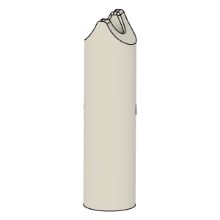 | PTFE_Guide | Comes with BMG clones | MAKE | 1 | Make from 4mm OD PTFE tube: 1 - Using Xacto blade, create internal chamfer in one end. 2 - Cut that end into an arrow shape (try to match the angle from the HextrudORT body where the hobb gears meet. 3 - Insert into HextrudORT body and cut excess length flush.
HextrudORT_HotEnd_Nova | BUY | 8 | 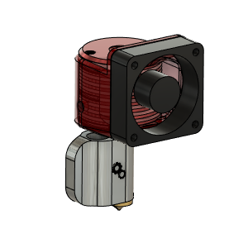 | NOVA HotEnd | From 3DPassion.com | BUY | 1 | BE AWARE, if using the 100W heater cartridge available for NOVA, Duet might trigger errors during PID tune due to too much overshoot (default 15C). This can be resolved by Inserting an M570 H1* T25 in your config file. * is your heater number. Klipper seems to be handling this power without any issue. HevORT Discount: Get 2 free nozzles (0.33mm and 1mm) when purchasing a Nova HotEnd kit. https://forums.hevort.com/viewtopic.php?f=18&t=504 Promo code: (Apply code at Check out) HEVORT | 3D Passion | https://3dpassion.com/nova
HextrudORT_HotEnd_Nova | BUY | 9 | 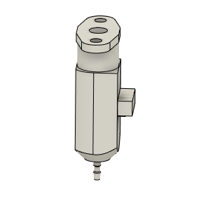 | bltouch |  | BUY | 1
HextrudORT_HotEnd_Nova | HARDWARE | 10 | 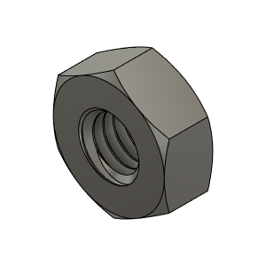 | M3_Nut_94150A325 | Nut, Hex - M3 | Buy | 2
HextrudORT_HotEnd_Nova | HARDWARE | 13 | 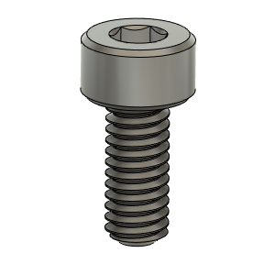 | M2.5X6_CapScrew_92290A056 | Screw, Cap - M2.5X6mm | BUY | 2
HextrudORT_HotEnd_Nova | HARDWARE | 11 | 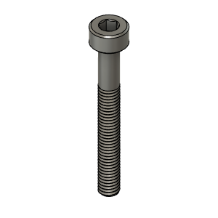 | M3X25_CapScrew_92290A124 | Screw, Cap - M3X25mm | Buy | 1
HextrudORT_HotEnd_Nova | HARDWARE | 12 | 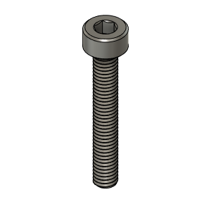 | M3X20_CapScrew_92290A122 | Screw, Cap - M3X20mm | Buy | 1
HextrudORT_HotEnd_Nova | HARDWARE | 13 | 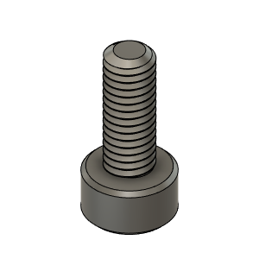 | M3X8_CapScrew_92290A113 | Screw, Cap - M3X8mm | Buy | 1
HextrudORT_HotEnd_Nova | MAKE | 10a | 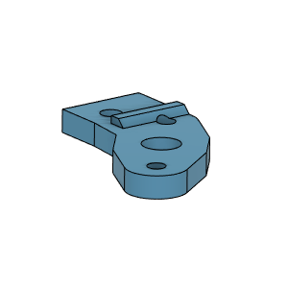 | BlTouchSupport for STDHT MGN9 & MGN12 Carriage | 3D Printed | MAKE | 1* | * OPTION BlTouchSupport for STDHT MGN9 & MGN12 Carriage
HextrudORT_HotEnd_Nova | MAKE | 10b | To come | BLTouch support for HD9 | 3D Printed | MAKE | 1* | * OPTION BlTouchSupport for HD9 Carriage
HextrudORT_HotEnd_Nova | MAKE | 10c |  | BLTouch support for HD12 | 3D Printed | MAKE | 1* | * OPTION BlTouchSupport for HD12 Carriage
HextrudORT_HotEnd_Nova | MAKE | 11 | 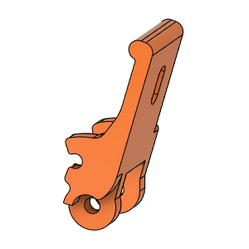 | HextrudORT_TENSION_ARM | 3D_Printed |  | 1 | NOTE ! Make sure your printer is well calibrated, these are small and precise parts. Recommended print settings: - 0.16 Layer height - Support interface: yes - Full fan at first support interfacing layer
HextrudORT_HotEnd_Nova | MAKE | 12 | 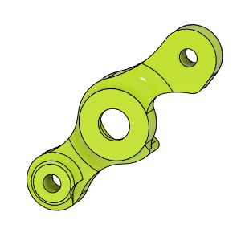 | HextrudORT_COVER | 3D_Printed |  | 1 | NOTE ! For Big Bearings (MR95 5X9X2.5) use: HextrudORT_COVER_BB.STL For Bearing provided with BMG (MR85 5x8x2.5) use: HextrudORT_COVER.STL
HextrudORT_HotEnd_Nova | MAKE | 13 | 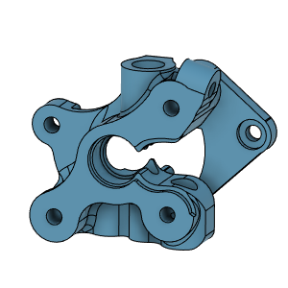 | HextrudORT_BODY_NOVA | 3D Printed |  | 1 | NOTE ! Make sure your printer is well calibrated, these are small and precise parts. Recommended print settings: - 0.16 Layer height - Support interface: yes - Full fan at first support interfacing layer

