From Fusion 360
SubAssy | Category | Item | Thumbnail | Part Name | Part Description | Make/Buy | QTY | Comment | Vendor | Vendor URL
Bondtech BMG parts
HextrudORT_HotEnd_E3D | BUY | 1 | 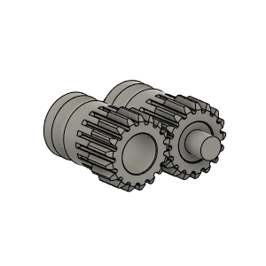 | Bondetech mini gears 1.75/5.0 | Included in BMG Internals Set for HextrudORT | (BUY) KIT | 1 | Gear set for filament size 1.75 mm, primary gear with inner diameter 5 mm, secondary gear with two needle bearings,M3x2 setscrew and one 3 x 20 mm shaft. | Bondtech | https://www.bondtech.se/product/bmg-internals-set-for-hextrudort/
HextrudORT_HotEnd_E3D | BUY | 2 | 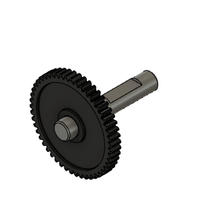 | Bondtech_Shaft_assembly | Included in BMG Internals Set for HextrudORT | (BUY) KIT | 1 | Replacement Shaft assembly for our Bondtech Mini Geared (BMG), SingleDirect and DualDirect extruders. It includes the set screw for primary 1.75/5.0 drive gear. | Bondtech | https://www.bondtech.se/product/bmg-internals-set-for-hextrudort/
HextrudORT_HotEnd_E3D | BUY | 3 | 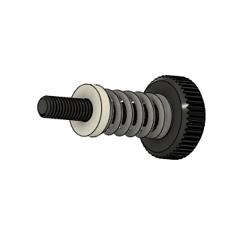 | Bondtech_Thumbscrew_assembly v1 | Included in BMG Internals Set for HextrudORT | (BUY) KIT | 1 | From BMG Extruder | Bondtech | https://www.bondtech.se/product/bmg-internals-set-for-hextrudort/
HextrudORT_HotEnd_E3D | BUY | 4 | 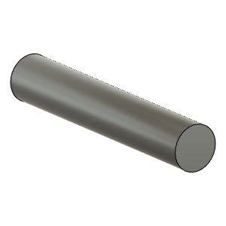 | TensionArm_Pin | Included in BMG Internals Set for HextrudORT | (BUY) KIT | 1 | From BMG Extruder 3 X 20 | Bondtech | https://www.bondtech.se/product/bmg-internals-set-for-hextrudort/
HextrudORT_HotEnd_E3D | BUY | 5 | 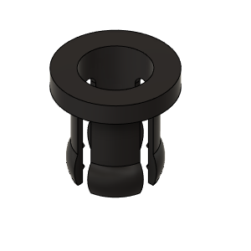 | PTFE Tube Retainer | Included in BMG Internals Set for HextrudORT | (BUY) KIT | 1 | From BMG Extruder | Bondtech | https://www.bondtech.se/product/bmg-internals-set-for-hextrudort/
HextrudORT_HotEnd_E3D | BUY | 6a |  | OPTION A: Bearing_MR85 (from BMG) | Included in BMG Internals Set for HextrudORT | (BUY) KIT | 2* | OPTION A Use MR85 5x8x2.5 bearings from BMG *Qty1 bearing will be used in the carriage BOM. Qty 1 required in this assembly + 1 in carriage = 2 for the printer | Bondtech | https://www.bondtech.se/product/bmg-internals-set-for-hextrudort/
E3D V6 HextrudORT
HextrudORT_HotEnd_E3D | BUY | 6b | 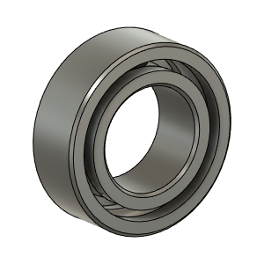 | OPTION B: Bearing_MR95_7804K105 | Bearing 5X9X3 | BUY | 1* | OPTION B These are BIGGER bearings than the ones used in the BMG. To be used with Back Plate and cover marked with "BB"
HextrudORT_HotEnd_E3D | MAKE | 7 | 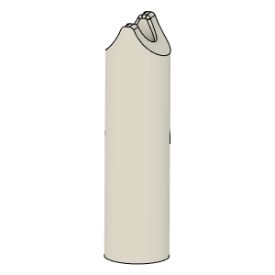 | PTFE_Guide | Comes with BMG clones Any 2mm ID PTFE will do | MAKE | 1 | Make from 4mm OD PTFE tube: 1 - Using Xacto blade, create internal chamfer in one end. 2 - Cut that end into an arrow shape (try to match the angle from the HextrudORT body where the hobb gears meet. 3 - Insert into HextrudORT body and cut to match internal length of the E3D HeatSink.
HextrudORT_HotEnd_E3D | BUY | 8 | 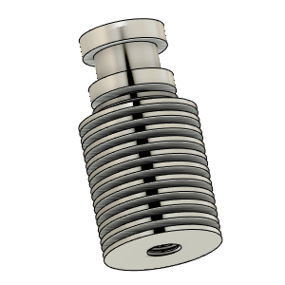 | E3D HeatSink | From Slice Engineering | BUY | 1 | Note: this HextrudORT config can also accomodate the Mosquito Magnum and the Mosquito Magnum +. BLTouch Bracket and Part Cooling Fan duct need to be modified to accept the Magnum +.
OptionA - E3DV6
HextrudORT_HotEnd_E3D | BUY | 9 - Option A | 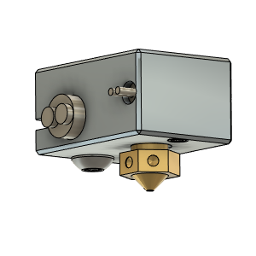 | E3D V6 HotEnd | E3D or Clone | BUY | 1* | Simply use this code when checking out :) : 10offe3d | E3D-Online | https://e3d-online.com/
HextrudORT_HotEnd_E3D | MAKE | 10(A1) | 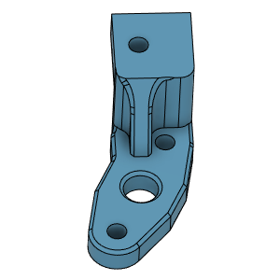 | V6 BLTouch support for: HD12 | 3D Printed | MAKE | 1* | * Select BlTouch Bracket to fit your selected HextrudORT carriage.
HextrudORT_HotEnd_E3D | MAKE | 10(A2) | 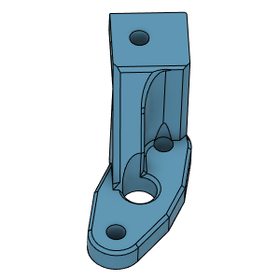 | V6 BLTouch support for: STDHT MGN9 | 3D Printed | MAKE | 1* | * Select BlTouch Bracket to fit your selected HextrudORT carriage.
HextrudORT_HotEnd_E3D | MAKE | 10(A3) | 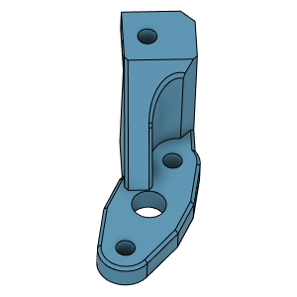 | V6 BLTouch support for: STDHT MGN12 | 3D Printed | MAKE | 1* | * Select BlTouch Bracket to fit your selected HextrudORT carriage.
HextrudORT_HotEnd_E3D | MAKE | 10(A4) | To Come | Volcano BLTouch support for HD9 | 3D Printed | MAKE | 1* | Not Available Yet * Select BlTouch Bracket to fit your selected HextrudORT carriage.
OptionB- E3DVolcano
HextrudORT_HotEnd_E3D | BUY | 9 - Option B | 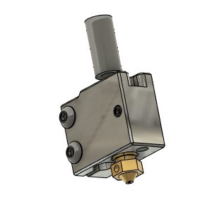 | E3D Volcano HotEnd | E3D or Clone | BUY | 1* | Simply use this code when checking out :) : 10offe3d | E3D-Online | https://e3d-online.com/
HextrudORT_HotEnd_E3D | MAKE | 10(B1) | 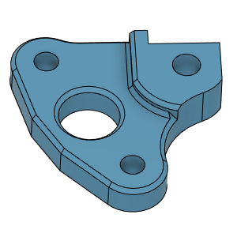 | Volcano BLTouch support for: HD12 | 3D Printed | MAKE | 1* | * Select BlTouch Bracket to fit your selected HextrudORT carriage.
HextrudORT_HotEnd_E3D | MAKE | 10(B2) | 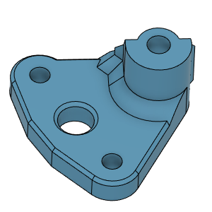 | Volcano BLTouch support for: STDHT MGN9 | 3D Printed | MAKE | 1* | * Select BlTouch Bracket to fit your selected HextrudORT carriage.
HextrudORT_HotEnd_E3D | MAKE | 10(B3) | 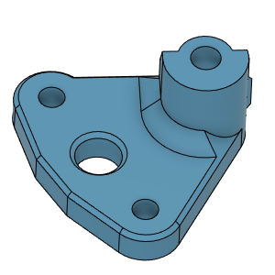 | Volcano BLTouch support for: STDHT MGN12 | 3D Printed | MAKE | 1* | * Select BlTouch Bracket to fit your selected HextrudORT carriage.
HextrudORT_HotEnd_E3D | MAKE | 10(B4) | To come | Volcano BLTouch support for HD9 | 3D Printed | MAKE | 1* | Not Available Yet * Select BlTouch Bracket to fit your selected HextrudORT carriage.

HextrudORT_HotEnd_E3D | BUY | 10 | 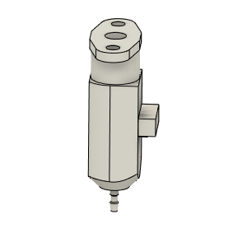 | bltouch | Z Probe sensor, BL touch | BUY | 1 | Better results will be obtained with OEM AntClabs BlTouch.
HextrudORT_HotEnd_E3D | HARDWARE | 11 | 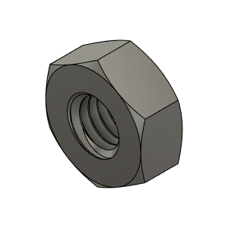 | M3_Nut_94150A325 | Nut, Hex - M3 | BUY | 5
HextrudORT_HotEnd_E3D | HARDWARE | 13 | 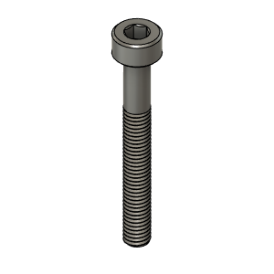 | M3X25_CapScrew_92290A124 | Screw, Cap - M3X25mm | BUY | 1
HextrudORT_HotEnd_E3D | HARDWARE | 14 | 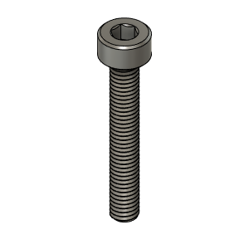 | M3X20_CapScrew_92290A122 | Screw, Cap - M3X20mm | BUY | 3
HextrudORT_HotEnd_E3D | HARDWARE | 15 | 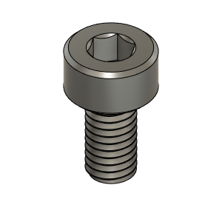 | M3X6_CapScrew_92290A111 | Screw, Cap - M3X6mm | BUY | 2
HextrudORT_HotEnd_E3D | MAKE | 16 | 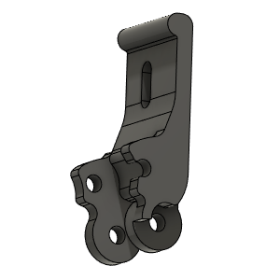 | HextrudORT_TENSION_ARM | 3D_Printed | MAKE | 1 | NOTE ! Make sure your printer is well calibrated, these are small and precise parts. Recommended print settings: - 0.16 Layer height - Support interface: yes - Full fan at first support interfacing layer
HextrudORT_HotEnd_E3D | MAKE | 17 | 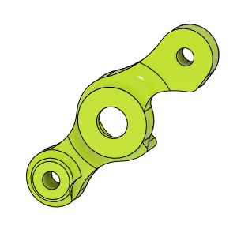 | HextrudORT_COVER | 3D_Printed | MAKE | 1 | NOTE ! For Big Bearings (MR95 5X9X2.5) use: HextrudORT_COVER_BB.STL For Bearing provided with BMG (MR85 5x8x2.5) use: HextrudORT_COVER.STL
HextrudORT_HotEnd_E3D | MAKE | 18 | 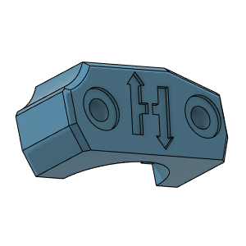 | HextrudORT_V6Holder | 3D_Printed | MAKE | 1
HextrudORT_HotEnd_E3D | MAKE | 19 | 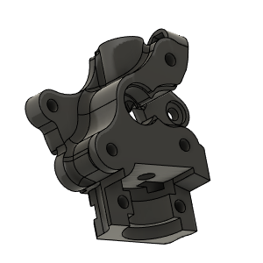 | HextrudORT_BODY_MOSQUITO | 3D Printed | MAKE | 1 | NOTE ! Make sure your printer is well calibrated, these are small and precise parts. Recommended print settings: - 0.16 Layer height - Support interface: yes - Full fan at first support interfacing layer

