From Fusion 360
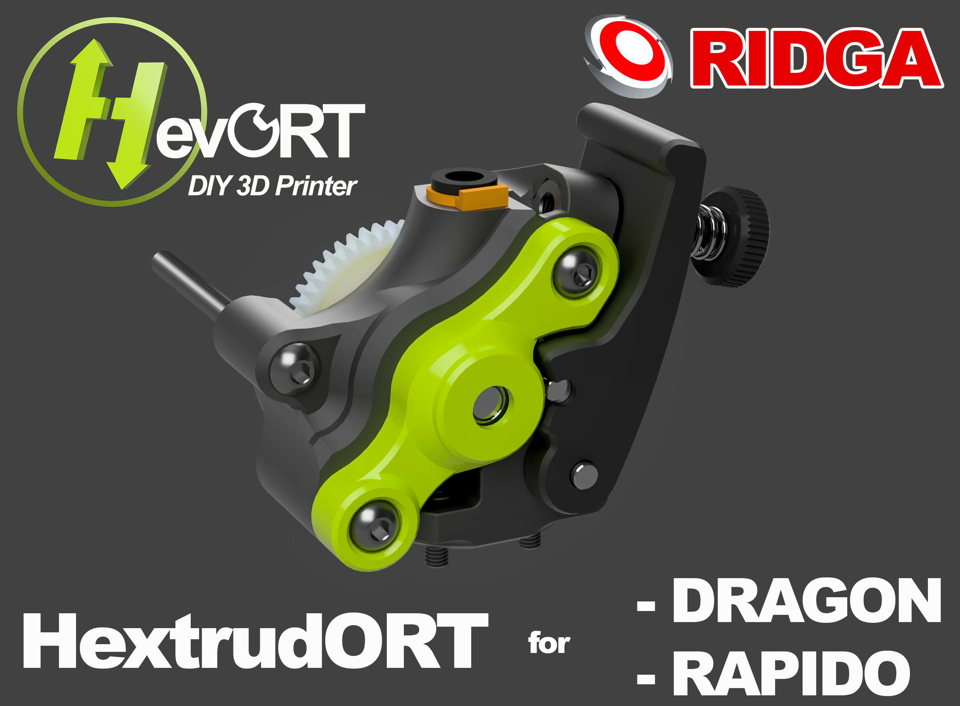 |  |  |  | LINK TO CAD | V1.65 integrates a few changes to accept the new RIDGA gear from Bondtech as well as some enhancements to the overal rigidity of the unit.
SubAssy | Category | Item | Thumbnail | Part Name | Part Description | Make/Buy | QTY | Comment | Vendor | Vendor URL
Bondtech RIDGA HextrudORT Kit
HextrudORT_HotEnd_RAPIDO | BUY | 1 | 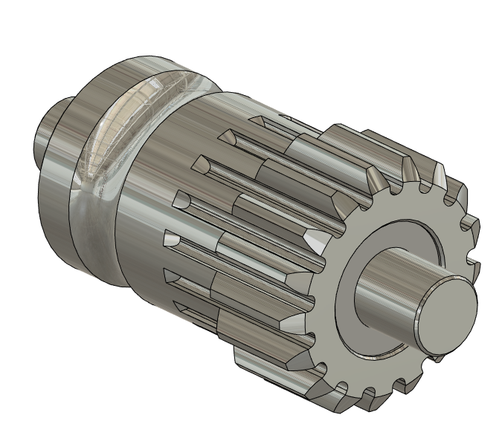 | 1.75/5.0mm BMG Secondary Drive Gear | Included in BMG Internals Set for HextrudORT | (BUY) KIT | 1 |  | Bondtech | Reverse BMG Set for HextrudORT from the HevORT project (bondtech.se)
HextrudORT_HotEnd_RAPIDO | BUY | 2 | 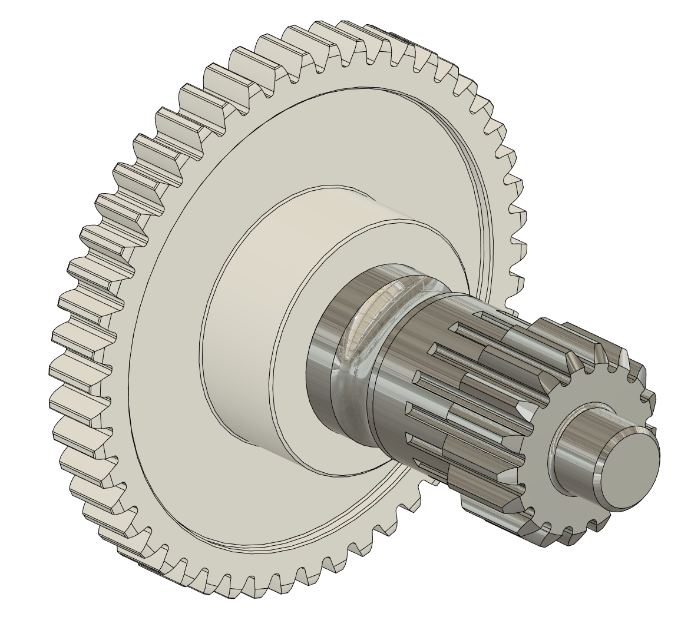 | R.I.D.G.A. – BMG Reverse Integrated Drive Gear Assembly | Included in BMG Internals Set for HextrudORT | (BUY) KIT | 1 |  | Bondtech | Reverse BMG Set for HextrudORT from the HevORT project (bondtech.se)
HextrudORT_HotEnd_RAPIDO | BUY | 3 | 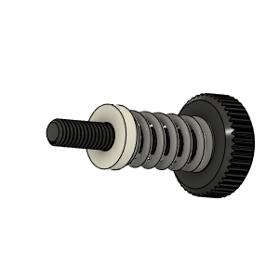 | Thumbscrew Assembly | Included in BMG Internals Set for HextrudORT | (BUY) KIT | 1 |  | Bondtech | Reverse BMG Set for HextrudORT from the HevORT project (bondtech.se)
HextrudORT_HotEnd_RAPIDO | BUY | 4 | 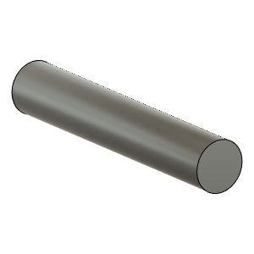 | TensionArm Pin 3 X 20mm | Included in BMG Internals Set for HextrudORT | (BUY) KIT | 1 |  | Bondtech | Reverse BMG Set for HextrudORT from the HevORT project (bondtech.se)
HextrudORT_HotEnd_RAPIDO | BUY | 5 | 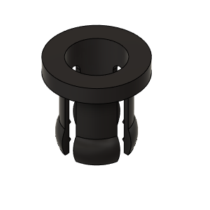 | PTFE Tube Retainer | Included in BMG Internals Set for HextrudORT | (BUY) KIT | 1 |  | Bondtech | Reverse BMG Set for HextrudORT from the HevORT project (bondtech.se)
HextrudORT_HotEnd_RAPIDO | BUY | 6 | 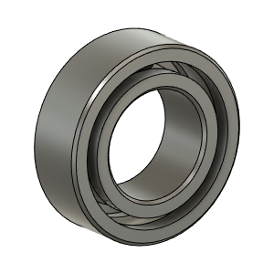 | MR84 8X4X3 Bearing | Included in BMG Internals Set for HextrudORT | (BUY) KIT | 2 |  | Bondtech | Reverse BMG Set for HextrudORT from the HevORT project (bondtech.se)
Dragon HextrudORT
HextrudORT_HotEnd_RAPIDO | BUY | 7 | 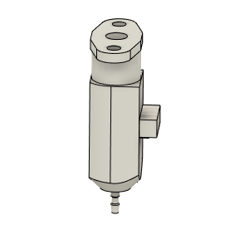 | bltouch |  | BUY | 1
HextrudORT_HotEnd_RAPIDO | MAKE | 8 | 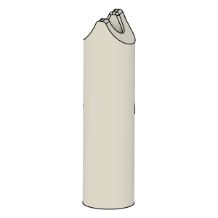 | PTFE_Guide | Comes with BMG clones | MAKE | 1 | Make from 4mm OD PTFE tube: 1 - Using Xacto blade, create internal chamfer in one end. 2 - Cut that end into an arrow shape (try to match the angle from the HextrudORT body where the hobb gears meet. 3 - Insert into HextrudORT body and cut excess length flush.
HextrudORT_HotEnd_RAPIDO | BUY | 9a | 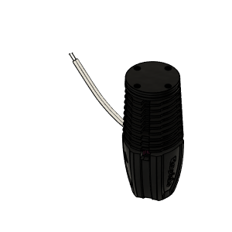 | RAPIDO HOTEND | Standard | BUY | 1 | Phaetus Rapido Hot End | Phaetus: https://www.phaetus.com/rapido-hotend/ Aliexpress | https://s.click.aliexpress.com/e/_9xIrem
HextrudORT_HotEnd_RAPIDO | BUY | 9b | 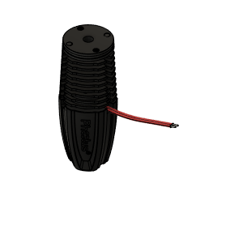 | RAPIDO HOTEND UHF | Ultra High Flow - with melt zone extender | BUY | 1 | This version adds a small 8.5mm longg extender to the meltzone, making possible the use of E3D Volcano nozzles | Phaetus: https://www.phaetus.com/rapido-hotend/ Aliexpress | https://s.click.aliexpress.com/e/_9xIrem
HextrudORT_HotEnd_RAPIDO | BUY | 10 | 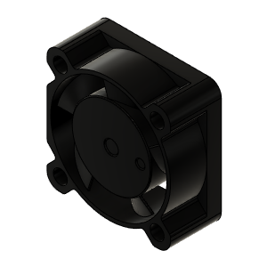 | 2510 Fan - 25mm*10mm | 2510 fan | BUY | 2 |  | Aliexpress | https://s.click.aliexpress.com/e/_9wYbbC
HextrudORT_HotEnd_RAPIDO | HARDWARE | 11 |  | M2.5X8_ 90358A112_Ultra-Low-Profile Socket Head Screw | Screw, Capr_M2.5 X 8mm | Buy | 3 | *Ultra low head screws are used to increase available material thickness holding hotend. | Aliexpress | https://s.click.aliexpress.com/e/_DEoG91j
HextrudORT_HotEnd_RAPIDO | HARDWARE | 12 | 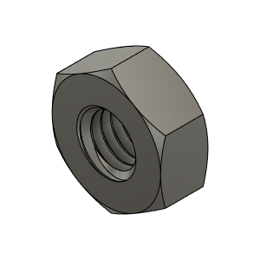 | M3_Nut_94150A325 | Nut, Hex - M3 | Buy | 2
HextrudORT_HotEnd_RAPIDO | HARDWARE | 13 |  | M3X40_CapScrew_92290A128 | Screw, Cap - M3X40mm | Buy | 1 | Button Head screw can be used as well.
HextrudORT_HotEnd_RAPIDO | HARDWARE | 14 | 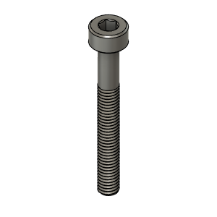 | M3X25_CapScrew_92290A124 | Screw, Cap - M3X25mm | Buy | 1 | Button Head screw can be used as well.
HextrudORT_HotEnd_RAPIDO | HARDWARE | 15 | 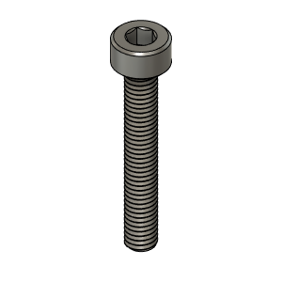 | M3X20_CapScrew_92290A122 | Screw, Cap - M3X20mm | Buy | 1 | Button Head screw can be used as well.
HextrudORT_HotEnd_RAPIDO | HARDWARE | 16 | 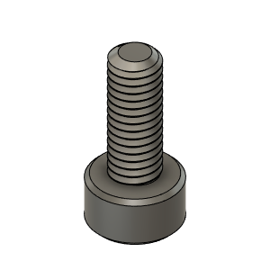 | M3X8_CapScrew_92290A113 | Screw, Cap - M3X8mm | Buy | 1 | Button Head screw can be used as well.
STD/HT
HextrudORT_HotEnd_RAPIDO | MAKE | 17a | To come | BlTouchSupport for STDHT MGN9 & MGN12 Carriage | 3D Printed | MAKE | 1* | * OPTION BlTouchSupport for STDHT MGN9 & MGN12 Carriage | Not Ready
HextrudORT_HotEnd_RAPIDO | MAKE | 18d |  | HextrudORT_STDHT_MGN9_RapidoUHF_StructFanShroud_25mm_BLTouch v1.stl | 3D Printed | MAKE | 1* | *OPTION Allows the mounting of Bltouch directly onto the FanShroud | Github | HextrudORT/files/HOTEND_EXTRUDER/RAPIDO/STLs at main · MirageC79/HextrudORT (github.com)
HD9
HextrudORT_HotEnd_RAPIDO | MAKE | 17b | To come | BLTouch support for HD9 | 3D Printed | MAKE | 1* | * OPTION BlTouchSupport for HD9 Carriage | Not Ready
HD12
HextrudORT_HotEnd_RAPIDO | MAKE(Option*) | 17c1 | 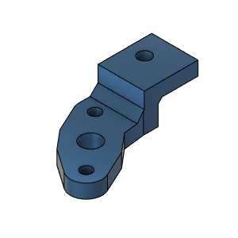 | BLTouch support for HD12 RAPIDO | 3D Printed | MAKE | 1* | *For HextrudORT HD12 Rapido standard. |  | HextrudORT/files/HOTEND_EXTRUDER/RAPIDO/STLs at main · MirageC79/HextrudORT (github.com)
HextrudORT_HotEnd_RAPIDO | MAKE(Option*) | 17c2 | 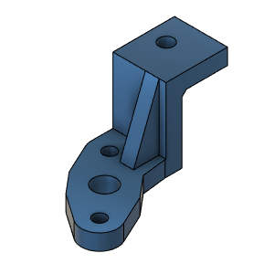 | BLTouch support for HD12 RAPIDO UHF | 3D Printed | MAKE | 1* | *For HextrudORT HD12 Rapido UHF (Ultra High Flow) |  | HextrudORT/files/HOTEND_EXTRUDER/RAPIDO/STLs at main · MirageC79/HextrudORT (github.com)
HextrudORT_HotEnd_RAPIDO | MAKE(Option*) | 18b | 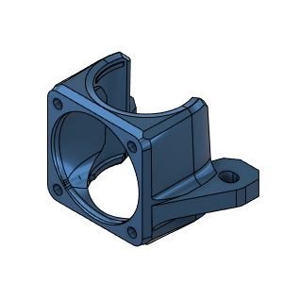 | Rapido Structural Fan Mount HD12 MGN9 | 3D Printed | MAKE | 1* | For HextrudORT HD12 Rapido Standard and High Flow. This fan shroud acts as an additional mouting point for the RAPIDO hotend. *For HD12_MGN9 |  | HextrudORT/files/HOTEND_EXTRUDER/RAPIDO/STLs at main · MirageC79/HextrudORT (github.com)
HextrudORT_HotEnd_RAPIDO | MAKE(Option*) | 19b | 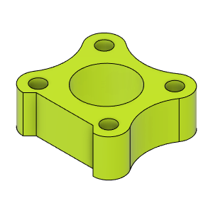 | HORTPC_RapidoUHF_Spacer HD12_MGN9 | 3D Printed | MAKE | 1* | RAPIDO UHF spacer for HORTPC HevORT Remote Turbine Part Cooling *For HD12_MGN9 |  | HextrudORT/files/HOTEND_EXTRUDER/RAPIDO/STLs at main · MirageC79/HextrudORT (github.com)
HextrudORT_HotEnd_RAPIDO | MAKE(Option*) | 20b | 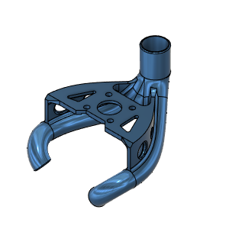 | HORTPC_Rapido_HD12_MGN9 | 3D Printed (Resin)** | MAKE | 1* | HD12 MGN9 Rapido HORTPC - HevORT Remote Turbine Part Cooling **Recommended to be printed from SLA (Resin Printer) *For HD12_MGN9 |  | HextrudORT/files/HOTEND_EXTRUDER/RAPIDO/STLs at main · MirageC79/HextrudORT (github.com)
HextrudORT_HotEnd_RAPIDO | MAKE(Option*) | 18c | 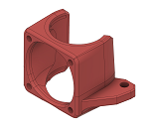 | Rapido Structural Fan Mount HD12_MGN12 | 3D Printed | MAKE | 1* | For HextrudORT HD12 Rapido Standard and High Flow. This fan shroud acts as an additional mouting point for the RAPIDO hotend. *For HD12_MGN12 | USER MOD!! Thanks to DonnerPlays from HevORT Discord channel | HextrudORT/files/HOTEND_EXTRUDER/RAPIDO/STLs at main · MirageC79/HextrudORT (github.com)
HextrudORT_HotEnd_RAPIDO | MAKE(Option*) | 19c |  | HORTPC_RapidoUHF_Spacer HD12_MGN12 | 3D Printed | MAKE | 1* | RAPIDO UHF spacer for HORTPC HevORT Remote Turbine Part Cooling *For HD12_MGN12 | USER MOD!! Thanks to DonnerPlays from HevORT Discord channel | HextrudORT/files/HOTEND_EXTRUDER/RAPIDO/STLs at main · MirageC79/HextrudORT (github.com)
HextrudORT_HotEnd_RAPIDO | MAKE(Option*) | 20c | 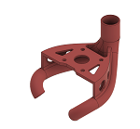 | HORTPC_Rapido HD12_MGN12 | 3D Printed (Resin)** | MAKE | 1* | HD12 MGN9 Rapido HORTPC - HevORT Remote Turbine Part Cooling **Recommended to be printed from SLA (Resin Printer) *For HD12_MGN12 | USER MOD!! Thanks to DonnerPlays from HevORT Discord channel | HextrudORT/files/HOTEND_EXTRUDER/RAPIDO/STLs at main · MirageC79/HextrudORT (github.com)
HextrudORT RAPIDO
HextrudORT_HotEnd_RAPIDO | MAKE(Option) | 18a | 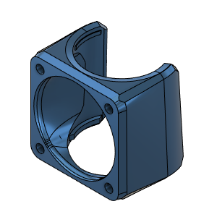 | Rapido Fan Shroud | 3D Printed | MAKE | 1* | Standard fan shroud for Rapido by MirageC |  | HextrudORT/files/HOTEND_EXTRUDER/RAPIDO/STLs at main · MirageC79/HextrudORT (github.com)
HextrudORT_HotEnd_RAPIDO | MAKE | 21 | 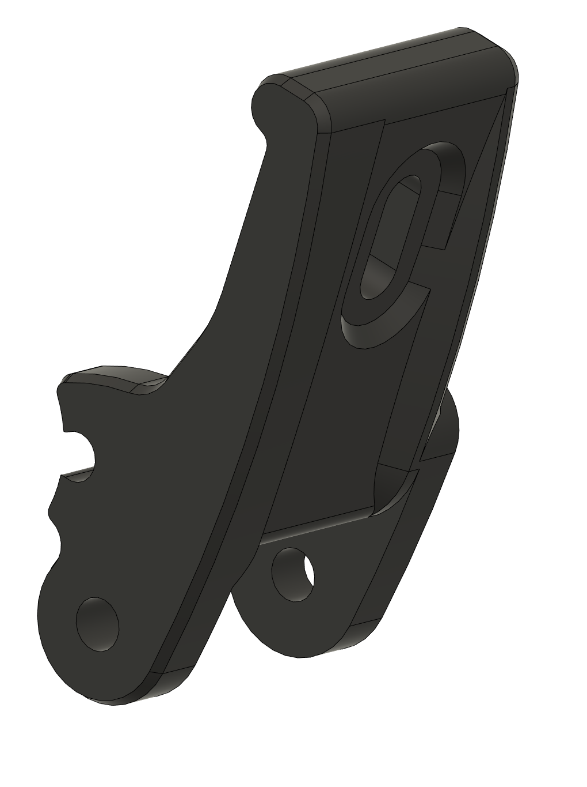 | HextrudORT_Dragon_TENSION_ARM_body_V1.6_RIDGA | 3D_Printed | MAKE | 1 | Note: you can find pre-supported STL in the github repository: HextrudORT_Dragon_TENSION_ARM_body_V1.6_RIDGA_Supported.stl |  | HextrudORT/files/HOTEND_EXTRUDER/RAPIDO/STLs at main · MirageC79/HextrudORT (github.com)
HextrudORT_HotEnd_RAPIDO | MAKE | 22 | 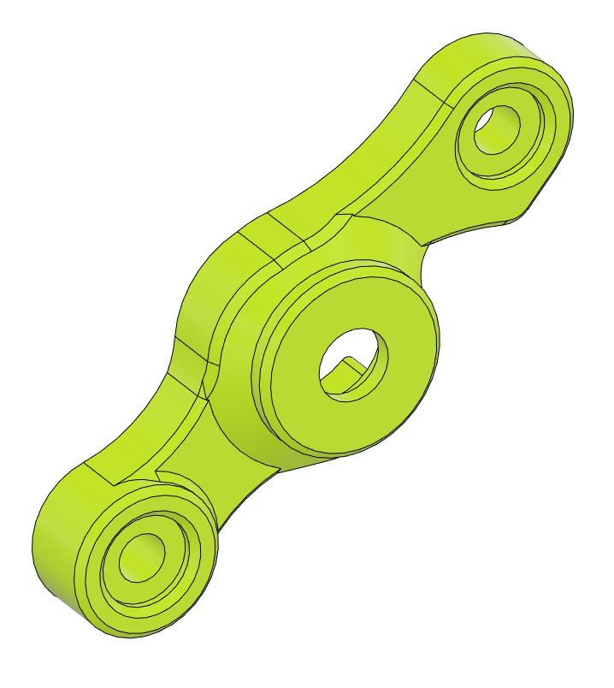 | HextrudORT_COVER_MR84_V1.65_RIDGA | 3D_Printed | MAKE | 1 |  |  | HextrudORT/files/HOTEND_EXTRUDER/RAPIDO/STLs at main · MirageC79/HextrudORT (github.com)
HextrudORT_HotEnd_RAPIDO | MAKE | 23 | 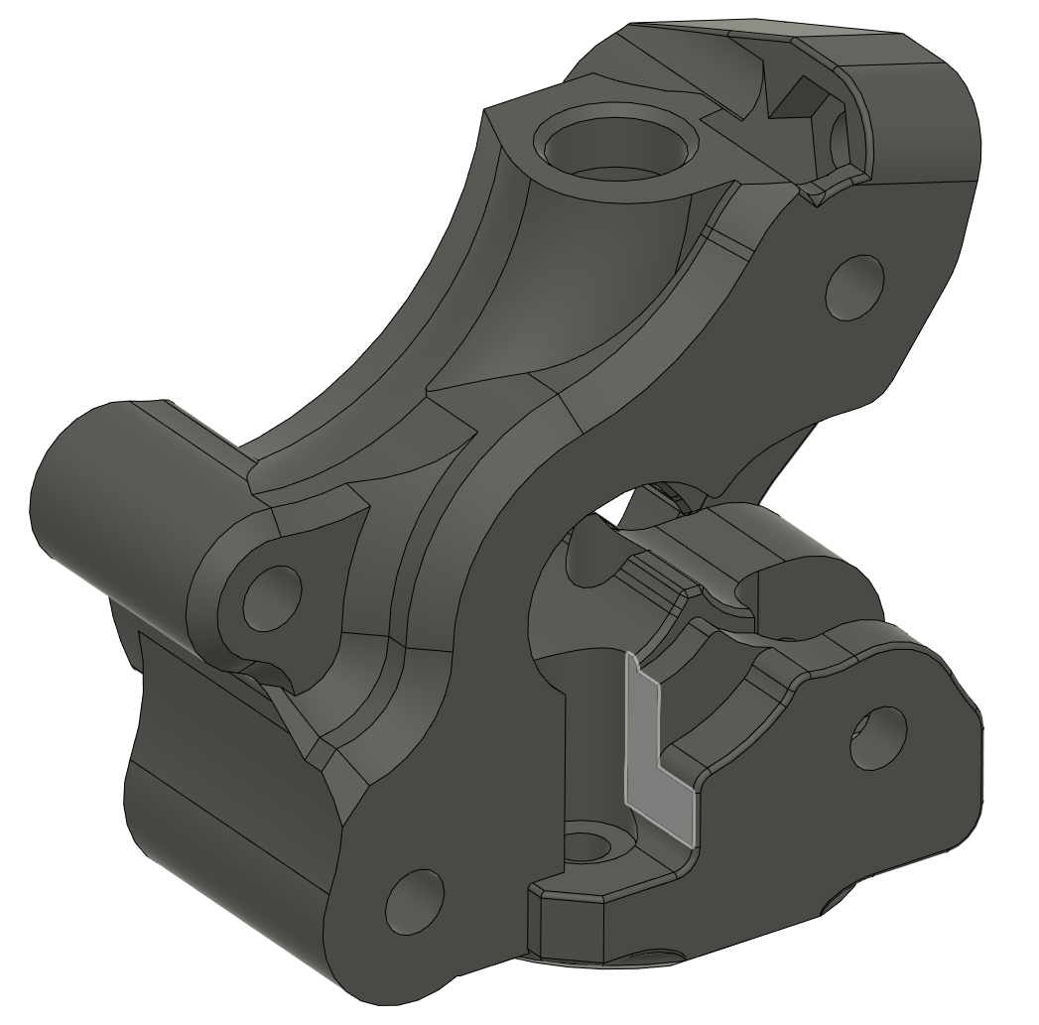 | HextrudORT_Dragon_Rapido_body_V1.65_RIDGA | 3D Printed | MAKE | 1 | NOTE ! Make sure your printer is well calibrated, these are small and precise parts. Recommended print settings: - 0.16 Layer height - Support interface: yes - Full fan at first support interfacing layer you can find pre-supported STL in the github repository: HextrudORT_Dragon_Rapido_body_V1.6_RIDGA_Supported.stl |  | HextrudORT/files/HOTEND_EXTRUDER/RAPIDO/STLs at main · MirageC79/HextrudORT (github.com)

