From Fusion 360
Item # | Thumbnail | Part Name | Description | Make/Buy | Quantity | Vendor | Vendor URL
1 | 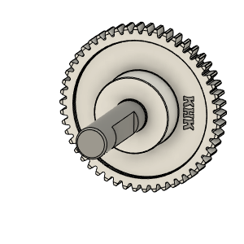 | Bondtech_Shaft_assembly | Comes with BMG |  | 1
2 | 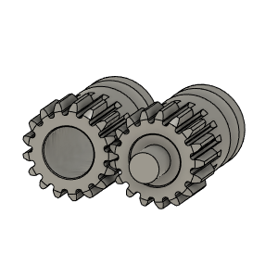 | Bondetech mini gears | Comes with BMG |  | 1
3 | 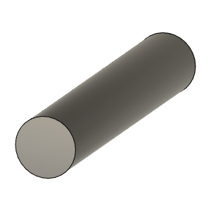 | HextrudORT_TensionArm_Pin | Make From BMG arm pin | Buy | 1
4 | 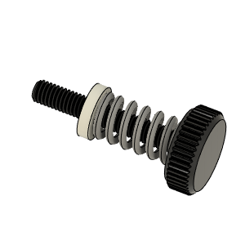 | Thumbscrew_assembly | Comes with BMG |  | 1
5 | 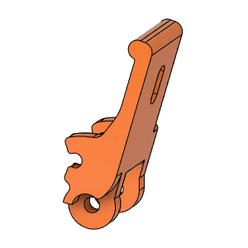 | HextrudORT_TENSION_ARM | 3D_Printed |  | 1
6 | 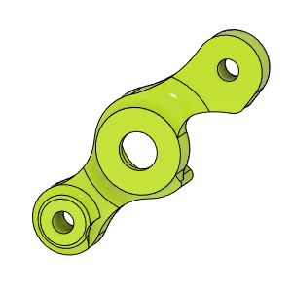 | HextrudORT_COVER | 3D_Printed |  | 1
7 | 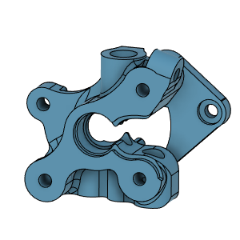 | HextrudORT_BODY_NOVA | 3D Printed |  | 1
8 | 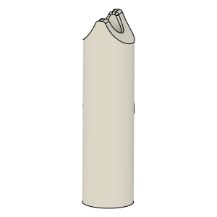 | HextrudORT_NOVA_PTFE_Guide | Comes with BMG clones |  | 1
9 | 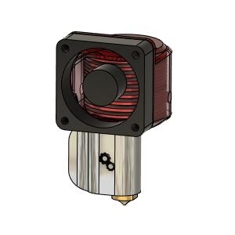 | nova-v11 v4 |  |  | 1
10 | 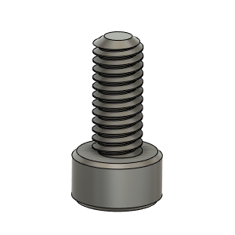 | M2.5X6_CapScrew_92290A056 | Screw, Capr_M2.5 X 6mm | Buy | 2
11 | 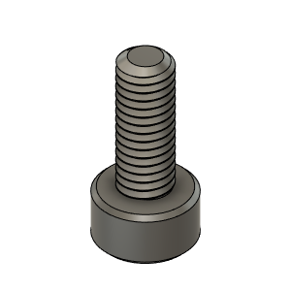 | M3X8_CapScrew_92290A113 | Screw, Cap - M3X8mm | Buy | 1
12 | 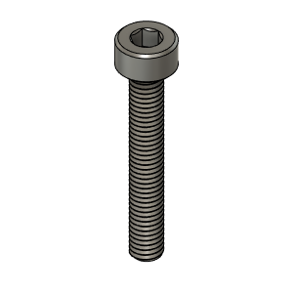 | M3X20_CapScrew_92290A122 | Screw, Cap - M3X20mm | Buy | 1
13 | 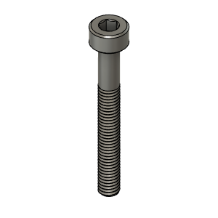 | M3X25_CapScrew_92290A124 | Screw, Cap - M3X25mm | Buy | 1
14 | 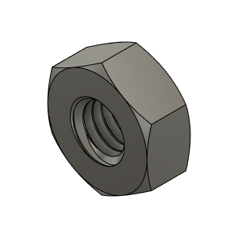 | M3_Nut_94150A325 | Nut, Hex - M3 | Buy | 2
15 | 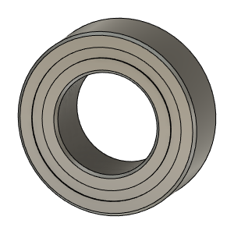 | Bearing_MR95_7804K105 |  |  | 1
16 | 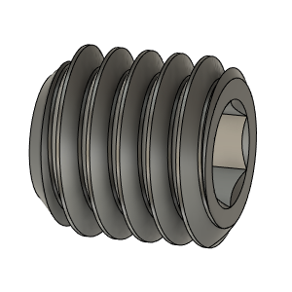 | SetScrew_M3X2_92605A097 | Comes with BMG |  | 1

