From Fusion 360
SubAssy | Category | Item | Thumbnail | Part Name | Part Description | Make/Buy | QTY | Comment | Vendor | Vendor URL
Bondtech BMG parts
HextrudORT_HotEnd_RAPIDO | BUY | 1 | 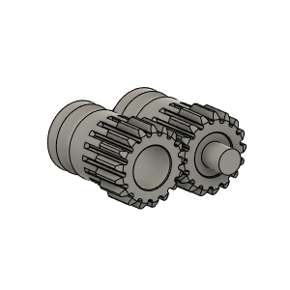 | Bondetech mini gears 1.75/5.0 | Included in BMG Internals Set for HextrudORT | (BUY) KIT | 1 | Gear set for filament size 1.75 mm, primary gear with inner diameter 5 mm, secondary gear with two needle bearings,M3x2 setscrew and one 3 x 20 mm shaft. | Bondtech | https://www.bondtech.se/product/bmg-internals-set-for-hextrudort/
HextrudORT_HotEnd_RAPIDO | BUY | 2 | 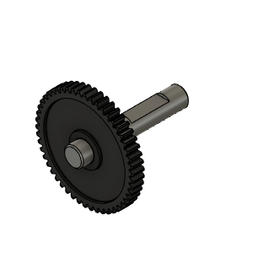 | Bondtech_Shaft_assembly | Included in BMG Internals Set for HextrudORT | (BUY) KIT | 1 | Replacement Shaft assembly for our Bondtech Mini Geared (BMG), SingleDirect and DualDirect extruders. It includes the set screw for primary 1.75/5.0 drive gear. | Bondtech | https://www.bondtech.se/product/bmg-internals-set-for-hextrudort/
HextrudORT_HotEnd_RAPIDO | BUY | 3 | 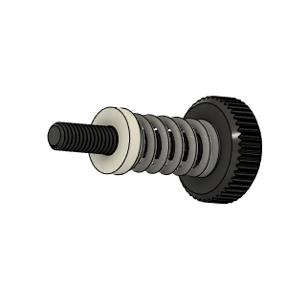 | Bondtech_Thumbscrew_assembly v1 | Included in BMG Internals Set for HextrudORT | (BUY) KIT | 1 | From BMG Extruder | Bondtech | https://www.bondtech.se/product/bmg-internals-set-for-hextrudort/
HextrudORT_HotEnd_RAPIDO | BUY | 4 | 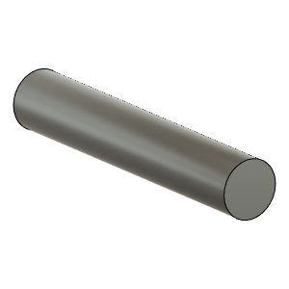 | TensionArm_Pin | Included in BMG Internals Set for HextrudORT | (BUY) KIT | 1 | From BMG Extruder 3 X 20 | Bondtech | https://www.bondtech.se/product/bmg-internals-set-for-hextrudort/
HextrudORT_HotEnd_RAPIDO | BUY | 5 | 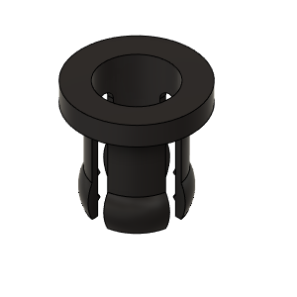 | PTFE Tube Retainer | Included in BMG Internals Set for HextrudORT | (BUY) KIT | 1 | From BMG Extruder | Bondtech | https://www.bondtech.se/product/bmg-internals-set-for-hextrudort/
HextrudORT_HotEnd_RAPIDO | BUY | 6a |  | OPTION A: Bearing_MR85 (from BMG) | Included in BMG Internals Set for HextrudORT | (BUY) KIT | 2* | OPTION A Use MR85 5x8x2.5 bearings from BMG *Qty1 bearing will be used in the carriage BOM. Qty 1 required in this assembly + 1 in carriage = 2 for the printer | Bondtech | https://www.bondtech.se/product/bmg-internals-set-for-hextrudort/
Dragon HextrudORT
HextrudORT_HotEnd_RAPIDO | BUY | 6b | 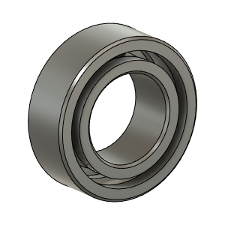 | OPTION B: Bearing_MR95_7804K105 | Bearing 5X9X3 | BUY | 1* | OPTION B These are BIGGER bearings than the ones used in the BMG. To be used with Back Plate and cover marked with "BB" | Aliexpress | https://s.click.aliexpress.com/e/_AZtQjU
HextrudORT_HotEnd_RAPIDO | BUY | 7 | 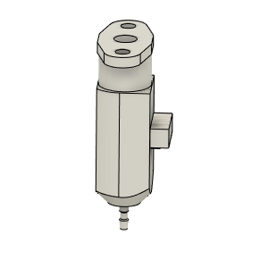 | bltouch |  | BUY | 1
HextrudORT_HotEnd_RAPIDO | MAKE | 8 | 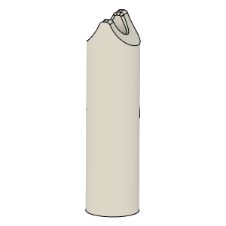 | PTFE_Guide | Comes with BMG clones | MAKE | 1 | Make from 4mm OD PTFE tube: 1 - Using Xacto blade, create internal chamfer in one end. 2 - Cut that end into an arrow shape (try to match the angle from the HextrudORT body where the hobb gears meet. 3 - Insert into HextrudORT body and cut excess length flush.
HextrudORT_HotEnd_RAPIDO | BUY | 9a | 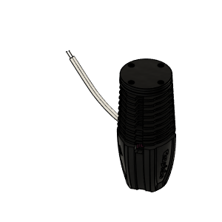 | RAPIDO HOTEND | Standard | BUY | 1 | Phaetus Rapido Hot End | Phaetus: https://www.phaetus.com/rapido-hotend/ Aliexpress | https://s.click.aliexpress.com/e/_9xIrem
HextrudORT_HotEnd_RAPIDO | BUY | 9b | 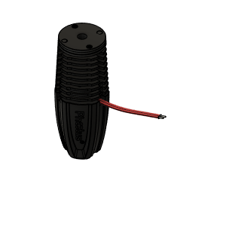 | RAPIDO HOTEND UHF | Ultra High Flow - with melt zone extender | BUY | 1 | This version adds a small 8.5mm longg extender to the meltzone, making possible the use of E3D Volcano nozzles | Phaetus: https://www.phaetus.com/rapido-hotend/ Aliexpress | https://s.click.aliexpress.com/e/_9xIrem
HextrudORT_HotEnd_RAPIDO | BUY | 10 | 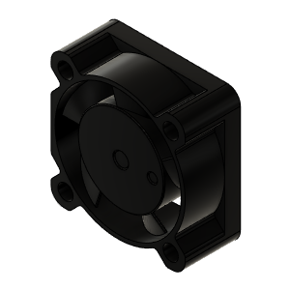 | 2510 Fan - 25mm*10mm | 2510 fan | BUY | 2 |  | Aliexpress | https://s.click.aliexpress.com/e/_9wYbbC
HextrudORT_HotEnd_RAPIDO | HARDWARE | 11 | 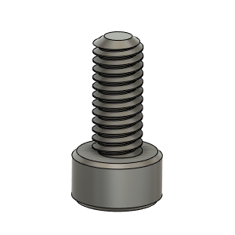 | M2.5X6_CapScrew_92290A056 | Screw, Capr_M2.5 X 6mm | Buy | 3
HextrudORT_HotEnd_RAPIDO | HARDWARE | 12 | 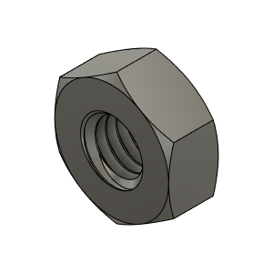 | M3_Nut_94150A325 | Nut, Hex - M3 | Buy | 2
HextrudORT_HotEnd_RAPIDO | HARDWARE | 13 | 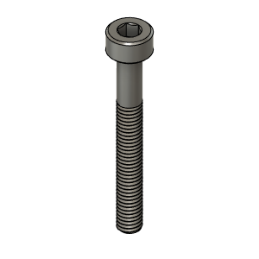 | M3X25_CapScrew_92290A124 | Screw, Cap - M3X25mm | Buy | 1
HextrudORT_HotEnd_RAPIDO | HARDWARE | 14 | 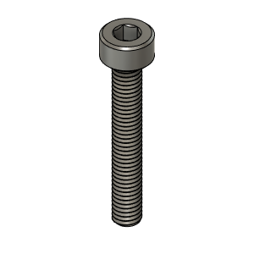 | M3X20_CapScrew_92290A122 | Screw, Cap - M3X20mm | Buy | 1
HextrudORT_HotEnd_RAPIDO | HARDWARE | 15 | 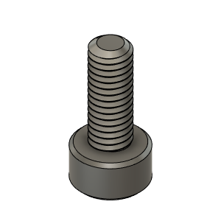 | M3X8_CapScrew_92290A113 | Screw, Cap - M3X8mm | Buy | 1
STD/HT
HextrudORT_HotEnd_RAPIDO | MAKE | 10a | To come | BlTouchSupport for STDHT MGN9 & MGN12 Carriage | 3D Printed | MAKE | 1* | * OPTION BlTouchSupport for STDHT MGN9 & MGN12 Carriage | Not Ready
HD9
HextrudORT_HotEnd_RAPIDO | MAKE | 10b | To come | BLTouch support for HD9 | 3D Printed | MAKE | 1* | * OPTION BlTouchSupport for HD9 Carriage | Not Ready
HD12
HextrudORT_HotEnd_RAPIDO | MAKE(Option*) | 10C1 | 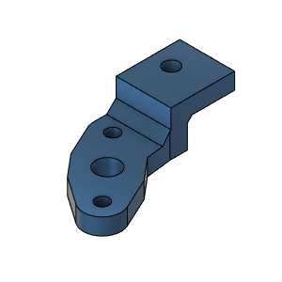 | BLTouch support for HD12 RAPIDO | 3D Printed |  | 1* | *For HextrudORT HD12 Rapido standard. |  | https://www.thingiverse.com/thing:5173650
HextrudORT_HotEnd_RAPIDO | MAKE(Option*) | 10C2 | 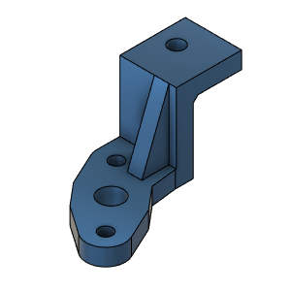 | BLTouch support for HD12 RAPIDO UHF | 3D Printed |  | 1* | *For HextrudORT HD12 Rapido UHF (Ultra High Flow) |  | https://www.thingiverse.com/thing:5173651
HextrudORT_HotEnd_RAPIDO | MAKE(Option*) | 11a | 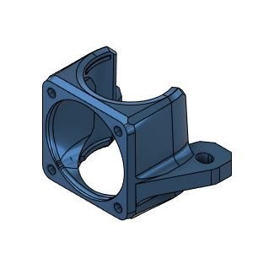 | Rapido Structural Fan Mount HD12 MGN9 | 3D Printed |  | 1* | For HextrudORT HD12 Rapido Standard and High Flow. This fan shroud acts as an additional mouting point for the RAPIDO hotend. *For HD12_MGN9 |  | https://www.thingiverse.com/thing:5173652
HextrudORT_HotEnd_RAPIDO | MAKE(Option*) | 12a | 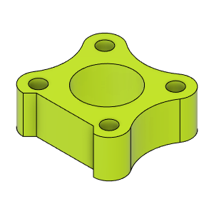 | HORTPC_RapidoUHF_Spacer HD12_MGN9 | 3D Printed |  | 1* | RAPIDO UHF spacer for HORTPC HevORT Remote Turbine Part Cooling *For HD12_MGN9 |  | https://www.thingiverse.com/thing:5173653
HextrudORT_HotEnd_RAPIDO | MAKE(Option*) | 13a | 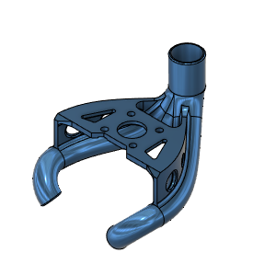 | HORTPC_Rapido_HD12_MGN9 | 3D Printed (Resin)** |  | 1* | HD12 MGN9 Rapido HORTPC - HevORT Remote Turbine Part Cooling **Recommended to be printed from SLA (Resin Printer) *For HD12_MGN9 |  | https://www.thingiverse.com/thing:5173654
HextrudORT_HotEnd_RAPIDO | MAKE(Option*) | 11b | 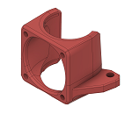 | Rapido Structural Fan Mount HD12_MGN12 | 3D Printed |  | 1* | For HextrudORT HD12 Rapido Standard and High Flow. This fan shroud acts as an additional mouting point for the RAPIDO hotend. *For HD12_MGN12 | USER MOD!! Thanks to DonnerPlays from HevORT Discord channel | https://www.thingiverse.com/thing:5173655
HextrudORT_HotEnd_RAPIDO | MAKE(Option*) | 12b |  | HORTPC_RapidoUHF_Spacer HD12_MGN12 | 3D Printed |  | 1* | RAPIDO UHF spacer for HORTPC HevORT Remote Turbine Part Cooling *For HD12_MGN12 | USER MOD!! Thanks to DonnerPlays from HevORT Discord channel | https://www.thingiverse.com/thing:5173656
HextrudORT_HotEnd_RAPIDO | MAKE(Option*) | 13b | 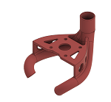 | HORTPC_Rapido HD12_MGN12 | 3D Printed (Resin)** |  | 1* | HD12 MGN9 Rapido HORTPC - HevORT Remote Turbine Part Cooling **Recommended to be printed from SLA (Resin Printer) *For HD12_MGN12 | USER MOD!! Thanks to DonnerPlays from HevORT Discord channel | https://www.thingiverse.com/thing:5173657
HextrudORT RAPIDO
HextrudORT_HotEnd_RAPIDO | MAKE | 14 | 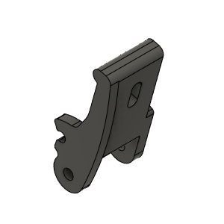 | HextrudORT_DRAGON_RAPIDO TENSION_ARM_V1.5 | 3D_Printed |  | 1 | HextrudORT Rapido / Dragon Tension Arm. V1.5 adds some rigidity for better print quality. |  | https://www.thingiverse.com/thing:5173659
HextrudORT_HotEnd_RAPIDO | MAKE | 15 | 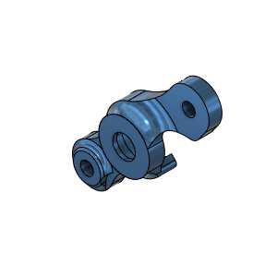 | HextrudORT_COVER | 3D_Printed |  | 1 | NOTE ! For Big Bearings (MR95 5X9X2.5) use: HextrudORT_COVER_BB.STL For Bearing provided with BMG (MR85 5x8x2.5) use: HextrudORT_COVER.STL |  | https://www.thingiverse.com/thing:5173660
HextrudORT_HotEnd_RAPIDO | MAKE | 16 | 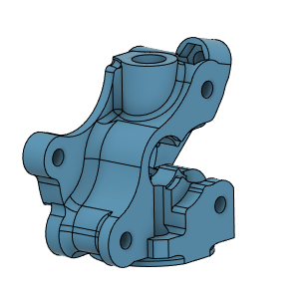 | HextrudORT_DRAGON_RAPIDO Body_V1.5 | 3D Printed |  | 1 | NOTE ! Make sure your printer is well calibrated, these are small and precise parts. Recommended print settings: - 0.16 Layer height - Support interface: yes - Full fan at first support interfacing layer |  | https://www.thingiverse.com/thing:5173661
HextrudORT_HotEnd_RAPIDO | MAKE(Option) | 11C | 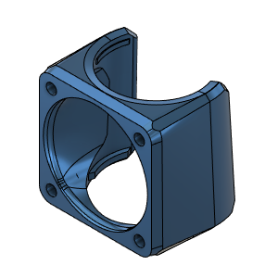 | Rapido Fan Shroud | 3D Printed |  | 1* | Standard fan shroud for Rapido by MirageC |  | https://www.thingiverse.com/thing:5173662

